Sheet1
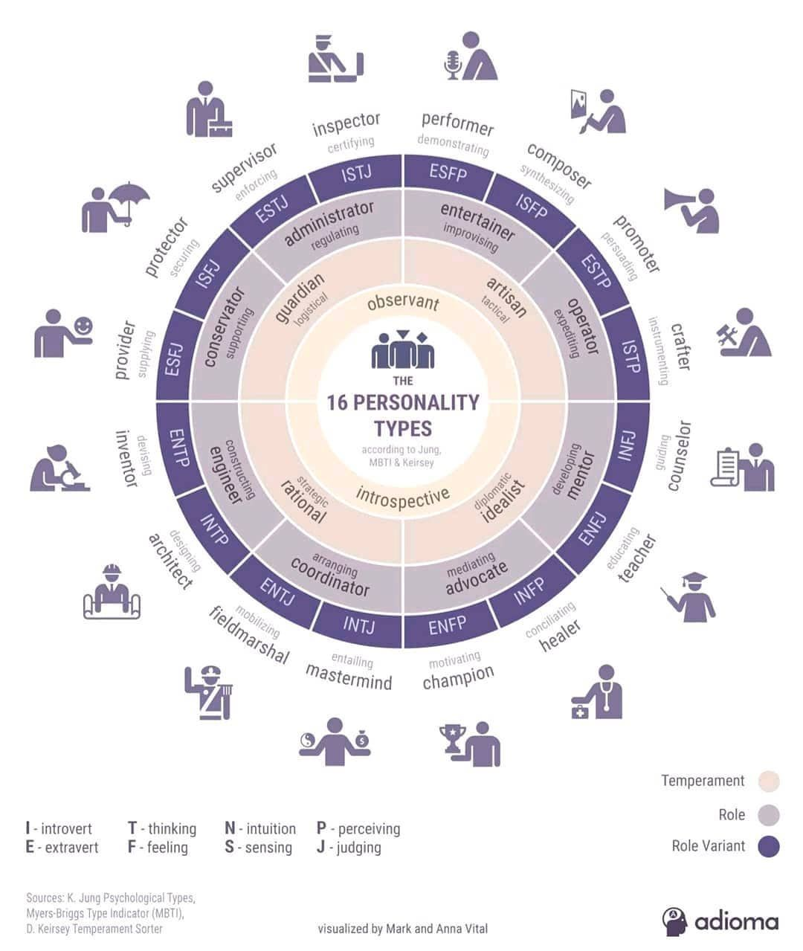
The Myers-Briggs Type Indicator (MBTI)

