U values Downstairsn
Downstairs

 |  |  |  |  |  |  |  |  |  |  |  |  | Individual Heat Transfer Coefficient |  |  |  |  |  |  |  |  |  |  |  |  |  |  |  | Living Room
 |  | Hallway |  |  |  |  |  |  |  |  |  |  | Vertical |  | Horizontal surfaces
 |  |  |  |  |  |  |  |  |  |  |  |  | Indoor | Outdoor | Indoor | Outdoor |  |  | Type | d | k
 |  | Lit U value |  |  |  |  |  |  |  |  |  |  | 10 | 25 | 7.5 | 6 |  |  | Cavity | 0.27
 |  | 0.9 |  |  |  |  |  |  |  |  |  |  |  |  |  |  |  |  | Poor | 0.225
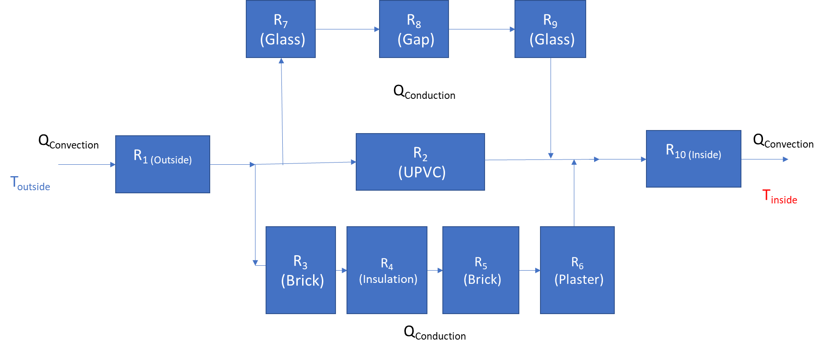
 |  |  |  |  |  |  |  |  |  |  |  |  |  |  |  |  |  |  | Poor | 0.225
 |  |  |  |  |  |  |  |  |  |  |  |  |  |  |  |  |  |  | Party | 0.35
 |  |  |  |  |  |  |  |  |  |  |  |  |  |  |  |  |  |  | PVC | 0.01
 |  |  |  |  |  |  |  |  |  |  |  |  |  |  |  |  |  |  | Paint | 0.0005
 |  |  |  |  |  |  |  |  |  |  |  |  |  |  |  |  |  |  | Insulation | 0.1 | 0.047
 |  |  |  |  |  |  |  |  |  |  |  |  |  |  |  |  |  |  | Drywall
 |  |  |  |  |  |  |  |  |  |  |  |  |  |  |  |  |  |  | Plaster | 0.2 | 1.173
 |  |  |  |  |  |  |  |  |  |  |  |  |  |  |  |  |  |  | Wood door | 0.04 | 0.17
 |  |  |  |  |  |  |  |  |  |  |  |  |  |  |  |  |  |  | PVC Door | 0.054 | 0.19
 |  |  |  |  |  |  |  |  |  |  |  |  |  |  |  |  |  |  | Brick | 0.24 | 1.31
 |  |  |  |  |  |  |  |  |  |  |  |  |  |  |  |  |  |  | Glass | 0.004 | 0.96
 |  |  |  |  |  |  |  |  |  |  |  |  |  |  |  |  |  |  | Gap | 1 | 0.14
 |  |  |  |  |  |  |  |  |  |  |  |  |  |  |  |  |  |  | Slate | 0.005 | 1.79
 |  |  |  |  |  |  |  |  |  |  |  |  |  |  |  |  |  |  | Board | 0.006 | 0.15
 |  |  |  |  |  |  |  |  |  |  |  |  |  |  |  |  |  |  | Beams | 0.035 | 0.1154

 | Door + Wall |  |  |  |  |  | Glass
 | R1 | 0.015117157974 |  | U_door | 0.39808197399 |  | R8 | 0.090702947846 |  |  |  | U_total
 | R2 | 0.19334049409 |  |  |  |  | R9 | 0.0094482237339 |  |  |  | 0.45856592396
 | R3 | 0.15578750584 |  |  |  |  | R10 | 16.196954972
 | R4 | 1.809234332 |  |  |  |  | R11 | 0.0094482237339
 | R5 | 0.15578750584 |  |  |  |  | R12 | 0.22675736961
 | R6 | 0.14498553044
 | R7 | 0.037792894936 |  |  |  |  | U_glass | 0.060483949972 |  |  |  |  |  |  |  |  |  |  |  |  |  |  |  |  |  |  |  |  |  |  | inner and outer |  |  | Window |  |  | Wall
 |  |  |  |  |  |  | Glass Area | 0.441 |  |  |  |  |  |  |  |  |  |  |  |  |  |  |  |  |  |  |  |  |  |  | R1 | 0.0039374287206 |  | R6 | 0.0013671627502 |  | R2 | 0.025762892392 |  | Glass Area | 3.05
 |  |  |  |  |  |  |  |  |  |  |  |  |  |  |  |  |  |  |  |  |  |  |  |  |  |  |  |  |  |  | R7 | 0.0098435718016 |  | R7 | 2.3437075718 |  | R3 | 0.29919671129 |  | Wall Area | 7.11
 |  |  |  | Front Room |  |  |  |  |  |  |  |  |  |  |  |  |  |  |  |  |  |  |  |  |  |  |  |  |  |  |  |  |  | R8 | 0.0013671627502 |  | R4 | 0.025762892392 |  | Total Area | 10.16
 |  |  |  |  |  |  |  |  |  |  |  |  |  |  |  |  |  |  |  |  |  |  |  |  |  |  |  |  |  |  |  |  |  |  |  |  | R5 | 0.023976548049
 |  |  |  |  |  |  |  |  |  |  |  |  |  |  |  |  |  |  |  |  |  |  |  |  |  |  |  |  |  |  | R total | 0.013781000522 |  | Rtotal | 2.3464418973 |  | Rtotal | 0.37469904413

 |  |  |  |  |  |  |  |  |  |  |  |  |  |  |  |  |  |  |  |  |  |  |  |  |  |  |  |  |  |  |  |  |  | U_total | 0.36564114853

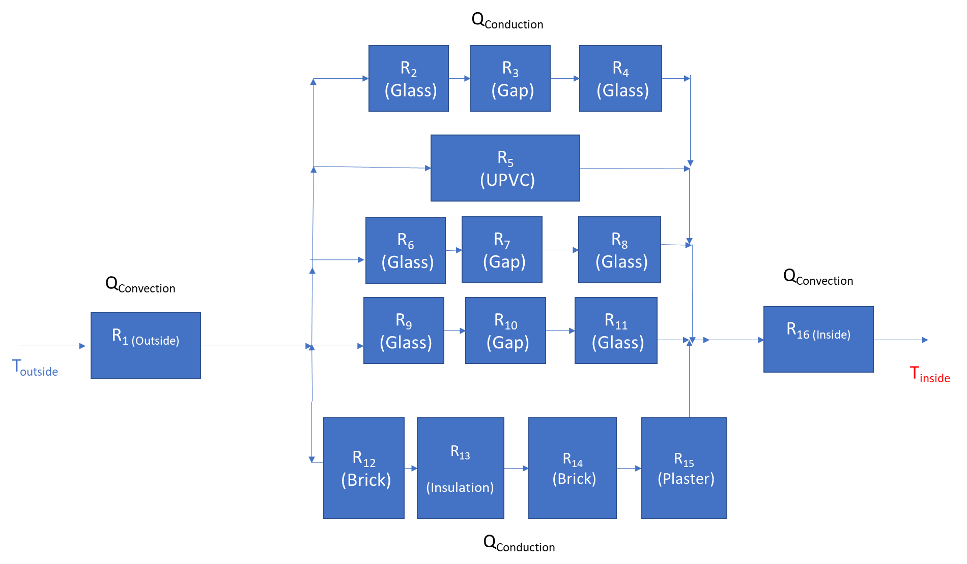
 |  |  |  |  |  |  |  |  |  |  |  |  |  |  |  |  |  |  |  |  |  |  |  |  |  |  |  |  |  | Kitchen
 |  |  |  |  |  |  |  |  |  |  |  |  |  |  |  | Individual Heat Transfer Coefficient
 |  |  |  |  |  |  |  |  |  |  |  |  |  |  |  | Vertical |  | Horizontal surfaces
 |  |  |  |  |  |  |  |  |  |  |  |  |  |  |  | Indoor | Outdoor | Indoor | Outdoor |  |  | Type | d | k
 |  |  |  |  |  |  |  |  |  |  |  |  |  |  |  | 10 | 25 | 7.5 | 6 |  |  | Cavity | 0.27
 |  |  |  |  |  |  |  |  |  |  |  |  |  |  |  |  |  |  |  |  |  | Poor | 0.225
 |  |  |  |  |  |  |  |  |  |  |  |  |  |  |  |  |  |  |  |  |  | Poor | 0.225
 |  |  |  |  |  |  |  |  |  |  |  |  |  |  |  |  |  |  |  |  |  | Party | 0.35
 |  |  |  |  |  |  |  |  |  |  |  |  |  |  |  |  |  |  |  |  |  | PVC | 0.01
 |  |  |  |  |  |  |  |  |  |  |  |  |  |  |  |  |  |  |  |  |  | Paint | 0.0005
 |  |  |  |  |  |  |  |  |  |  |  |  |  |  |  |  |  |  |  |  |  | Insulation | 0.1 | 0.047
 |  |  |  |  |  |  |  |  |  |  |  |  |  |  |  |  |  |  |  |  |  | Drywall
 |  |  |  |  |  |  |  |  |  |  |  |  |  |  |  |  |  |  |  |  |  | Plaster | 0.2 | 1.173
 |  |  |  |  |  |  |  |  |  |  |  |  |  |  |  |  |  |  |  |  |  | Wood door | 0.04 | 0.17
 |  |  |  |  |  |  |  |  |  |  |  |  |  |  |  |  |  |  |  |  |  | PVC Door | 0.054 | 0.19
 |  |  |  |  |  |  |  |  |  |  |  |  |  |  |  |  |  |  |  |  |  | Brick | 0.24 | 1.31
 |  |  |  |  |  |  |  |  |  |  |  |  |  |  |  |  |  |  |  |  |  | Glass | 0.004 | 0.96
 |  |  |  |  |  |  |  |  |  |  |  |  |  |  |  |  |  |  |  |  |  | Gap | 1 | 0.14
 |  |  |  |  |  |  |  |  |  |  |  |  |  |  |  |  |  |  |  |  |  | Slate | 0.005 | 1.79
 |  |  |  |  |  |  |  |  |  |  |  |  |  |  |  |  |  |  |  |  |  | Board | 0.006 | 0.15
 |  |  |  |  |  |  |  |  |  |  |  |  |  |  |  |  |  |  |  |  |  | Beams | 0.035 | 0.1154
 |  |  | inner and outer |  |  | Window |  |  | Wall
 |  |  | R1 | 0.0029496893608 |  | R6 | 0.001224828811 |  | R2 | 0.018034024675 | Glass Area | 3.40
 |  |  | R9 | 0.0073742234021 |  | R7 | 2.0997065332 |  | R3 | 0.20943769791 | Wall Area | 10.16
 |  |  |  |  |  | R8 | 0.001224828811 |  | R4 | 0.018034024675 | Total Area | 13.56
 |  |  |  |  |  |  |  |  | R5 | 0.016783583634
 |  |  | R total | 0.010323912763 |  | Rtotal | 2.1021561908 |  | Rtotal | 0.26228933089
 |  |  |  |  |  |  |  |  |  |  |  |  |  |  |  |  |  |  |  |  | Convectional |  |  | Conductional Door Glass |  |  | Conductional Door |  | Conductional Window 1 |  |  | Conductional Window 2 |  |  |  | Conductional Wall |  |  | Utotal
 |  |  |  |  |  |  |  |  |  |  |  |  |  |  |  |  |  |  |  |  | R1 | 0.0037021611366 |  | R2 | 0.0067487312385 |  | R5 | 0.19334049409 | R6 | 0.0034227527489 |  | R9 | 0.0034227527489 |  |  | R12 | 0.026552331222 |  | 0.042139449124
 |  |  |  |  |  | U_total | 0.42109351143 |  |  |  |  |  |  |  |  |  |  |  |  |  | R16 | 0.0092554028414 |  | R3 | 11.569253552 |  | Rcd2 | 0.19334049409 | R7 | 5.867576141 |  | R10 | 5.867576141 |  |  | R13 | 0.30836483955
 |  |  |  |  |  |  |  |  |  |  |  |  |  |  |  |  |  |  |  |  | Rcv | 0.012957563978 |  | R4 | 0.0067487312385 |  |  |  | R8 | 0.0034227527489 |  | R11 | 0.0034227527489 |  |  | R14 | 0.026552331222
 |  |  |  |  |  |  |  |  |  |  |  |  |  |  |  |  |  |  |  |  |  |  |  | Rcd1 | 11.582751014 |  |  |  | Rcd3 | 5.8744216465 |  | Rcd4 | 5.8744216465 |  |  | R15 | 0.024711248864
 |  |  |  |  |  |  |  |  |  |  |  |  |  |  |  |  |  |  |  |  |  |  |  |  |  |  |  |  |  |  |  |  |  |  |  | RCD5 | 0.38618075086

 |  |  |  |  |  |  |  |  |  |  |  |  |  |  |  |  |  |  |  |  |  |  |  |  |  |  |  |  |  |  |  |  |  |  |  |  |  |  |  | Bathroom
 |  |  |  |  | ROOF |  |  |  |  |  |  |  |  |  |  |  |  |  |  |  |  |  |  |  |  |  |  |  |  | Total Area | 10.80
 |  |  |  |  |  |  |  |  |  |  |  |  |  |  |  |  |  |  |  |  |  |  |  |  |  |  |  |  |  | Window 1 Area | 1.22
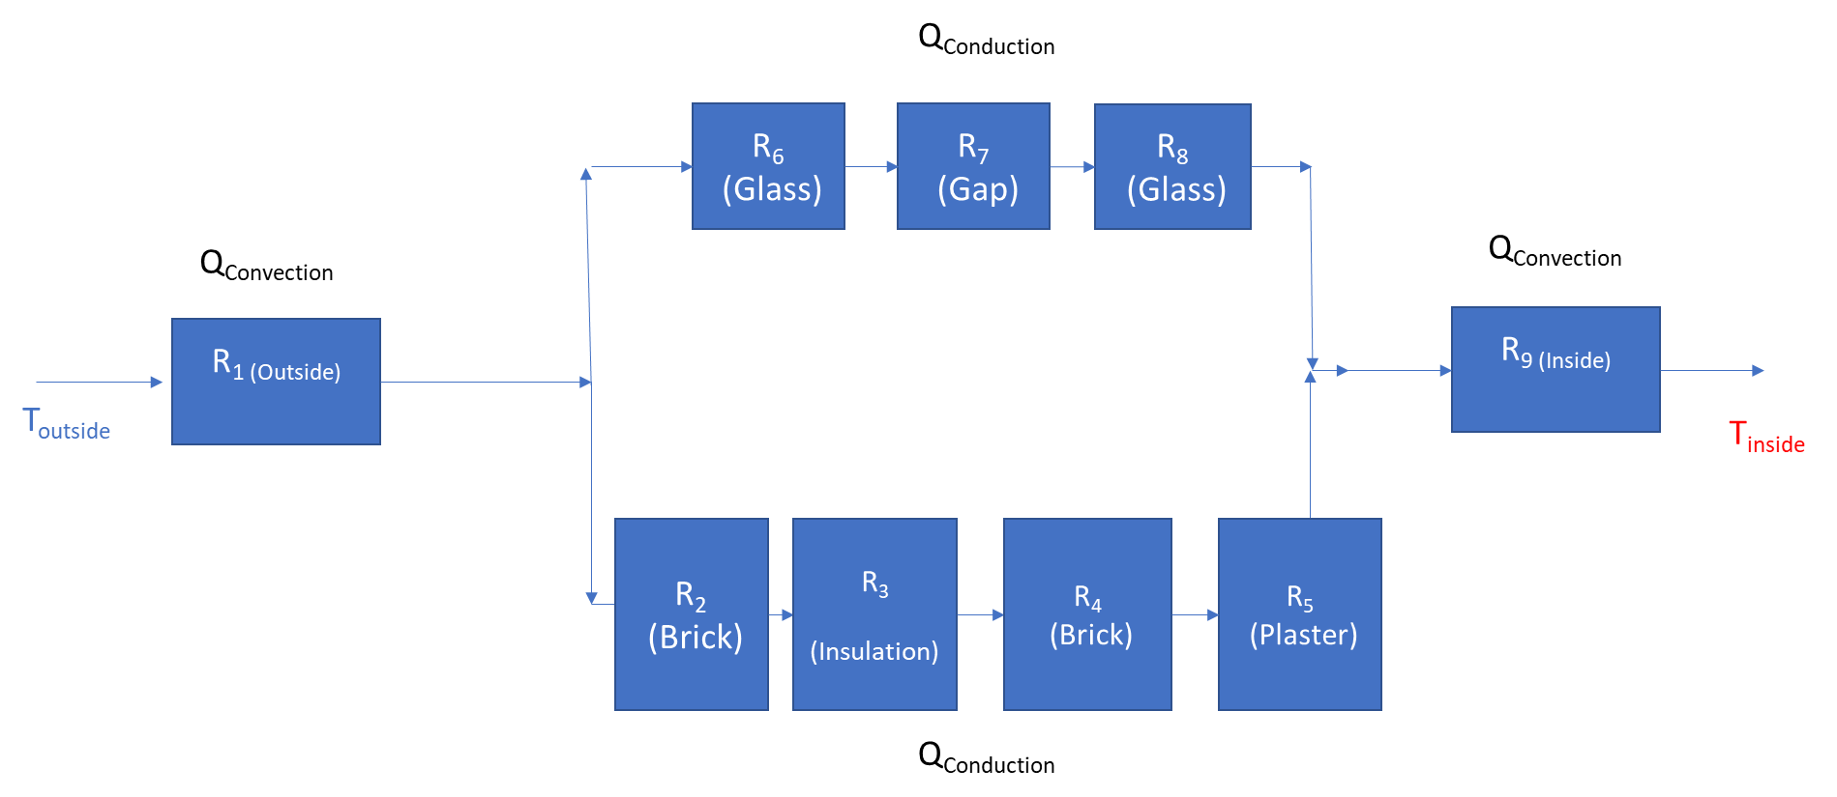
 |  |  |  |  |  |  |  |  |  |  |  |  |  |  |  |  |  |  |  |  |  |  |  |  |  |  |  |  |  | Window 2 Area | 1.22
 |  |  |  |  |  |  |  |  |  |  |  |  |  |  |  |  |  |  |  |  |  |  |  |  |  |  |  |  |  | Door Area | 1.47
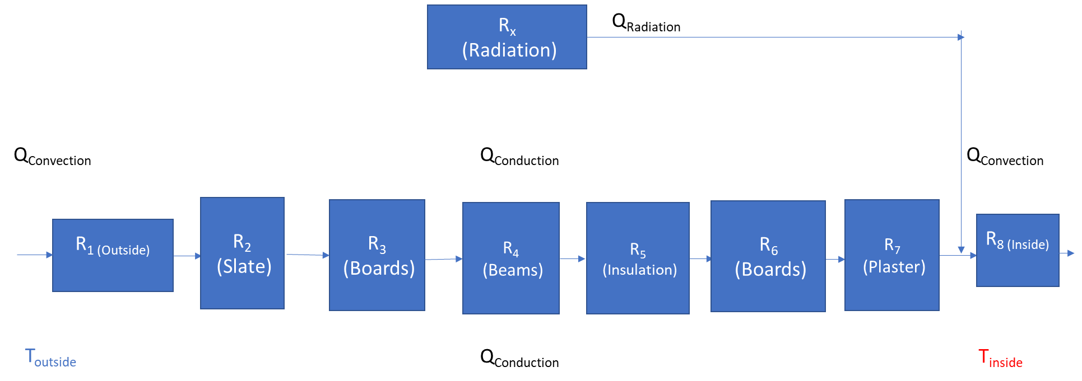
 |  |  |  |  |  |  |  |  |  |  |  |  |  |  |  |  |  |  |  |  |  |  |  |  |  |  |  |  |  | Door Glass Area | 0.6174
 |  |  |  |  |  |  |  |  |  |  |  |  |  |  |  |  |  |  |  |  |  |  |  |  |  |  |  |  |  | Wall Area | 6.90

 |  |  |  |  |  |  |  |  |  |  |  |  |  |  |  |  |  |  |  |  |  |  |  | Individual Heat Transfer Coefficient
 |  |  |  |  |  |  |  |  |  |  |  |  |  |  |  |  |  |  |  |  |  |  |  | Vertical |  | Horizontal surfaces
 |  |  |  |  |  |  |  |  |  |  |  |  |  |  |  |  |  |  |  |  |  |  |  | Indoor | Outdoor | Indoor | Outdoor |  | Type | d | k
 |  |  |  |  |  |  |  |  |  |  |  |  |  |  |  |  |  |  |  |  |  |  |  | 10 | 25 | 7.5 | 6 |  | Cavity | 0.27
 |  |  |  |  |  |  |  |  |  |  |  |  |  |  |  |  |  |  |  |  |  |  |  |  |  |  |  |  | Poor | 0.225
 |  |  |  |  |  |  |  |  |  |  |  |  |  |  |  |  |  |  |  |  |  |  |  |  |  |  |  |  | Poor | 0.225
 |  |  |  |  |  |  |  |  |  |  |  |  |  |  |  |  |  |  |  |  |  |  |  |  |  |  |  |  | Party | 0.35
 |  |  |  |  |  |  |  |  |  |  |  |  |  |  |  |  |  |  |  |  |  |  |  |  |  |  |  |  | PVC | 0.01
 |  |  |  |  |  |  |  |  |  |  |  |  |  |  |  |  |  |  |  |  |  |  |  |  |  |  |  |  | Paint | 0.0005
 |  |  |  |  |  |  |  |  |  |  |  |  |  |  |  |  |  |  |  |  |  |  |  |  |  |  |  |  | Insulation | 0.1 | 0.047
 |  |  |  |  |  |  |  |  |  |  |  |  |  |  |  |  |  |  |  |  |  |  |  |  |  |  |  |  | Drywall
 |  |  |  |  |  |  |  |  |  |  |  |  |  |  |  |  |  |  |  |  |  |  |  |  |  |  |  |  | Plaster | 0.2 | 1.173
 |  |  |  |  |  |  |  |  |  |  |  |  |  |  |  |  |  |  |  |  |  |  |  |  |  |  |  |  | Wood door | 0.04 | 0.17
 |  |  |  |  |  |  |  |  |  |  |  |  |  |  |  |  |  |  |  |  |  |  |  |  |  |  |  |  | PVC Door | 0.054 | 0.19
 |  |  |  |  |  |  |  |  |  |  |  |  |  |  |  |  |  |  |  |  |  |  |  |  |  |  |  |  | Brick | 0.24 | 1.31
 |  |  |  |  |  |  |  |  |  |  |  |  |  |  |  |  |  |  |  |  |  |  |  |  |  |  |  |  | Glass | 0.004 | 0.96
 |  |  |  |  |  |  |  |  |  |  |  |  |  |  |  |  |  |  |  |  |  |  |  |  |  |  |  |  | Gap | 1 | 0.14
 |  |  |  |  |  |  |  |  |  |  |  |  |  |  |  |  |  |  |  |  |  |  |  |  |  |  |  |  | Slate | 0.005 | 1.79
 |  |  |  |  |  |  |  |  |  |  |  |  |  |  |  |  |  |  |  |  |  |  |  |  |  |  |  |  | Board | 0.006 | 0.15
 |  |  |  |  |  |  |  |  |  |  |  |  |  |  |  |  |  |  |  |  |  |  |  |  |  |  |  |  | Beams | 0.035 | 0.1154
 |  |  |  | R1 | 0.16666666667 |  |  |  |  |  |  |  |  |  |  |  |  |  |  |  |  |  |  |  |  |  |  |  |  |  |  |  |  |  |  |  |  | R2 | 0.026169336486 |  | R6 | 0.003348516764 | Wall Area | 7.00
 |  |  |  | R2 | 0.0027932960894 |  |  |  |  |  |  |  |  |  |  |  |  |  |  |  |  |  |  |  |  |  |  |  |  |  |  |  |  |  | R1 | 0.0048513515562 |  | R3 | 0.30391693969 |  | R7 | 5.7403144526 | Window Area | 1.24
 |  |  |  | R3 | 0.04 |  |  |  |  |  |  |  |  |  |  |  |  |  |  |  |  |  |  |  |  |  |  |  |  |  |  |  |  |  | R9 | 0.012128378891 |  | R4 | 0.026169336486 |  | R8 | 0.003348516764 | Total Area | 8.25
 |  |  |  | R4 | 0.30329289428 |  |  |  |  |  |  |  |  |  |  |  |  |  |  |  |  |  |  |  |  |  |  |  |  |  |  |  |  |  |  |  |  | R5 | 0.024354810171
 |  |  |  | R5 | 2.1276595745
 |  |  |  | R6 | 0.04 |  |  |  |  |  |  |  |  |  |  |  |  |  |  |  |  |  |  |  |  |  |  |  |  |  |  |  |  |  | R | 0.016979730447 |  | R | 0.38061042283 |  | R | 5.7436629694
 |  |  |  | R7 | 0.1705029838 |  |  | Roof area | 160.73 | 15.85 *,4.5 , 3.15
 |  |  |  | R8 | 0.13333333333 |  |  | Beams | 308 |  |  |  |  |  |  |  |  |  |  |  |  |  |  |  |  |  |  |  |  |  |  |  |  |  |  |  |  |  | U | 0.16283321661
 |  |  |  |  |  |  |  | Beam VOL | 0.0608
 |  |  |  | R | 2.9842487486 |  |  | ROOM VOL | 74.89125
 |  |  |  | U | 0.33509270983 |  |  | sPACING | 0.25

Ventillation
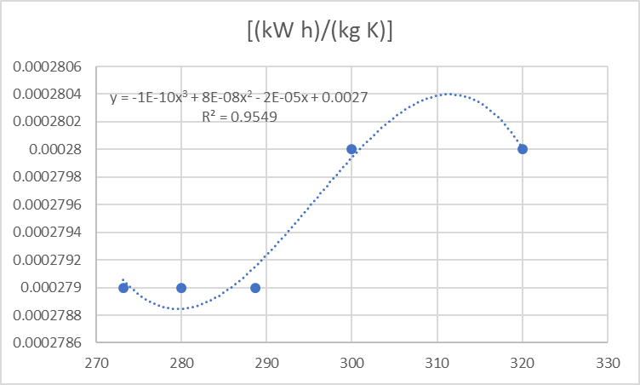
Upstairs |  | Downstairs |  | Cp [(kW h)/(kg K)] | 0.0002795
Room | Volume (m^3) | Room | Volume (m^3) | Density | 1.2367
Bathroom | 10.769 |  | 9.7453125
Umar | 12.604625 |  | 38.300390625
Hallway | 10.1556 |  | 39.92625
Haroon | 23.1556875 |  | 20.69484375
Mom | 48.925 |  | 12.928125
Attic | 31.89375 |  |  |  |  | [K] | [(kW h)/(kg K)]
Hallway
Front Room |  |  |  |  |  | 280 | 0.000279
Living Room |  |  |  |  |  | 288.7 | 0.000279
Kitchen |  |  |  |  |  | 300 | 0.00028
Toilet |  |  |  |  |  | 320 | 0.00028
 |  |  |  |  |  |  | 0.0002795

 |  |  |  |  |  | T | density
 |  |  |  |  |  | -10 | 1.341
 |  |  |  |  |  | -5 | 1.316
 |  |  |  |  |  | 0 | 1.292
 |  |  |  |  |  | 5 | 1.268
 |  |  |  |  |  | 10 | 1.246
 |  |  |  |  |  | 15 | 1.225
 |  |  |  |  |  | 20 | 1.204
 |  |  |  |  |  | 25 | 1.184
 |  |  |  |  |  | 30 | 1.164
 |  |  |  |  |  | 40 | 1.127
 |  |  |  |  |  | Average | 1.21375
 |  |  |  |  |  |  | 1.247
 |  |  |  |  |  |  | 1.2367

