Welcome
Welcome to my Monte Carlo Simulation model.




In this spreadsheet you will find 4 sheets. | Why did the spreadsheet break up with the calculator?
Assumptions sheet: Includes various assumptions made for the model. | Because it found someone with more functions.
Monte Carlo Sim sheet: Includes the actual simulation.
Histogram sheet: Includes various diagrams from the data.
Reflection sheet: Includes my technical and personal reflections for the project.


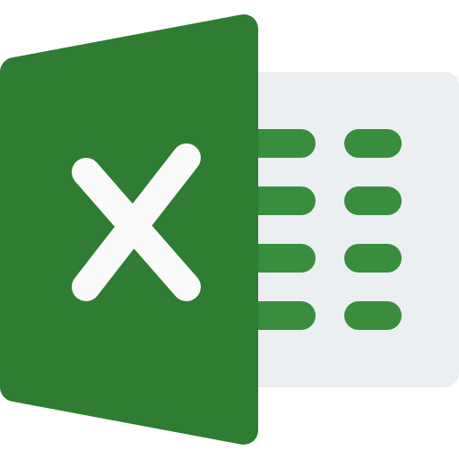

Aadit Singh

Reflection
Personal Reflection | Technical Reflection


This assignment has made me learn more about finances and how important it actually is to save and invest. I also learnt that kids are very expensive and I rather just own pets in future. This assignment was actually a bit fun, especially seeing the numbers of how much I may be earning in the future. Additionally, I took note of how small expenses do add up and visualizing it was very eye opening. I also reflected on my own financial habits and I am trying to be more money concious, why do I spend so much on one cup of coffee? I don't view this simulation as a tool to help me see future expenses and outcomes, I see it more as a mirror as to how my life could be. Although this simulation does not include a yacht, it does include the information to tell me how many cups of coffee I'd need to skip to afford one. I think the most important thing I learnt is how financial planning is not only about numbers, it's about being able to align my goals and values with money. Finance goes hand in hand with mindfulness, and humor to soften the blow of reality. | This assignment really helped me develop my skills in excel. From watching videos on excel shortcuts to playing around and figuring things out, my excel skills have being taken to a new level. I think this assignment also helped me with my problem solving skills, by breaking down some complex financial questions I had. I have being paying more attention to detail and trying to order and manage data more effectively. I feel more confident with my skills in excel and now feel like I can actually say that I know how to make use of excel.

