Table 1
SITUATION IN NUMBERS
total and new cases in last 24 hours
Globally
167 515 confirmed
(13 903 new)
6606 deaths (862 new)
China
81 077 confirmed (29 new)
3218 deaths (14 new)
Outside of China
86 438 confirmed (13 874 new)
3388 deaths (848 new)
150 countries/territories/
areas (4 new)
WHO RISK ASSESSMENT
HIGHLIGHTS
• Four new countries/territories/areas (African Region [2], European Region [1] and Region of the Americas [1]) in have reported cases of COVID-19 in the past 24 hours. • The total number of cases and deaths outside China has overtaken the total number of cases in China. From today, total cases from China will no longer be featured separately (former Table 1). • The WHO COVID-19 Incident Management Team is working closely with partners across all levels to provide support to countries, strengthen technical and operational networking and collaboration, and support operational coordination of the global response. For more information, please see the Subject in Focus below.
• Two new technical guidance documents were published today: Critical preparedness, readiness and response actions for COVID-19 and Risk Communication and Community Engagement (RCCE) Action Plan Guidance
China | Very High
Regional Level | Very High
Global Level | Very High
Erratum: Total number for ‘new countries/territories/areas’ have been corrected. Total cases for Serbia†† and Ghana have been corrected.
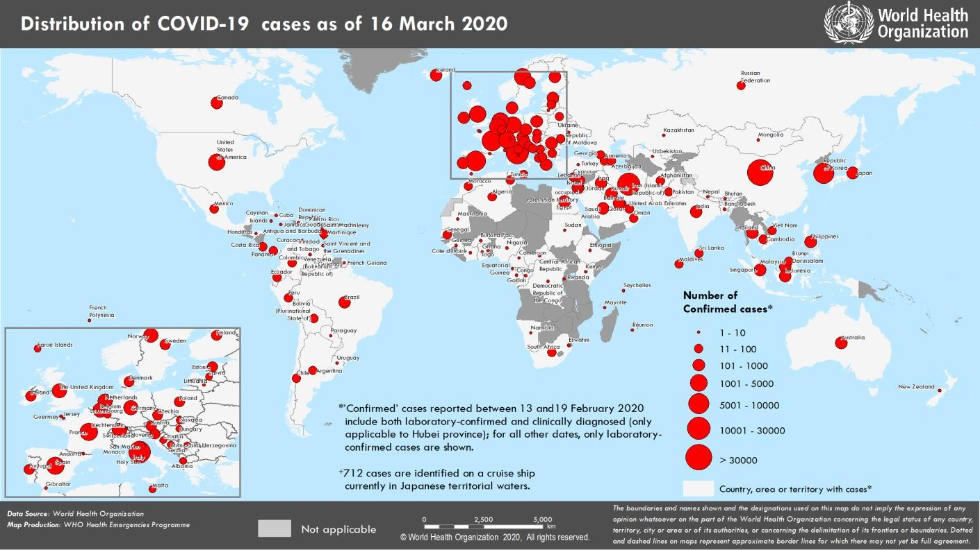
Figure 1. Countries, territories or areas with reported confirmed cases of COVID-19, 16 March 2020

Data as reported by national authorities by 10 AM CET 16 March 2020
Coronavirus disease 2019 (COVID-19)
Situation Report – 56
SUBJECT IN FOCUS: Partner Coordination
The WHO COVID-19 Incident Management Team is working closely with partners across all levels to provide support to countries, strengthen technical and operational networking and collaboration, and support operational coordination of the global response.
To strengthen day-to-day operations, key agencies are embedded in the global team, including UNICEF, the United Nations Office for Coordination of Humanitarian Affairs (OCHA), the International Organization for Migration (IOM), and the International Federation of Red Cross and Red Crescent Societies (IFRC). The major partner coordination mechanisms are the Emergency Medical Team (EMT) Initiative; the Global Health Cluster (GHC); and the Global Outbreak Alert and Response Network (GOARN), which includes technical agencies, major NGOs, including Médecins Sans Frontières (MSF) International, United States Centers for Disease Control and Prevention, the IFRC, and other international organizations.
The core elements of health operations include clinical care and management, laboratory capacity strengthening, surveillance, case and contact tracing, infection prevention and control, risk communications and community engagement. These core elements are supported by technical networks worldwide, which draw on and support capacities in GOARN, GHC, and EMTs. In the area of risk communications and community engagement, IFRC, UNICEF and WHO have established a dedicated tripartite group to scale up and implement activities globally.
In response to the call from WHO, GOARN partners have mobilized international technical assistance to support preparedness and response missions at country request, and to also support capacity in WHO regions and headquarters in Geneva. In addition, Public Health England, the Indo-Pacific Health Security Centre, the Australian government, and the Chinese Center for Disease Control and Prevention have sent staff to WHO to work on COVID- 19 response in Geneva, Switzerland, Manila, Philippines and New Delhi, India.
The GHC and country Health Clusters have placed heavy emphasis on the following: • Readiness planning • Support to in-country key pillar leads and agencies • Mapping partner capacity and geographical presence • Ensuring coordination and collaboration on technical guidance and support for preparedness and response for fragile and vulnerable populations.
The EMT initiative is working with the global and regional networks of emergency medical teams currently on the front lines of major national outbreaks and supporting international deployment of support where needed and requested.
A major focus of the response is on case detection and contact tracing. To support country activities, partners are working closely on the deployment and implementation of Go.Data, an outbreak investigation tool for field data collection during public health emergencies. Over 50 countries have requested support, and GOARN partners are implementing a strategy for wide-scale rollout including direct country support, technical briefings, webinar/online presentations, and comprehensive remote support.

Table 2
SURVEILLANCE
Table 1. Countries, territories or areas with reported laboratory-confirmed COVID-19 cases and deaths. Data as of 16 March 2020*
Reporting Country/ Territory/Area† | Total confirmed ‡ cases | Total confirmed new cases1 | Total deaths | Total new deaths1 | Transmission classification§ | Days since last reported case
Western Pacific Region
China | 81077 | 29 | 3218 | 14 | Local Transmission | 0
Republic of Korea | 8236 | 74 | 75 | 0 | Local transmission | 0
Japan | 814 | 34 | 24 | 2 | Local transmission | 0
Malaysia | 553 | 315 | 0 | 0 | Local transmission | 0
Australia | 298 | 0 | 5 | 0 | Local transmission | 1
Singapore | 243 | 31 | 0 | 0 | Local transmission | 0
Philippines | 140 | 0 | 12 | 0 | Local transmission | 1
Viet Nam | 57 | 4 | 0 | 0 | Local transmission | 0
Brunei Darussalam | 50 | 10 | 0 | 0 | Local transmission | 0
Cambodia | 12 | 0 | 0 | 0 | Local transmission | 1
New Zealand | 6 | 0 | 0 | 0 | Local transmission | 2
Mongolia | 1 | 0 | 0 | 0 | Imported cases only | 6
Territories**
French Polynesia | 3 | 0 | 0 | 0 | Imported cases only | 1
European Region
Italy | 24747 | 3590 | 1809 | 368 | Local transmission | 0
Spain | 7753 | 2000 | 288 | 152 | Local transmission | 0
France | 5380 | 911 | 127 | 36 | Local transmission | 0
Germany | 4838 | 1043 | 12 | 4 | Local transmission | 0
Switzerland | 2200 | 841 | 13 | 2 | Local transmission | 0
The United Kingdom | 1395 | 251 | 35 | 14 | Local transmission | 0
Netherlands | 1135 | 176 | 20 | 8 | Local transmission | 0
Belgium | 1085 | 396 | 5 | 5 | Local transmission | 0
Norway | 1077 | 170 | 1 | 0 | Local transmission | 0
Sweden | 992 | 68 | 3 | 3 | Local transmission | 0
Austria | 959 | 159 | 1 | 0 | Local transmission | 0
Denmark | 898 | 71 | 1 | 1 | Local transmission | 0
Greece | 331 | 103 | 4 | 2 | Local transmission | 0
Czechia | 298 | 84 | 0 | 0 | Local transmission | 0
Finland | 267 | 57 | 0 | 0 | Local transmission | 0
Portugal | 245 | 133 | 0 | 0 | Local transmission | 0
Slovenia | 219 | 78 | 0 | 0 | Local transmission | 0
Estonia | 205 | 126 | 0 | 0 | Local transmission | 0
Israel | 200 | 22 | 0 | 0 | Local transmission | 0
Ireland | 169 | 40 | 2 | 0 | Local transmission | 0
Romania | 158 | 35 | 0 | 0 | Local transmission | 0
Poland | 150 | 39 | 3 | 0 | Local transmission | 0
Iceland | 138 | 0 | 0 | 0 | Local transmission | 1
San Marino | 92 | 0 | 5 | 0 | Local transmission | 1
Russian Federation | 63 | 29 | 0 | 0 | Imported cases only | 0
Slovakia | 61 | 17 | 0 | 0 | Local transmission | 0
Bulgaria | 51 | 8 | 2 | 0 | Local transmission | 0
Croatia | 49 | 12 | 0 | 0 | Local transmission | 0
Albania | 42 | 4 | 1 | 0 | Local transmission | 0
Serbia†† | 46 | 0 | 0 | 0 | Local transmission | 1
Hungary | 39 | 7 | 1 | 1 | Local transmission | 0
Luxembourg | 38 | 0 | 1 | 0 | Local transmission | 2
Belarus | 36 | 15 | 0 | 0 | Local transmission | 0
Cyprus | 33 | 12 | 0 | 0 | Imported cases only | 0
Georgia | 33 | 3 | 0 | 0 | Imported cases only | 0
Latvia | 31 | 1 | 0 | 0 | Imported cases only | 0
Armenia | 26 | 18 | 0 | 0 | Local transmission | 0
Republic of Moldova | 23 | 11 | 0 | 0 | Imported cases only | 0
Malta | 21 | 9 | 0 | 0 | Imported cases only | 0
Azerbaijan | 19 | 0 | 0 | 0 | Imported cases only | 1
Bosnia and Herzegovina | 18 | 0 | 0 | 0 | Local transmission | 1
Lithuania | 14 | 5 | 0 | 0 | Imported cases only | 0
North Macedonia | 13 | 0 | 0 | 0 | Local transmission | 1
Monaco | 9 | 7 | 0 | 0 | Under investigation | 0
Liechtenstein | 7 | 3 | 0 | 0 | Imported cases only | 0
Kazakhstan | 6 | 0 | 0 | 0 | Imported cases only | 1
Turkey | 5 | 0 | 0 | 0 | Imported cases only | 2
Uzbekistan | 4 | 4 | 0 | 0 | Under investigation | 0
Ukraine | 3 | 0 | 1 | 0 | Local transmission | 2
Andorra | 2 | 0 | 0 | 0 | Imported cases only | 2
Holy See | 1 | 0 | 0 | 0 | Under investigation | 10
Territories**
Faroe Islands | 11 | 2 | 0 | 0 | Imported cases only | 0
Jersey | 2 | 0 | 0 | 0 | Imported cases only | 3
Gibraltar | 1 | 0 | 0 | 0 | Under investigation | 12
Guernsey | 1 | 0 | 0 | 0 | Imported cases only | 6
South-East Asia Region
Indonesia | 117 | 0 | 4 | 0 | Local transmission | 1
India | 114 | 7 | 2 | 0 | Local transmission | 0
Thailand | 114 | 39 | 1 | 0 | Local transmission | 0
Sri Lanka | 19 | 8 | 0 | 0 | Local transmission | 0
Maldives | 13 | 3 | 0 | 0 | Local transmission | 0
Bangladesh | 5 | 2 | 0 | 0 | Local transmission | 0
Bhutan | 1 | 0 | 0 | 0 | Imported cases only | 10
Nepal | 1 | 0 | 0 | 0 | Imported cases only | 52
Eastern Mediterranean Region
Iran (Islamic Republic of) | 14991 | 2262 | 853 | 245 | Local transmission | 0
Qatar | 401 | 64 | 0 | 0 | Local transmission | 0
Bahrain | 221 | 10 | 1 | 1 | Local transmission | 0
Egypt | 126 | 33 | 2 | 0 | Local transmission | 0
Iraq | 124 | 31 | 9 | 0 | Local transmission | 0
Kuwait | 112 | 0 | 0 | 0 | Local transmission | 1
Saudi Arabia | 103 | 0 | 0 | 0 | Local transmission | 1
Lebanon | 99 | 6 | 3 | 0 | Local transmission | 0
United Arab Emirates | 98 | 13 | 0 | 0 | Local transmission | 0
Pakistan | 52 | 24 | 0 | 0 | Imported cases only | 0
Morocco | 28 | 10 | 1 | 0 | Local transmission | 0
Oman | 22 | 2 | 0 | 0 | Imported cases only | 0
Tunisia | 18 | 2 | 0 | 0 | Local transmission | 0
Afghanistan | 16 | 6 | 0 | 0 | Imported cases only | 0
Jordan | 6 | 5 | 0 | 0 | Imported cases only | 0
Sudan | 1 | 0 | 1 | 1 | Imported cases only | 1
Territories**
occupied Palestinian territory | 38 | 0 | 0 | 0 | Local transmission | 2
Region of the Americas
United States of America | 1678 | 0 | 41 | 0 | Local transmission | 2
Canada | 304 | 60 | 1 | 0 | Local transmission | 0
Brazil | 200 | 79 | 0 | 0 | Local transmission | 0
Chile | 75 | 14 | 0 | 0 | Local transmission | 0
Peru | 71 | 28 | 0 | 0 | Local transmission | 0
Argentina | 56 | 11 | 2 | 0 | Local transmission | 0
Mexico | 53 | 12 | 0 | 0 | Imported cases only | 0
Panama | 43 | 16 | 1 | 0 | Local transmission | 0
Ecuador | 37 | 14 | 2 | 2 | Local transmission | 0
Colombia | 24 | 0 | 0 | 0 | Local transmission | 1
Costa Rica | 23 | 0 | 0 | 0 | Local transmission | 2
Bolivia (Plurinational State of) | 11 | 8 | 0 | 0 | Imported cases only | 0
Jamaica | 10 | 2 | 0 | 0 | Local transmission | 0
Paraguay | 8 | 2 | 0 | 0 | Local transmission | 0
Dominican Republic | 5 | 0 | 0 | 0 | Imported cases only | 6
Cuba | 4 | 0 | 0 | 0 | Imported cases only | 2
Guyana | 4 | 3 | 1 | 0 | Local transmission | 0
Uruguay | 4 | 4 | 0 | 0 | Imported cases only | 0
Honduras | 2 | 0 | 0 | 0 | Imported cases only | 4
Trinidad and Tobago | 2 | 1 | 0 | 0 | Imported cases only | 0
Venezuela (Bolivarian Republic of) | 2 | 0 | 0 | 0 | Imported cases only | 2
Antigua and Barbuda | 1 | 0 | 0 | 0 | Imported cases only | 2
Guatemala | 1 | 0 | 1 | 0 | Imported cases only | 1
Saint Lucia | 1 | 0 | 0 | 0 | Imported cases only | 1
Saint Vincent and the Grenadines | 1 | 0 | 0 | 0 | Imported cases only | 3
Suriname | 1 | 0 | 0 | 0 | Imported cases only | 1
Territories**
Martinique | 15 | 5 | 0 | 0 | Imported cases only | 0
French Guiana | 7 | 0 | 0 | 0 | Imported cases only | 2
Guadeloupe | 6 | 3 | 0 | 0 | Imported cases only | 0
Puerto Rico | 3 | 0 | 0 | 0 | Imported cases only | 2
Saint Barthelemy | 3 | 2 | 0 | 0 | Under investigation | 0
Curaçao | 2 | 0 | 0 | 0 | Imported cases only | 1
Saint Martin | 2 | 0 | 0 | 0 | Under investigation | 13
Cayman Islands | 1 | 0 | 1 | 1 | Imported cases only | 1
African Region
South Africa | 51 | 13 | 0 | 0 | Local transmission | 0
Algeria | 49 | 12 | 3 | 0 | Local transmission | 0
Senegal | 26 | 5 | 0 | 0 | Local transmission | 0
Ghana | 6 | 0 | 0 | 0 | Imported cases only | 1
Rwanda | 5 | 5 | 0 | 0 | Local transmission | 0
Burkina Faso | 3 | 0 | 0 | 0 | Imported cases only | 1
Cameroon | 3 | 0 | 0 | 0 | Local transmission | 1
Cote d’Ivoire | 3 | 0 | 0 | 0 | Imported cases only | 1
Democratic Republic of the Congo | 2 | 0 | 0 | 0 | Imported cases only | 2
Namibia | 2 | 0 | 0 | 0 | Imported cases only | 1
Nigeria | 2 | 0 | 0 | 0 | Imported cases only | 7
Seychelles | 2 | 2 | 0 | 0 | Imported cases only | 0
Central African Republic | 1 | 0 | 0 | 0 | Imported cases only | 1
Congo | 1 | 0 | 0 | 0 | Imported cases only | 1
Equatorial Guinea | 1 | 0 | 0 | 0 | Imported cases only | 1
Eswatini | 1 | 0 | 0 | 0 | Imported cases only | 1
Ethiopia | 1 | 0 | 0 | 0 | Imported cases only | 2
Gabon | 1 | 0 | 0 | 0 | Imported cases only | 2
Guinea | 1 | 0 | 0 | 0 | Imported cases only | 2
Kenya | 1 | 0 | 0 | 0 | Imported cases only | 2
Mauritania | 1 | 0 | 0 | 0 | Imported cases only | 1
Togo | 1 | 0 | 0 | 0 | Imported cases only | 9
Territories**
Réunion | 9 | 3 | 0 | 0 | Imported cases only | 0
Mayotte | 1 | 0 | 0 | 0 | Imported cases only | 1
Subtotal for all regions | 166803 | 13888 | 6599 | 862
International conveyance (Diamond Princess) | 712 | 15 | 7 | 0 | Local transmission | 0
Grand total | 167515 | 13903 | 6606 | 862
*Numbers include both domestic and repatriated cases †The designations employed and the presentation of the material in this publication do not imply the expression of any opinion whatsoever on the part of WHO concerning the legal status of any country, territory, city or area or of its authorities, or concerning the delimitation of its frontiers or boundaries. Dotted and dashed lines on maps represent approximate border lines for which there may not yet be full agreement. ‡Case classifications are based on WHO case definitions for COVID-19. §Transmission classification is based on WHO analysis of available official data and may be subject to reclassification as additional data become available. Countries/territories/areas experiencing multiple types of transmission are classified in the highest category for which there is evidence; they may be removed from a given category if interruption of transmission can be demonstrated. It should be noted that even within categories, different countries/territories/areas may have differing degrees of transmission as indicated by the differing numbers of cases and other factors. Not all locations within a given country/territory/area are equally affected. Terms: - Community transmission is evidenced by the inability to relate confirmed cases through chains of transmission for a large number of cases, or by increasing positive tests through sentinel samples (routine systematic testing of respiratory samples from established laboratories). - Local transmission indicates locations where the source of infection is within the reporting location. - Imported cases only indicates locations where all cases have been acquired outside the location of reporting. - Under investigation indicates locations where type of transmission has not been determined for any cases. - Interrupted transmission indicates locations where interruption of transmission has been demonstrated (details to be det
Due to a retrospective data consolidation exercise, some numbers may not reflect the exact difference between yesterday’s and today’s totals.
New countries/territories/areas are shown in red.
Erratum: The total number of cases for Serbia†† and Ghana have been corrected.
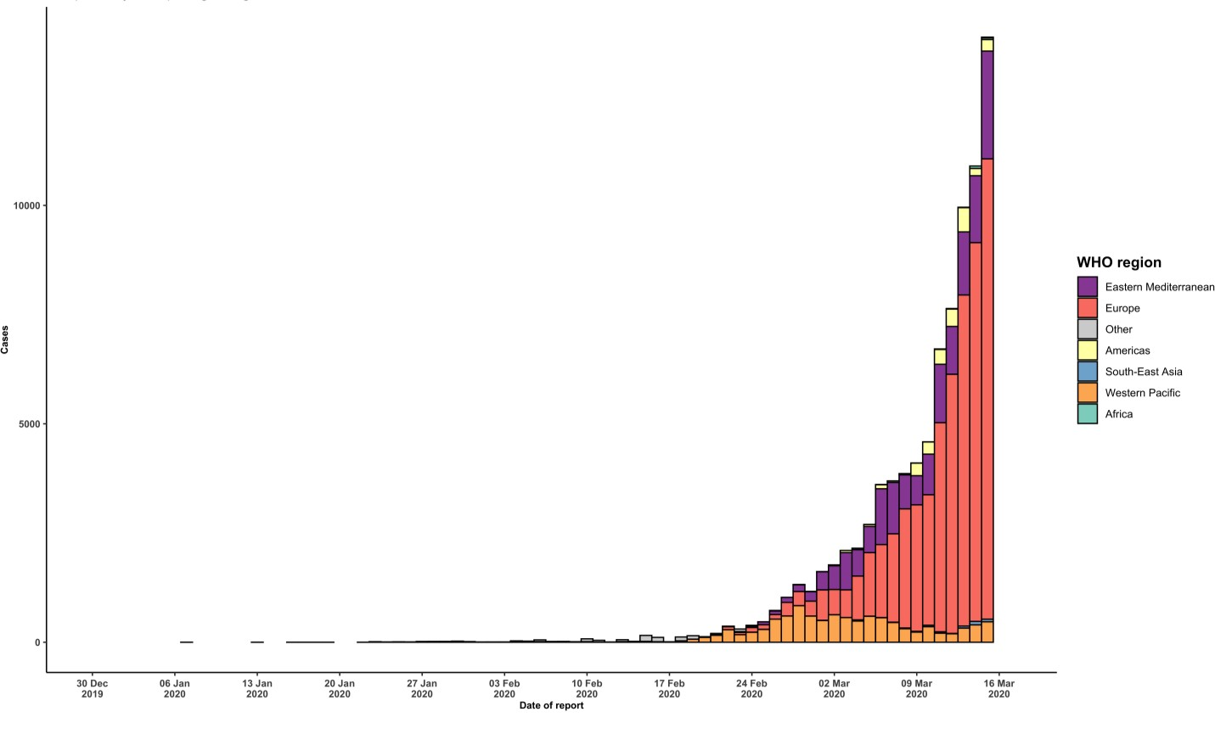
Figure 2. Epidemic curve of confirmed COVID-19 cases reported outside of China, by date of report and WHO region through 16 March 2020

STRATEGIC OBJECTIVES WHO’s strategic objectives for this response are to: • Interrupt human-to-human transmission including reducing secondary infections among close contacts and health care workers, preventing transmission amplification events, and preventing further international spread*; • Identify, isolate and care for patients early, including providing optimized care for infected patients; • Identify and reduce transmission from the animal source; • Address crucial unknowns regarding clinical severity, extent of transmission and infection, treatment options, and accelerate the development of diagnostics, therapeutics and vaccines; • Communicate critical risk and event information to all communities and counter misinformation; • Minimize social and economic impact through multisectoral partnerships. *This can be achieved through a combination of public health measures, such as rapid identification, diagnosis and management of the cases, identification and follow up of the contacts, infection prevention and control in health care settings, implementation of health measures for travelers, awareness-raising in the population and risk communication.
• To view all technical guidance documents regarding COVID-19, please go to this webpage. • WHO has developed interim guidance for laboratory diagnosis, advice on the use of masks during home care and in health care settings in the context of the novel coronavirus (2019-nCoV) outbreak, clinical management, infection prevention and control in health care settings, home care for patients with suspected novel coronavirus, risk communication and community engagement and Global Surveillance for human infection with novel coronavirus (2019-nCoV). • WHO is working closely with International Air Transport Association (IATA) and have jointly developed a guidance document to provide advice to cabin crew and airport workers, based on country queries. The guidance can be found on the IATA webpage. • WHO has been in regular and direct contact with Member States where cases have been reported. WHO is also informing other countries about the situation and providing support as requested. • WHO is working with its networks of researchers and other experts to coordinate global work on surveillance, epidemiology, mathematical modelling, diagnostics and virology, clinical care and treatment, infection prevention and control, and risk communication. WHO has issued interim guidance for countries, which are updated regularly. • WHO has prepared a disease commodity package that includes an essential list of biomedical equipment, medicines and supplies necessary to care for patients with 2019-nCoV. • WHO has provided recommendations to reduce risk of transmission from animals to humans. • WHO has published an updated advice for international traffic in relation to the outbreak of the novel coronavirus 2019-nCoV. • WHO has activated the R&D blueprint to accelerate diagnostics, vaccines, and therapeutics. • OpenWHO is an interactive, web-based, knowledge-transfer platform offering online courses to improve the response to health emergencies. CO

PREPAREDNESS AND RESPONSE
RECOMMENDATIONS AND ADVICE FOR THE PUBLIC
If you are not in an area where COVID-19 is spreading or have not travelled from an area where COVID-19 is spreading or have not been in contact with an infected patient, your risk of infection is low. It is understandable that you may feel anxious about the outbreak. Get the facts from reliable sources to help you accurately determine your risks so that you can take reasonable precautions (see Frequently Asked Questions). Seek guidance from WHO, your healthcare provider, your national public health authority or your employer for accurate information on COVID-19
and whether COVID-19 is circulating where you live. It is important to be informed of the situation and take appropriate measures to protect yourself and your family (see Protection measures for everyone).
If you are in an area where there are cases of COVID-19 you need to take the risk of infection seriously. Follow the advice of WHO and guidance issued by national and local health authorities. For most people, COVID-19 infection will cause mild illness however, it can make some people very ill and, in some people, it can be fatal. Older people, and those with pre-existing medical conditions (such as cardiovascular disease, chronic respiratory disease or diabetes) are at risk for severe disease (See Protection measures for persons who are in or have recently visited (past 14 days) areas where COVID-19 is spreading).
CASE DEFINITIONS
WHO periodically updates the Global Surveillance for human infection with coronavirus disease (COVID-19) document which includes case definitions.
For easy reference, case definitions are included below.
Suspect case A. A patient with acute respiratory illness (fever and at least one sign/symptom of respiratory disease (e.g., cough, shortness of breath), AND with no other etiology that fully explains the clinical presentation AND a history of travel to or residence in a country/area or territory reporting local transmission (See situation report) of COVID-19 disease during the 14 days prior to symptom onset.
OR B. A patient with any acute respiratory illness AND having been in contact with a confirmed or probable COVID- 19 case (see definition of contact) in the last 14 days prior to onset of symptoms;
OR C. A patient with severe acute respiratory infection (fever and at least one sign/symptom of respiratory disease (e.g., cough, shortness breath) AND requiring hospitalization AND with no other etiology that fully explains the clinical presentation.
Probable case A suspect case for whom testing for COVID-19 is inconclusive. • Inconclusive being the result of the test reported by the laboratory
Confirmed case A person with laboratory confirmation of COVID-19 infection, irrespective of clinical signs and symptoms. • Information regarding laboratory guidance can be found here.

