Page 1
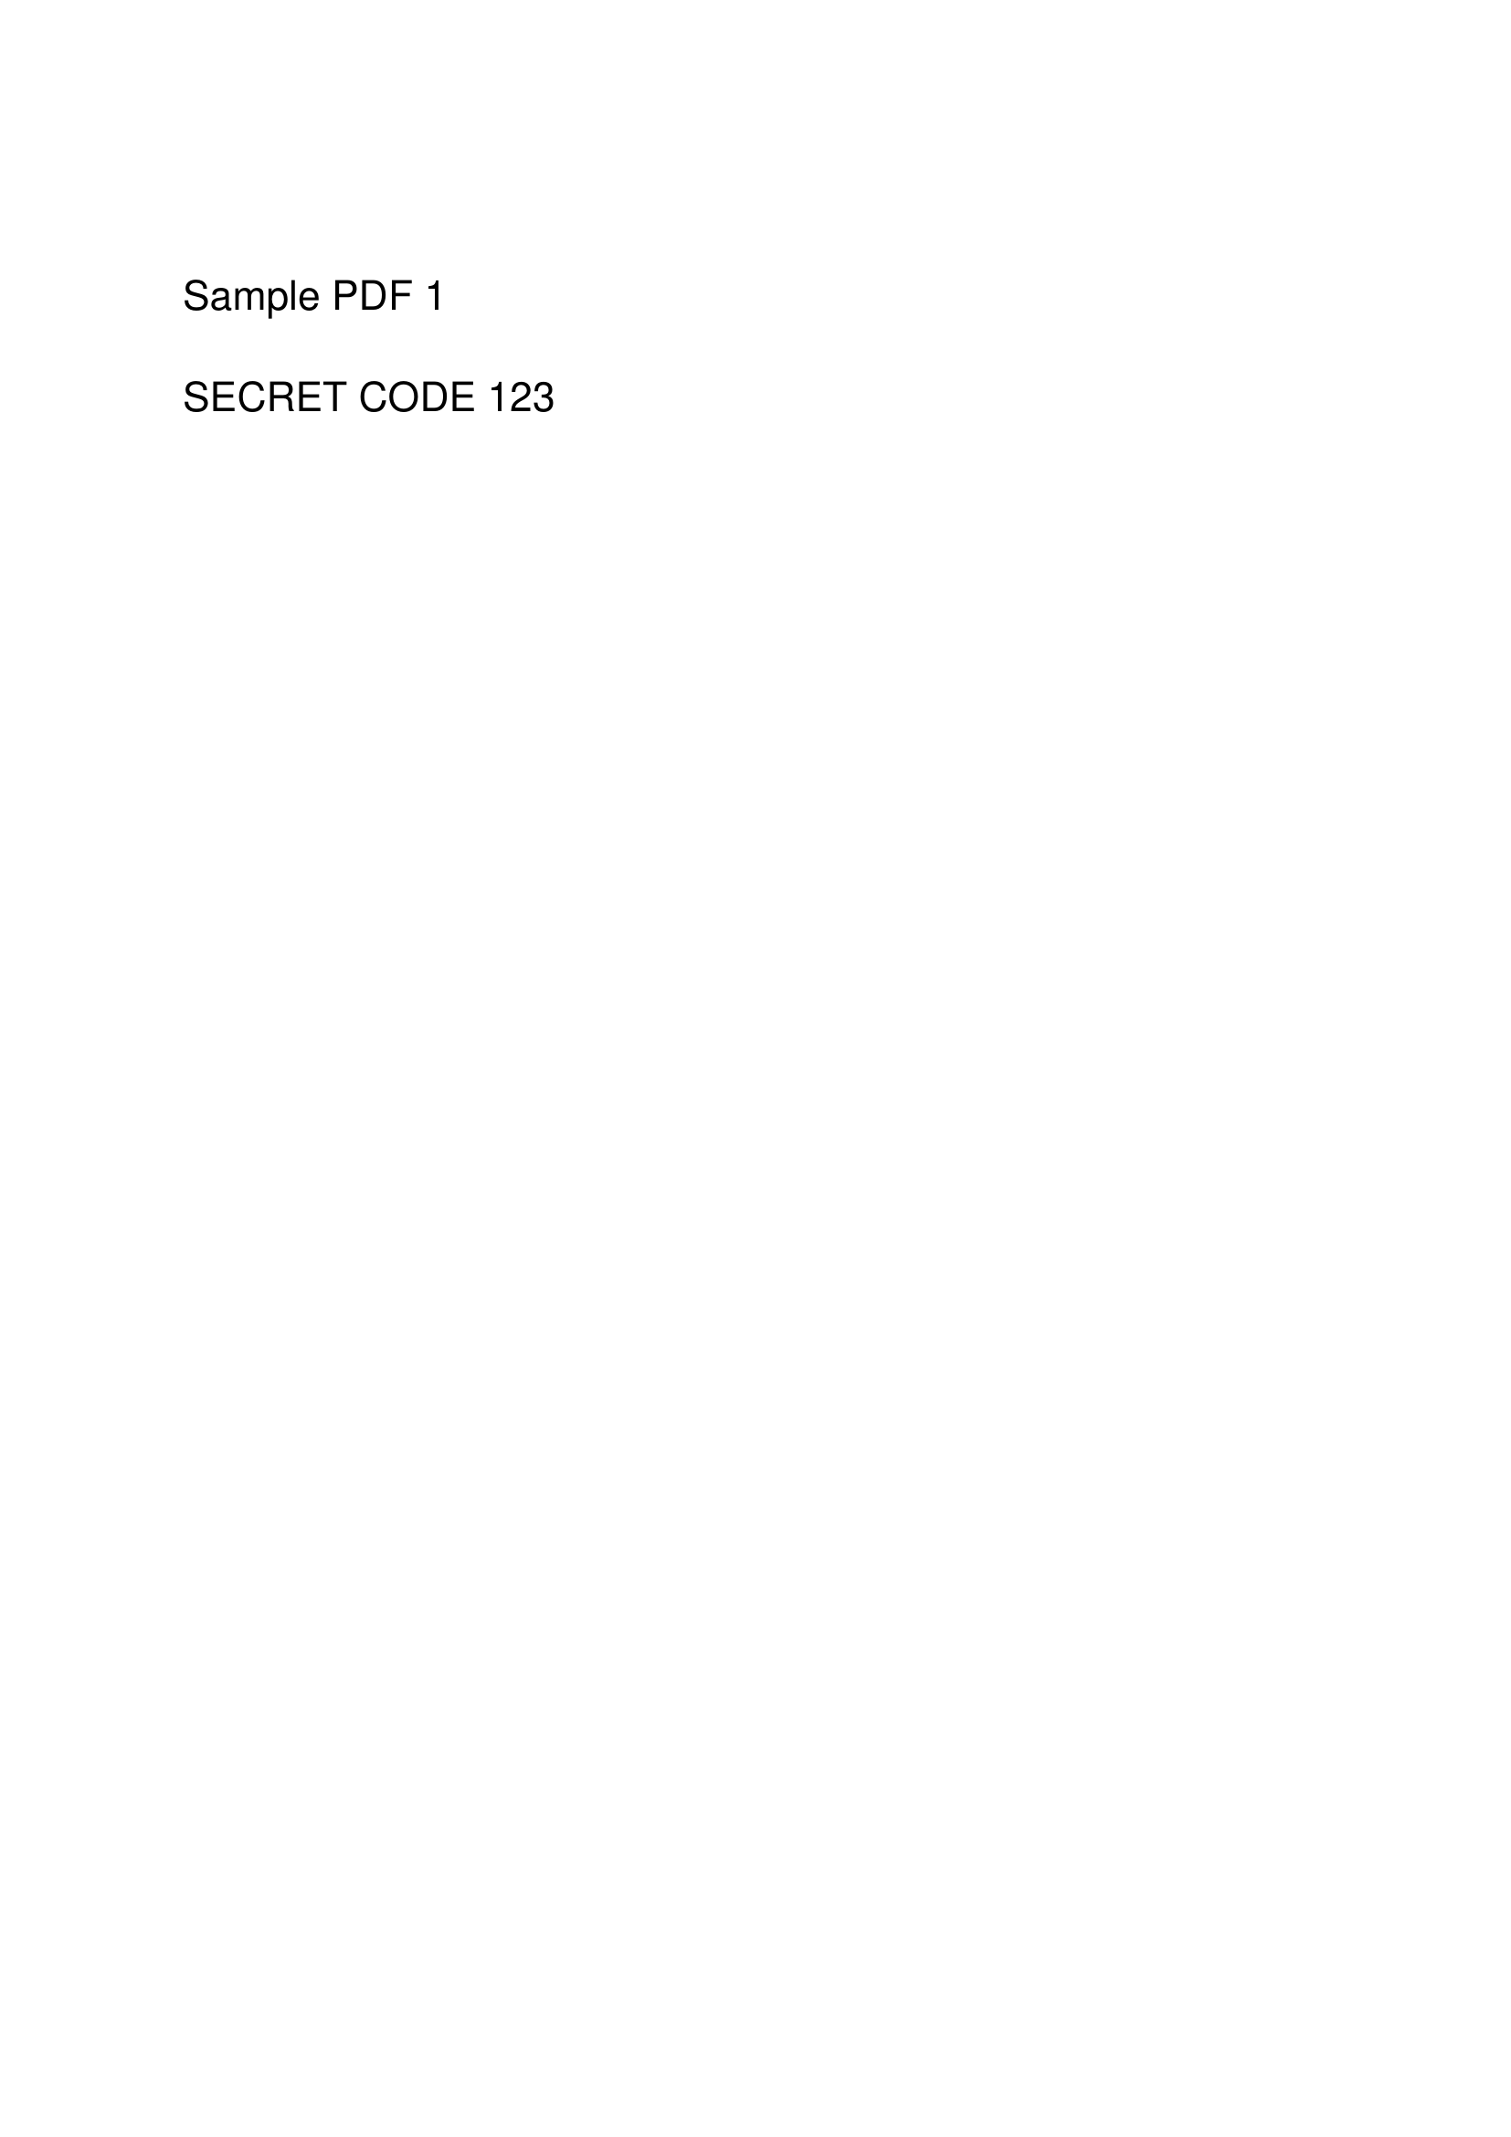
Layout-preserving page preview

Page 2

Layout-preserving page preview

