Sheet1
Name of food item | vegetable/ materials used | spices | Quantity of vegetable/material | quantity of spices | image | protein | fats
aloo ka parantha | boiled potatoes, flour | salt,pepper,cumin,red chilli | 4 potatoes(aprox.500g) | 10g | 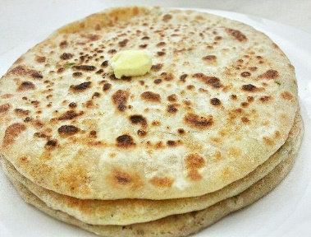 | 2g | 10g
rajma chaval | kidney beans,rice | salt,pepper,turmeric,red chilli | 300g | 12g | 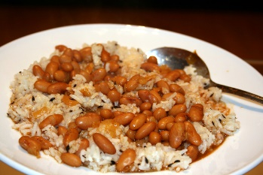 | 15g | 10g
chicken curry | chicken breast,tomatoes | salt, pepper, coriander ,red chilli, garam masala | 500g | 18g | 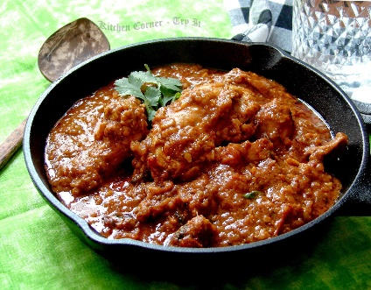 | 28g | 20g
sunny side up | two eggs | salt and peper | 2 | 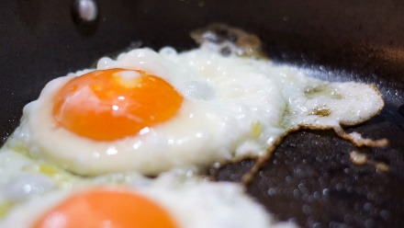 1g |  | 12g | 8g
pancakes | ragi.banana, eggs | honey | 150g | 30ml | 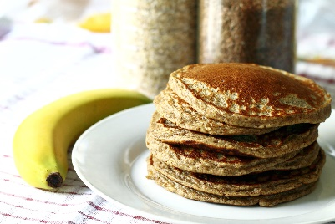 | 12g | 2g
chilli cheese toast | cheese, bread | chilli flakes | 30g | 8gm | 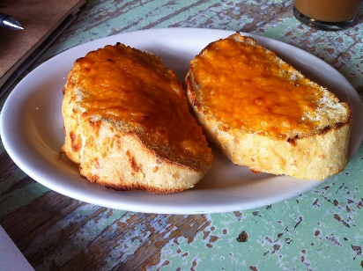 | 8g | 12g
Chocolate Shake | chocolate,milk | 0 | 50ml | na | 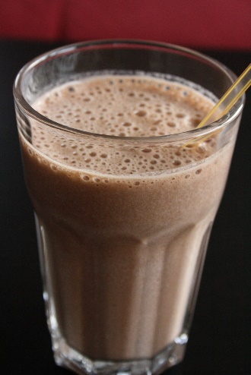 | 6g | 20g
paneer sandwich | bread, cottage cheese | salt ,pepper | 30g | 2g | 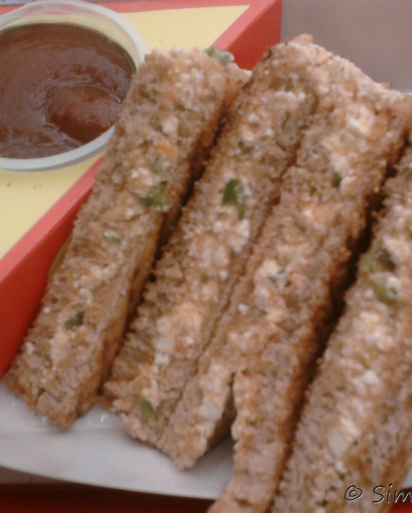 | 14g | 18g
vegetable pakora | vegetables,gram flour,oil | salt, pepper, coriander ,red chilli | 18g | 3g | 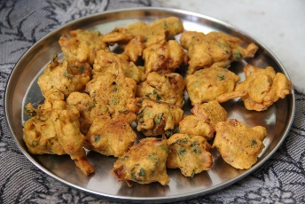 | 11g | 30g

