PROCESS
 |  | SEP '26 PROCESS FINDINGS & ACTION SUMMARY |  |  |  |  |  |  |  |  |  |  | Last updation Date : 05-09-2026
REQUESTOR |  |  |  |  |  |  |  |  |  |  | CLOSER |  |  |  |  | REQUESTOR
S. no | Issue No | Escalation Date | Product | Model | Process / Operation | Evidence/ Escalation Attachments | shift | Repeated /New | Issue/Observation | Resp | Root cause | Corrective Action (by Resp. Team) | Action Attachments | Standardization details | Target Date | Remarks | Status
1 | 01 | 2026-09-03 | FWM | U340 | Laser marking | 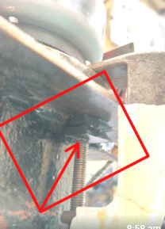 | I | Repeated | •Inspection gauge clamp NG due to this During inspection Timing angle inspection Accuracy NG... •After our inspection clamp restored but not properly tightened.. Used magnest of tightening Support | MAINT |  |  |  |  |  |  | Open

 |  |  |  |  |  |  |  |  |  |  |  |  | 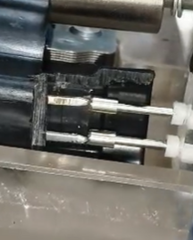

 |  |  |  |  |  |  |  |  |  |  |  |  | 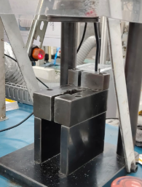

IHLR
 |  |  |  |  | SEP'26 IHLR- ANALYSIS REPORT |  |  |  |  |  |  |  |  |  | MONTH & YEAR :
REQUESTOR |  |  |  |  |  |  |  |  |  |  |  |  |  | CLOSER |  |  |  | REMARKS | REQUESTOR
Req NO | Date | Shift | Problem | Model | Problem Detected at | Received From | Analysis done By | Defect Image | Problem Cause Why-Why Analysis (QA Team) |  | Actual Qty | 4M | Resp | Occurrence Cause (Production Team) | Action | Evidence Attachement | Target date | REMARKS | Status
1 | 2026-09-01 | i | Low voltage | OLS LONG ARM | Final Testing | D3/LINE | GURU | 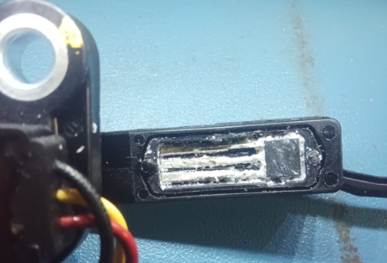 | W1: | Low voltage | 1 | MAN | PROD | W1: | Words |  |  | Word | OPEN
 |  |  |  |  |  |  |  |  | W2: | Sensor improper soldering |  |  |  | W2: |  | Format
 |  |  |  |  |  |  |  |  | W3: | Skipped visual inspection |  |  |  | W3: |  | PPT
 |  |  |  |  |  |  |  |  | W4 |  |  |  |  | W4 |  | JPEG
 |  |  |  |  |  |  |  |  | W5 |  |  |  |  | W5 |  | EXCEL & PDF

