Dashboard
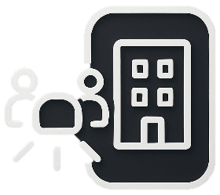
HR
Filter by Gender
Filter by department
Performance Rating
Sum Performance Rating
131
Dashboard
Analyze and monitor the HR department

Sum Rating
Employees Number
Leave Tracking
Leave taken by job title
Regions
50
 | Analyst | Designer | Developer | HR Specialist | Manager
 | 28 | 110 | 104 | 123 | 122
 | Total
Central | 14
East | 10
North | 7
South | 10
West | 9
Employees per region

Skills BreakDown
Total Employees

Males
Females
 | 48%
 | 52%
 | 52%
 | 48%
Communication
12
Design
48%
52%
11
Employments Status BreakDown
Excel
7
Contract | 17
Full-Time | 20
Part-Time | 13
Management
11
Part
time employees
Age Range
Python
9
Salaries
No. of employees according to age ranges and genders
Salary amount by job titles
 | Female | Male
18-25 | 6 | 3
26-35 | 7 | 6
36-45 | 5 | 7
46-55 | 4 | 3
56 < | 4 | 5
Females
Males
13
Work Location
3,104,913
Employees to workplace
Total Salaries
Branch Office
Managers
731,170
 | 46% | 54%
Employees
with
contracts
Full
time employees
46%
HR Specialists
959,266
 | 16% | 84%
Head Office
Developers
633,594
16%
Designers
613,842
Remote
17
20
 | 38% | 62%
Analysts
167,041
38%

