Q1
1. Key Factors Influencing Customer Retention or Loyalty

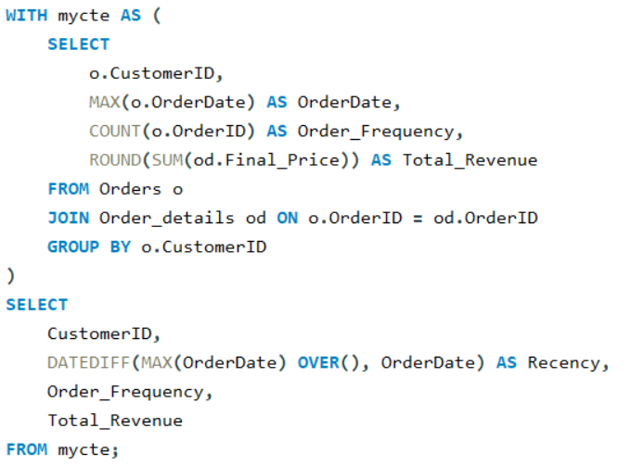
CustomerID | Recency | Order_Frequency | Total_Revenue |  | To determine the top loyal customers, we can analyze the dataset using the RFM (Recency, Frequency, and Monetary value) model. In RFM analysis:
QUICK | 22 | 86 | 110277
ERNSH | 1 | 102 | 104875 |  | Recency (R): How recently a customer has made a purchase. A lower number indicates more recent purchases and is typically better.
SAVEA | 5 | 116 | 104362
RATTC | 0 | 71 | 51098 |  | Frequency (F): How often a customer makes a purchase. A higher number indicates a more frequent customer, which is better.
HUNGO | 6 | 55 | 49980
HANAR | 9 | 32 | 32841 |  | Monetary Value (M): How much a customer spends. A higher number indicates a higher value customer, which is better.
KOENE | 20 | 39 | 30908
FOLKO | 9 | 45 | 29568
WHITC | 5 | 40 | 27364
QUEEN | 2 | 40 | 25718 |  | Conclusion
SUPRD | 15 | 39 | 24089
PICCO | 9 | 23 | 23129 |  | Based on the RFM analysis, the top 5 loyal customers are:
HILAA | 8 | 45 | 22769 |  | 1. ERNSH: Low recency (recent purchases), high frequency, high monetary value.
BONAP | 0 | 44 | 21963 |  | 2. SAVEA: Moderate recency, highest frequency, high monetary value.
BOTTM | 12 | 35 | 20802 |  | 3. QUICK: High monetary value and frequency, though recency is not as good.
RICSU | 0 | 30 | 19344 |  | 4. RATTC: Excellent recency, moderate frequency, and moderate monetary value.
LEHMS | 1 | 39 | 19261 |  | 5. HUNGO: Moderate recency and frequency, moderate monetary value.
GREAL | 6 | 22 | 18507
SIMOB | 0 | 15 | 16817 | Action: Implement a tiered loyalty program to reward and retain these high-value customers. Offer personalized promotions or exclusive services to strengthen relationships.
LINOD | 15 | 35 | 16477
LILAS | 1 | 34 | 16077
WARTH | 21 | 37 | 15649
OLDWO | 16 | 24 | 15177
EASTC | 8 | 21 | 14761
OTTIK | 22 | 29 | 12496
RICAR | 7 | 27 | 12451
CHOPS | 14 | 22 | 12349
GODOS | 15 | 26 | 11446
TORTU | 2 | 29 | 10812
WANDK | 13 | 26 | 9588
LAMAI | 9 | 31 | 9328
GOURL | 12 | 19 | 8414
REGGC | 6 | 22 | 7048
BSBEV | 22 | 22 | 6090
LONEP | 23 | 14 | 4259
PERIC | 1 | 14 | 4242
COMMI | 14 | 10 | 3811
DRACD | 2 | 10 | 3763
WOLZA | 13 | 16 | 3532
BLAUS | 7 | 14 | 3240
RANCH | 23 | 12 | 2844
SPECD | 14 | 6 | 2423
CACTU | 8 | 11 | 1815
FRANS | 6 | 10 | 1546
NORTS | 7 | 6 | 649

Q2
2. Customer preferences based on their location or demographics

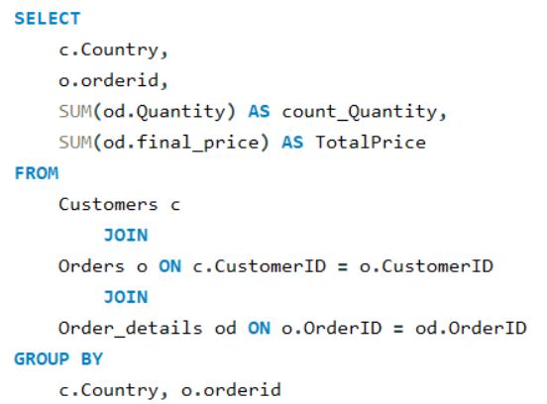
Customer Preferences by Country
Country | orderid | count_Quantity | TotalPrice
Germany | 10643 | 38 | 814.5
Germany | 10692 | 20 | 878
Germany | 10702 | 21 | 330
Germany | 10835 | 17 | 845.8
Germany | 10952 | 18 | 471.2
Germany | 11011 | 60 | 933.5
Mexico | 10308 | 6 | 88.8
Mexico | 10625 | 18 | 479.75
Mexico | 10759 | 10 | 320
Mexico | 10926 | 29 | 514.4
Mexico | 10365 | 24 | 403.2
Mexico | 10507 | 30 | 749.06
Mexico | 10535 | 80 | 1940.85
Mexico | 10573 | 83 | 2082
Mexico | 10677 | 38 | 813.36
Mexico | 10682 | 64 | 375.5
Mexico | 10856 | 40 | 660 | Country | Revenue | Total Quantity | Total Orders
UK | 10355 | 50 | 480 | USA | 245584.59 | 9330 | 122
UK | 10383 | 55 | 899 | Germany | 230284.61 | 9213 | 122
UK | 10453 | 40 | 407.7 | Austria | 128003.83 | 5167 | 40
UK | 10558 | 96 | 2142.9 | Brazil | 106925.78 | 4247 | 83
UK | 10707 | 89 | 1641 | France | 81358.31 | 3254 | 77
UK | 10741 | 15 | 228 | UK | 58971.31 | 2742 | 56 | Conclusion:
UK | 10743 | 28 | 319.2 | Venezuela | 56810.63 | 2936 | 46
UK | 10768 | 81 | 1477 | Sweden | 54495.14 | 2235 | 37 | Customer preferences vary based on location, as evidenced by the higher revenue, quantity, and number of orders from customers in the USA and Germany, making them the most significant markets.
UK | 10793 | 22 | 191.1 | Canada | 50196.28 | 1984 | 30
UK | 10864 | 19 | 282 | Ireland | 49979.91 | 1684 | 19
UK | 10920 | 24 | 390 | Belgium | 33824.85 | 1392 | 19
UK | 10953 | 100 | 4441.25 | Denmark | 32661.02 | 1170 | 18
UK | 11016 | 31 | 491.5 | Switzerland | 31692.64 | 1275 | 18 | Actionable Insights:
Sweden | 10278 | 64 | 1488.8 | Mexico | 23582.07 | 1025 | 28
Sweden | 10280 | 62 | 613.2 | Finland | 18810.05 | 885 | 22 | Analyze successful strategies in these markets and adapt them for other countries to boost sales.
Sweden | 10384 | 43 | 2222.4 | Spain | 17983.2 | 718 | 23
Sweden | 10444 | 63 | 1031.7 | Italy | 15770.15 | 822 | 28
Sweden | 10445 | 21 | 174.9 | Portugal | 11472.36 | 533 | 13
Sweden | 10524 | 87 | 3192.65 | Argentina | 8119.1 | 339 | 16
Sweden | 10572 | 87 | 1501.08 | Norway | 5735.15 | 161 | 6
Sweden | 10626 | 52 | 1503.6 | Poland | 3531.95 | 205 | 7
Sweden | 10654 | 38 | 601.83
Sweden | 10672 | 27 | 3815.25
Sweden | 10689 | 35 | 472.5
Sweden | 10733 | 61 | 1459
Sweden | 10778 | 10 | 96.5
Sweden | 10837 | 92 | 1064.5
Sweden | 10857 | 75 | 2048.22
Sweden | 10866 | 67 | 1096.2
Sweden | 10875 | 61 | 709.55
Sweden | 10924 | 56 | 1835.7
Germany | 10501 | 20 | 149
Germany | 10509 | 3 | 136.8
Germany | 10582 | 18 | 330
Germany | 10614 | 27 | 464
Germany | 10853 | 10 | 625
Germany | 10956 | 34 | 677
Germany | 11058 | 28 | 858
France | 10265 | 50 | 1176
France | 10297 | 80 | 1420
France | 10360 | 138 | 7390.2
France | 10436 | 99 | 1994.52
France | 10449 | 69 | 1838.2
France | 10559 | 30 | 520.41
France | 10566 | 63 | 1761
France | 10584 | 50 | 593.75
France | 10628 | 25 | 450
France | 10679 | 12 | 660
France | 10826 | 50 | 730
Spain | 10326 | 90 | 982
Spain | 10801 | 60 | 3026.85
Spain | 10970 | 40 | 224
France | 10331 | 15 | 88.5
France | 10340 | 72 | 2436.18
France | 10362 | 94 | 1549.6
France | 10470 | 53 | 1820.8
France | 10511 | 110 | 2550
France | 10525 | 45 | 818.4
France | 10663 | 80 | 1930.4
France | 10715 | 51 | 1296
France | 10730 | 28 | 484.25
France | 10732 | 20 | 360
France | 10755 | 99 | 1948.5
France | 10827 | 36 | 843
France | 10871 | 78 | 1979.23
France | 10876 | 41 | 917
France | 10932 | 80 | 1788.63
France | 10940 | 28 | 360
France | 11076 | 50 | 792.75
Canada | 10389 | 81 | 1832.8
Canada | 10410 | 65 | 802
Canada | 10411 | 74 | 966.8
Canada | 10431 | 130 | 1892.25
Canada | 10492 | 80 | 851.2
Canada | 10742 | 105 | 3118
Canada | 10918 | 85 | 1447.5
Canada | 10944 | 41 | 1025.33
Canada | 10949 | 108 | 4422
Canada | 10975 | 26 | 717.5
Canada | 10982 | 29 | 1014
Canada | 11027 | 51 | 877.72
Canada | 11045 | 39 | 1309.5
Canada | 11048 | 42 | 525
UK | 10289 | 39 | 479.4
UK | 10471 | 50 | 1328
UK | 10484 | 27 | 386.2
UK | 10538 | 8 | 139.8
UK | 10539 | 44 | 355.5
UK | 10578 | 26 | 477
UK | 10599 | 10 | 493
UK | 10943 | 51 | 711
UK | 10947 | 4 | 220
UK | 11023 | 34 | 1500
Argentina | 10521 | 19 | 225.5
Argentina | 10782 | 1 | 12.5
Argentina | 10819 | 27 | 477
Argentina | 10881 | 10 | 150
Argentina | 10937 | 28 | 644.8
Argentina | 11054 | 30 | 305
Mexico | 10259 | 11 | 100.8
Switzerland | 10254 | 57 | 556.62
Switzerland | 10370 | 65 | 1117.6
Switzerland | 10519 | 66 | 2314.2
Switzerland | 10731 | 70 | 1890.5
Switzerland | 10746 | 83 | 2311.7
Switzerland | 10966 | 32 | 1098.46
Switzerland | 11029 | 32 | 1286.8
Switzerland | 11041 | 60 | 1773
Brazil | 10290 | 60 | 2169
Brazil | 10466 | 15 | 216
Brazil | 10494 | 30 | 912
Brazil | 10969 | 9 | 108
Brazil | 11042 | 19 | 405.75
UK | 10435 | 32 | 631.6
UK | 10462 | 22 | 156
UK | 10848 | 33 | 931.5
Germany | 10363 | 44 | 447.2
Germany | 10391 | 18 | 86.4
Germany | 10797 | 20 | 420
Germany | 10825 | 32 | 1030.76
Germany | 11036 | 37 | 1692
Germany | 11067 | 9 | 86.85
France | 10311 | 13 | 268.8
France | 10609 | 19 | 424
France | 10683 | 9 | 63
France | 10890 | 39 | 860.1
UK | 10364 | 35 | 950
UK | 10400 | 86 | 3063
UK | 10532 | 39 | 796.35
UK | 10726 | 30 | 655
UK | 10987 | 86 | 2772
UK | 11024 | 113 | 1966.81
UK | 11047 | 55 | 817.88
UK | 11056 | 125 | 3740
Austria | 10258 | 121 | 1614.88
Austria | 10263 | 184 | 1873.8
Austria | 10351 | 120 | 5398.72
Austria | 10368 | 78 | 1689.78
Austria | 10382 | 165 | 2900
Austria | 10390 | 169 | 2090.88
Austria | 10402 | 125 | 2713.5
Austria | 10403 | 91 | 855.01
Austria | 10430 | 195 | 4899.2
Austria | 10442 | 170 | 1792
Austria | 10514 | 233 | 8623.45
Austria | 10571 | 39 | 550.59
Austria | 10595 | 215 | 4725
Austria | 10633 | 164 | 5510.59
Austria | 10667 | 59 | 1536.8
Austria | 10698 | 108 | 3436.45
Austria | 10764 | 150 | 2286
Austria | 10771 | 16 | 344
Austria | 10773 | 110 | 2030.4
Austria | 10776 | 175 | 6635.27
Austria | 10795 | 100 | 2158
Austria | 10836 | 172 | 4705.5
Austria | 10854 | 165 | 2966.5
Austria | 10895 | 346 | 6379.4
Austria | 10968 | 64 | 1408
Austria | 10979 | 207 | 4813.5
Austria | 10990 | 256 | 4288.85
Austria | 11008 | 181 | 4680.9
Austria | 11017 | 165 | 6750
Austria | 11072 | 200 | 5218
Brazil | 10347 | 70 | 814.42
Brazil | 10386 | 25 | 166
Brazil | 10414 | 68 | 224.83
Brazil | 10512 | 37 | 525.3
Brazil | 10581 | 50 | 310
Brazil | 10650 | 85 | 1779.2
Brazil | 10725 | 22 | 287.8
France | 10408 | 51 | 1622.4
France | 10480 | 42 | 756
France | 10634 | 102 | 4985.5
France | 10763 | 66 | 616
France | 10789 | 93 | 3687
Sweden | 10264 | 60 | 695.62
Sweden | 10327 | 140 | 1810
Sweden | 10378 | 6 | 103.2
Sweden | 10434 | 24 | 321.12
Sweden | 10460 | 25 | 176.1
Sweden | 10533 | 98 | 2222.2
Sweden | 10561 | 60 | 2844.5
Sweden | 10703 | 75 | 2545
Sweden | 10762 | 134 | 4337
Sweden | 10774 | 52 | 868.75
Sweden | 10824 | 21 | 250.8
Sweden | 10880 | 110 | 1500
Sweden | 10902 | 36 | 863.43
Sweden | 10955 | 12 | 74.4
Sweden | 10977 | 90 | 2233
Sweden | 10980 | 40 | 248
Sweden | 10993 | 85 | 4895.44
Sweden | 11001 | 116 | 2769
Sweden | 11050 | 50 | 810
Germany | 10267 | 135 | 3536.6
Germany | 10337 | 137 | 2467
Germany | 10342 | 160 | 1840.64
Germany | 10396 | 121 | 1903.8
Germany | 10488 | 50 | 1512
Germany | 10560 | 35 | 1072.43
Germany | 10623 | 94 | 1336.95
Germany | 10653 | 50 | 1083.15
Germany | 10670 | 192 | 2301.75
Germany | 10675 | 70 | 1423
Germany | 10717 | 72 | 1270.75
Germany | 10791 | 34 | 1829.76
Germany | 10859 | 105 | 1078.69
Germany | 10929 | 124 | 1174.75
Germany | 11012 | 146 | 2825.3
France | 10671 | 32 | 920.1
France | 10860 | 23 | 519
France | 10971 | 14 | 1733.06
Italy | 10422 | 2 | 49.8
Italy | 10710 | 10 | 93.5
Italy | 10753 | 9 | 88
Italy | 10807 | 1 | 18.4
Italy | 11026 | 18 | 1030
Italy | 11060 | 14 | 266
Portugal | 10328 | 59 | 1168
Portugal | 10352 | 30 | 136.3
Portugal | 10464 | 69 | 1609.28
Portugal | 10491 | 22 | 259.5
Portugal | 10551 | 100 | 1677.3
Portugal | 10604 | 16 | 230.85
Portugal | 10664 | 51 | 1288.39
Portugal | 10963 | 2 | 57.8
Spain | 10366 | 10 | 136
Spain | 10426 | 12 | 338.2
Spain | 10568 | 5 | 155
Spain | 10887 | 5 | 70
Spain | 10928 | 10 | 137.5
Spain | 10303 | 85 | 1117.8
Spain | 10550 | 34 | 683.3
Spain | 10629 | 29 | 2775.05
Spain | 10872 | 66 | 2058.46
Spain | 10874 | 10 | 310
Spain | 10888 | 38 | 605
Spain | 10911 | 37 | 858
Spain | 10948 | 53 | 2362.25
Spain | 11009 | 39 | 616.5
Spain | 11037 | 4 | 60
Brazil | 10423 | 34 | 1020
Brazil | 10652 | 22 | 318.84
Brazil | 10685 | 39 | 801.1
Brazil | 10709 | 78 | 3424
Brazil | 10734 | 65 | 1498.35
Brazil | 10777 | 20 | 224
Brazil | 10790 | 23 | 722.5
Brazil | 10959 | 20 | 131.75
Brazil | 11049 | 14 | 273.6
USA | 10528 | 20 | 392.2
USA | 10589 | 4 | 72
USA | 10616 | 59 | 4806.99
USA | 10617 | 30 | 1402.5
USA | 10656 | 37 | 604.21
USA | 10681 | 70 | 1287.4
USA | 10816 | 50 | 8446.45
USA | 10936 | 30 | 456
USA | 11006 | 10 | 329.69
USA | 11040 | 20 | 200
USA | 11061 | 15 | 510
Venezuela | 10268 | 14 | 1101.2
Venezuela | 10785 | 20 | 387.5
Brazil | 10250 | 60 | 1552.6
Brazil | 10253 | 102 | 1444.8
Brazil | 10541 | 84 | 1946.52
Brazil | 10645 | 35 | 1535
Brazil | 10690 | 50 | 862.5
Brazil | 10770 | 15 | 236.25
Brazil | 10783 | 15 | 1442.5
Brazil | 10886 | 145 | 3127.5
Brazil | 10903 | 81 | 932.05
Brazil | 10922 | 50 | 742.5
Brazil | 10925 | 37 | 475.15
Brazil | 10981 | 60 | 15810
Brazil | 11022 | 65 | 1402
Brazil | 11052 | 40 | 1332
Venezuela | 10257 | 46 | 1119.9
Venezuela | 10395 | 106 | 2122.92
Venezuela | 10476 | 14 | 180.48
Venezuela | 10486 | 46 | 1272
Venezuela | 10490 | 126 | 3163.2
Venezuela | 10498 | 49 | 575
Venezuela | 10552 | 48 | 880.5
Venezuela | 10601 | 95 | 2285
Venezuela | 10613 | 48 | 353.2
Venezuela | 10641 | 110 | 2054
Venezuela | 10705 | 24 | 378
Venezuela | 10796 | 90 | 2341.36
Venezuela | 10863 | 32 | 441.15
Venezuela | 10901 | 60 | 934.5
Venezuela | 10957 | 78 | 1762.7
Venezuela | 10960 | 34 | 265.35
Venezuela | 10976 | 20 | 912
Venezuela | 11055 | 70 | 1727.5
USA | 10375 | 25 | 338
USA | 10394 | 20 | 442
USA | 10415 | 22 | 102.4
USA | 10600 | 34 | 479.8
USA | 10660 | 21 | 1701
Ireland | 10298 | 125 | 2645
Ireland | 10309 | 75 | 1762
Ireland | 10335 | 86 | 2036.16
Ireland | 10373 | 130 | 1366.4
Ireland | 10380 | 74 | 1313.82
Ireland | 10429 | 75 | 1441.38
Ireland | 10503 | 90 | 2048.5
Ireland | 10516 | 125 | 2381.05
Ireland | 10567 | 103 | 2519
Ireland | 10646 | 98 | 1446
Ireland | 10661 | 52 | 562.6
Ireland | 10687 | 66 | 4960.9
Ireland | 10701 | 97 | 2864.5
Ireland | 10712 | 33 | 1233.48
Ireland | 10736 | 60 | 997
Ireland | 10897 | 116 | 10835.24
Ireland | 10912 | 100 | 6200.55
Ireland | 10985 | 79 | 2023.38
Ireland | 11063 | 100 | 1342.95
UK | 10315 | 44 | 516.8
UK | 10318 | 26 | 240.4
UK | 10321 | 10 | 144
UK | 10473 | 24 | 230.4
UK | 10621 | 50 | 758.5
UK | 10674 | 5 | 45
UK | 10749 | 31 | 1080
UK | 10798 | 12 | 446.6
UK | 10829 | 61 | 1764
UK | 10933 | 32 | 920.6
Germany | 10323 | 13 | 164.4
Germany | 10325 | 71 | 1497
Germany | 10456 | 61 | 557.6
Germany | 10457 | 36 | 1584
Germany | 10468 | 23 | 717.6
Germany | 10506 | 32 | 415.8
Germany | 10542 | 39 | 469.11
Germany | 10630 | 47 | 903.6
Germany | 10718 | 116 | 3463
Germany | 10799 | 65 | 1553.5
Germany | 10817 | 155 | 10952.84
Germany | 10849 | 67 | 967.82
Germany | 10893 | 119 | 5502.11
Germany | 11028 | 59 | 2160
France | 10858 | 19 | 649
France | 10927 | 30 | 800
France | 10972 | 13 | 251.5
France | 10973 | 21 | 291.55
France | 10350 | 33 | 642.06
France | 10358 | 40 | 429.4
France | 10371 | 6 | 72.96
France | 10413 | 78 | 2123.2
France | 10425 | 30 | 360
France | 10454 | 50 | 331.2
France | 10493 | 35 | 608.4
France | 10500 | 20 | 523.26
France | 10610 | 21 | 299.25
France | 10631 | 8 | 55.8
France | 10787 | 35 | 2622.76
France | 10832 | 32 | 475.11
France | 10923 | 44 | 748.8
France | 11051 | 10 | 36
Canada | 10495 | 35 | 278
Canada | 10620 | 10 | 57.5
Canada | 10810 | 17 | 187
USA | 10482 | 10 | 147
USA | 10545 | 10 | 210
Germany | 10279 | 15 | 351
Germany | 10284 | 61 | 1170.38
Germany | 10343 | 69 | 1584
Germany | 10497 | 64 | 1380.6
Germany | 10522 | 109 | 2318.24
Germany | 10534 | 30 | 465.7
Germany | 10536 | 100 | 1645
Germany | 10557 | 50 | 1152.5
Germany | 10592 | 30 | 516.46
Germany | 10593 | 45 | 1994.4
Germany | 10772 | 43 | 3603.22
Germany | 10862 | 33 | 581
Germany | 10891 | 15 | 368.93
Germany | 10934 | 20 | 500
Germany | 11070 | 110 | 1629.97
USA | 10579 | 31 | 317.75
USA | 10719 | 55 | 844.25
USA | 10735 | 22 | 536.4
USA | 10884 | 73 | 1378.07
Venezuela | 10283 | 76 | 1414.8
Venezuela | 10296 | 57 | 1050.6
Venezuela | 10330 | 75 | 1649
Venezuela | 10357 | 54 | 1167.68
Venezuela | 10381 | 14 | 112
Venezuela | 10461 | 128 | 1538.7
Venezuela | 10499 | 45 | 1412
Venezuela | 10543 | 100 | 1504.5
Venezuela | 10780 | 50 | 720
Venezuela | 10823 | 90 | 2826
Venezuela | 10899 | 8 | 122.4
Venezuela | 10997 | 90 | 1885
Venezuela | 11065 | 24 | 189.42
Venezuela | 11071 | 25 | 484.5
Venezuela | 10405 | 50 | 400
Venezuela | 10485 | 130 | 1584
Venezuela | 10638 | 101 | 2720.05
Venezuela | 10697 | 76 | 805.43
Venezuela | 10729 | 120 | 1850
Venezuela | 10811 | 63 | 852
Venezuela | 10838 | 79 | 1938.38
Venezuela | 10840 | 16 | 211.2
Venezuela | 10919 | 68 | 1122.8
Venezuela | 10954 | 107 | 1659.53
Venezuela | 11014 | 28 | 243.18
Venezuela | 11039 | 132 | 3090
USA | 10307 | 13 | 424
USA | 10317 | 20 | 288
USA | 10544 | 14 | 417.2
USA | 10662 | 10 | 125
USA | 10665 | 31 | 1295
USA | 10867 | 3 | 98.4
USA | 10883 | 8 | 36
USA | 11018 | 35 | 1575
Italy | 10275 | 18 | 291.84
Italy | 10300 | 50 | 608
Italy | 10404 | 100 | 1591.25
Italy | 10467 | 40 | 235.2
Italy | 10635 | 65 | 1326.22
Italy | 10754 | 3 | 55.2
Italy | 10784 | 62 | 1488
Italy | 10818 | 40 | 833
Italy | 10939 | 50 | 637.5
Italy | 10950 | 5 | 110
Belgium | 10529 | 44 | 946
Belgium | 10649 | 35 | 1434
Belgium | 10760 | 82 | 2917
Belgium | 10892 | 40 | 2090
Belgium | 10896 | 31 | 750.5
Belgium | 10978 | 76 | 1303.19
Belgium | 11004 | 12 | 295.38
Canada | 10332 | 66 | 1786.88
Canada | 10339 | 108 | 3354
Canada | 10376 | 42 | 399
Canada | 10424 | 139 | 9194.56
Canada | 10439 | 67 | 1078
Canada | 10505 | 3 | 147.9
Canada | 10565 | 43 | 639.9
Canada | 10570 | 75 | 2465.25
Canada | 10590 | 80 | 1101
Canada | 10605 | 135 | 4109.69
Canada | 10618 | 105 | 2697.5
Canada | 10619 | 82 | 1260
Canada | 10724 | 21 | 638.5
Germany | 10277 | 32 | 1200.8
Germany | 10575 | 58 | 2147.4
Germany | 10699 | 12 | 114
Germany | 10779 | 40 | 1335
Germany | 10945 | 30 | 245
UK | 10517 | 16 | 352
UK | 10752 | 11 | 252
UK | 11057 | 3 | 45
Argentina | 10409 | 24 | 319.2
Argentina | 10531 | 2 | 110
Argentina | 10898 | 5 | 30
Argentina | 10958 | 31 | 781
Argentina | 10986 | 70 | 2220
USA | 10305 | 80 | 3741.3
USA | 10338 | 35 | 934.5
USA | 10441 | 50 | 1755
USA | 10594 | 54 | 565.5
USA | 10680 | 110 | 1261.88
USA | 10706 | 52 | 1893
USA | 10808 | 70 | 1411
USA | 10855 | 103 | 2227.89
USA | 10965 | 16 | 848
USA | 11034 | 33 | 539.4
Germany | 10260 | 102 | 1504.65
Germany | 10407 | 60 | 1194
Germany | 10508 | 20 | 240
Germany | 10554 | 80 | 1728.52
Germany | 10580 | 54 | 1013.74
Germany | 10684 | 90 | 1768
Germany | 10766 | 115 | 2310
Germany | 10833 | 38 | 906.93
Germany | 10999 | 56 | 1197.95
Germany | 11020 | 24 | 632.4
Mexico | 10322 | 20 | 112
Mexico | 10354 | 16 | 568.8
Mexico | 10474 | 61 | 1249.1
Mexico | 10502 | 57 | 816.3
Mexico | 10995 | 24 | 1196
Mexico | 11073 | 30 | 300
Austria | 10353 | 62 | 8593.28
Austria | 10392 | 50 | 1440
Austria | 10427 | 35 | 651
Austria | 10489 | 33 | 439.2
Austria | 10530 | 135 | 4180
Austria | 10597 | 67 | 718.08
Austria | 10686 | 45 | 1404.45
Austria | 10747 | 82 | 1912.85
Austria | 10844 | 35 | 735
Austria | 11053 | 80 | 3055
Portugal | 10336 | 18 | 285.12
Portugal | 10397 | 28 | 716.72
Portugal | 10433 | 28 | 851.2
Portugal | 10477 | 56 | 558
Portugal | 11007 | 54 | 2633.9
Brazil | 10261 | 40 | 448
Brazil | 10291 | 46 | 497.52
Brazil | 10379 | 44 | 863.28
Brazil | 10421 | 59 | 1194.27
Brazil | 10587 | 46 | 807.38
Brazil | 10647 | 50 | 636
Brazil | 10720 | 29 | 550
Brazil | 10794 | 21 | 314.76
Brazil | 10989 | 59 | 1353.6
Brazil | 10372 | 164 | 9210.9
Brazil | 10406 | 89 | 1830.78
Brazil | 10487 | 59 | 889.7
Brazil | 10637 | 95 | 2761.94
Brazil | 10659 | 84 | 1227.02
Brazil | 10704 | 65 | 595.5
Brazil | 10728 | 48 | 1296.75
Brazil | 10786 | 87 | 1531.08
Brazil | 10868 | 92 | 1920.6
Brazil | 10913 | 85 | 768.75
Brazil | 10914 | 25 | 537.5
Brazil | 10961 | 66 | 1119.9
Brazil | 11068 | 72 | 2027.08
Germany | 10273 | 152 | 2037.28
Germany | 10285 | 121 | 1743.36
Germany | 10286 | 140 | 3016
Germany | 10313 | 12 | 182.4
Germany | 10345 | 159 | 2924.8
Germany | 10361 | 109 | 2046.24
Germany | 10418 | 146 | 1814.8
Germany | 10451 | 238 | 3849.66
Germany | 10515 | 286 | 9921.3
Germany | 10527 | 80 | 1503
Germany | 10540 | 165 | 10191.7
Germany | 10549 | 203 | 3554.27
Germany | 10588 | 140 | 3120
Germany | 10658 | 255 | 4464.6
Germany | 10691 | 182 | 10164.8
Germany | 10694 | 165 | 4825
Germany | 10721 | 50 | 923.87
Germany | 10745 | 92 | 4529.8
Germany | 10765 | 80 | 1515.6
Germany | 10788 | 90 | 731.5
Germany | 10845 | 245 | 3812.7
Germany | 10865 | 140 | 16387.5
Germany | 10878 | 20 | 1539
Germany | 10938 | 128 | 2731.88
Germany | 10962 | 195 | 3584
Germany | 10991 | 160 | 2296
Germany | 10996 | 40 | 560
Germany | 11021 | 168 | 6306.24
Argentina | 10448 | 26 | 443.4
Argentina | 10716 | 22 | 706
Argentina | 10828 | 7 | 932
Argentina | 10916 | 32 | 686.7
Argentina | 11019 | 5 | 76
USA | 10262 | 29 | 584
USA | 10272 | 70 | 1456
USA | 10294 | 75 | 1887.6
USA | 10314 | 95 | 2094.3
USA | 10316 | 80 | 2835
USA | 10346 | 56 | 1618.88
USA | 10401 | 168 | 3868.6
USA | 10479 | 148 | 10495.6
USA | 10564 | 47 | 1234.05
USA | 10569 | 65 | 890
USA | 10598 | 59 | 2388.5
USA | 10761 | 53 | 507
USA | 10820 | 30 | 1140
USA | 10852 | 71 | 2984
USA | 10889 | 80 | 11380
USA | 10988 | 100 | 3574.8
USA | 11000 | 85 | 903.75
USA | 11077 | 72 | 1255.72
Italy | 10288 | 13 | 80.1
Italy | 10428 | 20 | 192
Italy | 10443 | 18 | 517.44
Italy | 10562 | 30 | 488.7
Italy | 10586 | 4 | 23.8
Italy | 10655 | 20 | 154.4
Italy | 10727 | 40 | 1624.5
Italy | 10812 | 76 | 1692.8
Italy | 10908 | 34 | 663.1
Italy | 10942 | 28 | 560
Italy | 11010 | 30 | 645
Italy | 11062 | 22 | 406.4
Brazil | 10287 | 75 | 819
Brazil | 10299 | 35 | 349.5
Brazil | 10447 | 77 | 914.4
Brazil | 10481 | 64 | 1472
Brazil | 10563 | 95 | 965
Brazil | 10622 | 38 | 560
Brazil | 10648 | 30 | 372.37
Brazil | 10813 | 47 | 602.4
Brazil | 10851 | 67 | 2603
Brazil | 10877 | 55 | 1955.13
Brazil | 11059 | 77 | 1838
Switzerland | 10255 | 110 | 2490.5
Switzerland | 10419 | 80 | 2097.6
Switzerland | 10537 | 86 | 1823.8
Switzerland | 10666 | 46 | 4666.94
Switzerland | 10751 | 77 | 1631.48
Switzerland | 10758 | 120 | 1644.6
Switzerland | 10931 | 72 | 799.2
Switzerland | 10951 | 71 | 458.74
Switzerland | 11033 | 106 | 3232.8
Switzerland | 11075 | 42 | 498.1
Spain | 10281 | 11 | 86.5
Spain | 10282 | 8 | 155.4
Spain | 10306 | 25 | 498.5
Spain | 10917 | 11 | 365.89
Spain | 11013 | 36 | 361
Norway | 10387 | 48 | 1058.4
Norway | 10520 | 13 | 200
Norway | 10639 | 8 | 500
Norway | 10831 | 27 | 2684.4
Norway | 10909 | 32 | 670
Norway | 11015 | 33 | 622.35
USA | 10324 | 241 | 5275.71
USA | 10393 | 176 | 2556.95
USA | 10398 | 150 | 2505.6
USA | 10440 | 208 | 4924.13
USA | 10452 | 115 | 2018.5
USA | 10510 | 72 | 4707.54
USA | 10555 | 143 | 2944.4
USA | 10603 | 73 | 1483
USA | 10607 | 213 | 6475.4
USA | 10612 | 263 | 6375
USA | 10627 | 50 | 1185.75
USA | 10657 | 204 | 4371.6
USA | 10678 | 280 | 5256.5
USA | 10700 | 117 | 1638.4
USA | 10711 | 174 | 4451.7
USA | 10713 | 182 | 2827.9
USA | 10714 | 137 | 2205.75
USA | 10722 | 140 | 1570
USA | 10748 | 112 | 2196
USA | 10757 | 91 | 3082
USA | 10815 | 16 | 40
USA | 10847 | 288 | 4931.92
USA | 10882 | 77 | 892.64
USA | 10894 | 198 | 2753.1
USA | 10941 | 204 | 4011.75
USA | 10983 | 99 | 720.9
USA | 10984 | 115 | 1809.75
USA | 11002 | 135 | 1811.1
USA | 11030 | 330 | 12615.05
USA | 11031 | 182 | 2393.5
USA | 11064 | 173 | 4330.4
UK | 10359 | 206 | 3471.68
UK | 10377 | 40 | 863.6
UK | 10388 | 75 | 1228.8
UK | 10472 | 98 | 1036.8
UK | 10523 | 64 | 2444.31
UK | 10547 | 84 | 1792.8
UK | 10800 | 67 | 1468.93
UK | 10804 | 64 | 2278.4
UK | 10869 | 120 | 1630
Denmark | 10341 | 17 | 352.6
Denmark | 10417 | 123 | 11188.4
Denmark | 10556 | 24 | 835.2
Denmark | 10642 | 50 | 696
Denmark | 10669 | 30 | 570
Denmark | 10802 | 120 | 2942.82
Denmark | 11074 | 14 | 232.08
France | 10738 | 3 | 52.35
France | 10907 | 14 | 108.5
France | 10964 | 21 | 2052.5
France | 11043 | 10 | 210
USA | 10271 | 24 | 48
USA | 10329 | 50 | 4578.43
USA | 10349 | 24 | 141.6
USA | 10369 | 38 | 2390.4
USA | 10385 | 38 | 691.2
USA | 10432 | 50 | 485
USA | 10756 | 67 | 1990
USA | 10821 | 26 | 678
USA | 10974 | 10 | 439
Belgium | 10252 | 105 | 3597.9
Belgium | 10302 | 80 | 2708.8
Belgium | 10458 | 145 | 3891
Belgium | 10463 | 71 | 713.3
Belgium | 10475 | 137 | 1505.18
Belgium | 10767 | 2 | 28
Belgium | 10841 | 111 | 4581
Belgium | 10846 | 71 | 1112
Belgium | 10885 | 87 | 1209
Belgium | 10930 | 116 | 2255.5
Belgium | 11035 | 110 | 1754.5
Belgium | 11038 | 37 | 732.6
USA | 10310 | 15 | 336
USA | 10708 | 9 | 180.4
USA | 10805 | 20 | 2775
USA | 10992 | 2 | 69.6
USA | 10624 | 26 | 1393.24
USA | 10775 | 9 | 228
USA | 11003 | 24 | 326
Germany | 10249 | 49 | 1863.4
Germany | 10438 | 50 | 454
Germany | 10446 | 50 | 246.24
Germany | 10548 | 24 | 240.1
Germany | 10608 | 28 | 1064
Germany | 10967 | 52 | 910.4
Mexico | 10276 | 25 | 420
Mexico | 10293 | 33 | 848.7
Mexico | 10304 | 42 | 954.4
Mexico | 10319 | 52 | 1191.2
Mexico | 10518 | 29 | 4150.05
Mexico | 10576 | 51 | 838.45
Mexico | 10676 | 30 | 534.85
Mexico | 10842 | 52 | 975
Mexico | 10915 | 50 | 539.5
Mexico | 11069 | 20 | 360
Brazil | 10292 | 20 | 1296
Brazil | 10496 | 20 | 190
Brazil | 10606 | 50 | 1130.4
Brazil | 10830 | 88 | 1974
Brazil | 10834 | 28 | 1432.71
Brazil | 10839 | 45 | 827.55
USA | 10574 | 32 | 764.3
USA | 10577 | 48 | 569
USA | 10822 | 9 | 237.9
Denmark | 10367 | 76 | 834.2
Denmark | 10399 | 139 | 1765.6
Denmark | 10465 | 118 | 2518
Denmark | 10591 | 74 | 812.5
Denmark | 10602 | 5 | 48.75
Denmark | 10688 | 92 | 3160.6
Denmark | 10744 | 50 | 736
Denmark | 10769 | 80 | 1684.27
Denmark | 10921 | 50 | 1936
Denmark | 10946 | 90 | 1407.5
Denmark | 10994 | 18 | 940.5
France | 10251 | 41 | 654.06
France | 10334 | 18 | 144.8
France | 10450 | 26 | 425.12
France | 10459 | 76 | 1659.2
France | 10478 | 20 | 471.2
France | 10546 | 80 | 2812
France | 10806 | 37 | 439.6
France | 10814 | 78 | 1788.45
France | 10843 | 4 | 159
France | 10850 | 54 | 629
France | 10248 | 27 | 440
France | 10274 | 27 | 538.6
France | 10295 | 4 | 121.6
France | 10737 | 16 | 139.8
France | 10739 | 24 | 240
Germany | 10301 | 30 | 755
Germany | 10312 | 58 | 1614.8
Germany | 10348 | 40 | 363.6
Germany | 10356 | 62 | 1106.4
Germany | 10513 | 105 | 1942
Germany | 10632 | 50 | 589
Germany | 10640 | 35 | 708.75
Germany | 10651 | 32 | 397.8
Germany | 10668 | 27 | 625.27
Germany | 11046 | 53 | 1485.8
Finland | 10266 | 12 | 346.56
Finland | 10270 | 55 | 1376
Finland | 10320 | 30 | 516
Finland | 10333 | 60 | 877.2
Finland | 10412 | 20 | 334.8
Finland | 10416 | 50 | 720
Finland | 10437 | 15 | 393
Finland | 10455 | 125 | 2684
Finland | 10526 | 48 | 1151.4
Finland | 10553 | 89 | 1546.3
Finland | 10583 | 44 | 2237.5
Finland | 10636 | 31 | 629.5
Finland | 10750 | 70 | 1590.56
Finland | 10781 | 58 | 975.88
Finland | 11025 | 30 | 270
Brazil | 10256 | 27 | 517.8
Brazil | 10420 | 50 | 1707.84
Brazil | 10585 | 15 | 142.5
Brazil | 10644 | 45 | 1371.8
Brazil | 10803 | 54 | 1193.01
Brazil | 10809 | 20 | 140
Brazil | 10900 | 3 | 33.75
Brazil | 10905 | 20 | 342
Brazil | 10935 | 33 | 619.5
USA | 10269 | 80 | 642.2
USA | 10344 | 105 | 2296
USA | 10469 | 77 | 956.67
USA | 10483 | 65 | 668.8
USA | 10504 | 59 | 1388.5
USA | 10596 | 59 | 1180.88
USA | 10693 | 111 | 2071.2
USA | 10696 | 38 | 996
USA | 10723 | 15 | 468.45
USA | 10740 | 94 | 1416
USA | 10861 | 140 | 3523.4
USA | 10904 | 50 | 1924.25
USA | 11032 | 90 | 8902.5
USA | 11066 | 80 | 928.75
Finland | 10615 | 5 | 120
Finland | 10673 | 15 | 412.35
Finland | 10695 | 34 | 642
Finland | 10873 | 23 | 336.8
Finland | 10879 | 32 | 611.3
Finland | 10910 | 27 | 452.9
Finland | 11005 | 12 | 586
Poland | 10374 | 45 | 459
Poland | 10611 | 31 | 808
Poland | 10792 | 28 | 399.85
Poland | 10870 | 5 | 160
Poland | 10906 | 15 | 427.5
Poland | 10998 | 69 | 686
Poland | 11044 | 12 | 591.6

Q3
3. Are there any interesting patterns or clusters in customer behavior that can be visualized to identify potential market segments?
 | 3. Patterns or clusters in customer behavior

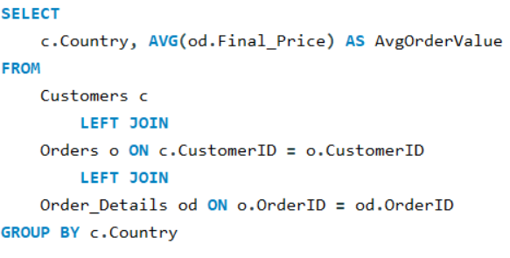
 | Country | AvgOrderValue | Conclusion
 | Austria | 1024
 | Ireland | 909 | The average order value of customers from Austria is the highest, followed by Ireland.
 | Denmark | 710
 | Germany | 702
 | USA | 698
 | Canada | 669
 | Switzerland | 609
 | Belgium | 604
 | Sweden | 562
Avg Order Value as per Customer Country
 | Brazil | 527
 | Venezuela | 481
 | France | 442
 | UK | 437
 | Portugal | 382
 | Norway | 358
 | Finland | 348
 | Spain | 333
 | Mexico | 328
 | Italy | 298
 | Argentina | 239
 | Poland | 221

Q4
4. Product categories or SKUs that contribute significantly to order revenue

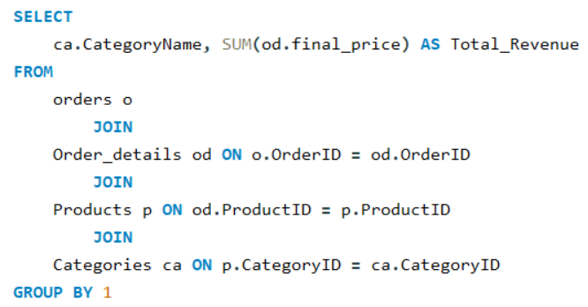
Revenue Distribution by Category
Category | Revenue
Beverages | 267868.16
Dairy Products | 234507.26
Confections | 167357.18
Meat/Poultry | 163022.37
Seafood | 131261.73
Condiments | 106047.07
Produce | 99984.57
Grains/Cereals | 95744.59

Category | Revenue%
Beverages | 21.16%
Dairy Products | 18.53%
Confections | 13.22%
Meat/Poultry | 12.88% | Conclusion:
Seafood | 10.37%
Condiments | 8.38% | Beverages and Dairy Products lead revenue contributions, totaling almost 40% combined. This highlights their substantial impact on overall sales, with Beverages at 21.16% and Dairy Products at 18.53%. Other categories also play roles in revenue distribution, showcasing a diversified sales profile.
Produce | 7.90%
Grains/Cereals | 7.56%

Actionable:

For high-revenue products: Ensure consistent supply, Consider bulk discounts to encourage larger orders, and explore cross-selling opportunities.
For low-revenue products: Investigate pricing, marketing effectiveness, and product positioning. Consider product improvements, repackaging, or discontinuation if performance doesn't improve.

Q5.
5. Average of Order Quantity as per Customer Demographics

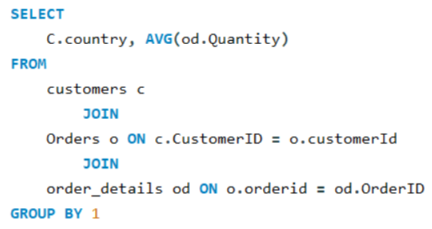
Country | Avg Order Quantity | Conclusion
Austria | 41
Ireland | 31 | The average order quantity of customers from Austria is the highest, followed by Ireland.
Germany | 28
USA | 27
Canada | 26
Denmark | 25
Venezuela | 25
Belgium | 25
Switzerland | 25
Avg Order Quantity as per Customer Demographics
Sweden | 23
Brazil | 21
UK | 20
Portugal | 18
France | 18
Finland | 16
Italy | 16
Mexico | 14
Spain | 13
Poland | 13
Norway | 10
Argentina | 10

Q6
6. Order Frequency Across Customer Segments

Customer's Roles | Order_Frequency
Sales Representative | 160
Owner | 134
Sales Manager | 128
Accounting Manager | 116
Marketing Manager | 82
Sales Associate | 65
Marketing Assistant | 44
Sales Agent | 36
Order Administrator | 24
Assistant Sales Representative | 18
Assistant Sales Agent | 16
Owner/Marketing Assistant | 7

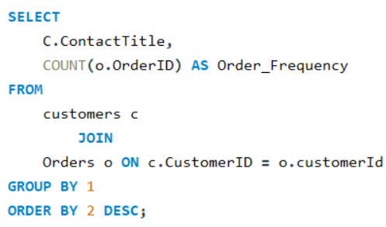
 |  | Conclusion:

 |  | Order frequency varies significantly across customer segments, with Sales Representatives leading in volume, followed closely by Owners and Sales Managers, while Marketing Assistants and other support roles show lower transactional activity. Understanding these variations helps in targeted sales and marketing strategies.

Q7
7. Employee Tenure vs Average Sales

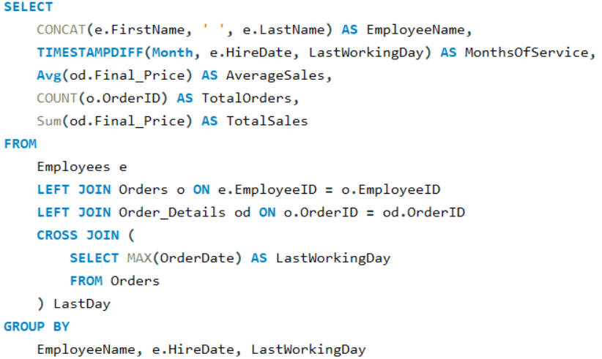
EmployeeName | MonthsOfService | AverageSales | TotalOrders | TotalSales
Anne Dodsworth | 18 | 722.505047 | 107 | 77308.04
Laura Callahan | 27 | 487.931846 | 260 | 126862.28
Robert King | 29 | 707.774034 | 176 | 124568.23
Steven Buchanan | 31 | 587.967949 | 117 | 68792.25
Michael Suyama | 31 | 439.959107 | 168 | 73913.13
Margaret Peacock | 37 | 554.502024 | 420 | 232890.85
Andrew Fuller | 45 | 691.028008 | 241 | 166537.75
Nancy Davolio | 49 | 556.833507 | 345 | 192107.56
Janet Leverling | 50 | 631.815701 | 321 | 202812.84

Average Sales as per Employee Tenure

 |  |  |  |  | Conclusion:

 |  |  |  |  | There is no significant relationship between employee tenure and average sales value.

Q8
8. Employee Distribution as per title

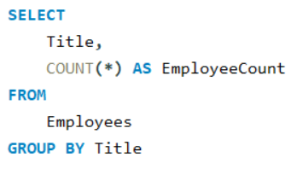
Title | EmployeeCount
Sales Representative | 6
Vice President, Sales | 1
Sales Manager | 1
Inside Sales Coordinator | 1

Employee Distribution

 |  | Conclusion:

 |  | Sales Representatives make up 66% of the total employees.

Q9
9. Can we identify any patterns or clusters in employee skill sets or qualifications through visualizations? How can this information be used for talent management?

The current dataset doesn't contain detailed information about employee skills or qualifications. We can look at employee performance in terms of sales instead.

 | 9. Employee Performance as per Sales

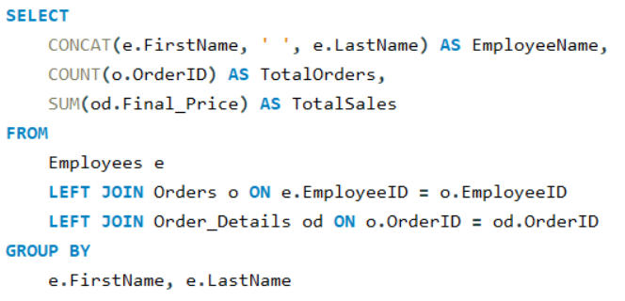
 | EmployeeName | TotalOrders | TotalSales | Conclusion:
 | Margaret Peacock | 420 | 232.9K
 | Janet Leverling | 321 | 202.8K | Margaret Peacock is the top performer in sales, while Michael Suyama and Steven Buchanan need improvement.
 | Nancy Davolio | 345 | 192.1K
 | Andrew Fuller | 241 | 166.5K
 | Laura Callahan | 260 | 126.9K
 | Robert King | 176 | 124.6K
 | Anne Dodsworth | 107 | 77.3K
 | Michael Suyama | 168 | 73.9K
 | Steven Buchanan | 117 | 68.8K | Actionable:

Distribution of sales as per Employee
 |  |  |  | Focus on incentivizing top performers and providing targeted support and training to boost lower-performing employees' sales figures.

Q10
10. Are there any correlations between product attributes (e.g., size, color, features) and sales performance? Can we explore this visually using scatter plots or heatmaps?

The current dataset doesn't contain detailed product attributes like size or color. We can look at the correlation between unit price and sales performance instead:

 | 10. Correlation between unit price and sales performance

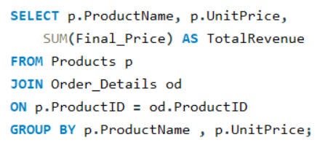
 | ProductName | TotalQuantitySold | UnitPrice | TotalRevenue
 | Côte de Blaye | 623 | 263.5 | 141.4K
 | Thüringer Rostbratwurst | 746 | 123.79 | 80.4K
 | Raclette Courdavault | 1496 | 55 | 71.2K
 | Tarte au sucre | 1083 | 49.3 | 47.2K
 | Camembert Pierrot | 1577 | 34 | 46.8K
 | Gnocchi di nonna Alice | 1263 | 38 | 42.6K
 | Manjimup Dried Apples | 886 | 53 | 41.8K
 | Alice Mutton | 978 | 39 | 32.7K
 | Carnarvon Tigers | 539 | 62.5 | 29.2K
 | Rössle Sauerkraut | 640 | 45.6 | 25.7K
 | Mozzarella di Giovanni | 806 | 34.8 | 24.9K
 | Ipoh Coffee | 580 | 46 | 23.5K
 | Sir Rodney's Marmalade | 313 | 81 | 22.6K
 | Uncle Bob's Organic Dried Pears | 763 | 30 | 22.0K
 | Wimmers gute Semmelknödel | 740 | 33.25 | 22.0K
 | Gudbrandsdalsost | 714 | 36 | 21.9K
 | Ikura | 742 | 31 | 20.9K
 | Perth Pasties | 722 | 32.8 | 20.6K
 | Gumbär Gummibärchen | 753 | 31.23 | 19.8K
 | Fløtemysost | 1057 | 21.5 | 19.6K
 | Boston Crab Meat | 1103 | 18.4 | 17.9K
 | Pâté chinois | 903 | 24 | 17.4K
 | Pavlova | 1158 | 17.45 | 17.2K
 | Vegie-spread | 445 | 43.9 | 16.7K
 | Chang | 1057 | 19 | 16.4K
 | Lakkalikööri | 981 | 18 | 15.8K | Correl Value
 | Schoggi Schokolade | 365 | 43.9 | 15.1K | 0.86771214846
 | Gorgonzola Telino | 1397 | 12.5 | 14.9K
 | Sirop d'érable | 603 | 28.5 | 14.4K | Conclusion:
 | Louisiana Fiery Hot Pepper Sauce | 745 | 21.05 | 13.9K
 | Steeleye Stout | 883 | 18 | 13.6K | The strong positive correlation value of 0.867 between unit price and revenue indicates that as unit prices increase, so does total revenue, highlighting the effectiveness of higher-priced products in driving sales performance.
 | Inlagd Sill | 805 | 19 | 13.5K
 | Nord-Ost Matjeshering | 612 | 25.89 | 13.4K
 | Queso Cabrales | 706 | 21 | 12.9K
 | Chai | 828 | 18 | 12.8K
 | Northwoods Cranberry Sauce | 372 | 40 | 12.8K
 | Chartreuse verte | 793 | 18 | 12.3K
 | Queso Manchego La Pastora | 344 | 38 | 12.3K
 | Outback Lager | 817 | 15 | 10.7K
 | Gula Malacca | 601 | 19.45 | 9.9K
 | Maxilaku | 520 | 20 | 9.2K
 | Original Frankfurter grüne Soße | 791 | 13 | 9.2K
 | Sir Rodney's Scones | 1016 | 10 | 9.1K
 | Scottish Longbreads | 799 | 12.5 | 8.7K
 | Jack's New England Clam Chowder | 981 | 9.65 | 8.7K
 | Singaporean Hokkien Fried Mee | 697 | 14 | 8.6K
 | Chef Anton's Cajun Seasoning | 453 | 22 | 8.6K
 | Mascarpone Fabioli | 297 | 32 | 8.4K
 | Rhönbräu Klosterbier | 1155 | 7.75 | 8.2K
 | Tofu | 404 | 23.25 | 8.0K
 | Ravioli Angelo | 434 | 19.5 | 7.7K
 | Mishi Kobe Niku | 95 | 97 | 7.2K
 | Grandma's Boysenberry Spread | 301 | 25 | 7.1K
 | Gustaf's Knäckebröd | 348 | 21 | 7.1K
 | Sasquatch Ale | 506 | 14 | 6.4K
 | Spegesild | 548 | 12 | 5.9K
 | Escargots de Bourgogne | 534 | 13.25 | 5.9K
 | Teatime Chocolate Biscuits | 723 | 9.2 | 5.9K
 | Chef Anton's Gumbo Mix | 298 | 21.35 | 5.3K
 | Konbu | 891 | 6 | 5.0K
 | Tourtière | 755 | 7.45 | 4.7K
 | Tunnbröd | 580 | 9 | 4.6K
 | Guaraná Fantástica | 1125 | 4.5 | 4.5K
 | Røgede sild | 508 | 9.5 | 4.3K
 | Röd Kaviar | 293 | 15 | 4.0K
 | Zaanse koeken | 485 | 9.5 | 4.0K
 | NuNuCa Nuß-Nougat-Creme | 318 | 14 | 3.7K
 | Valkoinen suklaa | 235 | 16.25 | 3.4K
 | Louisiana Hot Spiced Okra | 239 | 17 | 3.4K
 | Filo Mix | 500 | 7 | 3.2K
 | Aniseed Syrup | 328 | 10 | 3.0K
 | Gravad lax | 125 | 26 | 2.7K
 | Longlife Tofu | 297 | 10 | 2.4K
 | Laughing Lumberjack Lager | 184 | 14 | 2.4K
 | Genen Shouyu | 122 | 15.5 | 1.8K
 | Geitost | 755 | 2.5 | 1.6K
 | Chocolade | 138 | 12.75 | 1.4K

Q11.
11. Analyzing Seasonal Variations in Product Demand: A Year-Round Perspective

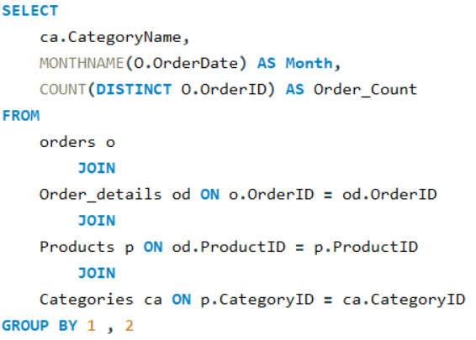
CategoryName | Month | Order_Count | Total Orders | Category
Beverages | April | 46 | Month | Beverages | Condiments | Confections | Dairy Products | Grains/Cereals | Meat/Poultry | Produce | Seafood
Beverages | August | 25 | January | 31 | 12 | 25 | 32 | 16 | 19 | 19 | 27
Beverages | December | 23 | February | 38 | 20 | 36 | 25 | 20 | 14 | 11 | 26
Beverages | February | 38 | March | 34 | 19 | 38 | 27 | 20 | 24 | 9 | 31
Beverages | January | 31 | April | 46 | 22 | 35 | 33 | 19 | 13 | 20 | 39
Beverages | July | 14 | May | 51 | 29 | 30 | 42 | 24 | 21 | 19 | 35
Beverages | June | 19 | June | 19 | 12 | 14 | 20 | 7 | 8 | 8 | 19
Beverages | March | 34 | July | 14 | 6 | 6 | 13 | 10 | 5 | 6 | 9
Beverages | May | 51 | August | 25 | 15 | 21 | 20 | 12 | 9 | 7 | 16
Beverages | November | 28 | September | 27 | 14 | 20 | 19 | 11 | 11 | 8 | 21
Beverages | October | 18 | October | 18 | 12 | 26 | 22 | 16 | 11 | 6 | 24
Beverages | September | 27 | November | 28 | 19 | 25 | 26 | 10 | 15 | 8 | 23
Condiments | April | 22 | December | 23 | 13 | 19 | 24 | 17 | 11 | 8 | 21
Condiments | August | 15
Condiments | December | 13
Seasonal Product Demand Analysis
Condiments | February | 20 |  |  |  |  | Conclusion:
Condiments | January | 12
Condiments | July | 6 |  |  |  |  | Product demand shows noticeable seasonal trends, with overall demand being higher in spring and early summer (March to May) and lower during the summer months (June to August).
Condiments | June | 12
Condiments | March | 19
Condiments | May | 29
Condiments | November | 19
Condiments | October | 12
Condiments | September | 14
Confections | April | 35
Confections | August | 21
Confections | December | 19
Confections | February | 36
Confections | January | 25
Confections | July | 6
Confections | June | 14
Confections | March | 38
Confections | May | 30
Confections | November | 25
Confections | October | 26
Confections | September | 20
Dairy Products | April | 33
Dairy Products | August | 20
Dairy Products | December | 24
Dairy Products | February | 25
Dairy Products | January | 32
Dairy Products | July | 13
Dairy Products | June | 20
Dairy Products | March | 27
Dairy Products | May | 42
Dairy Products | November | 26
Dairy Products | October | 22
Dairy Products | September | 19
Grains/Cereals | April | 19
Grains/Cereals | August | 12
Grains/Cereals | December | 17
Grains/Cereals | February | 20
Grains/Cereals | January | 16
Grains/Cereals | July | 10
Grains/Cereals | June | 7
Grains/Cereals | March | 20
Grains/Cereals | May | 24
Grains/Cereals | November | 10
Grains/Cereals | October | 16
Grains/Cereals | September | 11
Meat/Poultry | April | 13
Meat/Poultry | August | 9
Meat/Poultry | December | 11
Meat/Poultry | February | 14
Meat/Poultry | January | 19
Meat/Poultry | July | 5
Meat/Poultry | June | 8
Meat/Poultry | March | 24
Meat/Poultry | May | 21
Meat/Poultry | November | 15
Meat/Poultry | October | 11
Meat/Poultry | September | 11
Produce | April | 20
Produce | August | 7
Produce | December | 8
Produce | February | 11
Produce | January | 19
Produce | July | 6
Produce | June | 8
Produce | March | 9
Produce | May | 19
Produce | November | 8
Produce | October | 6
Produce | September | 8
Seafood | April | 39
Seafood | August | 16
Seafood | December | 21
Seafood | February | 26
Seafood | January | 27
Seafood | July | 9
Seafood | June | 19
Seafood | March | 31
Seafood | May | 35
Seafood | November | 23
Seafood | October | 24
Seafood | September | 21

Q12.
12. Visualizing Product Performance: Identifying Outliers and Anomalies in Sales

ProductName | Revenue |  |  | Actionable Insights:
Chocolade | 1368.71
Geitost | 1648.12
Genen Shouyu | 1784.82 |  |  | High Revenue Products: 1. Replicate Success: Apply effective marketing and sales tactics from top performers. 2. Expand Market Presence: Increase availability across new markets and channels. 3. Ensure Consistency: Maintain high product quality and reliable supply chains. Low Revenue Products: 1. Diagnose Issues: Investigate pricing, marketing effectiveness, and market fit. 2. Decide Strategically: Evaluate whether to improve, reposition, or discontinue products. 3. Boost Visibility: Use promotions or bundles to increase sales and visibility.
Laughing Lumberjack Lager | 2396.80
Longlife Tofu | 2432.50
Gravad lax | 2688.40
Top 10 Products by Revenue
Aniseed Syrup | 3044.00
Filo Mix | 3232.95 | Product Name | Revenue.
Louisiana Hot Spiced Okra | 3383.00 | Côte de Blaye | 141.4 K
Valkoinen suklaa | 3437.69 | Thüringer Rostbratwurst | 80.4 K
NuNuCa Nuß-Nougat-Creme | 3704.40 | Raclette Courdavault | 71.2 K
Zaanse koeken | 3958.08 | Tarte au sucre | 47.2 K
Röd Kaviar | 3997.20 | Camembert Pierrot | 46.8 K
Røgede sild | 4338.17 | Gnocchi di nonna Alice | 42.6 K
Guaraná Fantástica | 4504.36 | Manjimup Dried Apples | 41.8 K
Tunnbröd | 4601.70 | Alice Mutton | 32.7 K
Tourtière | 4728.23 | Carnarvon Tigers | 29.2 K
Konbu | 4960.44 | Rössle Sauerkraut | 25.7 K
Chef Anton's Gumbo Mix | 5347.20
Bottom 10 Products by Revenue
Teatime Chocolate Biscuits | 5862.62
Escargots de Bourgogne | 5881.68 | Product Name | Revenue.
Spegesild | 5883.00 | Chocolade | 1.4 K
Sasquatch Ale | 6350.40 | Geitost | 1.6 K
Gustaf's Knäckebröd | 7122.36 | Genen Shouyu | 1.8 K
Grandma's Boysenberry Spread | 7137.00 | Laughing Lumberjack Lager | 2.4 K
Mishi Kobe Niku | 7226.50 | Longlife Tofu | 2.4 K
Ravioli Angelo | 7661.55 | Gravad lax | 2.7 K
Tofu | 7991.48 | Aniseed Syrup | 3.0 K
Rhönbräu Klosterbier | 8177.48 | Filo Mix | 3.2 K
Mascarpone Fabioli | 8404.16 | Louisiana Hot Spiced Okra | 3.4 K
Chef Anton's Cajun Seasoning | 8567.90 | Valkoinen suklaa | 3.4 K
Singaporean Hokkien Fried Mee | 8575.00
Jack's New England Clam Chowder | 8680.33
Scottish Longbreads | 8714.00
Sir Rodney's Scones | 9104.00
Original Frankfurter grüne Soße | 9171.63
Maxilaku | 9244.60
Gula Malacca | 9915.93
Outback Lager | 10672.65
Queso Manchego La Pastora | 12257.66
Chartreuse verte | 12294.54
Northwoods Cranberry Sauce | 12772.00
Chai | 12788.10
Queso Cabrales | 12901.77
Nord-Ost Matjeshering | 13424.20
Inlagd Sill | 13458.46
Steeleye Stout | 13644.00
Louisiana Fiery Hot Pepper Sauce | 13869.89
Sirop d'érable | 14352.60
Gorgonzola Telino | 14920.86
Schoggi Schokolade | 15099.88
Lakkalikööri | 15760.44
Chang | 16355.96
Vegie-spread | 16701.10
Pavlova | 17215.74
Pâté chinois | 17426.40
Boston Crab Meat | 17910.63
Fløtemysost | 19551.02
Gumbär Gummibärchen | 19849.13
Perth Pasties | 20574.17
Ikura | 20867.34
Gudbrandsdalsost | 21942.36
Wimmers gute Semmelknödel | 21957.97
Uncle Bob's Organic Dried Pears | 22044.30
Sir Rodney's Marmalade | 22563.36
Ipoh Coffee | 23526.70
Mozzarella di Giovanni | 24900.13
Rössle Sauerkraut | 25696.64
Carnarvon Tigers | 29171.88
Alice Mutton | 32698.38
Manjimup Dried Apples | 41819.65
Gnocchi di nonna Alice | 42593.06
Camembert Pierrot | 46825.48
Tarte au sucre | 47234.97
Raclette Courdavault | 71155.70
Thüringer Rostbratwurst | 80368.69
Côte de Blaye | 141396.73

Q13
13. Regional Disparities in Supplier Performance: Insights from Delayed Shipment Data

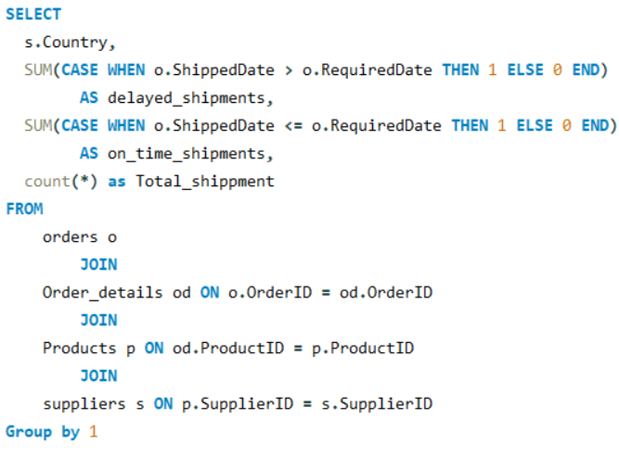
Country | delayed_shipments | on_time_shipments | Total_shippment
UK | 8 | 202 | 220
USA | 12 | 253 | 277
Japan | 5 | 108 | 119
Spain | 2 | 48 | 52
Australia | 12 | 241 | 261
Sweden | 3 | 80 | 85
Brazil | 2 | 47 | 51
Germany | 11 | 250 | 270
Italy | 8 | 166 | 177
Norway | 6 | 96 | 105
France | 10 | 162 | 177
Singapore | 5 | 76 | 82
Denmark | 1 | 37 | 41
Netherlands | 0 | 27 | 27
Finland | 3 | 63 | 70
Canada | 4 | 134 | 141

Country | Delayed shippment %
Netherlands | 0.0%
Denmark | 2.4% |  | Conclusion:
Canada | 2.8%
Sweden | 3.5%
UK | 3.6% |  | The data shows significant variations in delayed shipment percentages across various countries, it is evident that there are notable differences in supplier performance metrics based on geographic location.. Countries like the Netherlands, Denmark, and Sweden have lower rates, indicating efficient logistics and operations. In contrast, countries like Singapore have higher rates, likely due to logistics and regulatory challenges.
Spain | 3.8%
Brazil | 3.9%
Germany | 4.1%
Japan | 4.2%
Finland | 4.3%
USA | 4.3%
Italy | 4.5%
Australia | 4.6%
France | 5.6%
Norway | 5.7%
Singapore | 6.1%

Q14
14. How does supplier performance vary across different product categories or departments? Can we visualize this using stacked bar charts or grouped column charts?
 | 14. Supplier Performance across different Product

Quantity Sold as per Supplier
 | Beverages | Dairy Products | Confections | Seafood | Condiments | Grains/Cereals | Meat/Poultry | Produce
Plutzer Lebensmittelgroßmärkte AG | 1155 |  |  |  | 791 | 740 | 746 | 640
Pavlova, Ltd. | 817 |  | 1158 | 539 | 445 |  | 978
Gai pâturage |  | 3073
Specialty Biscuits, Ltd. |  |  | 2851
Norske Meierier |  | 2526
Formaggi Fortini s.r.l. |  | 2500
Exotic Liquids | 1885 |  |  |  | 328
G'day, Mate |  |  |  |  |  | 500 | 722 | 886
New England Seafood Cannery |  |  |  | 2084
Leka Trading | 580 |  |  |  | 601 | 697
Karkki Oy | 981 |  | 755
New Orleans Cajun Delights |  |  |  |  | 1735
Pasta Buttini s.r.l. |  |  |  |  |  | 1697
Forêts d'érables |  |  | 1083 |  | 603
Ma Maison |  |  |  |  |  |  | 1658
Bigfoot Breweries | 1573
Grandma Kelly's Homestead |  |  |  |  | 673 |  |  | 763
Heli Süßwaren GmbH & Co. KG |  |  | 1436
Mayumi's |  |  |  | 891 | 122 |  |  | 404
Aux joyeux ecclésiastiques | 1416
Svensk Sjöföda AB |  |  |  | 1223
Tokyo Traders |  |  |  | 742 |  |  | 95 | 297
Refrescos Americanas LTDA | 1125
Lyngbysild |  |  |  | 1056
Cooperativa de Quesos 'Las Cabras' |  | 1050
PB Knäckebröd AB |  |  |  |  |  | 928
Zaanse Snoepfabriek |  |  | 623
Nord-Ost-Fisch Handelsgesellschaft mbH |  |  |  | 612
Escargots Nouveaux |  |  |  | 534
 | CategoryName | SupplierName | TotalOrders | TotalQuantitySold | AvgOrderValue | Sum of TotalQuantitySold | Column Labels
 | Beverages | Exotic Liquids | 82 | 1885 | 355.415366 | Supplier Nme | Beverages | Dairy Products | Confections | Seafood | Condiments | Grains/Cereals | Meat/Poultry | Produce
 | Beverages | Bigfoot Breweries | 65 | 1573 | 344.48 | Plutzer Lebensmittelgroßmärkte AG | 1155 |  |  |  | 791 | 740 | 746 | 640
 | Beverages | Aux joyeux ecclésiastiques | 54 | 1416 | 2846.13463 | Pavlova, Ltd. | 817 |  | 1158 | 539 | 445 |  | 978
 | Beverages | Refrescos Americanas LTDA | 51 | 1125 | 88.320784 | Gai pâturage |  | 3073
 | Beverages | Plutzer Lebensmittelgroßmärkte AG | 46 | 1155 | 177.771304 | Specialty Biscuits, Ltd. |  |  | 2851
 | Beverages | Pavlova, Ltd. | 39 | 817 | 273.657692 | Norske Meierier |  | 2526
 | Beverages | Karkki Oy | 39 | 981 | 404.113846 | Formaggi Fortini s.r.l. |  | 2500
 | Beverages | Leka Trading | 28 | 580 | 840.239286 | Exotic Liquids | 1885 |  |  |  | 328
 | Condiments | New Orleans Cajun Delights | 70 | 1735 | 445.257 | G'day, Mate |  |  |  |  |  | 500 | 722 | 886
 | Condiments | Plutzer Lebensmittelgroßmärkte AG | 38 | 791 | 241.358684 | New England Seafood Cannery |  |  |  | 2084
 | Condiments | Grandma Kelly's Homestead | 25 | 673 | 796.36 | Leka Trading | 580 |  |  |  | 601 | 697
 | Condiments | Forêts d'érables | 24 | 603 | 598.025 | Karkki Oy | 981 |  | 755
 | Condiments | Leka Trading | 24 | 601 | 413.16375 | New Orleans Cajun Delights |  |  |  |  | 1735
 | Condiments | Pavlova, Ltd. | 17 | 445 | 982.417647 | Pasta Buttini s.r.l. |  |  |  |  |  | 1697
 | Condiments | Exotic Liquids | 12 | 328 | 253.666667 | Forêts d'érables |  |  | 1083 |  | 603
 | Condiments | Mayumi's | 6 | 122 | 297.47 | Ma Maison |  |  |  |  |  |  | 1658
 | Confections | Specialty Biscuits, Ltd. | 126 | 2851 | 367.015714 | Bigfoot Breweries | 1573
 | Confections | Heli Süßwaren GmbH & Co. KG | 59 | 1436 | 655.142542 | Grandma Kelly's Homestead |  |  |  |  | 673 |  |  | 763
 | Confections | Forêts d'érables | 48 | 1083 | 984.061875 | Heli Süßwaren GmbH & Co. KG |  |  | 1436
 | Confections | Pavlova, Ltd. | 43 | 1158 | 400.366047 | Mayumi's |  |  |  | 891 | 122 |  |  | 404
 | Confections | Karkki Oy | 31 | 755 | 409.106129 | Aux joyeux ecclésiastiques | 1416
 | Confections | Zaanse Snoepfabriek | 27 | 623 | 197.288519 | Svensk Sjöföda AB |  |  |  | 1223
 | Dairy Products | Norske Meierier | 105 | 2526 | 410.871429 | Tokyo Traders |  |  |  | 742 |  |  | 95 | 297
 | Dairy Products | Gai pâturage | 105 | 3073 | 1123.630286 | Refrescos Americanas LTDA | 1125
 | Dairy Products | Formaggi Fortini s.r.l. | 104 | 2500 | 463.703365 | Lyngbysild |  |  |  | 1056
 | Dairy Products | Cooperativa de Quesos 'Las Cabras' | 52 | 1050 | 483.835192 | Cooperativa de Quesos 'Las Cabras' |  | 1050
 | Grains/Cereals | Pasta Buttini s.r.l. | 73 | 1697 | 688.419315 | PB Knäckebröd AB |  |  |  |  |  | 928
 | Grains/Cereals | PB Knäckebröd AB | 34 | 928 | 344.825294 | Zaanse Snoepfabriek |  |  | 623
 | Grains/Cereals | Leka Trading | 30 | 697 | 285.833333 | Nord-Ost-Fisch Handelsgesellschaft mbH |  |  |  | 612
 | Grains/Cereals | Plutzer Lebensmittelgroßmärkte AG | 30 | 740 | 731.932333 | Escargots Nouveaux |  |  |  | 534
 | Grains/Cereals | G'day, Mate | 29 | 500 | 111.481034
 | Meat/Poultry | Ma Maison | 69 | 1658 | 321.081594 | Conclusion:
 | Meat/Poultry | Pavlova, Ltd. | 37 | 978 | 883.74
 | Meat/Poultry | Plutzer Lebensmittelgroßmärkte AG | 32 | 746 | 2511.521563
 | Meat/Poultry | G'day, Mate | 30 | 722 | 685.805667 | Plutzer Lebensmittelgroßmärkte AG and Pavlova, Ltd. are the top suppliers based on the highest number of products sold.
 | Meat/Poultry | Tokyo Traders | 5 | 95 | 1445.3
 | Produce | G'day, Mate | 39 | 886 | 1072.298718
 | Produce | Plutzer Lebensmittelgroßmärkte AG | 33 | 640 | 778.686061
 | Produce | Grandma Kelly's Homestead | 29 | 763 | 760.148276
 | Produce | Mayumi's | 22 | 404 | 363.249091
 | Produce | Tokyo Traders | 13 | 297 | 187.115385
 | Seafood | New England Seafood Cannery | 88 | 2084 | 302.17
 | Seafood | Svensk Sjöföda AB | 51 | 1223 | 394.981569
 | Seafood | Lyngbysild | 41 | 1056 | 249.296829
 | Seafood | Mayumi's | 40 | 891 | 124.011
 | Seafood | Tokyo Traders | 33 | 742 | 632.343636
 | Seafood | Nord-Ost-Fisch Handelsgesellschaft mbH | 32 | 612 | 419.50625
 | Seafood | Pavlova, Ltd. | 27 | 539 | 1080.44
 | Seafood | Escargots Nouveaux | 18 | 534 | 326.76

Q15.
15. Can we identify any trends or patterns in supplier costs or pricing structures through visualizations? How can this information be used for procurement optimization?

 | SupplierID | UnitPrice | CategoryName | Average of UnitPrice | Column Labels
 | 1 | 18 | Beverages | Supplier ID | Beverages | Condiments | Confections | Dairy Products | Grains/Cereals | Meat/Poultry | Produce | Seafood
 | 1 | 19 | Beverages | 1 | 18.5 | 10
 | 10 | 4.5 | Beverages | 2 |  | 20.35
 | 16 | 14 | Beverages | 3 |  | 32.5 |  |  |  |  | 30
 | 16 | 18 | Beverages | 4 |  |  |  |  |  | 97 | 10 | 31
 | 18 | 263.5 | Beverages | 5 |  |  |  | 29.5
 | 18 | 18 | Beverages | 6 |  | 15.5 |  |  |  |  | 23.25 | 6
 | 20 | 46 | Beverages | 7 | 15 | 43.9 | 17.45 |  |  | 39 |  | 62.5
 | 16 | 14 | Beverages | 8 |  |  | 28.175
 | 7 | 15 | Beverages | 9 |  |  |  |  | 15
 | 12 | 7.75 | Beverages | 10 | 4.5
 | 23 | 18 | Beverages | 11 |  |  | 29.71
 | 1 | 10 | Condiments | 12 | 7.75 | 13 |  |  | 33.25 | 123.79 | 45.6
 | 2 | 22 | Condiments | 13 |  |  |  |  |  |  |  | 25.89
 | 2 | 21.35 | Condiments | 14 |  |  |  | 26.433333333
 | 3 | 25 | Condiments | 15 |  |  |  | 20
 | 3 | 40 | Condiments | 16 | 15.333333333
 | 6 | 15.5 | Condiments | 17 |  |  |  |  |  |  |  | 20
 | 20 | 19.45 | Condiments | 18 | 140.75
 | 29 | 28.5 | Condiments | 19 |  |  |  |  |  |  |  | 14.025
 | 7 | 43.9 | Condiments | 20 | 46 | 19.45 |  |  | 14
 | 2 | 21.05 | Condiments | 21 |  |  |  |  |  |  |  | 10.75
 | 2 | 17 | Condiments | 22 |  |  | 11.125
 | 12 | 13 | Condiments | 23 | 18 |  | 18.125
 | 7 | 17.45 | Confections | 24 |  |  |  |  | 7 | 32.8 | 53
 | 8 | 9.2 | Confections | 25 |  |  |  |  |  | 15.725
 | 8 | 81 | Confections | 26 |  |  |  |  | 28.75
 | 8 | 10 | Confections | 27 |  |  |  |  |  |  |  | 13.25
 | 11 | 14 | Confections | 28 |  |  |  | 44.5
 | 11 | 31.23 | Confections | 29 |  | 28.5 | 49.3
 | 11 | 43.9 | Confections | 15. Trends and Patterns in Supplier Costs and Pricing Structures
 | 22 | 9.5 | Confections
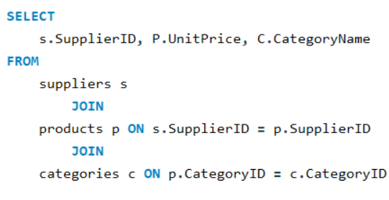
 | 22 | 12.75 | Confections | Supplier ID | Beverages | Condiments | Confections | Dairy Products | Grains/Cereals | Meat/Poultry | Produce | Seafood
 | 23 | 20 | Confections | 1 | 18.50 | 10.00 |  |  |  |  |  |  | Conclusions:
 | 23 | 16.25 | Confections | 2 |  | 20.35 |  |  |  |  |  |  |  | There's significant price variation across product categories, with Meat/Poultry having the widest range and highest median price.
 | 29 | 49.3 | Confections | 3 |  | 32.50 |  |  |  |  | 30.00
 | 8 | 12.5 | Confections | 4 |  |  |  |  |  | 97.00 | 10.00 | 31.00
 | 5 | 21 | Dairy Products | 5 |  |  |  | 29.50
 | 5 | 38 | Dairy Products | 6 |  | 15.50 |  |  |  |  | 23.25 | 6.00
 | 14 | 12.5 | Dairy Products | 7 | 15.00 | 43.90 | 17.45 |  |  | 39.00 |  | 62.50 | Actionable Insights:
 | 14 | 32 | Dairy Products | 8 |  |  | 28.18 |  |  |  |  |  |  | Review pricing strategies, especially for categories with wide ranges. Consider optimizing prices for profitability while remaining competitive.
 | 15 | 2.5 | Dairy Products | 9 |  |  |  |  | 15.00
 | 28 | 55 | Dairy Products | 10 | 4.50
 | 28 | 34 | Dairy Products | 11 |  |  | 29.71
 | 15 | 36 | Dairy Products | 12 | 7.75 | 13.00 |  |  | 33.25 | 123.79 | 45.60
 | 15 | 21.5 | Dairy Products | 13 |  |  |  |  |  |  |  | 25.89
 | 14 | 34.8 | Dairy Products | 14 |  |  |  | 26.43
 | 9 | 21 | Grains/Cereals | 15 |  |  |  | 20.00
 | 9 | 9 | Grains/Cereals | 16 | 15.33
 | 20 | 14 | Grains/Cereals | 17 |  |  |  |  |  |  |  | 20.00
 | 24 | 7 | Grains/Cereals | 18 | 140.75
 | 26 | 38 | Grains/Cereals | 19 |  |  |  |  |  |  |  | 14.02
 | 26 | 19.5 | Grains/Cereals | 20 | 46.00 | 19.45 |  |  | 14.00
 | 12 | 33.25 | Grains/Cereals | 21 |  |  |  |  |  |  |  | 10.75
 | 4 | 97 | Meat/Poultry | 22 |  |  | 11.13
 | 7 | 39 | Meat/Poultry | 23 | 18.00 |  | 18.13
 | 12 | 123.79 | Meat/Poultry | 24 |  |  |  |  | 7.00 | 32.80 | 53.00
 | 24 | 32.8 | Meat/Poultry | 25 |  |  |  |  |  | 15.73
 | 25 | 7.45 | Meat/Poultry | 26 |  |  |  |  | 28.75
 | 25 | 24 | Meat/Poultry | 27 |  |  |  |  |  |  |  | 13.25
 | 3 | 30 | Produce | 28 |  |  |  | 44.50
 | 6 | 23.25 | Produce | 29 |  | 28.50 | 49.30
 | 12 | 45.6 | Produce
 | 24 | 53 | Produce
 | 4 | 10 | Produce
 | 4 | 31 | Seafood
 | 6 | 6 | Seafood
 | 7 | 62.5 | Seafood
 | 13 | 25.89 | Seafood
 | 17 | 19 | Seafood
 | 17 | 26 | Seafood
 | 19 | 18.4 | Seafood
 | 19 | 9.65 | Seafood
 | 21 | 9.5 | Seafood
 | 21 | 12 | Seafood
 | 27 | 13.25 | Seafood
 | 17 | 15 | Seafood

