Exercise
Table 3.1. Fertility data and rates for the United States in 2005
Age group | Women in the age group | Live births to women in the age group | Age specific fertility Rate (ASFR) per 1000 | ASFR*5
15-19 | 10240239 | 414406 | 40.468 | 202.34
20-24 | 10150079 | 1040399 | 102.502 | 512.51
25-29 | 9767524 | 1132293 | 115.924 | 579.62
30-34 | 9906365 | 952013 | 96.101 | 480.51
35-39 | 10427161 | 483401 | 46.360 | 231.80
40-44 | 11475863 | 104644 | 9.119 | 45.59
45-49∗ | 11372141 | 6546 | 0.576 | 2.88
Total | 73,339,372 | 4,133,702.0

GFR | 56.3640 |  | TFR | 2.06

 |  |  | State not this one fertility data
Table 3.2. Age-specific fertility rates (Per thousand), United States, 1970–1974 to 2000–2004
 | ASFR
year/age-interval | 15-19 | 20-24 | 25-29 | 30-34 | 35-39 | 40-44 | 45-49∗ | TFR
1970-1974 | 62.3 | 137.1 | 124.1 | 61.9 | 25.5 | 6.2 | 0.4 | 2.09
1975-1979 | 53 | 111.8 | 109.1 | 112.4 | 19.2 | 4.2 | 0.2 | 2.05
1980-1984 | 51.9 | 110.7 | 110.5 | 63.9 | 21.2 | 3.9 | 0.2 | 1.81
1985-1989 | 52.4 | 109.5 | 112.9 | 72.7 | 26.5 | 11.3 | 0.2 | 1.93
1990-1994 | 59.8 | 113.2 | 115.5 | 80 | 32.4 | 5.9 | 0.3 | 2.04
1995-1999 | 52 | 107.8 | 109.4 | 83.7 | 35.9 | 7.1 | 0.4 | 1.98
2000-2004 | 43.7 | 104.8 | 114.3 | 93 | 42.2 | 8.4 | 0.5 | 2.03

Table 3.3. Calculation of gross reproduction rate (GRR) and net reproduction (NRR), United States
Age Group | Midpoint | Number of women in the age group | No of births to Women in age group | No of Females births | Female Births per 1000 women | Surviving women ratio | Female Babies surviving momen to the end of age interval | Survving daughters per women during 5-year interval
15-19 | 17.5 | 10240239 | 414406 | 202149 | 19.74 | 0.9889 | 19.5
20-24 | 22.5 | 10150079 | 1040399 | 507512 | 50.00 | 0.9848 | 49.2
25-29 | 27.5 | 9767524 | 1132293 | 552338 | 56.55 | 0.9801 | 55.4
30-34 | 32.5 | 9906365 | 952013 | 464397 | 46.88 | 0.9752 | 45.7
35-39 | 37.5 | 10427161 | 483401 | 235805 | 22.61 | 0.9691 | 21.9
40-44 | 42.5 | 11475863 | 104644 | 51046 | 4.45 | 0.96 | 4.3
45-49∗ | 47.5 | 11372141 | 6546 | 3193 | 0.28 | 0.9462 | 0.3

 |  |  |  | GRR | 1.003 | NRR | 0.982

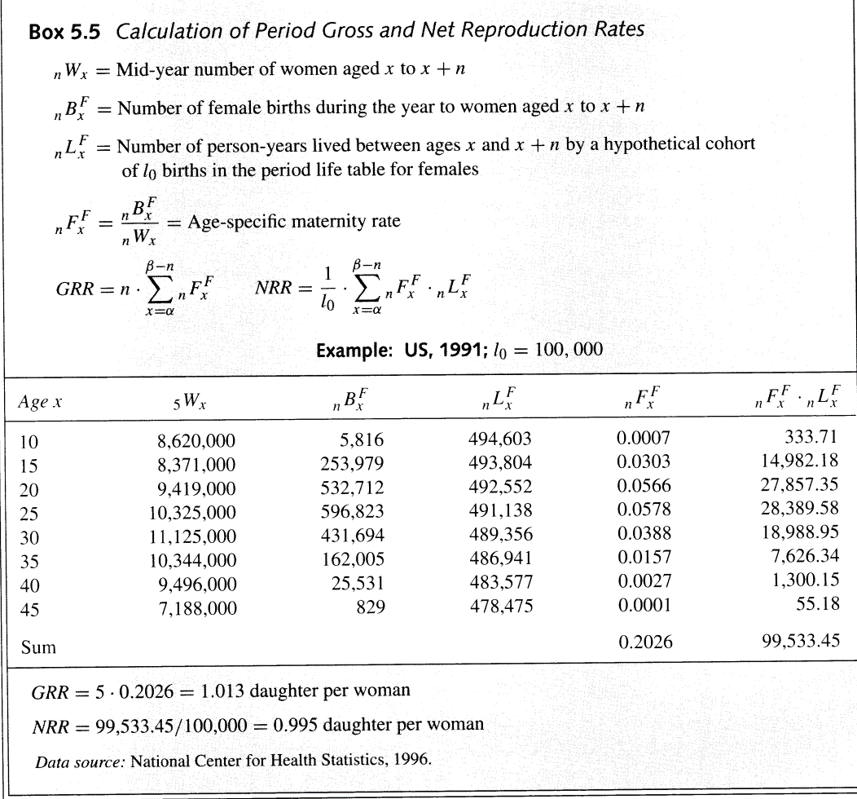

Age x | W(x,5) | B(x,5)^F | L(x,n)^F | F(x,n)^F | L(x,n)^F* F(x,n)^F
10 | 8,620,000 | 5,816 | 494,603
15 | 8,371,000 | 253,979 | 493,804
20 | 9,419,000 | 532,712 | 492,552
25 | 10,325,000 | 596,823 | 491,138
30 | 11,125,000 | 431,694 | 489,356
35 | 10,344,000 | 162,005 | 486,941
40 | 9,496,000 | 25,531 | 483,577
45 | 7,188,000 | 829 | 478,475
Sum

Sheet2
Table 3.1. Fertility data and rates for the United States in 2005
Age group | Women in the age group | Live births to women in the age group | Age specific fertility Rate (ASFR) per 1000 | ASFR*5
15-19 | 10240239 | 414406 | 40.47 | 202.34
20-24 | 10150079 | 1040399 | 102.50 | 512.51
25-29 | 9767524 | 1132293 | 115.92 | 579.62
30-34 | 9906365 | 952013 | 96.10 | 480.51
35-39 | 10427161 | 483401 | 46.36 | 231.80
40-44 | 11475863 | 104644 | 9.12 | 45.59
45-49∗ | 11372141 | 6546 | 0.58 | 2.88
Total | 73339372 | 4133702 | 56.36
 | GFR | 56.36
 |  |  | TFR | 2.06

Table 3.2. Age-specific fertility rates, United States, 1970–1974 to 2000–2004
 | ASFR
year/age-interval | 15-19 | 20-24 | 25-29 | 30-34 | 35-39 | 40-44 | 45-49∗ | TFR
1970-1974 | 62.3 | 137.1 | 124.1 | 61.9 | 25.5 | 6.2 | 0.4 | 2.09
1975-1979 | 53 | 111.8 | 109.1 | 112.4 | 19.2 | 4.2 | 0.2 | 2.05
1980-1984 | 51.9 | 110.7 | 110.5 | 63.9 | 21.2 | 3.9 | 0.2 | 1.81
1985-1989 | 52.4 | 109.5 | 112.9 | 72.7 | 26.5 | 11.3 | 0.2 | 1.93
1990-1994 | 59.8 | 113.2 | 115.5 | 80 | 32.4 | 5.9 | 0.3 | 2.04
1995-1999 | 52 | 107.8 | 109.4 | 83.7 | 35.9 | 7.1 | 0.4 | 1.98
2000-2004 | 43.7 | 104.8 | 114.3 | 93 | 42.2 | 8.4 | 0.5 | 2.03

Table 3.3. Calculation of gross reproduction rate (GRR) and net reproduction (NRR), United States
Table 3.3. Calculation of gross reproduction rate (GRR) and net reproduction (NRR), United States
Age Group | Midpoint | Number of women in the age group | No of births to Women in age group | No of Females births | Female Births per women | Female Births per women during 5-year interval | Female Babies surviving momen to the end of age interval | Survving daughters per women during 5-year interval
15-19 | 17.5 | 10240239 | 414406 | 202149 | 19.74 | 98.70 | 0.9889 | 97.61
20-24 | 22.5 | 10150079 | 1040399 | 507512 | 50.00 | 250.00 | 0.9848 | 246.20
25-29 | 27.5 | 9767524 | 1132293 | 552338 | 56.55 | 282.74 | 0.9801 | 277.12
30-34 | 32.5 | 9906365 | 952013 | 464397 | 46.88 | 234.39 | 0.9752 | 228.58
35-39 | 37.5 | 10427161 | 483401 | 235805 | 22.61 | 113.07 | 0.9691 | 109.58
40-44 | 42.5 | 11475863 | 104644 | 51046 | 4.45 | 22.24 | 0.96 | 21.35
45-49∗ | 47.5 | 11372141 | 6546 | 3193 | 0.28 | 1.40 | 0.9462 | 1.33

 |  |  |  |  | GRR | 1.00 |  | 0.98

Table 3.3. Calculation of gross reproduction rate (GRR) and net reproduction (NRR), United States
Age Group | Midpoint | Number of women in the age group | No of births to Women in age group | No of Females births | Female Births per women | Female Births during 5-year interval | L(x,n)-mothers | Survving daughters per women during 5-year interval
15-19 | 17.5 | 10240239 | 414406 | 202149 | 0.019740678737 | 0.098703393687 | 0.9889 | 0.097607786017
20-24 | 22.5 | 10150079 | 1040399 | 507512 | 0.050000764262 | 0.25000382131 | 0.9848 | 0.24620376322
25-29 | 27.5 | 9767524 | 1132293 | 552338 | 0.056548419925 | 0.28274209963 | 0.9801 | 0.27711553184
30-34 | 32.5 | 9906365 | 952013 | 464397 | 0.046878606367 | 0.23439303184 | 0.9752 | 0.22858008465
35-39 | 37.5 | 10427161 | 483401 | 235805 | 0.022614531976 | 0.11307265988 | 0.9691 | 0.10957871469
40-44 | 42.5 | 11475863 | 104644 | 51046 | 0.0044481058774 | 0.022240529387 | 0.96 | 0.021350908212
45-49∗ | 47.5 | 11372141 | 6546 | 3193 | 0.00028078887975 | 0.0014039443987 | 0.9462 | 0.0013284121901

Preston- Demography - Box 5.5

US women - 1991
Age X | W(x,n) | B(x,n) | L(x,n) | F(x,n)^F | F(x,n)^F*L(x,n)
10 | 8,620,000 | 5,816 | 494,603 | 0.0007 | 333.71
15 | 8,371,000 | 253,979 | 493,804 | 0.0303 | 14,982.18
20 | 9,419,000 | 532,712 | 492,552 | 0.0566 | 27,857.35
25 | 10,325,000 | 596,823 | 491,138 | 0.0578 | 28,389.58
30 | 11,125,000 | 431,694 | 489,356 | 0.0388 | 18,988.95
35 | 10,344,000 | 162,005 | 486,941 | 0.0157 | 7,626.34
40 | 9,496,000 | 25,531 | 483,577 | 0.0027 | 1,300.15
45 | 7,188,000 | 829 | 478,475 | 0.0001 | 55.18
Sum |  |  |  | 0.2026 | 99,533.45

 |  |  | GRR | 1.0135 | 0.9953344

Age X | W(x,n) | B(x,n)^F | L(x,n) | F(x,n)^F | F(x,n)^F*L(x,n)/l(0)
10 | 8,620,000 | 5,816 | 494,603 | 0.000675 | 0.00334
15 | 8,371,000 | 253,979 | 493,804 | 0.030340 | 0.14982
20 | 9,419,000 | 532,712 | 492,552 | 0.056557 | 0.27857
25 | 10,325,000 | 596,823 | 491,138 | 0.057804 | 0.28390
30 | 11,125,000 | 431,694 | 489,356 | 0.038804 | 0.18989
35 | 10,344,000 | 162,005 | 486,941 | 0.015662 | 0.07626
40 | 9,496,000 | 25,531 | 483,577 | 0.002689 | 0.01300
45 | 7,188,000 | 829 | 478,475 | 0.000115 | 0.00055
Sum
 |  |  | GFR | 1.013228 | 0.99533

Age-specific fertility rates (births per thousand women)- 2005-2010
Country | China | India | Japan | United Kingdom | Rwanda
15-19 | 8.4 | 86.3 | 5 | 29.6 | 38.7
20-24 | 142.5 | 215.3 | 36.1 | 62.1 | 209.7
25-29 | 120.3 | 142.4 | 85.5 | 100.5 | 275.4
30-34 | 41.8 | 65.5 | 90.2 | 112 | 243
35-39 | 10.6 | 26.4 | 40.9 | 51.6 | 200.7
40-44 | 3.4 | 7.5 | 6.2 | 9.8 | 99.7
45-49 | 0.9 | 1.7 | 0.2 | 0.3 | 18.8

Sheet3
