Sheet1
Issue ID | Description | Severity (Critical, Major, Minor) | Steps | Version | Reported By | Date | Screenshot / Link to Screenshot/ Image name
#1 | Issue found where the code is reading and trying to sort the wrong data | Major | I ended up just getting rid of a part of the code that allows us to only read one specific collum of data from excel | 1.1 | aaron | 2022-07-23
#2 | put print in wrong place and it ended up in a loop | minor | I just got rid of the extra print and moved it down some lines | 1.2 | aaron | 2022-07-24
#3 | I had moved my data into a folder and it ended up messing my code up | major | I ended having to specify there the data file was | 1.3 | aaron | 2022-07-25
#4 | the import_data() wasn’t being recognized | Major | ended up being because I had put my import_data() code after it was mentioned instead of before | 1.4 | aaron | 2022-07-26 | 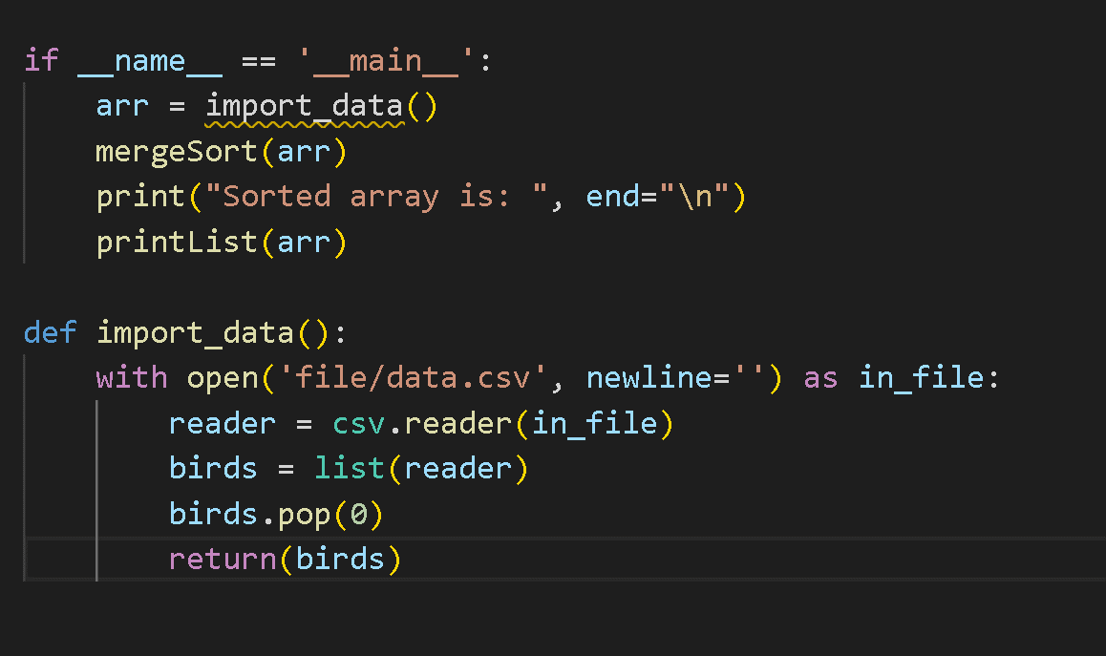
#5 | the tests werent running | minor | I had forgotten to put the code for starting the function | 1.5 | aaron | 2022-07-27 | 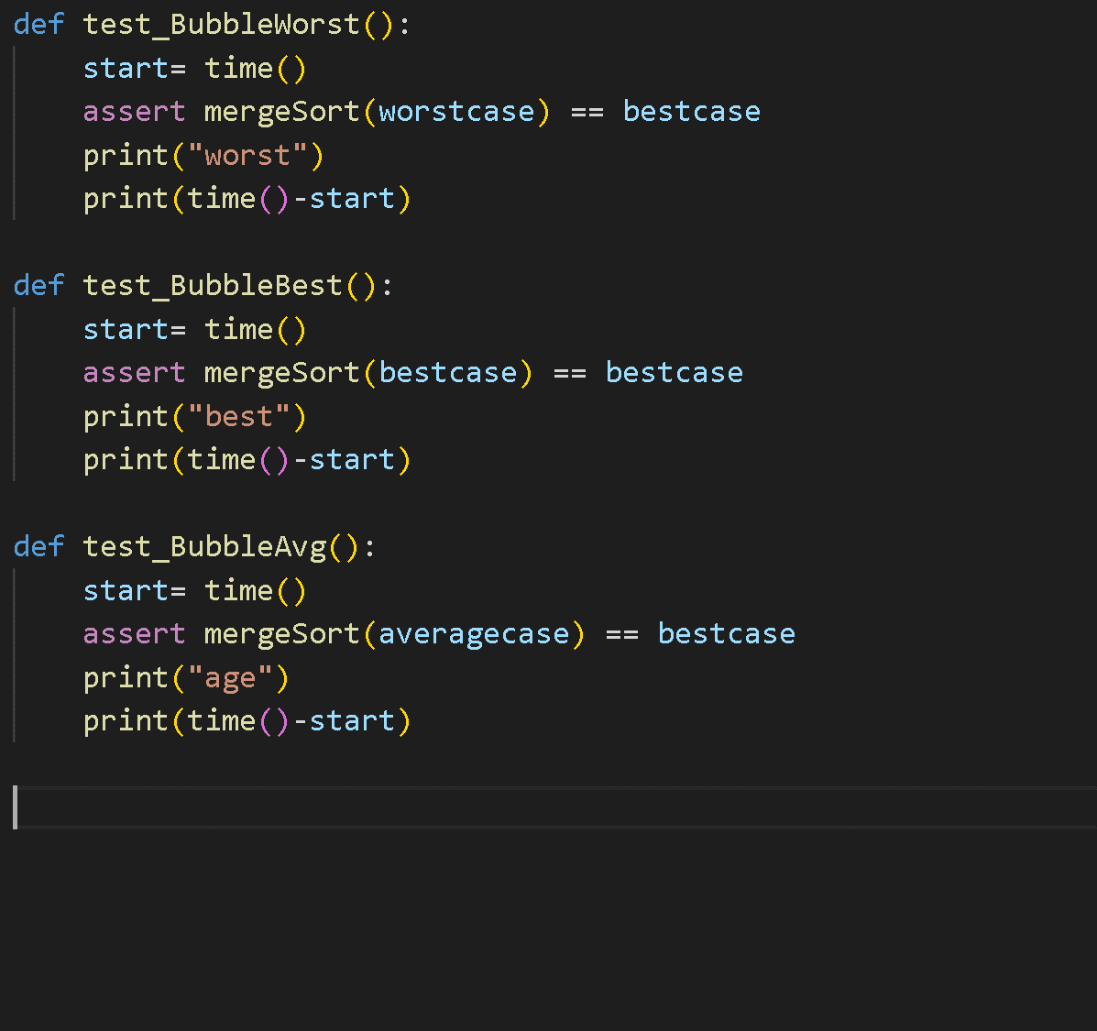

 |  |  |  |  | awd

