HTMLValidator(Chrome)
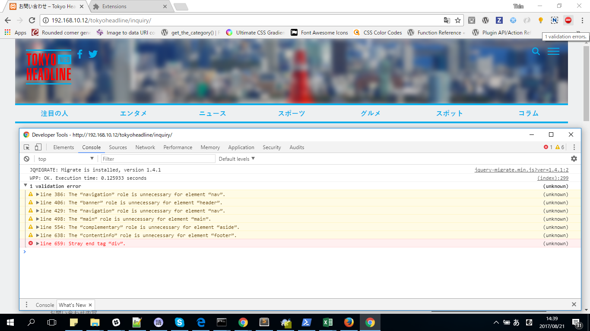
Install Validity extension. (can use any useful extension you like)
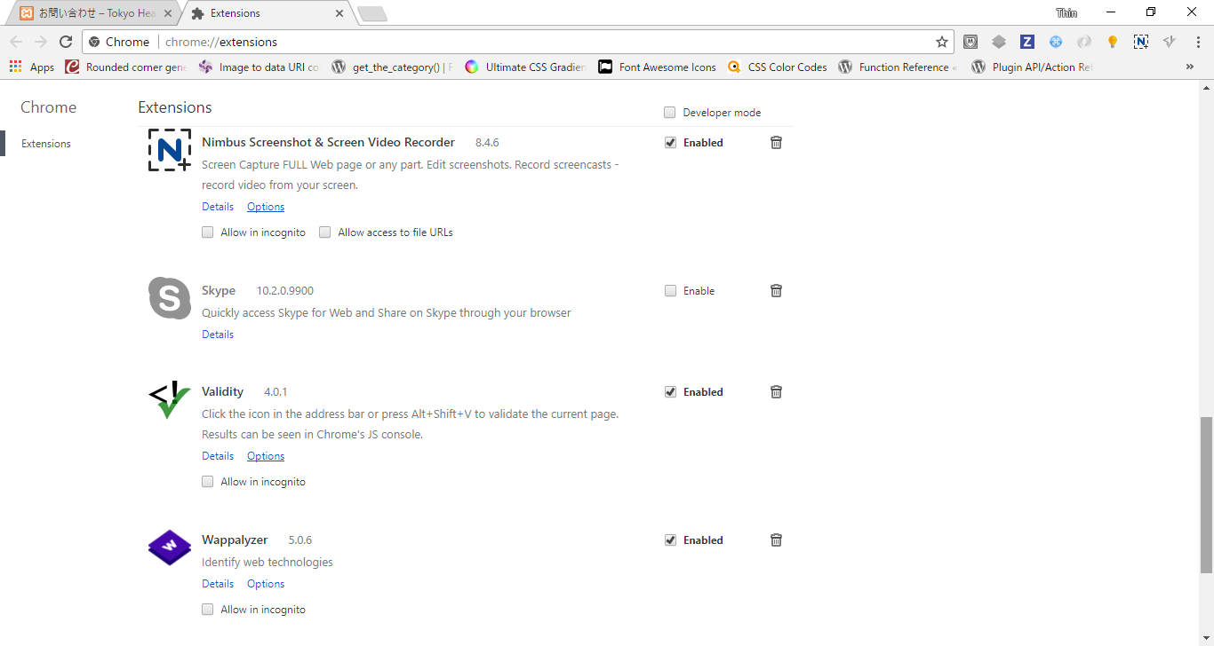

Open web page to check and click on extension Icon.

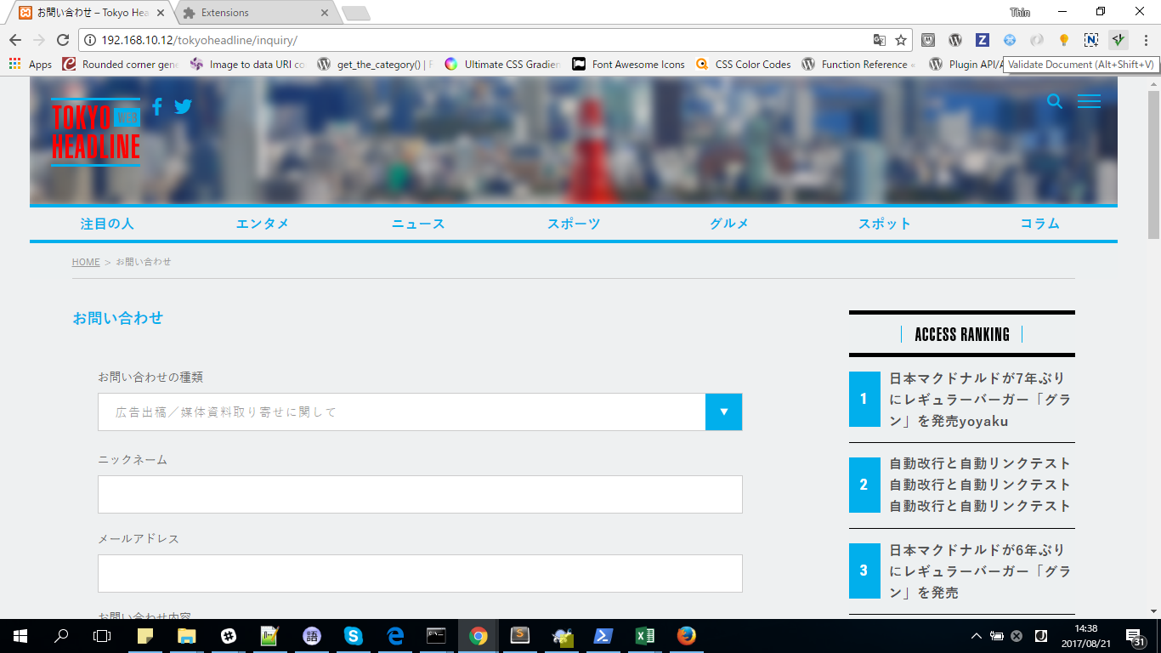

If error exists the icon change to red color (if everything ok, it will turn green)
Open developer tools [Console] tag and check for errors.

HTMLValidator(FireFox)
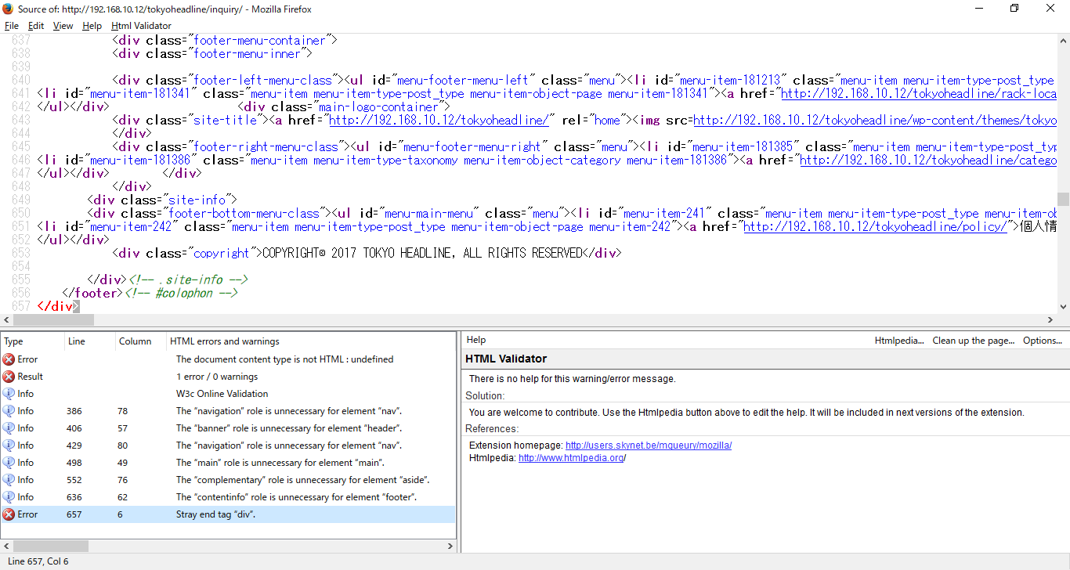
Install Html Validator extension. (can use any useful extension you like)

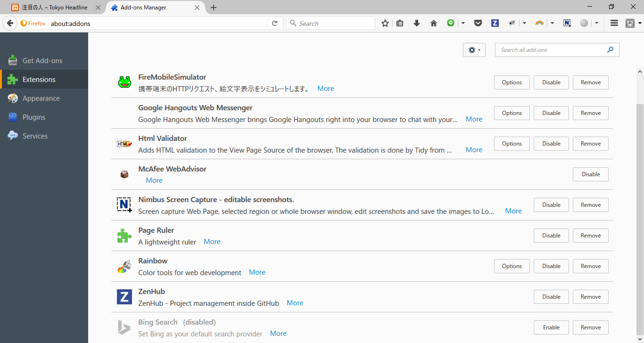

Open web page to check and click on extension Icon. If select dialog box opens, choose the frame to check.

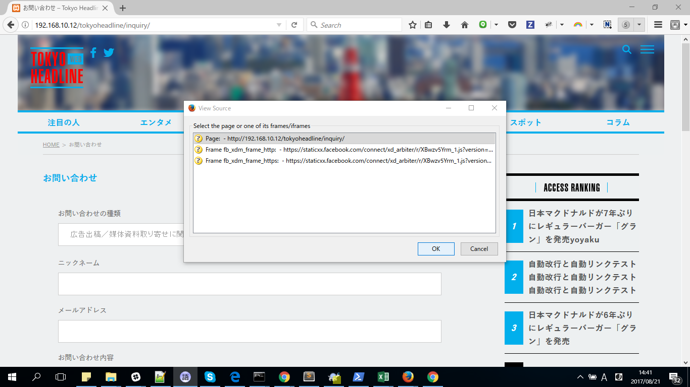

Check errors in open window.

