Design Regulator
 LM(2)5137(F)-Q1 Functional Safety Buck Controller Design Tool
 |  |  |  |  |  |  |  |  |  |  | http://www.ti.com/product/lm5175
About |  | xx |  |  | = Input Box |  |  |  |  |  | TERMS OF USE

Step 1: Operating Specifications
23V...25V
C_{IN}
C_{VCC}
40µF
2.2μF
 |  |  | Input Voltage – Min, VIN(min) | 23 | V
 |  |  | Input Voltage – Nom, VIN(nom) | 24 | V
 |  |  | Input Voltage – Max, VIN(max) | 25 | V
C_{BOOT1}
C_{BOOT2}
 |  |  | Output Voltage, VOUT | 3.3 | V |  |  | Output Voltage, VOUT2 | 5 | V
R_{S1}
Q₁
0.1μF
Q₃
R_{S2}
0.1μF
 |  |  | Full Load Output Current, IOUT | 5 | A |  |  | Full Load Output Current, IOUT2 | 5 | A
9mΩ
L_{O1}
L_{O2}
8mΩ
 |  |  | Switching Frequency, FSW | 440 | kHz
3.3V
5V
 |  |  | Frequency Set Resistor, RRT | 52.3 | kΩ
5A
C_{O1}
3.3µH
4.7µH
5A
 |  |  | Ambient Temperature, TA | 25 | °C
66µF
Q₂
Q₄
C_{O2}
66µF
LM5137F-Q1
Step 2: Current Sense Resistors
 |  |  | Required IOCP Setpoint at VIN(nom) | 6 | A |  |  | Required IOCP Setpoint at VIN(nom) | 6 | A
 |  |  | Recommended Sense Resistance | 8.5 | mΩ |  |  | Recommended Sense Resistance | 8.6 | mΩ
 |  |  | Effective Sense Resistance, RS | 9 | mΩ |  |  | Effective Sense Resistance, RS2 | 8 | mΩ
 |  |  | Min Inductor Sat Current, ILO(SAT) | 6.7 | A |  |  | Min Inductor Sat Current, ILO2(SAT) | 7.5 | A
 |  |  | Max power loss in shunt | 0.29 | W |  |  | Max power loss in shunt RS2 | 0.34 | W
 |  |  | VIN(min) | 5.6 | A |  |  | VIN(min) | 6.5 | A
 |  | IOUT(typ) at OCP Inception: | VIN(nom) | 5.6 | A |  | IOUT2(typ) at OCP Inception: | VIN(nom) | 6.5 | A
 |  |  | VIN(max) | 5.6 | A |  |  | VIN(max) | 6.5 | A
C_{C1}
R_{C1}
Rc2
Cc3
9.53kΩ
4.7nF
3.9nF
12.1kΩ
Step 3: Buck Inductances
 |  |  | Ch1 Recommended Inductance | 3.1 | µH |  |  | Ch2 Recommended Inductance | 4.2 | µH
 |  |  | Ch1 Inductance, LO1 | 3.3 | µH |  |  | Ch2 Inductance, LO2 | 4.7 | µH
C_{C2}
R_{CNFG}
Cc4
 |  |  | Ch1 Inductor DCR | 25 | mΩ |  |  | Ch2 Inductor DCR | 24.5 | mΩ
68pF
C_{VDDA}
R_{RT}
R_{SS}
56pF
 |  |  | DIL as a % at VIN(nom) | 41 | % |  |  | DIL2 as a % at VIN(nom) | 39 | %
20kΩ
52.3kΩ
1µF
10kΩ
 |  |  | Estimate Core Loss at VIN(nom) | 0.65 | W |  |  | Estimate Core Loss at VIN(nom) | 0.4 | W

Step 4: Output Capacitors
 |  |  | Ch1 Output Voltage Ripple Spec | 20 | mVPK-PK |  |  | Ch2 Output Voltage Ripple Spec | 20 | mVPK-PK
 |  |  | Ch1 Minimum Output Capacitance | 29 | µF |  |  | Ch2 Minimum Output Capacitance | 28.0 | µF
 |  |  | Output Capacitance (derated), COUT | 66 | µF |  |  | Ch2 Output Cap (derated), COUT2 | 66 | µF
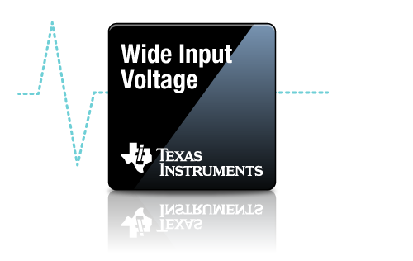
 |  |  | Ch1 Maximum Permitted ESR | 9 | mΩ |  |  | Ch2 Maximum Permitted ESR | 9 | mΩ
 |  |  | Ch1 Output Capacitor ESR | 1 | mΩ |  |  | Ch2 Output Capacitor ESR | 1 | mΩ
 |  |  | Resulting Output Voltage Ripple (max) | 9 | mVPK-PK |  |  | Resulting Output Voltage Ripple (max) | 9 | mVPK-PK
 |  |  | Output Capacitor RMS Current (max) | 0.6 | ARMS |  |  | Output Capacitor RMS Current (max) | 0.6 | ARMS

Step 5: Input Capacitors
 |  |  | Input Voltage Ripple Spec | 1000 | mVpk-pk
 |  |  | Minimum Input Capacitance | 10 | µF
 |  |  | Input Capacitance, CIN | 40 | µF
 |  |  | Maximum Permitted ESR | 160.3 | mΩ
 |  |  | Input Capacitor ESR | 1 | mΩ
 |  |  | Resulting Input Voltage Ripple (max) | 42 | mVPK-PK
 |  |  | Input Capacitor RMS Current (max) | 2.1 | ARMS

Step 6: Soft start, Input UVLO, PFM, DRSS
 |  |  | Soft-Start Time, tSS | 4.6 | ms
 |  |  | Soft-Start Resistance, RSS | 20 | kΩ
 |  |  | UVLO Turn-on Voltage, VIN(on) | 20 | V
 |  |  | UVLO Turn-off Voltage, VIN(off) | 14 | V
 |  |  | Eff. EN Pin Series Resistance, RUV3 | 2.5 | kΩ
 |  |  | Total EN Hysteresis Current | 20 | µA
 |  |  | UVLO Resistance, RUV1 | 200 | kΩ
 |  |  | UVLO Resistance, RUV2 | 10.5 | kΩ
 |  |  | * Tie PFM/SYNCIN to AGND
 |  |  | CNFG Resistance, RCNFG | 10 | kΩ

Crossover Frequency = 34.3 kHz
Step 7: Compensation Design
 |  |  | Ch1 Load Pole Frequency | 4456 | Hz |  |  | Ch2 Load Pole Frequency | 2982 | Hz
 |  |  | Ch1 ESR Zero Frequency | 2411 | kHz |  |  | Ch2 ESR Zero Frequency | 2411 | kHz
 |  |  | Ch1 Desired Crossover Frequency | 37 | kHz |  |  | Ch2 Desired Crossover Frequency | 35 | kHz
Phase Margin = 67°
 |  |  | Ch1 Error Amp Pole Frequency | 0.5 | Hz |  |  | Ch2 Error Amp Pole Frequency | 0.6 | Hz
 |  |  | Ch1 3.3V Out: Tie 7.5kΩ FB1 to VDDA | 78.7 | kΩ |  |  | Ch2 5V Out: Tie 24.9kΩ FB2 to VDDA | 78.7 | kΩ
 |  |  |  | 24.9 | kΩ |  |  |  | 15 | kΩ
 |  |  |  | 3.329 | V |  |  |  | 4.997 | V

Compensation Components
 | Calculated / | Std Values | Std Values |  | Actual P/Z Frequencies
RC1 | 9.5 | 9.53 | 9.53 | kΩ | 0 | Hz (FPEA)
CC1 | 4.5 | 4.7 | 4.7 | nF | 3.6 | kHz (FZCOMP)
CC2 | 69 | 68 | 68 | pF | 222 | kHz (FPCOMP)
RC2 | 12.1 | 12.1 | 12.1 | kΩ | 1 | Hz (FPEA2)
CC3 | 3.8 | 3.9 | 3.9 | nF | 3.4 | kHz (FZCOMP2)
CC4 | 52 | 56 | 56 | pF | 208 | kHz (FPCOMP2)

Efficiency / Power Loss Analyzer

Step 8: Efficiency
 |  |  |  |  | Ch1 Power MOSFETs | (Q1, Q2) |  | Ch2 Power MOSFETs | (Q3, Q4)
 |  |  |  | '852NL, '818NL |  |  | '852NL, '818NL
 |  |  |  | High side | Low side |  | High side | Low side
81.5%
77.4%
 |  |  | On-State Resistance, RDS(on) | 11.5 | 3.3 | mΩ | 11.5 | 3.3 | mΩ
 |  |  | Total Gate Charge, QG | 8 | 31 | nC | 8 | 31 | nC
 |  |  | Gate-Drain Charge, QGD | 2.8 | 11.2 | nC | 2.8 | 11.2 | nC
 |  |  | Gate-Source Charge, QGS | 3.1 | 11 | nC | 3.1 | 11 | nC
 |  |  | Output Charge, QOSS |  | 55 | nC |  | 55 | nC
 |  |  | Output Capacitance, COSS | 116 | 484 | pF | 116 | 484 | pF
 |  |  | Gate Resistance, RG | 1.2 | 1.2 | Ω | 1.2 | 1.2 | Ω
 |  |  | Transconductance, gFS | 55 | 200 | S | 55 | 200 | S
 |  |  | Gate Miller Plateau Voltage, VPL | 3 | 3 | V | 3 | 3 | V
 |  |  | Body Diode Forward Voltage, VBD | 0.7 | 0.7 | V | 0.7 | 0.7 | V
 |  |  | Body Diode Rev Recovery Charge, QRR |  | 73 | nC |  | 73 | nC
 |  |  | Thermal Resistance, θJA | 42 | 40 | °C/W | 42 | 40 | °C/W

Step 9: IC Power Dissipation
 |  |  | IC Power Dissipation | 0.82 | W
 |  |  | IC Junction Temperature (estimate) | 54 | °C

BOM & Schematic
23V...25V
C_{IN}
C_{VCC1}
40µF
2.2μF

R_{S1}
C_{BOOT1}
C_{BOOT2}
R_{S2}
L_{O1}
9mΩ
Q₁
Q₃
L_{O2}
8mΩ
3.3V
5V
5A
C_{O1}
3.3µH
4.7µH
C_{O2}
5A
Q₂
Q₄
66µF
66µF
LM5137F-Q1

C_{C1}
R_{C1}
Rc2
Cc3
9.53kΩ
4.7nF
3.9nF
12.1kΩ

Cc4
C_{C2}
R_{RT}
R_{SS}
C_{VDDA}
56pF
R_{CNFG}
68pF
20kΩ
10kΩ
52.3kΩ
470nF

** Tie PFM/SYNCIN to VDDA for PFM, AGND for FPWM **
** For dual-output operation, tie FB1/FB2 to VDDA through a 7.5kΩ, 24.9kΩ or 49.9kΩ resistor for fixed 3.3V, 5V and 12V outputs, respectively **
** For single-output operation in 2-phase mode, use FB1 to set VOUT. Connect FB2 to AGND to disable the EA of channel 2 **
** For single-output operation in 3-phase or 4-phase mode, use FB1 of the master IC to set VOUT. Connect FB2 of the master IC to AGND. Connect FB1 of the slave IC to GND for FPWM and to PFM/SYNCIN of the master for PFM. Connect FB2 of the slave IC to GND to configure it as a slave **
VIN = 23 V to 25 V, VOUT1 = 3.3 V, IOUT1 = 5A, VOUT2 = 5 V, IOUT2 = 5 A, Fsw = 440 kHz, Current Limit = 6 A
High Efficiency Synchronous Buck Regulator BOM
Count | Ref Des | Value | Description |  | Size | Part Number | MFR
2 | CBOOT1, CBOOT2 | 0.1µF | Capacitor, Ceramic, 0.1µF, 25V, X7R, 20% |  | 0603 | Std | Std
1 | CC1 | 4.7nF | Capacitor, Ceramic, 4.7nF, 16V, X7R, 10% |  | 0603 | Std | Std
1 | CC2 | 68pF | Capacitor, Ceramic, 68pF, 50V, NP0, 5% |  | 0603 | Std | Std
1 | CC3 | 3.9nF | Capacitor, Ceramic, 3.9nF, 16V, X7R, 10% |  | 0603 | Std | Std
1 | CC4 | 56pF | Capacitor, Ceramic, 56pF, 50V, NP0, 5% |  | 0603 | Std | Std
4 | CIN | 10µF | Capacitor, Ceramic, 10µF, 50V, X7R, 20% |  | 1210 | Std | Std
2 | COUT | 47µF | Capacitor, Ceramic, 47µF, 10V, X7R, 20% |  | 1210 | Std | Std
3 | CVCC | 2.2µF | Capacitor, Ceramic, 2.2µF, 25V, X7R, 20% |  | 0603 | Std | Std
1 | CVDDA | 0.47µF | Capacitor, Ceramic, 0.47µF, 25V, X7R, 20% |  | 0603 | Std | Std
1 | LO1 | 3.3µH | Inductor, 3.3µH, 25mΩ, >8A |  | - | - | Various
1 | LO2 | 4.7µH | Inductor, 4.7µH, 24.5mΩ, >8A |  | - | - | Various
2 | Q1, Q2 | See description | MOSFET, N-CH, 40V, 11.5mΩ |  | Std | '852NL, '818NL | -
2 | Q3, Q4 | See description | MOSFET, N-CH, 40V, 11.5mΩ |  | Std | '852NL, '818NL | -
1 | RC1 | 9.53k | Resistor, Chip, 9.53kΩ, 1/16W, 1% |  | 0603 | Std | Std
1 | RC2 | 12.1k | Resistor, Chip, 12.1kΩ, 1/16W, 1% |  | 0603 | Std | Std
1 | RS1 | 9m | Resistor, Chip, 9mΩ, 2W, 1% |  | 0508 | Std | Std
1 | RS2 | 8m | Resistor, Chip, 8mΩ, 2W, 1% |  | 0508 | Std | Std
1 | RRT | 52.3k | Resistor, Chip, 52.3kΩ, 1/16W, 1% |  | 0603 | Std | Std
1 | RFB1 | 78.7k | Resistor, Chip, 78.7kΩ, 1/16W, 1% |  | 0603 | Std | Std
1 | RFB2 | 24.9k | Resistor, Chip, 24.9kΩ, 1/16W, 1% |  | 0603 | Std | Std
1 | RFB3 | 78.7k | Resistor, Chip, 78.7kΩ, 1/16W, 1% |  | 0603 | Std | Std
1 | RFB4 | 15k | Resistor, Chip, 15kΩ, 1/16W, 1% |  | 0603 | Std | Std
1 | RCNFG | 10k | Resistor, Chip, 10kΩ, 1/16W, 1% |  | 0603 | Std | Std
2 | RPG1, RPG2 | 100k | Resistor, Chip, 100kΩ, 1/16W, 1% |  | 0603 | Std | Std
1 | RRSS | 20k | Resistor, Chip, 20kΩ, 1/16W, 1% |  | 0603 | Std | Std
1 | RVIN | 2.2 | Resistor, Chip, 2.2Ω, 1/16W, 1% |  | 0603 | Std | Std
1 | U1 | LM5137F-Q1 | IC, LM5137F-Q1, Functional Safety Buck PWM Controller, 4V–80V Input |  | VQFNP-36 | LM5137FDQRHARQ1 | TI

NOTES:
** For information on TI NexFETTM MOSFETs, see ** |  |  | http://www.ti.com/nexfet | **
** Inductor saturation current should be higher than the peak inductor current at the OCP setpoint for all input voltages and operating temperatures **
** Effective input and output capacitances should be appropriately derated for applied voltage and temperature, particularly with ceramics **

EVM
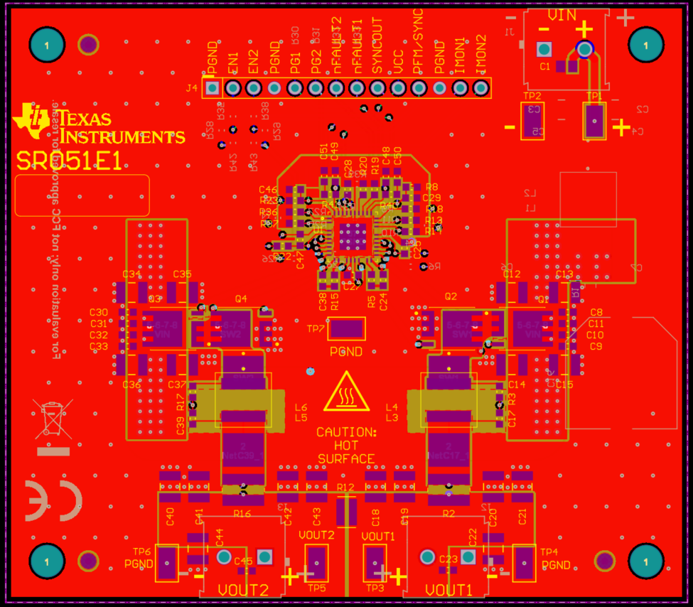
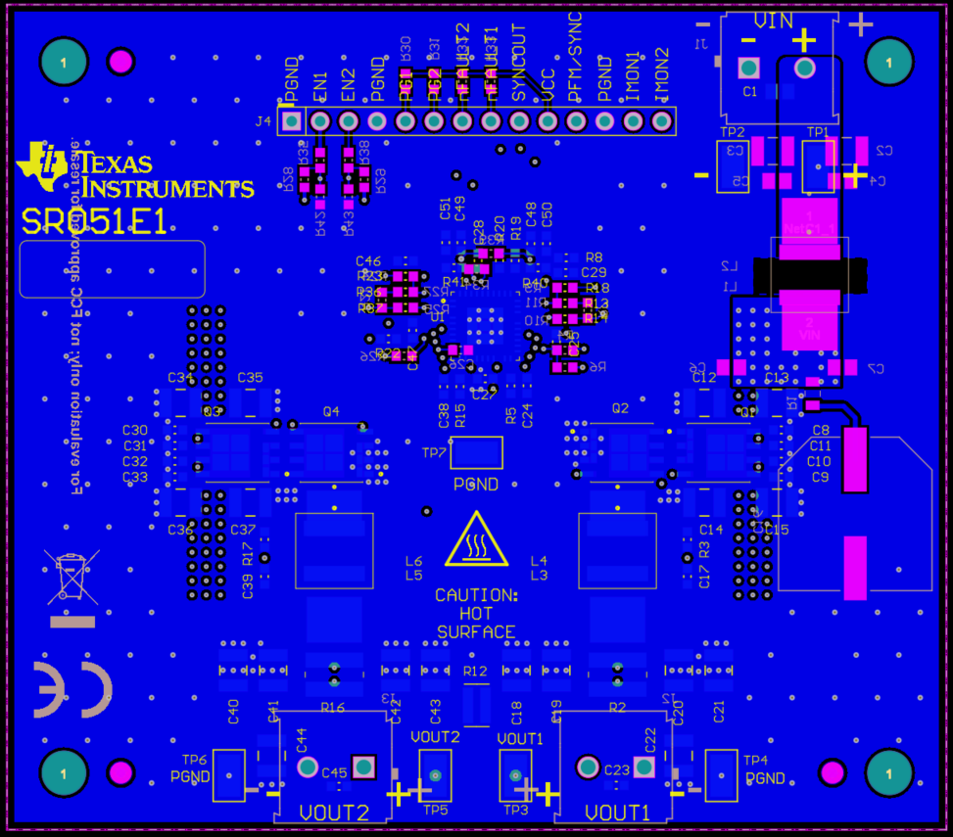
LM(2)5137F/-Q1 Quickstart Design Tool

 | LM25137F-Q1-EVM5D3 PCB Layout

