C1
Banking & Financial Statistics(Monthly)
(Provisional)
Mid Jan | 3066 | 2743
Mid Feb | 3085 | 2765
Mid Mar | 3111 | 2780
Mid Apr | 3155 | 2834
Mid May | 3161 | 2859
Mid Jun | 3210 | 2889
Mid Jul | 3354 | 2914
Mid Aug | 3333 | 2920
Mid Sep | 3356 | 2977
Mid Oct | 3443 | 3038
Mid Nov | 3445 | 3056
Mid Dec | 3475 | 3090
Mid Jan | 3561 | 3165
Mid Feb | 3565 | 3189
Mid Mar | 3614 | 3223
Mid Apr | 3668 | 3268
Mid May | 3697 | 3255
Mid Jun | 3768 | 3242
Mid Jul | 3934 | 3273
Mid Aug | 3935 | 3257
Mid Sep | 3960 | 3291
Mid Oct | 4124 | 3421
Mid Nov | 4117 | 3445
Mid Dec | 4191 | 3522
Mid Jan | 4284 | 3662
Mid Feb | 4299 | 3746
Mid Mar | 4345 | 3858
Mid Apr | 4465 | 4025
Mid May | 4474 | 4069
Mid June | 4510 | 4109

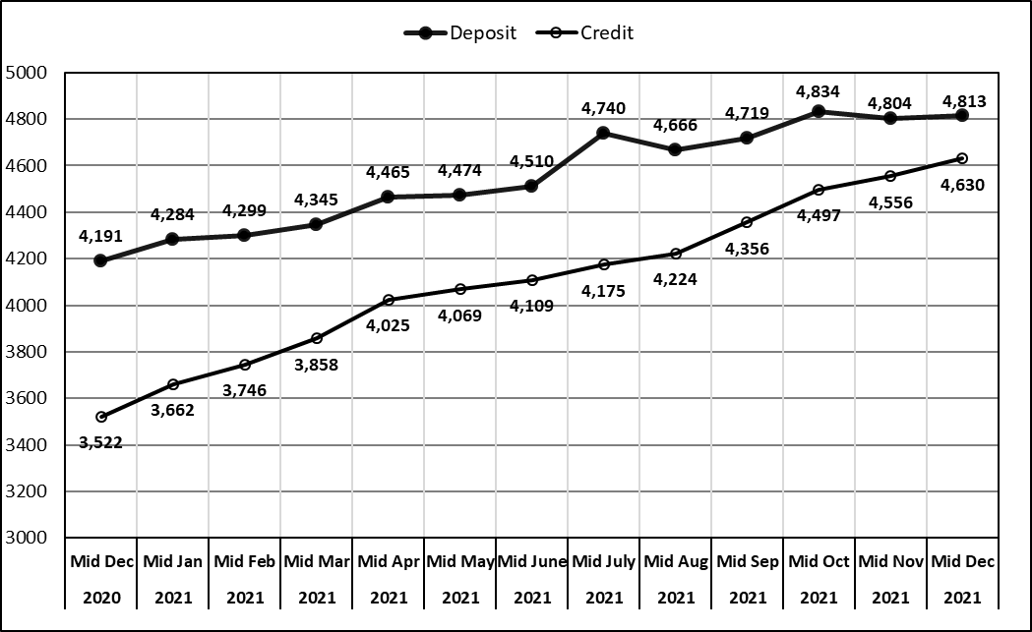

Rs in Billion

Nepal Rastra Bank
Banks & Financial Institutions Regulation Department

2078 Mangsir
(Mid-Dec, 2021)

