Template


 | 100% | 34%
COMPLETION RATE :
Weekly Planner Template

 | MONDAY |  | TUESDAY |  | WEDNESDAY |  | THURSDAY
 | 100% | 43%
 | 100% | 33%
 | 100% | 20%
 | 100% | 25%
 | Please enter the content | ☑ | Please enter the content | ☑ | Please enter the content | □ | Please enter the content | □
 | Please enter the content | ☑ | Please enter the content | ☑ | Please enter the content | ☑ | Please enter the content | ☑
 | Please enter the content | □ | Please enter the content | □ | Please enter the content | □ | Please enter the content | □
 | Please enter the content | □ | Please enter the content | □ | Please enter the content | □ | Please enter the content | □
 | Please enter the content | ☑ | Please enter the content | □ | Please enter the content | □ |  | □
 | Please enter the content | □ | Please enter the content | □ |  | □ |  | □
 | Please enter the content | □ |  | □ |  | □ |  | □
 |  | □ |  | □ |  | □ |  | □
 |  | □ |  | □ |  | □ |  | □
 |  | □ |  | □ |  | □ |  | □

 | FRIDAY |  | SATURDAY |  | SUNDAY |  | SUMMARIZE
 | 100% | 33%
 | 100% | 50%
 | 100% | 50%
 | Please enter the content | ☑ | Please enter the content | ☑ | Please enter the content | ☑
 | Please enter the content | □ | Please enter the content | □ | Please enter the content | □
 | Please enter the content | □ |  | □ |  | □
 |  | □ |  | □ |  | □
 |  | □ |  | □ |  | □
 |  | □ |  | □ |  | □
 |  | □ |  | □ |  | □
 |  | □ |  | □ |  | □
 |  | □ |  | □ |  | □
 |  | □ |  | □ |  | □

Instructions
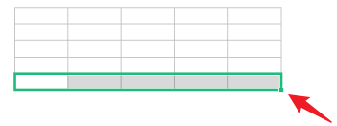
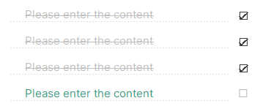

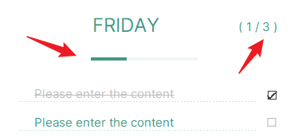
Docer Table Template Instructions
(This is the operating instructions page, you can use this template according to the instructions)
02
Instructions
01
Basic Operating Guidelines
· How to unprotect sheet?
1. Select Worksheet.
2. Click:「Review --- Unprotect Sheet」.
1. Select cells that display data.
2. Put the mouse in the bottom right corner, and when the arrow changes to a black cross, pull down the cells and the formula will cover the blank row area.
1. Select the last row of the table, and put the mouse in the bottom right corner of the selected area.
2. When the mouse arrow changes to a black cross, click the left button to drop down.
3. If the cells cannot be selected, it is recommended to check whether "Unprotect Sheet" is displayed in "Review" Tab. If it appears, please click on "Unprotect Sheet" ，to return to the table and continue the operation.
· How to increase row numbers in table
· How to use the template
1. Enter the schedule: Click the schedule panel to enter the content, you can mark the event with "☑" to complete, and the completed event will be displayed with a strikethrough to show the difference.
2. Week's summary: Click "SUMMARIZE" to enter this week's summary.
3. Statistics: Progress bar and numerical statistics are provided at the top of the schedule, where the two numbers in parentheses represent "Completed Task" and "Today's Task", respectively.
4. Weekly progress: There is a weekly progress bar at the top of the table.

· What should I do if the formula cannot display properly when I input content in a blank line?

