Sheet1
Bug ID : | Bg_001
Test Case name/ ID : | Tc_Biriyani
Module name/ID: | Food
Requirement: | Zomato
Status: | New/Open
Reported By: | Aarthi
Assigned By: | HAMS
CC : | To all TE's
Severity: | Critical
Priority: | High
Build: | b_001
Server: | Production Server
Platform: | Windows 10/ Chrome
Test Data : | URL(WWW.ZOMATO.COM) UN : ABC PWD: 123
Summary : | The Bug is about share Button Is not working while ordering food and before order food.
1.By clicking on share button the details of food need to be shared.
2.The share button button should be enabled.
3.The details of every food need to be share before and after ordering food.
Brief Description :
1. Steps To Reproduce :
Share Button is Disabled
2.Obeservation:
3.Excepted Result : | Share button should be Enabled
4.Additional Comment:
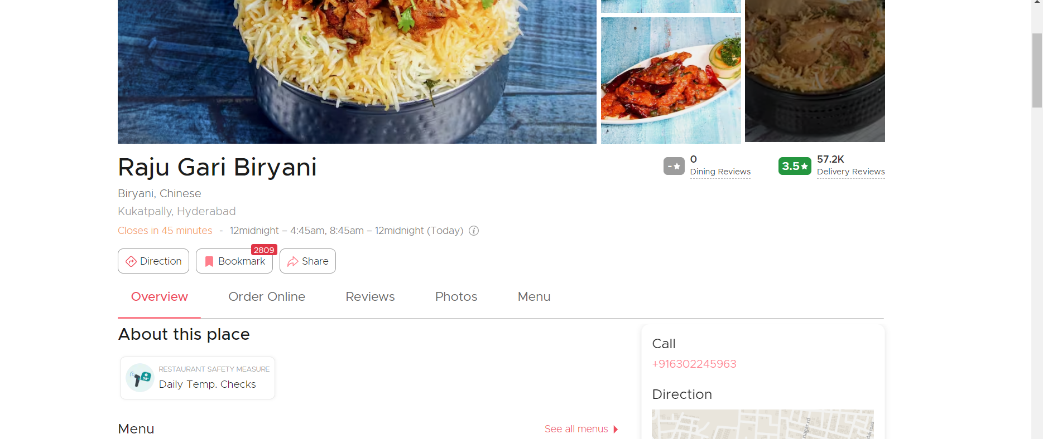 ScreenShot :

