8. Family status
Como (NSW) population and family status from 2001 - 2021
Como (NSW) population change and family status from 2001 - 2021
Location | Como
Time | Y2001 | Y2006 | Y2011 | Y2016 | Y2021
Families | 1,063 | 1,032 | 1,047 | 1,090 | 1,147
CoupleFamilyNoChidren(%) | 33.1% | 28.9% | 29.8% | 28.1% | 28.5%
CoupleFamilyHasChidren(%) | 56.2% | 61.2% | 60.6% | 62.3% | 61.1%
OneParentFamily(%) | 9.8% | 8.8% | 8.4% | 9.2% | 9.1%
OtherFamily(%) | 0.9% | 1.1% | 1.2% | 0.5% | 0.9%

Location | Como
Time | Y2001 | Y2006 | Y2011 | Y2016 | Y2021
Changes in Families | 100% | 97% | 101% | 104% | 105%
Changes in CoupleFamilyNoChidren(%) | 100% | 87% | 103% | 94% | 101%
Changes in CoupleFamilyHasChidren(%) | 100% | 109% | 99% | 103% | 98%
Changes in OneParentFamily(%) | 100% | 90% | 95% | 110% | 99%
Changes in OtherFamily(%) | 100% | 122% | 109% | 42% | 180%

Changes in Como (NSW) population and family status from 2001 - 2021
Location | Como
Time | Y2011 | Y2016 | Y2021 |  | Accum
1xBedroom(%) | 1.4% | 1.1% | 1.5% |  | 7%
2xBedroom(%) | 12.5% | 11.1% | 8.4% |  | -33%
3xBedroom(%) | 43.5% | 39.7% | 37.4% |  | -14%
4xBedroom+(%) | 41.2% | 46.5% | 52.2% |  | 27%
AverageNumberBedroomsPerDwelling | 3.4 | 3.5 | 3.6 |  | 6%
AverageNumberPeoplePerHousehold | 3.0 | 3.1 | 3.1 |  | 3%

Number of bedroom vs average number bedroom per dwelling or house

7. Dwelling status
Como (NSW) dwelling status from 2001 - 2021
Location | Como
Time | Y2001 | Y2006 | Y2011 | Y2016 | Y2021
OccupiedDwellings(%) | 95.8% | 95.7% | 95.0% | 94.4% | 95.7%
UnoccupiedDwelling(%) | 4.2% | 4.3% | 5.0% | 5.6% | 4.2%
SeparateHouse(dwellings%) | 92.6% | 94.0% | 93.9% | 91.9% | 91.3%
SemiDetached(dwellings%) | 5.4% | 5.4% | 5.7% | 6.8% | 7.6%
FlatUnitApartment(dwellings%) | 1.0% | 0.2% | 0.4% | 0.2% | 0.8%

Location | Como
Time | Y2001 | Y2006 | Y2011 | Y2016 | Y2021
SeparateHouse(dwellings%) | 92.6% | 94.0% | 93.9% | 91.9% | 91.3%
SemiDetached(dwellings%) | 5.4% | 5.4% | 5.7% | 6.8% | 7.6%
FlatUnitApartment(dwellings%) | 1.0% | 0.2% | 0.4% | 0.2% | 0.8%

Como (NSW) dwelling status from 2001 - 2021

6. Workforce
Como (NSW) workforce status from 2001 - 2021
Location | Como
Time | Y2001 | Y2006 | Y2011 | Y2016 | Y2021 | Acc change
Worked full-time(%) | 63.3% | 61.1% | 59.7% | 59.9% | 58.6% | -7%
Worked part-time(%) | 32.1% | 30.7% | 31.6% | 32.9% | 29.3% | -9%
Unemployment(%) | 2.7% | 2.3% | 3.5% | 2.9% | 3.2% | 19%
Change in worked full-time | 100.0% | 96.5% | 97.7% | 100.3% | 97.8%
Change in worked part-time | 100.0% | 95.6% | 102.9% | 104.1% | 89.1%
Change in unemployment | 100.0% | 85.2% | 152.2% | 82.9% | 110.3%
Como (NSW) workforce status from 2001 - 2021
Como (NSW) workforce status from 2001 - 2021
Unemployment ratio increase 19% over 20 years
Worked full-time ratio decrease 7% while part-time decrease by 9%
Worked full-time ratio decrease 7% while part-time decrease by 9%

Unemployment ratio increase 19% over 20 years

5. House Onwership
Como (NSW) ownership and household from 2001 - 2021
Location | Como
Time | Y2001 | Y2006 | Y2011 | Y2016 | Y2021
FullyOwned(%) | 50.6% | 41.6% | 40.6% | 38.7% | 40.4%
OwnedWithMortgage(%) | 35.7% | 45.7% | 47.5% | 49.2% | 48.2%
Rented(%) | 9.9% | 10.3% | 9.8% | 9.7% | 10.6%
FamilyHouseHolds(%) | 83.0% | 81.9% | 83.9% | 84.8% | 86.2%
SinglePersonHouseHolds(%) | 14.0% | 15.4% | 13.9% | 13.5% | 12.5%
Como (NSW) ownership and household composition from 2001 - 2021
GroupHouseHold(%) | 2.1% | 1.7% | 2.2% | 1.7% | 1.4%

Como (NSW) changes in ownership and household from 2001 - 2021
Location | Como
Time | Y2001 | Y2006 | Y2011 | Y2016 | Y2021
FullyOwned(%) | 100.0% | 82.2% | 80.2% | 76.5% | 79.8%
OwnedWithMortgage(%) | 100.0% | 128.0% | 133.1% | 137.8% | 135.0%
Rented(%) | 100.0% | 104.0% | 99.0% | 98.0% | 107.1%
FamilyHouseHolds(%) | 100.0% | 98.7% | 101.1% | 102.2% | 103.9%
SinglePersonHouseHolds(%) | 100.0% | 110.0% | 99.3% | 96.4% | 89.3%
GroupHouseHold(%) | 100.0% | 81.0% | 104.8% | 81.0% | 66.7%

Como (NSW) changes in ownership and household from 2001 - 2021

4. Pop and marial status
Como (NSW) population change and marial status from 2001 - 2021
Location | Como
Time | Y2001 | Y2006 | Y2011 | Y2016 | Y2021
Population | 3,673 | 3,736 | 3,789 | 3,977 | 4,053 | 1.103457664
MedianAge |  | 37 | 38 | 39 | 40 | 1.0810810811
Families | 1,063 | 1,032 | 1,047 | 1,090 | 1,147
Married(%) | 62.2% | 60.9% | 60.8% | 62.1% | 59.7%
Separated+Divorced(%) | 6.9% | 6.9% | 7.4% | 8.0% | 6.8%
Widowed(%) | 5.0% | 4.9% | 4.3% | 3.7% | 3.9%
NeverMarried(%) | 25.9% | 27.4% | 27.5% | 26.2% | 29.5%
Como (NSW) population change and marial status from 2001 - 2021
 | Married(%) | NeverMarried(%) | Separated+Divorced(%) | Widowed(%) | Population | MedianAge | Families
 | 62.2% | 25.9% | 6.9% | 5.0% | 3,673 |  | 1,063
 | 60.9% | 27.4% | 6.9% | 4.9% | 3,736 | 37 | 1,032
 | 60.8% | 27.5% | 7.4% | 4.3% | 3,789 | 38 | 1,047
 | 62.1% | 26.2% | 8.0% | 3.7% | 3,977 | 39 | 1,090
 | 59.7% | 29.5% | 6.8% | 3.9% | 4,053 | 40 | 1,147

3. Finance
Como (NSW) resident income vs housing from 2001 - 2021 |  |  |  |  | Weekly mortage and rent payment vs income
Location | Como |  |  |  | Location | Como
Time | Y2006 | Y2011 | Y2016 | Y2021 | Time | Y2006 | Y2011 | Y2016 | Y2021
MedianPersonalWeeklyIncome | $636 | $778 | $948 | $1,149 | MedianPersonalWeeklyIncome | $636 | $778 | $948 | $1,149
MedianFamilyWeeklyIncome | $1,904 | $2,505 | $2,779 | $3,452 | MedianFamilyWeeklyIncome | $1,904 | $2,505 | $2,779 | $3,452
MedianHouseholdWeeIklyIncome | $1,668 | $2,254 | $2,543 | $3,152 | MedianHouseholdWeeIklyIncome | $1,668 | $2,254 | $2,543 | $3,152
MedianMortgageWeeklyPayment | $449 | $598 | $598 | $690 | MedianMortgageWeeklyPayment | $449 | $598 | $598 | $690
MedianWeeklyRent | $300 | $450 | $550 | $590 | MedianWeeklyRent | $300 | $450 | $550 | $590
ChangeMedianPersonalWeeklyIncome | 100% | 122% | 122% | 121%
ChangeMedianFamilyWeeklyIncome | 100% | 132% | 111% | 124% | Weekly mortage and rent payment vesus income
ChangeMedianHouseholdWeeIklyIncome | 100% | 135% | 113% | 124% | Location | Como
ChangeMedianMortgageWeeklyPayment | 100% | 133% | 100% | 115% | Time | Y2006 | Y2011 | Y2016 | Y2021 | Accumulated
ChangeMedianWeeklyRent | 100% | 150% | 122% | 107% | Mortgage Payment vs Personal Income | 71% | 77% | 63% | 60% | -15%
 |  |  |  |  | Rent Payment vs Personal Income | 47% | 58% | 58% | 51% | 9%
Como(NSW) residnet invome vs housing expense
 |  |  |  |  | Mortgage Payment vs Family Income | 24% | 24% | 22% | 20% | -15%
 |  |  |  |  | Rent Payment vs Family Income | 16% | 18% | 20% | 17% | 8%
 |  |  |  |  | Mortgage Payment vs Household Income | 27% | 27% | 24% | 22% | -19%
 |  |  |  |  | Rent Payment vs Household Income | 18% | 20% | 22% | 19% | 4%
Weekly rent increase 97% while weekly mortage payment only increase by 54%
Median personal family income both increase 81%

Weekly mortage and rent payment vs income

Rent payment vs personal income ratio had increased 9%
Morgage payment vs personal income ratio had decreased 15%

Mortgage payment vs Family income ratio had decreased by 15%, and 19% for Household income

Rent payment vs Family income ratio had increased by 8%, and 4% for Household income

2. House and unit price
Como (NSW) median house and unit price from 2001 - 2021
Location | Como
Time | Y2001 | Y2006 | Y2011 | Y2016 | Y2021 | Time | Y2001 | Y2006 | Y2011 | Y2016 | Y2021
MedianHousePrice | $405,000 | $550,000 | $705,780 | $1,135,000 | $1,681,000 | MedianHousePrice | $405,000 | $550,000 | $705,780 | $1,135,000 | $1,681,000
MedianUnitPrice | $362,500 | $520,000 | $512,000 | $1,172,000 | $1,180,000 | MedianUnitPrice | $362,500 | $520,000 | $512,000 | $1,172,000 | $1,180,000
Change in median house price | 100% | 136% | 128% | 161% | 148% | Change in median unit price | 100% | 143% | 98% | 229% | 101%
Change in median unit price | 100% | 143% | 98% | 229% | 101% | Accumulated change in median house price | 100% | 136% | 174% | 280% | 415%
Accumulated change in median house price | 100% | 136% | 174% | 280% | 415% | Accumulated change in median unit price | 100% | 143% | 141% | 323% | 326%
Accumulated change in median unit price | 100% | 143% | 141% | 323% | 326% | Change in median house price | 100% | 136% | 128% | 161% | 148%

Como (NSW) median house and unit price from 2001 - 2021

 |  |  |  |  |  | xw

1. Supply and demand
Como (NSW) property supply and demand status from 2001 - 2021
Location | Como
Time | Y2001 | Y2006 | Y2011 | Y2016 | Y2021
Population | 3,673 | 3,736 | 3,789 | 3,977 | 4,053
TotalPrivateDwelling (Supply) | 1,322 | 1,290 | 1,319 | 1,352 | 1,378
AverageNumberPeoplePerHousehold |  | 3.0 | 3.0 | 3.1 | 3.1
Demand |  | 1245.33 | 1263.00 | 1282.90 | 1307.42
Ratio of Supply to Demand |  | 104% | 104% | 105% | 105%
Changes in population | 100% | 102% | 101% | 105% | 102%
Changes in demand |  | 100% | 101% | 102% | 102%
Changes in supply | 100% | 98% | 102% | 103% | 102%

Accumulated changes in population | 0% | 2% | 3% | 8% | 10%
Accumulated changes in demand |  | 0% | 1% | 3% | 5%
Accumulated changes in supply | 0% | -2% | 0% | 2% | 4%

Como (NSW) property supply and demand status from 2001 - 2021 |  |  |  |  |  | Note: For graph and picture
Location | Como
Time | Y2001 | Y2006 | Y2011 | Y2016 | Y2021
Population | 3,673 | 3,736 | 3,789 | 3,977 | 4,053
TotalPrivateDwelling (Supply) | 1,322 | 1,290 | 1,319 | 1,352 | 1,378
Demand | 0 | 1,245 | 1,263 | 1,283 | 1,307
Ratio of Supply to Demand |  | 104% | 104% | 105% | 105%
Changes in population | 100% | 102% | 101% | 105% | 102%
Changes in demand |  | 100% | 101% | 102% | 102%
Changes in supply | 100% | 98% | 102% | 103% | 102%

Accumulated changes in population | 0% | 2% | 3% | 8% | 10%
Accumulated changes in demand |  | 0% | 1% | 3% | 5%
Accumulated changes in supply | 0% | -2% | 0% | 2% | 4%

Como (NSW) property supply and demand status from 2001 - 2021
 | Population | TotalPrivateDwelling (Supply) | Demand | Changes in population | Changes in supply | Changes in demand | Ratio of Supply to Demand
Y2001 | 3,673 | 1,322 | 0 | 100% | 100%
Y2006 | 3,736 | 1,290 | 1,245 | 102% | 98% | 100% | 104%
Y2011 | 3,789 | 1,319 | 1,263 | 101% | 102% | 101% | 104%
Y2016 | 3,977 | 1,352 | 1,283 | 105% | 103% | 102% | 105%
Y2021 | 4,053 | 1,378 | 1,307 | 102% | 102% | 102% | 105%

10% increase in population over 20 years

5% increase in demand vs 4% in supply over 20 years

checl
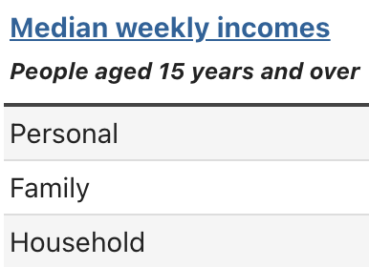
Location | Como | Como | Como | Como | Como
Time | Y2001 | Y2006 | Y2011 | Y2016 | Y2021
MedianHousePrice | $405,000 | $550,000 | $705,780 | $1,135,000 | $1,681,000 | x |  | x
MedianUnitPrice | $362,500 | $520,000 | $512,000 | $1,172,000 | $1,180,000 | x |  | x
MedianPersonalWeeklyIncome | x | $636 | $778 | $948 | $1,149 | x
MedianFamilyWeeklyIncome | x | $1,904 | $2,505 | $2,779 | $3,452 | x
MedianHouseholdWeeIklyIncome | x | $1,668 | $2,254 | $2,543 | $3,152 | x
MedianMortgageWeeklyPayment | x | $449 | $598 | $598 | $690 | x
MedianWeeklyRent | x | $300 | $450 | $550 | $590 | x
Population | 3,673 | 3,736 | 3,789 | 3,977 | 4,053 | x
MedianAge | x | 37 | 38 | 39 | 40 | x | 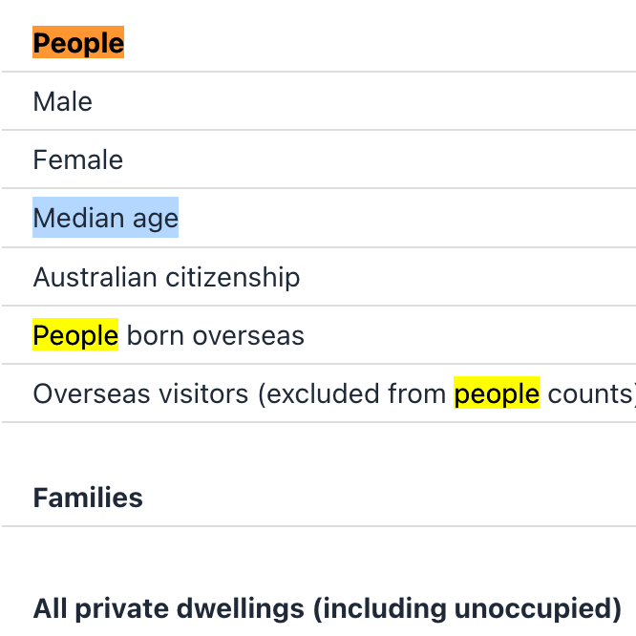
Families | 1,063 | 1,032 | 1,047 | 1,090 | 1,147 | x
TotalPrivateDwelling | 1,322 | 1,290 | 1,319 | 1,352 | 1,378 | x
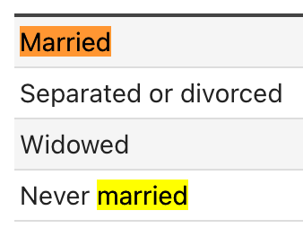
Married(%) | 62.2% | 60.9% | 60.8% | 62.1% | 59.7% | x
Separated+Divorced(%) | 6.9% | 6.9% | 7.4% | 8.0% | 6.8% | x
Widowed(%) | 5.0% | 4.9% | 4.3% | 3.7% | 3.9% | x
NeverMarried(%) | 25.9% | 27.4% | 27.5% | 26.2% | 29.5% | x
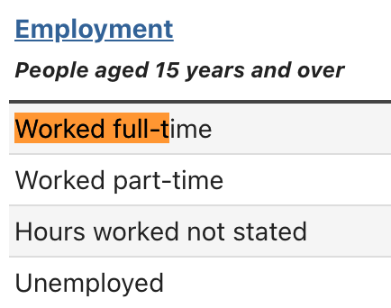
BirthInAustralia(%) | 83.2% | 83.8% | 83.6% | 81.1% | 79.7% | x
Worked full-time(%) | 63.3% | 61.1% | 59.7% | 59.9% | 58.6% | x
Worked part-time(%) | 32.1% | 30.7% | 31.6% | 32.9% | 29.3% | x
Unemployment(%) | 2.7% | 2.3% | 3.5% | 2.9% | 3.2% | x
PeopleTravelledToWorkByPublicTransport(%) | x | x | 25.1% | 28.1% | 3.6% | x
PeopleTravelledToWorkByCar(%) | x | x | 54.6% | 55.9% | 30.7% | x
AverageMotorVehiclesPerDwelling | x | x | 1.8 | 1.9 | 1.9 | x
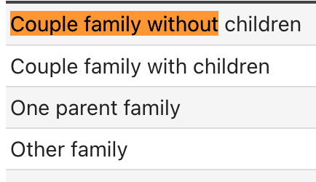
CoupleFamilyNoChidren(%) | 33.1% | 28.9% | 29.8% | 28.1% | 28.5% | x
CoupleFamilyHasChidren(%) | 56.2% | 61.2% | 60.6% | 62.3% | 61.1% | x
OneParentFamily(%) | 9.8% | 8.8% | 8.4% | 9.2% | 9.1% | x
OtherFamily(%) | 0.9% | 1.1% | 1.2% | 0.5% | 0.9% | x
OccupiedDwellings(%) | 95.8% | 95.7% | 95.0% | 94.4% | 95.7% | x |  |  | 0.95736434109
UnoccupiedDwelling(%) | 4.2% | 4.3% | 5.0% | 5.6% | 4.2% | x
SeparateHouse(dwellings%) | 92.6% | 94.0% | 93.9% | 91.9% | 91.3% | x
SemiDetached(dwellings%) | 5.4% | 5.4% | 5.7% | 6.8% | 7.6% | x
FlatUnitApartment(dwellings%) | 1.0% | 0.2% | 0.4% | 0.2% | 0.8% | x
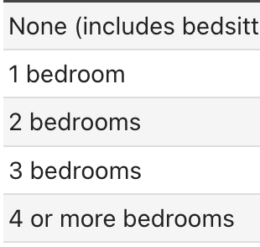
0xBedroom(%) | x | x | 0.0% | 0.0% | 0.0% | x
1xBedroom(%) | x | x | 1.4% | 1.1% | 1.5% | x
2xBedroom(%) | x | x | 12.5% | 11.1% | 8.4% | x
3xBedroom(%) | x | x | 43.5% | 39.7% | 37.4% | x
4xBedroom+(%) | x | x | 41.2% | 46.5% | 52.2% | x
AverageNumberBedroomsPerDwelling | x | x | 3.4 | 3.5 | 3.6 | x
AverageNumberPeoplePerHousehold | x | 3.0 | 3.0 | 3.1 | 3.1 | x
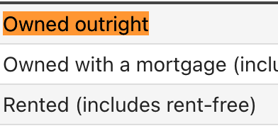
FullyOwned(%) | 50.6% | 41.6% | 40.6% | 38.7% | 40.4% | x
OwnedWithMortgage(%) | 35.7% | 45.7% | 47.5% | 49.2% | 48.2% | x
Rented(%) | 9.9% | 10.3% | 9.8% | 9.7% | 10.6% | x
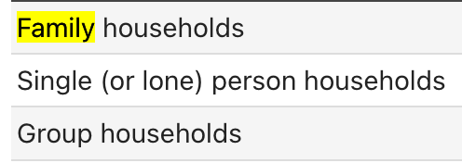
FamilyHouseHolds(%) | 83.0% | 81.9% | 83.9% | 84.8% | 86.2% | x
SinglePersonHouseHolds(%) | 14.0% | 15.4% | 13.9% | 13.5% | 12.5% | x
GroupHouseHold(%) | 2.1% | 1.7% | 2.2% | 1.7% | 1.4% | x
LessThan$650WeeklyIncome(%) | x | x | 11.8% | 9.1% | 8.3%
MoreThan$3000WeeklyIncome(%) | x | x | 29.8% | 40.9% | 52.2%
HouseholdsRentPayments<30%Income (%) | x | x | 96.1% | 95.8% | 58.7%
HouseholdsRentPayments>30%Income(%) | x | x | 3.9% | 4.2% | 29.0%
HouseholdsMortgageRepayments<30%Income(%) | x | x | 87.4% | 91.7% | 81.5%
HouseholdsMortgageRepayments>30%Income(%) | x | x | 12.6% | 8.3% | 10.9%

