Section
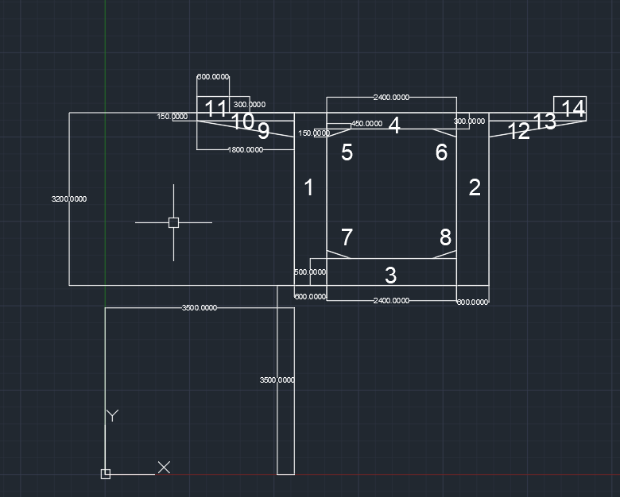
rectangle | 600 | 3200 | 3500 | 3500 | 1 | 1
rectangle | 600 | 3200 | 6500 | 3500 | 1 | 2
rectangle | 2400 | 500 | 4100 | 3500 | 1 | 3
rectangle | 2400 | 300 | 4100 | 6400 | 1 | 4
triangle | 450 | 150 | 4100 | 6250 | 3 | 5
triangle | 450 | 150 | 6050 | 6250 | 1 | 6
triangle | 450 | 150 | 4100 | 4000 | 2 | 7
triangle | 450 | 150 | 6050 | 4000 | 4 | 8
triangle | 1800 | 300 | 1700 | 6400 | 1 | 9
rectangle | 1800 | 150 | 1700 | 6550 | 1 | 10
rectangle | 600 | 300 | 1700 | 6700 | 1 | 11
triangle | 1800 | 300 | 7100 | 6400 | 3 | 12 | 2 | 1
rectangle | 1800 | 150 | 7100 | 6550 | 1 | 13
rectangle | 600 | 300 | 8300 | 6700 | 1 | 14

 |  |  |  |  |  |  | 3 | 4

