Section
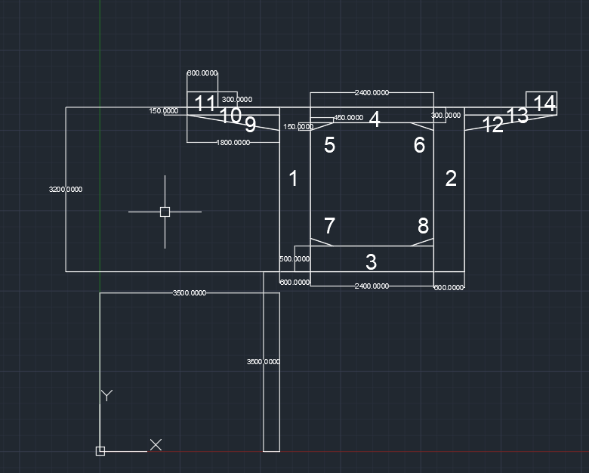
rectangle | 600 | 3200 | 3500 | 3500 | 1 | 0 | Left Column
rectangle | 600 | 3200 | 6500 | 3500 | 1 | 1 | Right Column
rectangle | 2400 | 500 | 4100 | 3500 | 1 | 2 | Bottom Slab
rectangle | 2400 | 300 | 4100 | 6400 | 1 | 3 | Top Slab
triangle | 450 | 150 | 4100 | 6250 | 3 | 4 | Small Triangular Section
triangle | 450 | 150 | 6050 | 6250 | 1 | 5 | Small Triangular Section
triangle | 450 | 150 | 4100 | 4000 | 2 | 6 | Small Triangular Section
triangle | 450 | 150 | 6050 | 4000 | 4 | 7 | Small Triangular Section
triangle | 1800 | 300 | 1700 | 6400 | 1 | 8 | Small Triangular Section
rectangle | 1800 | 150 | 1700 | 6550 | 1 | 9 | Left Rectangular Cantilever
rectangle | 600 | 300 | 1700 | 6700 | 1 | 10 | Left Kerb
triangle | 1800 | 300 | 7100 | 6400 | 3 | 11 | Right Small Triangular Section | 2 | 1
rectangle | 1800 | 150 | 7100 | 6550 | 1 | 12 | Right Rectangular Cantilever
rectangle | 600 | 300 | 8300 | 6700 | 1 | 13 | Right Kerb

 |  |  |  |  |  |  |  | 3 | 4

