R analysis
R script | Output

# Descriptive statistics
descriptive_stats <- summary(data$Price)
descriptive_stats["skewness"] <- skewness(data$Price)
descriptive_stats["cv"] <- sd(data$Price) / mean(data$Price)
descriptive_stats["variance"] <- var(data$Price)
descriptive_stats["range"] <- range(data$Price)
descriptive_stats["IQR"] <- IQR(data$Price)
descriptive_stats["skewness"] <- skewness(data$Price)
descriptive_stats["kurtosis"] <- kurtosis(data$Price)
descriptive_stats["cv"] <- sd(data$Price) / mean(data$Price)

# Print the statistics
print(descriptive_stats)

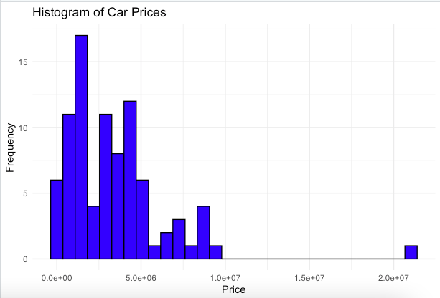
# Histogram
ggplot(data, aes(x = Price)) +
geom_histogram(bins = 30, color = "black", fill = "blue") +
labs(title = "Histogram of Car Prices", x = "Price", y = "Frequency") +

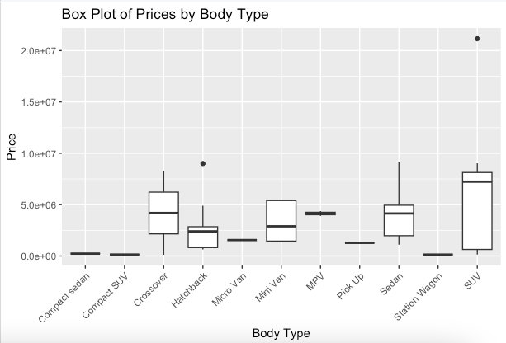
# Box plot of Body Type against Price
ggplot(data, aes(x = `Body.Type`, y = Price)) +
geom_boxplot() +
labs(title = "Box Plot of Prices by Body Type", x = "Body Type", y = "Price") +
theme(axis.text.x = element_text(angle = 45, hjust = 1))

library(car)
library(ggplot2)

car_data <- read_excel("path")
names(car_data) <- make.names(names(car_data), unique = TRUE)

# Convert Body Type to a factor
car_data$Body.Type <- as.factor(car_data$Body.Type)

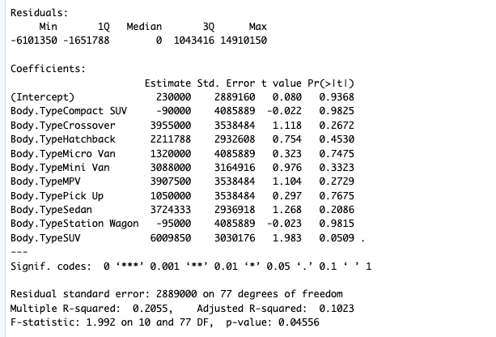
# Regression Model 1: Price ~ Body Type
model1 <- lm(Price ~ Body.Type, data = car_data)
summary(model1)

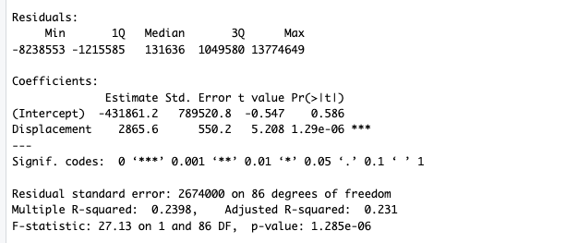
# Regression Model 2: Price ~ Displacement
model2 <- lm(Price ~ Displacement, data = car_data)
summary(model2)

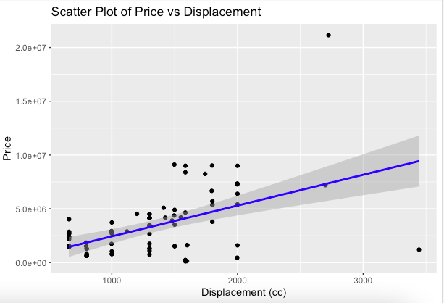
# Plotting
# Scatter plot for Price vs Displacement
ggplot(car_data, aes(x = Displacement, y = Price)) +
geom_point() +
geom_smooth(method = "lm", col = "blue") +
labs(title = "Scatter Plot of Price vs Displacement", x = "Displacement (cc)", y = "Price")

# Residual plot for Price ~ Body Type
plot(model1$residuals ~ fitted(model1),
xlab = "Fitted Values", ylab = "Residuals",
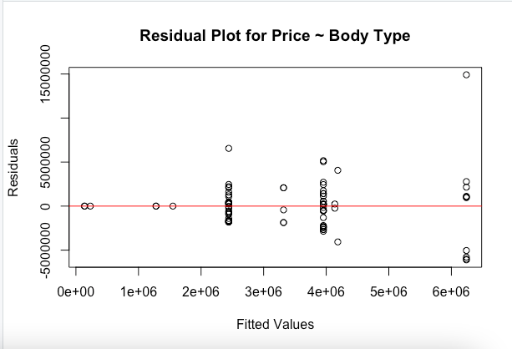
main = "Residual Plot for Price ~ Body Type")
abline(h = 0, col = "red")

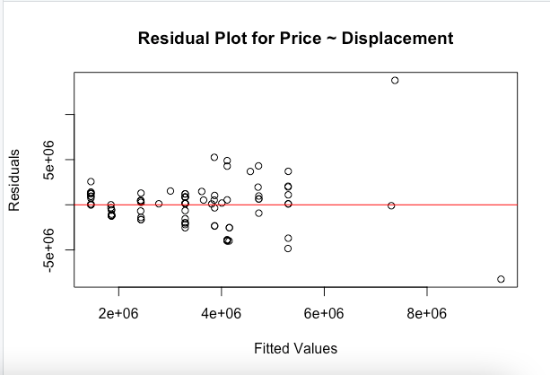
# Residual plot for Price ~ Displacement
plot(model2$residuals ~ fitted(model2),
xlab = "Fitted Values", ylab = "Residuals",
main = "Residual Plot for Price ~ Displacement")
abline(h = 0, col = "red")

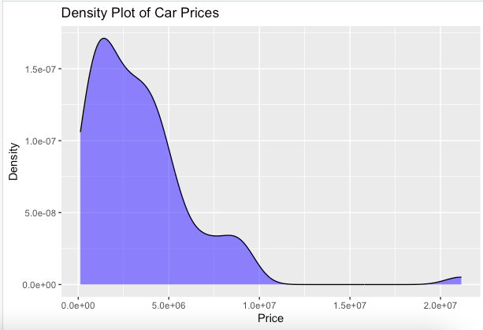
ggplot(car_data, aes(x = Price)) +
geom_density(fill = "blue", alpha = 0.5) +
labs(title = "Density Plot of Car Prices", x = "Price", y = "Density")

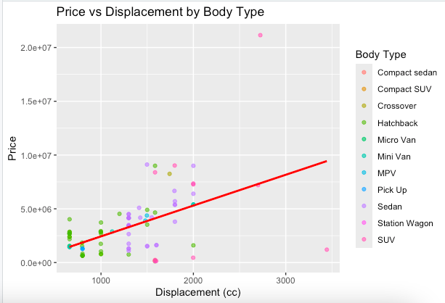
# Scatter plot for Price vs Displacement with regression line
ggplot(car_data, aes(x = Displacement, y = Price)) +
geom_point(aes(color = Body.Type), alpha = 0.6) +
geom_smooth(method = "lm", color = "red", se = FALSE) +
labs(title = "Price vs Displacement by Body Type", x = "Displacement (cc)", y = "Price") +
scale_color_discrete(name = "Body Type")

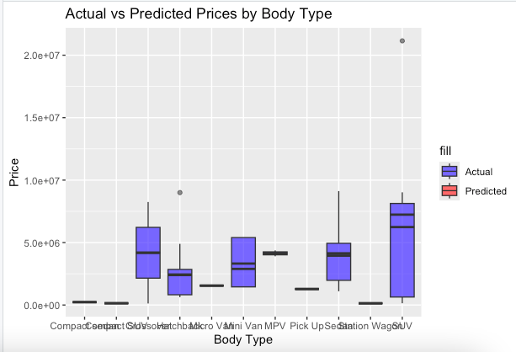
car_data$Predicted.Price <- predict(model1, newdata = car_data)

# Boxplot of actual vs. predicted prices by body type
ggplot(car_data, aes(x = Body.Type, y = Price)) +
geom_boxplot(aes(fill = "Actual"), alpha = 0.6) +
geom_boxplot(aes(y = Predicted.Price, fill = "Predicted"), alpha = 0.6) +
labs(title = "Actual vs Predicted Prices by Body Type", x = "Body Type", y = "Price") +
scale_fill_manual(values = c("Actual" = "blue", "Predicted" = "red"))

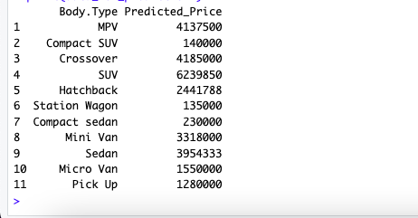
body_types <- unique(car_data$Body.Type)
data_for_prediction1 <- data.frame(Body.Type = body_types)

# Predict prices based on body type
predicted_prices_body_type <- predict(model1, newdata = data_for_prediction1)
data_for_prediction1$Predicted_Price <- predicted_prices_body_type

# Display predictions for different body types
print(data_for_prediction1)

displacement_values <- data.frame(Displacement = c(1000, 1500, 2000, 2500, 3000))
predicted_prices_displacement <- predict(model2, newdata = displacement_values)
displacement_values$Predicted_Price <- predicted_prices_displacement

# Display predictions for different displacements
print(displacement_values)

