3.0Quantity
Ministry of Federal Affairs and General Administration
Department Of Local Infrastructure (DOLI)
Local Bridge Section
Pulchowk, Lalitpur

QUANTITY CALCULATION

Name of Bridge: Lambu Khola Motorable Bridge |  |  |  |  |  |  |  | Span=20 x 1m |  |  |  | Span= | 20 | m
S No |  |  | Description | No | Length (m) | Breadth (m) | Height (m) | Quantity | Unit | Remarks |  | No. of spans= | 1
1 |  |  | General
1.01 |  |  | Provision of Insurances as specified in the Contract Documents, as per specification. | 1.00 |  |  |  | 1.00 | job
1.02 |  |  | Provide, operate and maintain Quality Control laboratory including equipment, accessories and consumables for both field testing facilities and off-site tests with manpower as per specification. | 1.00 |  |  |  | 1.00 | LS
1.03 |  |  | Provide, installation and demolition after completion of work of project signboard with size of 1.8*1.2m as per specification. | 1.00 |  |  |  | 1.00 | no.
1.04 |  |  | Providing and installation and demolishing after completion of work of project signboard with size of 1.8*1.2m as per specification. | 1.00 |  |  |  | 1.00 | Nos
1.05 |  |  | Relocation of services/minor infrastructures,as per specification. | 1.00 |  |  |  | 1.00 | PS
1.06 |  |  | Provide photographs of the works, as per specification. | 18.00 |  |  |  | 18.00 | mth
1.07 |  |  | Provide and maintain traffic safety, Occupation Health and Safety (OHS) as per special provision, control measures and temporary diversions during construction as instructed by the Engineer. | 1.00 |  |  |  | 1.00 | LS

 |  |  | PART 02: FOUNDATION
2.01 | Spec .cl.No:907 | 9.4 I B(ii) | Earth work in excavation of foundation of structures, including construction of shoring and bracing, removal of stumps and other deleterious matter and backfilling with approved Material as per Drawing and Technical Specifications ( ordinary soil)
 |  |  | Left Abutment | 1 | 10.50 | 9.00 | 6.25avg. | 590.44
 |  |  | Right Abutment | 1 | 10.50 | 9.00 | 6.46avg. | 610.09
 |  |  |  |  |  |  |  |  |  |  | Do not Delete this row pier is present in this row
 |  |  | Total |  |  |  |  | 1,200.53 | m3
2.02 | Spec .cl.No:907 | 9.4 II B | Earth work in excavation of foundation of structures, including construction of shoring and bracing, removal of stumps and other deleterious matter and backfilling with approved Material as per Drawing and Technical Specifications.(ordinary rock not requiring blasting)
 |  |  | Left Abutment | 1 | 10.50 | 9.00 | 3.60avg. | 339.82
 |  |  |  |  |  |  |  |  |  |  | Do not Delete this row pier is present in this row
 |  |  | Total |  |  |  |  | 339.82 | m3
2.03 | Spec .cl.No:1006 | 10.8 | Providing and laying dry stone soling works all complete as directed by the engineer.(SS/SP 2600)
 |  |  | Left Abutment | 1 | 10.50 | 9.00 | 0.10 | 9.45
 |  |  | Right Abutment | 1 | 10.50 | 9.00 | 0.10 | 9.45
 |  |  |  |  |  |  |  |  |  |  | Do not Delete this row pier is present in this row
 |  |  | Total |  |  |  |  | 18.90 | m3

2.04 | Spec .cl.No:2000 | 20.1 | Supply and place machine mixed lean concrete Grade M10/40 including dewatering, mixing, laying,compacting, curing and testing, all complete(ss/sp-2000).
 |  |  | Left Abutment footing | 1 | 10.50 | 9.00 | 0.10 | 9.45
 |  |  | Right Abutment footing | 1 | 10.50 | 9.00 | 0.10 | 9.45
 |  |  |  |  |  |  |  |  |  |  | Do not Delete this row pier is present in this row
 |  |  | Below RCC Approach Slabs | 2 | 6.00 | 3.50 | 0.10 | 4.20
 |  |  | Total |  |  |  |  | 23.10 | m3
2.05 | Spec .cl.No:2000 | 20.2 G | Providing and placing machine mixed cement concrete Grade M30/20 for foundation including formwork, compaction, curing, testing etc. all complete as per specification and drawing.[2000]
 |  |  | Left Abutment footing | 1 | 10.5 | 9 | 1.80 | 170.10
 |  |  | Right Abutment footing | 1 | 10.5 | 9 | 1.80 | 170.10
 |  |  |  |  |  |  |  |  |  |  | Do not Delete this row pier is present in this row
 |  |  | Total |  |  |  |  | 340.20 | m3
2.06 | Spec .cl.No: 2014 | 20.3 | Providing and laying Reinforcement Bars TMT (Fe 500) including cutting, bending, binding, fixing in position and required lead etc. all complete as per specification and drawing.(ss/sp-2014)
 |  |  | Left Abutment footing | 1 | 14.974 |  |  | 14.97 |  |  |  |  |  |  | 9935.5949855
 |  |  | Right Abutment footing | 1 | 14.974 |  |  | 14.97
 |  |  |  |  |  |  |  |  |  |  | Do not Delete this row pier is present in this row
 |  |  | Total |  |  |  |  | 29.95 | mt
 |  |  | PART 03: SUB STRUCTURE
3.01 | Spec .cl.No:2000 | 20.4 G(q) | Providing and placing machine mixed cement concrete Grade M30 /20 for abutment stem, pier, wall etc. of sub structure including formwork, compaction, curing, testing and lead etc. all complete as per specification and drawing including supply and placing 100 mm HDPE pipe (pressure:4 Kg/cm2) weep hole as per the drawings and specifications.(ss/sp-2000)

 |  |  | Left Abutment
 |  |  | Abutment stem | 1 | 8.40 | 1.50 | 7.65 | 96.39
 |  |  | Abutment Cap | 1 | 8.40 | 1.50 | 0.60 | 7.56 |  |  |  | 0.4 |  |  | 4.9
 |  |  | Abutment Dirt Wall | 1 | 8.40 | 0.40 | 2.35 | 7.90
 |  |  | Abutment Stopper | 2 | 1.10 | Area= 0.25 Sq.m |  | 0.55
 |  |  | Return Walls | 2 | 0.40 | Area= 7.51 Sq.m |  | 6.01
 |  |  | Fillet Vertical | 2 | Area= 0.05 Sq.m |  | 2.75 | 0.25
 |  |  | Fillet Horizontal | 2 | 3.50 | Area= 0.05 Sq.m |  | 0.32

 |  |  | Right Abutment
 |  |  | Abutment stem | 1 | 8.40 | 1.50 | 7.65 | 96.39
 |  |  | Abutment Cap | 1 | 8.40 | 1.50 | 0.60 | 7.56
 |  |  | Abutment Dirt Wall | 1 | 8.40 | 0.40 | 2.35 | 7.90
 |  |  | Abutment Stopper | 2 | 1.10 | Area= 0.25 Sq.m |  | 0.55
 |  |  | Return Walls | 2 | 0.40 | Area= 7.51 Sq.m |  | 6.01
h5
h3
4899
4899
11598
10060
1756
6548
1756
Longitudinal Section of
Pier
P4
P3
P2
P1
h2
D
b5
b6
b8
b1
b2
b2
b
b
h1
h2
7871
h4
HFL
2744
12895
2716
4111
2371
Cross Section of
Pier
b3
h2
b4
D
b9
 |  |  | Fillet Vertical | 2 | Area= 0.05 Sq.m |  | 2.75 | 0.25
 |  |  | Fillet Horizontal | 2 | 3.50 | Area= 0.05 Sq.m |  | 0.32
 |  |  | Total |  |  |  |  | 237.93 | m3
3.02 | Spec .cl.No:2000 | 20.4 G(q) | Providing and placing machine mixed cement concrete Grade M30/20 for RC pedestal in sub structure including formwork, compaction, curing, testing etc. all complete as per specification and drawing. (ss/sp-2000) |  |  |  |  |  |  |  |  |  |  |  |  | PI_h1
 |  |  | RC Pedestals in both Abutment | 6 | 0.50 | 0.50 | 0.25 | 0.38
 |  |  |  |  |  |  |  |  |  |  | Do not Delete this row pier is present in this row
 |  |  | Total |  |  |  |  | 0.38 | m3
3.03 | Spec .cl.No: 2014 | 20.5 | Providing and laying Reinforcement bars TMT (Fe 500) including cutting, bending, binding, fixing in position etc, all complete(ss/sp-2000)
 |  |  | Left Abutment
 |  |  | Abutment stems, Cap, Dirt Wall | 1 | 11.215 mt |  |  | 11.21 |  |  |  |  |  |  |  |  | D | h1 | h2 | h3 | h4 | h5
 |  |  | Return Walls | 2 | 0.360 mt |  |  | 0.72 |  |  |  |  |  |  |  |  |  |  |  |  |  |  | NA | NA | NA
 |  |  | Stoppers at Abutments | 2 | 0.044 mt |  |  | 0.09
 |  |  | Right Abutment
 |  |  | Abutment stems, Cap, Dirt Wall | 1 | 11.215 mt |  |  | 11.21
 |  |  | Return Walls | 2 | 0.360 mt |  |  | 0.72
 |  |  | Stoppers at Abutments | 2 | 0.044 mt |  |  | 0.09
 |  |  |  |  |  |  |  |  |  |  | Do not Delete this row pier is present in this row
 |  |  |  |  |  |  |  |  |  |  | Do not Delete this row pier is present in this row
 |  |  |  |  |  |  |  |  |  |  | Do not Delete this row pier is present in this row
 |  |  |  |  |  |  |  |  |  |  | Do not Delete this row pier is present in this row |  |  |  |  |  |  | Abutment width | 8.4
 |  |  | Total |  |  |  |  | 24.05 | mt |  |  |  |  |  |  |  |  | h1 (m) | h2 (m) | h3(m) | h4(m) | h5(m) | h6 (m)
3.04 | Spec .cl.No:908 | 9.11 C | Backfilling with the common material in layers in foundation pits, trenches etc. with necessary watering and compaction.(ss/sp-908)
 |  |  | Abutment Back Fill
 |  |  | Behind Left abutment | 1 | 9.00 | 4.70 | 9.60 | 406.08
h1'
h2'
b1
h3
h2
b1'
 |  |  | Behind Right Abutment | 1 | 9.00 | 4.70 | 9.60 | 406.08
 |  |  | Deduction for filter materials |  |  |  |  | (88.45)
 |  |  | Deduction for return wall | 4 | Area= 7.51 Sq.m |  | 0.40 | (12.01)
 |  |  | Abutment Front Fill
 |  |  | Infront of Left abutment | 1 | 9.00 | 3.70 | 4.45 | 148.12
 |  |  | Infront of Right Abutment | 1 | 9.00 | 3.70 | 4.45 | 148.12
 |  |  | Total |  |  |  |  | 1,007.93 | m3
3.05 | Spec .cl.No:908 | 9.11-A | Backfilling with graded filter material in layer behind the structures including compaction and watering, all complete(ss/sp-2400) |  |  |  |  |  |  |  |  |  |  |  |  |  | h1' | 2.75 | m
 |  |  | Behind left abutment (from 1/4 below the existing ground level) | 1 | 9.00 | 1.00 | 4.91 | 44.23 |  |  |  |  |  |  |  |  | h2' | 1.1 | m
 |  |  | Behind right abutment (from 1/4 below the existing ground level) | 1 | 9.00 | 1.00 | 4.91 | 44.23 |  |  |  |  |  |  |  |  | h2 | 1.75 | m
 |  |  | Total |  |  |  |  | 88.45 | m3 |  |  |  |  |  |  |  | h3 | 0.6 | m
3.06 | Spec .cl.No:2404 | 24.5 | Providing, Laying and Fixing of geotextile (filter fabrics) as per drawing and specification. |  |  |  |  |  |  |  |  |  |  |  |  |  | b1' | 3.5 | m
 |  |  | Left abutment | 1 | 9.00 |  | 7.65 | 68.85 |  |  |  |  |  |  |  |  | b1 | 0.9 | m
 |  |  | Right Abutment | 1 | 9.00 |  | 7.65 | 68.85
 |  |  | Total |  |  |  |  | 137.70 | m2
 |  |  |  |  |  |  |  |  |  |  | 159
4 | Super Structural Works (RCC T-Girder-Designed) |  |  |  |  |  |  |  |  |  | 160
4.01 | Spec .cl.No:2000 | 20.8 B ii (r) | Supply and place M25/20 grade concrete including mixing, laying, compacting and curing all complete (2000)
 |  |  | Deck slab interior | 1 | 21.20 | 6.00 | 0.250 | 31.80
 |  |  | Deck slab cantilever(Rectangle) | 2 | 21.20 | 1.20 | 0.150 | 7.63
 |  |  | Deck Slab cantilever(Triangle) | 2 | 21.20 | 1.20 | 0.200 | 5.09
 |  |  | Main girder | 3 | 21.20 | 0.400 | 1.250 | 31.80
 |  |  | Main girder fillet | 6 | 21.20 | area | 0.015 | 1.91
 |  |  | Cross girder | 5 | 4.8 | 0.3 | 0.875 | 6.30
 |  |  | Footpath
 |  |  | RC Footing Slab | 2 | 28.20 | Area= 0.10 Sq.m |  | 5.64
 |  |  | Railing post base on footpath | 2 | 28.200 | Area= 0.02 Sq.m |  | 1.14
 |  |  | Road Kerb | 2 | 28.200 | Area= 0.06 Sq.m |  | 3.23
 |  |  | Railing Post | 34 | Area= 0.02 Sq.m |  | 1.000 | 0.77
 |  |  | Wearing course | 1 | 28.20 | 6.00 | 0.065 | 11.00
 |  |  | Approach slab | 2 | 3.50 | 6.00 | 0.30 | 12.60
 |  |  | Total for 1 span |  |  |  |  | 118.90 | m3
4.02 | Spec .cl.No: 2014 | 20.9 | Supplying, Cutting, bending, placing of reinforcement (HYSD bars) in position as shown in the drawings and binding by wires as specified in the specification. (2014)
 |  |  | Deck slab + Kerb | 1 |  |  | 6573.960 | 6,573.96
 |  |  | Main girder | 3 |  |  | 2768.954 | 8306.86
 |  |  | Cross girder(End) | 2 |  |  | 432.007 | 864.01
 |  |  | Cross Girder(Intermediate) | 3 |  |  | 410.182 | 1,230.55
 |  |  | Approach slab | 2 |  |  | 504.810 | 1,009.62
 |  |  | Total |  |  |  |  | 17,985.0 | kg
 |  |  | Total for 1 span |  |  |  |  | 17.99 | ton

4.03 | Spec .cl.No:1803 | 18.11(b) ii. | Providing and assembling in position falsework for the construction of RCC superstructure and removing after completion all complete using steel as per drawing and specification.
 |  |  | Lower area of bridge | 1 | 21.20 | 6.00 |  | 127.20
 |  |  | Total for 1 span |  |  |  |  | 127.20 | m2

4.04 | Spec .cl.No:1902 | 19.4 | Supplying, fitting and fixing in position true to line and level elastomeric bearing including all accessories as per Drawing and Technical Specifications. | 6 |  |  |  | 6.00
 |  |  | Total for 1 span |  |  |  |  | 6.00 | no
4.05 | Spec .cl.No:1901 | 19.1 | Providing Elastomeric Slab Seal type expansion joint as per drawing and specification all complete. | 2 | 8.40 |  |  | 16.80 | m

4.06 | Spec .cl.No: 3105 | 31.7 | Tubular Steel Railing on Precast RCC Posts, 1.2 m High Above Ground Level Providing, fencing and erecting 50 mm dia painted steel pipe railing in 3 rows on precast M 20 grade RCC vertical posts 1.8 metres high (1.2 m above GL) with 3 holes 50 mm dia for pipe, fixed 2 metres center to, complete as per Drawing and Technical Specifications. | 1 | 56.40 |  |  | 56.40
 |  |  | Total for 1 span |  |  |  |  | 56.40 | m
4.07 | SS 1501 | 15.4 | Providing and Painting two coats after filling the surface with synthetic enamel paint in all shades on concrete / plaster surfaces as per Drawing and Technical specifications. (1501) |  |  |  |  |  | m
 |  |  | Kerb | 2 | 1.650 |  | 28.200 | 93.06
 |  |  | Total for 1 span |  |  |  |  | 93.06 | Sqm
 |  |  |  |  |  |  |  |  |  |  | 208
 |  |  | PART 05: RIVER TRAINING / SCOUR PROTECTION WORKS
5.01 | Spec .cl.No:907 | 9.4 I B(ii) | Excavation in foundation in all types of soil including haulage, dewatering and disposal up to 1 km at appropriate location(SS/SP-907)
 |  |  | For Gabion Wall | 1 | 80.00 | 3.00 | 0.50 | 120.00
 |  |  | For Stone Masonry | 1 | 20.00 | 3.83 | 2.30 | 175.57
 |  |  |  |  |  |  |  | 295.57 | m3
5.02 | Spec .cl.No:908 | 9.11 C | Backfilling with common filters material in layers in foundation pits, trenches etc. including compaction and watering, all complete(ss/sp-908) | 1 | 147.78 |  |  | 147.78 | m3
5.03 | Spec .cl.No: 2401 | 24.1-A(iv) | Providing and laying Gabion structure for retaining earth with diaphgram including rolling, cutting weaving, placing, laying side and dipahgrams with binding wire and filling boulders all complete. Mesh wire 10swg(0.0615kg/m), selvadge wire 8 swg (0.1057kg/m), binding wire 12swg (0.0409kg/m) Hexagonal mesh Type 100mmx120mm: Box 1x1x1(6 Sq.m), as per Drawing and Technical Specifications (SS 2401). | 2 | 20.000 | Area= 1.00 Sq.m |  | 40.00 | m3
5.04 | Spec .cl.No: 2401 | 24.1-A(ii) | Providing and laying Gabion structure for retaining earth with diaphgram including rolling, cutting weaving, placing, laying side and dipahgrams with binding wire and filling boulders all complete. Mesh wire 10swg(0.0615kg/m), selvadge wire 8 swg (0.1057kg/m), binding wire 12swg (0.0409kg/m) Hexagonal mesh Type 100mmx120mm: Box 2x1x1 ( 11 sqm), as per Drawing and Technical Specifications (SS 2401). | 2 | 40.000 | Area= 2.00 Sq.m |  | 160.00 | m3
5.05 | Spec .cl.No: 2401 | 24.1-A(i) | Providing and laying Gabion structure for retaining earth with diaphgram including rolling, cutting weaving, placing, laying side and dipahgrams with binding wire and filling boulders all complete. Mesh wire 10swg(0.0615kg/m), selvadge wire 8 swg (0.1057kg/m), binding wire 12swg (0.0409kg/m) Hexagonal mesh Type 100mmx120mm: Box 3x1x1 ( 16 sqm), as per Drawing and Technical Specifications (SS 2401). | 2 | 40.000 | Area= 3.00 Sq.m |  | 240.00 | m3
5.06 | Spec .cl.No: 2600,2607 | 26.5 A | Providing and laying Random rubble stone masonry in cement mortar (1:4) including scaffolding, curing, preparation of mortar etc complete [2600]
 |  |  | Wing Wall
 |  |  | In up stream | 2 | 5.00 | Area= 11.46 Sq.m |  | 114.56
 |  |  | In down Stream | 2 | 5.00 | Area= 11.46 Sq.m |  | 114.56
 |  |  |  |  |  | Total |  | 229.12 | m3
0.01 | Spec .cl.No:2404 | 24.50 | Providing, laying and fixing geo-textile (filter fabric), all complete
 |  |  | a) For River Training work | 1 | Area= 699.00 Sq.m |  |  | 699.00 | m2
 |  |  | PART 06: APPROACH ROAD WORKS
6.01 | Spec .cl.No:907 | 9.4 I B(ii) | Roadway excavation in all types of soil/rock by both manual and mechanical means as per drawing and technical specification, including removal of stumps and other deleterious matter, with all lifts and lead as drawing and instruction of engineer. |  |  |  |  | 1,713.20 | m3
6.02 | SS 909,910 | 9.9-B | Providing,laying,spreading and compacting with Roadway cutting material and Compact to the required density (By Using Machine) as per Drawing and and Technical Specifications (SS 909,910) |  |  |  |  |  | m3
 |  |  | Filling for road |  |  |  |  | 1,113.68 | m3
 |  |  | Excavation in Filling for Embankment |  |  |  |  | 486.65 | m3
 |  |  |  |  |  |  |  | 1,600.32 | m3
6.03 | Spec .cl.No: 2401 | 24.1-A(ii) | Supply of Machine Made Gabion boxes / mattresses with diapharagms including rolling, cutting and weaving as per specification. Including Providing and filling stone / boulder in gabion boxes / mattress etc. including dressing, beding, bonding as per Specification. Hexagonal mesh type 100mmx120mm using Mesh wire -10 swg (0.0615 kg/m) & selvedge wire -8 swg ( 0.1057kg/m) ,Binding wire 12swg |  |  |  |  | 1,158.75 | m3
6.04 | SS 1201) | 12.1 (A) | Providing and laying granular sub-base on prepared surface, mixing at OMC and compacting to achieve the desired density (by Machine), complete per Drawing and Technical Specification (SS 1201). | 1 | 155.00 | 6 | 0.2 | 186.00 | m3
 |  |  | PART 08: MISCELLANEOUS WORKS
8.01 |  |  | Providing and installing safety barrier of guard rail (steel w-beam with concrete posts) and painting of rails as per drawing and specification, all complete | RM | 200.00 |  |  | 200.00
 |  |  | Enviromental protection works/Project manager as stated in specification/Special provisions[109] | PS | 1.00 |  | - | 1.00
 |  |  | Total |  |  |  |  | 1.00 | Rm

8.0 Final rate analysis
Ministry of Federal Affairs and General Administration
Department Of Local Infrastructure (DOLI)
Local Bridge Section
Pulchowk, Lalitpur
RATE ANALYSIS |  |  |  |  |  |  |  |  |  |  |  |  |  |  |  |  | Vat = | 13 % | Do not Change this cell
Name of Bridge: Lambu Khola Motorable Bridge

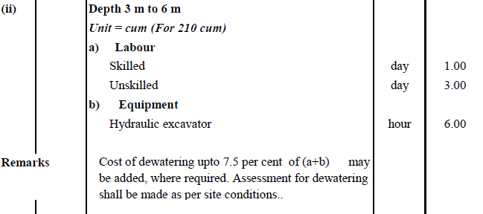
R.A. No. : | 1 |  |  |  |  |  |  |  |  |  |  |  | Unit : | 210 | m³ |  | 10
Description of Item : | Earth work in excavation of foundation of structures, including construction of shoring and bracing, removal of stumps and other deleterious matter and backfilling with approved Material as per Drawing and Technical Specifications.
 | Depth more than 3m upto 6 m |  |  | (ordinary soil)
Spec .cl.No:907 | Labour |  |  |  |  | Materials |  |  |  |  | Equipment
Activity No: | Category | Unit | Quantity | Rate | Amount | Type | Unit | Quantity | Rate | Amount | Type | Unit | Quantity | Rate | Amount
9.4 I B(ii)
 | skilled | md | 1.000 | 1,070.00 | 1,070.00 |  |  |  |  |  | Hydraulic excavator | hr | 6.000 | 5,775.00 | 34,650.00

 | Unskilled | md | 3.000 | 770.00 | 2,310.00 | Diesel | lit | 0.075 | 160.00 | 12.00
 |  |  |  | Total Labour Component | 3,380.00 |  |  |  | Total Material Component | 12.00 |  |  |  | Total Equipment | 34,650.00
 |  |  |  |  | Direct Cost : | 38,042.00
 |  |  | Dewatering cost(7.5%): |  |  | 2,853.15
 |  |  |  |  | Contractor's Overheads (15% ) : | 5,706.30
 |  |  | Rate of210m³: |  |  | 46,601.44
 |  |  |  | Rate of 1m3: |  | 221.91
 |  |  |  |  | Rate | 221.91 | per | m³

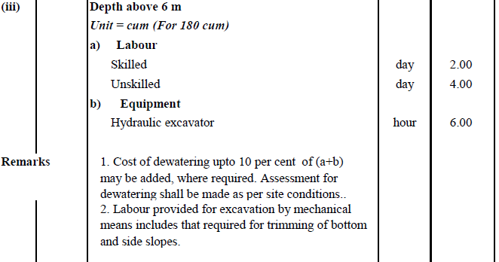
R.A. No. : | 2 |  |  |  |  |  |  |  |  |  |  |  | Unit : | 180 | m³
Description of Item : | Earth work in excavation of foundation of structures, including construction of shoring and bracing, removal of stumps and other deleterious matter and backfilling with approved Material as per Drawing and Technical Specifications.
 | Depth above 6 m |  | (ordinary soil)
Spec .cl.No:907 | Labour |  |  |  |  | Materials |  |  |  |  | Equipment
Activity No: | Category | Unit | Quantity | Rate | Amount | Type | Unit | Quantity | Rate | Amount | Type | Unit | Quantity | Rate | Amount
9.4 I B(iii)
 | skilled | md | 2.000 | 1,070.00 | 2,140.00 |  |  |  |  |  | Hydraulic excavator | hr | 6.000 | 5,775.00 | 34,650.00

 | Unskilled | md | 4.000 | 770.00 | 3,080.00 | Diesel | lit | 0.075 | 160.00 | 12.00

 |  |  |  | Total Labour Component | 5,220.00 |  |  |  | Total Material Component | 12.00 |  |  |  | Total Equipment | 34,650.00
 |  |  |  |  | Direct Cost : | 39,882.00
 |  |  | Dewatering cost(7.5%): |  |  | 2,991.15
 |  |  |  |  | Contractor's Overheads (15% ) : | 5,982.30
 |  |  | Rate of180m³: |  |  | 48,855.44
 |  |  |  | Rate of 1m3: |  | 271.42
 |  |  |  |  | Rate | 271.42 | per | m³
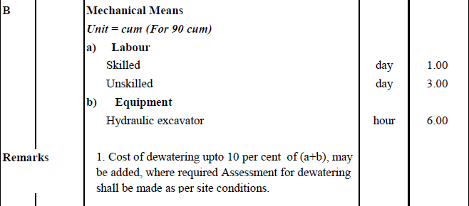
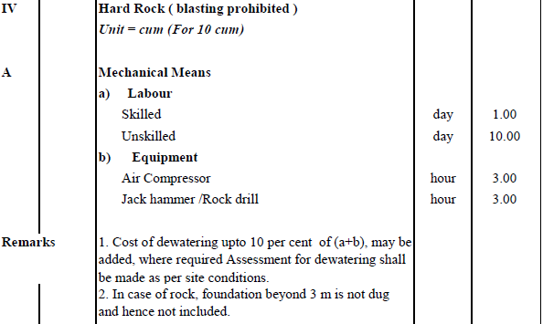
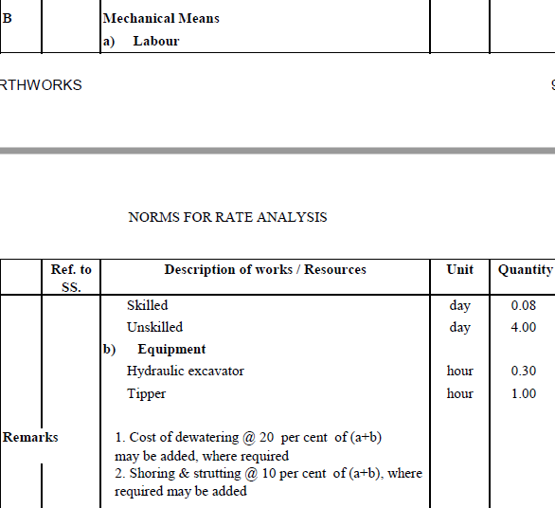
R.A. No. : | 3 |  |  |  |  |  |  |  |  |  |  |  | Unit : | 90 | m³
Description of Item : | Earth work in excavation of foundation of structures, including construction of shoring and bracing, removal of stumps and other deleterious matter and backfilling with approved Material as per Drawing and Technical Specifications.
 | (ordinary rock not requiring blasting)
Spec .cl.No:907 | Labour |  |  |  |  | Materials |  |  |  |  | Equipment
Activity No: | Category | Unit | Quantity | Rate | Amount | Type | Unit | Quantity | Rate | Amount | Type | Unit | Quantity | Rate | Amount
9.4 II B
 | skilled | md | 1.000 | 1,070.00 | 1,070.00 |  |  |  |  |  | Hydraulic excavator | hr | 6.000 | 5,775.00 | 34,650.00

 | Unskilled | md | 3.00000 | 770.00 | 2,310.00 | Diesel | lit | 0.075 | 160.00 | 12.00

 |  |  |  | Total Labour Component | 3,380.00 |  |  |  | Total Material Component | 12.00 |  |  |  | Total Equipment | 34,650.00
 |  |  |  |  | Direct Cost : | 38,042.00
 |  |  | Dewatering cost(10%): |  |  | 3,804.20
 |  |  |  |  | Contractor's Overheads (15% ) : | 5,706.30
 |  |  | Rate of90m³: |  |  | 47,552.49
 |  |  |  | Rate of 1m3: |  | 528.36
 |  |  |  |  | Rate | 528.36 | per | m³

R.A. No. : | 4 |  |  |  |  |  |  |  |  |  |  |  | Unit : | 5.00 | m³
Description:- | Providing and laying of hand pack Stone soling with 150 to 200mm thick stones and packing with smaller stone on prepared surface as per Drawing and Technical Specifications (SS 1006).
Unit | Cu.m. |  | Analyzed for | 5.00 | Cu.m.
Spec .cl.No:1006 | Labour |  |  |  |  | Material |  |  |  |  | Equipment
Activity No: | Type | Unit | Qty | Rate | Amount | Type | Unit | Qty | Rate | Amount | Type | Unit | Qty | Rate | Amount
10.8 | Skilled | md | 6.000 | 1,070.00 | 6,420.00 | Stone | cu.m. | 6.000 | 2,075.90 | 12,455.40
 | Unskilled | md | 12.000 | 770.00 | 9,240.00

Total | Total Labour |  |  | NRs. | 15,660.00 | Total Material Component |  |  | NRs. | 12455.4 | Total Equipment |  |  | NRs. | -
 |  |  |  |  | Direct Cost : | 28,115.40
 |  |  |  |  | Contractor's Overheads (15% ) : | 4,217.31
 |  |  |  |  | Rate for 5 m² : | 32,332.71
 |  |  |  |  | Rate for 1m² : | 6,466.54
 |  |  |  |  | Rate | 6,466.54 | per | m³

R.A. No. : | 5 |  |  |  |  |  |  |  |  |  |  |  | Unit : | 10.00 | m³
Description:- | Providing suitable material and Back Filling behind abutment, wing wall and return wall complete as per Drawing and Technical Specificatioins (908 ) .Granular Material
Unit | Cu.m. |  | Analyzed for | 10.00 | Cu.m.
Spec .cl.No:908 | Labour |  |  |  |  | Material |  |  |  |  | Equipment
Activity No: | Type | Unit | Qty | Rate | Amount | Type | Unit | Qty | Rate | Amount | Type | Unit | Qty | Rate | Amount
9.11-A | Skilled | md | 0.200 | 1,070.00 | 214.00 | Granular material | cu.m. | 11.000 | 2,174.20 | 23,916.20 | Plater Compactor/power rammer | hr. | 2.500 | 331.00 | 827.50
 | Unskilled | md | 5.000 | 770.00 | 3,850.00
 |  |  |  |  |  | water | Kl | 1.000 | 249.56 | 249.56

Total | Total Labour |  |  | NRs. | 4,064.00 | Total Material Component |  |  | NRs. | 24165.76 | Total Equipment |  |  | NRs. | 827.50
 |  |  |  |  | Direct Cost : | 29,057.26
 |  |  |  |  | Contractor's Overheads (15% ) : | 4,358.59
 |  |  |  |  | Rate for 10 m² : | 33,415.85
 |  |  |  |  | Rate for 1m² : | 3,341.58
 |  |  |  |  | Rate | 3,341.58 | per | m³

R.A. No. : | 6 |  |  |  |  |  |  |  |  |  |  |  | Unit : | 10.00 | m³
Description:- | Providing suitable material and Back Filling behind abutment, wing wall and return wall complete as per Drawing and Technical Specificatioins (908 ) .Locally available Material including compaction by tamping rod ( watering)
Unit | Cu.m. |  | Analyzed for | 10.00 | Cu.m.
Spec .cl.No:908 | Labour |  |  |  |  | Material |  |  |  |  | Equipment
Activity No: | Type | Unit | Qty | Rate | Amount | Type | Unit | Qty | Rate | Amount | Type | Unit | Qty | Rate | Amount
9.11 C | Skilled | md | 0.200 | 1,070.00 | 214.00 | Locally available Material | cu.m. | 12.000 | 565.00 | 6,780.00 | Tamping 3 % of Labour cost |  |  |  | 121.92
 | Unskilled | md | 5.000 | 770.00 | 3,850.00
 |  |  |  |  |  | water | Kl | 1.000 | 249.56 | 249.56

Total | Total Labour |  |  | NRs. | 4,064.00 | Total Material Component |  |  | NRs. | 7029.56 | Total Equipment |  |  | NRs. | 121.92
 |  |  |  |  | Direct Cost : | 11,215.48
 |  |  |  |  | Contractor's Overheads (15% ) : | 1,682.32
 |  |  |  |  | Rate for 10 m² : | 12,897.80
 |  |  |  |  | Rate for 1m² : | 1,289.78
 |  |  |  |  | Rate | 1,289.78 | per | m³

R.A. No. : | 7 |  |  |  |  |  |  |  |  |  |  |  | Unit : | 300.00 | Sq.m
Description:- | Providing and Laying of geotextile filter between pitching and embankment slopes as per Drawing and Technical Specification (SS 2404).
Unit | Sq.m |  | Analyzed for | 300.00 | Sq.m
Spec .cl.No:2404 | Labour |  |  |  |  | Material |  |  |  |  | Equipment
Activity No: | Type | Unit | Qty | Rate | Amount | Type | Unit | Qty | Rate | Amount | Type | Unit | Qty | Rate | Amount
24.5 | Skilled | md | 1.000 | 1,070.00 | 1,070.00 | Geo Textile | Sq.m | 360.000 | 180.00 | 64,800.00
 | Unskilled | md | 2.000 | 770.00 | 1,540.00
Total | Total Labour |  |  | NRs. | 2,610.00 | Total Material Component |  |  | NRs. | 64800 | Total Equipment |  |  | NRs. | -
 |  |  |  |  | Direct Cost : | 67,410.00
 |  |  |  |  | Contractor's Overheads (15% ) : | 10,111.50
 |  |  |  |  | Rate for 300 m² : | 77,521.50
 |  |  |  |  | Rate for 1m² : | 258.41
 |  |  |  |  | Rate | 258.41 | per | m³
R.A. No. : | 8 |  |  |  |  |  |  |  |  |  |  |  | Unit : | 15.00 | m³
Description of Item : | Providing and laying of Plain Cement Concrete M 10 ( or 1:3:6 for nominal mix) in Foundation complete as per Drawing and Technical Specifications.
Spec .cl.No:2000 | Labour |  |  |  |  | Materials |  |  |  |  | Equipment |  |  |  |  | 130
Activity No: | Category | Unit | Quantity | Rate | Amount | Type | Unit | Quantity | Rate | Amount | Type | Unit | Quantity | Rate | Amount

20.1 | Skilled | md | 2.000 | 1,070.00 | 2,140.00 | Cement | mt | 3.450 | 17,013.62 | 58,696.99 | mixer (0.28/0.2 m3) | hr | 6.000 | 1,000.00 | 6,000.00
 | Unskilled | md | 22.000 | 770.00 | 16,940.00 | Agg. 40 | m³ | 13.500 | 2,474.20 | 33,401.70 | Generator | hr | 6.000 | 1,500.00 | 9,000.00
 |  |  |  |  |  | Coarse Sand | m³ | 6.750 | 2,503.28 | 16,897.11
 |  |  |  |  |  | petrol | Lit. | 0.100 | 170.00 | 17.00
 |  |  |  |  |  | diesel | Lit. | 3.000 | 160.00 | 480.00
 |  |  |  |  |  | water | Lit. | 2,000.0 | 0.25 | 499.12
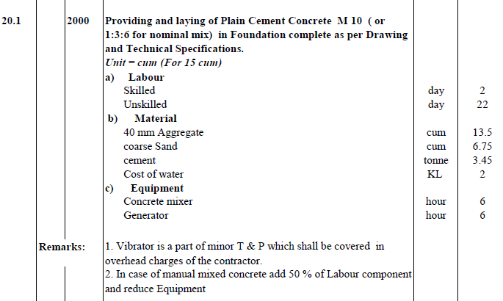
 |  |  |  | Total Labour Component | 19,080.00 |  |  |  | Total Material Component | 109,991.92 |  |  |  | Total Equipment | 15,000.00
 |  |  |  |  | Direct Cost : | 144,071.92
 |  |  |  |  | Contractor's Overheads (15% ) : | 21,610.79
 |  |  |  |  | Rate for 15 m² : | 165,682.71
 |  |  |  |  | Rate for 1m² : | 11,045.51
 |  |  |  |  | Rate | 11,045.51 | per | m³

R.A. No. : | 9 |  |  |  |  |  |  |  |  |  |  |  | Unit : | 15.00 | m³
Description of Item : | Providing and laying of Plain Cement Concrete in Foundation complete as per Drawing and Technical Specifications. |  |  |  |  |  |  |  |  | PCC Grade M15
Spec .cl.No:2000 | Labour |  |  |  |  | Materials |  |  |  |  | Equipment
Activity No: | Category | Unit | Quantity | Rate | Amount | Type | Unit | Quantity | Rate | Amount | Type | Unit | Quantity | Rate | Amount

20.2 A | Skilled | md | 3.000 | 1,070.00 | 3,210.00 | Cement | mt | 4.130 | 17,013.62 | 70,266.25 | mixer (0.28/0.2 m3) | hr | 6.000 | 1,000.00 | 6,000.00
 | Unskilled | md | 30.000 | 770.00 | 23,100.00 | Agg. 40 | m³ | 8.100 | 2,474.20 | 20,041.02 | Generator | hr | 6.000 | 1,500.00 | 9,000.00
 |  |  |  |  |  | Agg. 20 | m³ | 4.050 | 2,574.20 | 10,425.51
 |  |  |  |  |  | Agg.10 | m³ | 1.350 | 2,574.20 | 3,475.17
 |  |  |  |  |  | Coarse Sand | m³ | 6.750 | 2,503.28 | 16,897.11
 |  |  |  |  |  | petrol | Lit. | 0.100 | 170.00 | 17.00
 |  |  |  |  |  | diesel | Lit. | 3.000 | 160.00 | 480.00
 |  |  |  |  |  | water | Lit. | 2,000.0 | 0.25 | 499.12
 |  |  |  | Total Labour Component | 26,310.00 |  |  |  | Total Material Component | 122,101.18 |  |  |  | Total Equipment | 15,000.00
 |  |  |  |  | Direct Cost : | 163,411.18
 |  |  | formwork(4%) |  |  | 6,536.45
 |  |  |  |  | Contractor's Overheads (15% ) : | 24,511.68
 |  |  |  |  | Rate for 15 m² : | 194,459.30
 |  |  |  |  | Rate for 1m² : | 12,963.95
 |  |  |  |  | Rate | 12,963.95 | per | m³

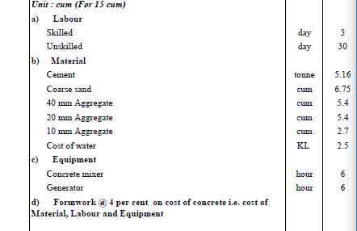
R.A. No. : | 10 |  |  |  |  |  |  |  |  |  |  |  | Unit : | 15.00 | m³
Description of Item : | Providing and laying of Plain/Reinforced Cement Concrete in Foundation complete as per Drawing and Technical Specifications. |  |  |  |  |  |  |  |  | PCC Grade M20
Spec .cl.No:2000 | Labour |  |  |  |  | Materials |  |  |  |  | Equipment
Activity No: | Category | Unit | Quantity | Rate | Amount | Type | Unit | Quantity | Rate | Amount | Type | Unit | Quantity | Rate | Amount

20.2 B | Skilled | md | 3.000 | 1,070.00 | 3,210.00 | Cement | mt | 5.160 | 17,013.62 | 87,790.28 | mixer (0.28/0.2 m3) | hr | 6.000 | 1,000.00 | 6,000.00
 | Unskilled | md | 30.000 | 770.00 | 23,100.00 | Agg. 40 | m³ | 5.400 | 2,474.20 | 13,360.68 | Generator | hr | 6.000 | 1,500.00 | 9,000.00
 |  |  |  |  |  | Agg. 20 | m³ | 5.400 | 2,574.20 | 13,900.68
 |  |  |  |  |  | Agg.10 | m³ | 2.700 | 2,574.20 | 6,950.34
 |  |  |  |  |  | Coarse Sand | m³ | 6.750 | 2,503.28 | 16,897.11
 |  |  |  |  |  | petrol | Lit. | 0.100 | 170.00 | 17.00
 |  |  |  |  |  | diesel | Lit. | 3.000 | 160.00 | 480.00
 |  |  |  |  |  | water | Lit. | 2,500.0 | 0.25 | 623.90
 |  |  |  | Total Labour Component | 26,310.00 |  |  |  | Total Material Component | 140,019.99 |  |  |  | Total Equipment | 15,000.00
 |  |  |  |  | Direct Cost : | 181,329.99
 |  |  | formwork(4%) |  |  | 7,253.20
 |  |  |  |  | Contractor's Overheads (15% ) : | 27,199.50
 |  |  |  |  | Rate for 15 m² : | 215,782.69
 |  |  |  |  | Rate for 1m² : | 14,385.51
 |  |  |  |  | Rate | 14,385.51 | per | m³

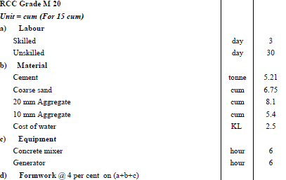
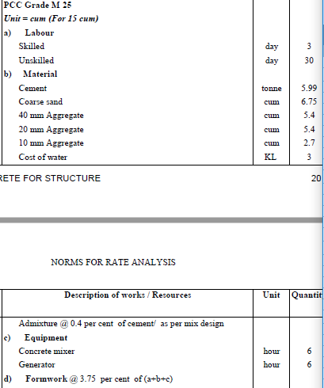
R.A. No. : | 11 |  |  |  |  |  |  |  |  |  |  |  | Unit : | 15.00 | m³
Description of Item : | Providing and laying of Plain/Reinforced Cement Concrete in Foundation complete as per Drawing and Technical Specifications. |  |  |  |  |  |  |  |  | PCC Grade M25
Spec .cl.No:2000 | Labour |  |  |  |  | Materials |  |  |  |  | Equipment
Activity No: | Category | Unit | Quantity | Rate | Amount | Type | Unit | Quantity | Rate | Amount | Type | Unit | Quantity | Rate | Amount

20.2 D | Skilled | md | 3.000 | 1,070.00 | 3,210.00 | Cement | mt | 5.990 | 17,013.62 | 101,911.58 | mixer (0.28/0.2 m3) | hr | 6.000 | 1,000.00 | 6,000.00
 | Unskilled | md | 30.000 | 770.00 | 23,100.00 | Agg.40 | m³ | 5.400 | 2,474.20 | 13,360.68 | Generator | hr | 6.000 | 1,500.00 | 9,000.00
 |  |  |  |  |  | Agg. 20 | m³ | 5.400 | 2,574.20 | 13,900.68
 |  |  |  |  |  | Agg.10 | m³ | 2.700 | 2,574.20 | 6,950.34
 |  |  |  |  |  | Coarse Sand | m³ | 6.750 | 2,503.28 | 16,897.11
 |  |  |  |  |  | Admixture(0.4% of cement) | kg | 23.960 | 315.41 | 7,557.31
 |  |  |  |  |  | petrol | Lit. | 0.100 | 170.00 | 17.00
 |  |  |  |  |  | diesel | Lit. | 3.000 | 160.00 | 480.00
 |  |  |  |  |  | water | Lit. | 3,000.0 | 0.25 | 748.68
 |  |  |  | Total Labour Component | 26,310.00 |  |  |  | Total Material Component | 161,823.38 |  |  |  | Total Equipment | 15,000.00
 |  |  |  |  | Direct Cost : | 203,133.38
 |  |  | formwork(4%) |  |  | 8,125.34
 |  |  |  |  | Contractor's Overheads (15% ) : | 30,470.01
 |  |  |  |  | Rate for 15 m² : | 241,728.72
 |  |  |  |  | Rate for 1m² : | 16,115.25
 |  |  |  |  | Rate | 16,115.25 | per | m³
R.A. No. : | 12 |  |  |  |  |  |  |  |  |  |  |  | Unit : | 15.00 | m³
Description of Item : | Providing and laying of Plain/Reinforced Cement Concrete in Foundation complete as per Drawing and Technical Specifications. |  |  |  |  |  |  |  |  | RCC Grade M20
Spec .cl.No:2000 | Labour |  |  |  |  | Materials |  |  |  |  | Equipment
Activity No: | Category | Unit | Quantity | Rate | Amount | Type | Unit | Quantity | Rate | Amount | Type | Unit | Quantity | Rate | Amount

20.2 C | Skilled | md | 3.000 | 1,070.00 | 3,210.00 | Cement | mt | 5.210 | 17,013.62 | 88,640.96 | mixer (0.28/0.2 m3) | hr | 6.000 | 1,000.00 | 6,000.00
 | Unskilled | md | 30.000 | 770.00 | 23,100.00 |  |  |  |  |  | Generator | hr | 6.000 | 1,500.00 | 9,000.00
 |  |  |  |  |  | Agg. 20 | m³ | 8.100 | 2,574.20 | 20,851.02
 |  |  |  |  |  | Agg.10 | m³ | 5.400 | 2,574.20 | 13,900.68
 |  |  |  |  |  | Coarse Sand | m³ | 6.750 | 2,503.28 | 16,897.11
 |  |  |  |  |  | petrol | Lit. | 0.100 | 170.00 | 17.00
 |  |  |  |  |  | diesel | Lit. | 3.000 | 160.00 | 480.00
 |  |  |  |  |  | water | Lit. | 2,500.0 | 0.25 | 623.90
 |  |  |  | Total Labour Component | 26,310.00 |  |  |  | Total Material Component | 141,410.67 |  |  |  | Total Equipment | 15,000.00
 |  |  |  |  | Direct Cost : | 182,720.67
 |  |  | formwork(4%) |  |  | 7,308.83
 |  |  |  |  | Contractor's Overheads (15% ) : | 27,408.10
 |  |  |  |  | Rate for 15 m² : | 217,437.60
 |  |  |  |  | Rate for 1m² : | 14,495.84
 |  |  |  |  | Rate | 14,495.84 | per | m³

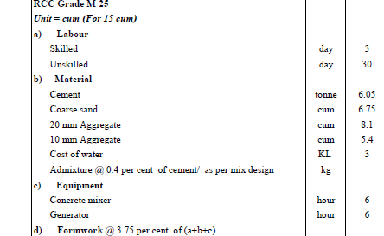
R.A. No. : | 13 |  |  |  |  |  |  |  |  |  |  |  | Unit : | 15.00 | m³
Description of Item : | Providing and laying of Plain/Reinforced Cement Concrete in Foundation complete as per Drawing and Technical Specifications. |  |  |  |  |  |  |  |  | RCC Grade M25
Spec .cl.No:2000 | Labour |  |  |  |  | Materials |  |  |  |  | Equipment
Activity No: | Category | Unit | Quantity | Rate | Amount | Type | Unit | Quantity | Rate | Amount | Type | Unit | Quantity | Rate | Amount

20.2 E | Skilled | md | 3.000 | 1,070.00 | 3,210.00 | Cement | mt | 6.050 | 17,013.62 | 102,932.40 | mixer (0.28/0.2 m3) | hr | 6.000 | 1,000.00 | 6,000.00
 | Unskilled | md | 30.000 | 770.00 | 23,100.00 | Admixture(0.4% of cement) | kg | 24.200 | 315.41 | 7,633.01 | Generator | hr | 6.000 | 1,500.00 | 9,000.00
 |  |  |  |  |  | Agg. 20 | m³ | 8.100 | 2,574.20 | 20,851.02
 |  |  |  |  |  | Agg.10 | m³ | 5.400 | 2,574.20 | 13,900.68
 |  |  |  |  |  | Coarse Sand | m³ | 6.750 | 2,503.28 | 16,897.11
 |  |  |  |  |  | petrol | Lit. | 0.100 | 170.00 | 17.00
 |  |  |  |  |  | diesel | Lit. | 3.000 | 160.00 | 480.00
 |  |  |  |  |  | water | Lit. | 3,000.0 | 0.25 | 748.68
 |  |  |  | Total Labour Component | 26,310.00 |  |  |  | Total Material Component | 163,459.90 |  |  |  | Total Equipment | 15,000.00
 |  |  |  |  | Direct Cost : | 204,769.90
 |  |  | formwork(3.75%) |  |  | 7,678.87
 |  |  |  |  | Contractor's Overheads (15% ) : | 30,715.48
 |  |  |  |  | Rate for 15 m² : | 243,164.26
 |  |  |  |  | Rate for 1m² : | 16,210.95
 |  |  |  |  | Rate | 16,210.95 | per | m³

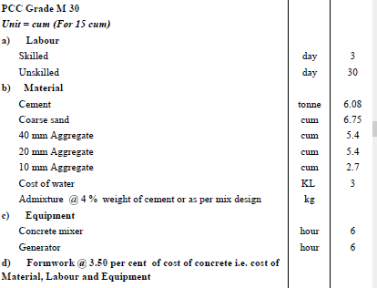
R.A. No. : | 14 |  |  |  |  |  |  |  |  |  |  |  | Unit : | 15.00 | m³
Description of Item : | Providing and laying of Plain/Reinforced Cement Concrete in Foundation complete as per Drawing and Technical Specifications. |  |  |  |  |  |  |  |  | PCC Grade M30
Spec .cl.No:2000 | Labour |  |  |  |  | Materials |  |  |  |  | Equipment
Activity No: | Category | Unit | Quantity | Rate | Amount | Type | Unit | Quantity | Rate | Amount | Type | Unit | Quantity | Rate | Amount

20.2 F | Skilled | md | 3.000 | 1,070.00 | 3,210.00 | Cement | mt | 6.080 | 17,013.62 | 103,442.81 | mixer (0.28/0.2 m3) | hr | 6.000 | 1,000.00 | 6,000.00
 | Unskilled | md | 30.000 | 770.00 | 23,100.00 | Agg.40 | m³ | 5.400 | 2,474.20 | 13,360.68 | Generator | hr | 6.000 | 1,500.00 | 9,000.00
 |  |  |  |  |  | Agg. 20 | m³ | 5.400 | 2,574.20 | 13,900.68
 |  |  |  |  |  | Agg.10 | m³ | 2.700 | 2,574.20 | 6,950.34
 |  |  |  |  |  | Coarse Sand | m³ | 6.750 | 2,503.28 | 16,897.11
 |  |  |  |  |  | Admixture(0.4% of cement) | kg | 24.320 | 315.41 | 7,670.86
 |  |  |  |  |  | petrol | Lit. | 0.100 | 170.00 | 17.00
 |  |  |  |  |  | diesel | Lit. | 3.000 | 160.00 | 480.00
 |  |  |  |  |  | water | Lit. | 3,000.0 | 0.25 | 748.68
 |  |  |  | Total Labour Component | 26,310.00 |  |  |  | Total Material Component | 163,468.16 |  |  |  | Total Equipment | 15,000.00
 |  |  |  |  | Direct Cost : | 204,778.16
 |  |  | formwork(3.5%) |  |  | 7,167.24
 |  |  |  |  | Contractor's Overheads (15% ) : | 30,716.72
 |  |  |  |  | Rate for 15 m² : | 242,662.12
 |  |  |  |  | Rate for 1m² : | 16,177.47
 |  |  |  |  | Rate | 16,177.47 | per | m³

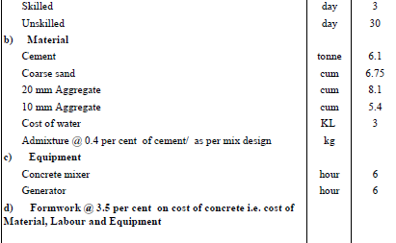
R.A. No. : | 15 |  |  |  |  |  |  |  |  |  |  |  | Unit : | 15.00 | m³
Description of Item : | Providing and laying of Plain/Reinforced Cement Concrete in Foundation complete as per Drawing and Technical Specifications. |  |  |  |  |  |  |  |  | RCC Grade M30
Spec .cl.No:2000 | Labour |  |  |  |  | Materials |  |  |  |  | Equipment
Activity No: | Category | Unit | Quantity | Rate | Amount | Type | Unit | Quantity | Rate | Amount | Type | Unit | Quantity | Rate | Amount

20.2 G | Skilled | md | 3.000 | 1,070.00 | 3,210.00 | Cement | mt | 6.100 | 17,013.62 | 103,783.08 | mixer (0.28/0.2 m3) | hr | 6.000 | 1,000.00 | 6,000.00
 | Unskilled | md | 30.000 | 770.00 | 23,100.00 | Admixture(0.4% of cement) | kg | 24.400 | 315.41 | 7,696.09 | Generator | hr | 6.000 | 1,500.00 | 9,000.00
 |  |  |  |  |  | Agg. 20 | m³ | 8.100 | 2,574.20 | 20,851.02
 |  |  |  |  |  | Agg.10 | m³ | 5.400 | 2,574.20 | 13,900.68
 |  |  |  |  |  | Coarse Sand | m³ | 6.750 | 2,503.28 | 16,897.11
 |  |  |  |  |  | petrol | Lit. | 0.100 | 170.00 | 17.00
 |  |  |  |  |  | diesel | Lit. | 3.000 | 160.00 | 480.00
 |  |  |  |  |  | water | Lit. | 3,000.0 | 0.25 | 748.68
 |  |  |  | Total Labour Component | 26,310.00 |  |  |  | Total Material Component | 164,373.66 |  |  |  | Total Equipment | 15,000.00
 |  |  |  |  | Direct Cost : | 205,683.66
 |  |  | formwork(3.5%) |  |  | 7,198.93
 |  |  |  |  | Contractor's Overheads (15% ) : | 30,852.55
 |  |  |  |  | Rate for 15 m² : | 243,735.14
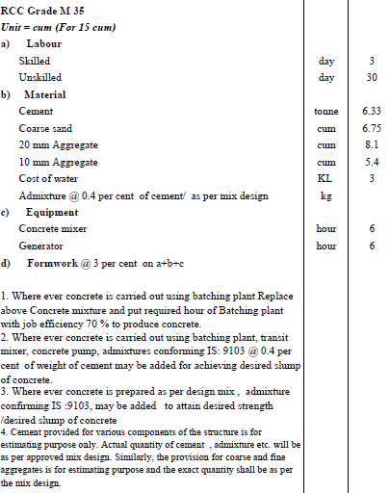
 |  |  |  |  | Rate for 1m² : | 16,249.01
 |  |  |  |  | Rate | 16,249.01 | per | m³

R.A. No. : | 16 |  |  |  |  |  |  |  |  |  |  |  | Unit : | 15.00 | m³
Description of Item : | Providing and laying of Plain/Reinforced Cement Concrete in sub-structure complete as per Drawing and Technical Specifications. |  |  |  |  |  |  |  |  | RCC Grade M25
 | Height above 5m to 10m
Spec .cl.No:2000 | Labour |  |  |  |  | Materials |  |  |  |  | Equipment
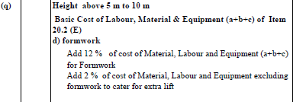
Activity No: | Category | Unit | Quantity | Rate | Amount | Type | Unit | Quantity | Rate | Amount | Type | Unit | Quantity | Rate | Amount

20.4 F(q) | Skilled | md | 3.000 | 1,070.00 | 3,210.00 | Cement | mt | 6.050 | 17,013.62 | 102,932.40 | mixer (0.28/0.2 m3) | hr | 6.000 | 1,000.00 | 6,000.00
 | Unskilled | md | 30.000 | 770.00 | 23,100.00 | admixture(0.4% of cement) | kg | 24.200 | 315.41 | 7,633.01 | Generator | hr | 6.000 | 1,500.00 | 9,000.00
 |  |  |  |  |  | Agg. 20 | m³ | 8.100 | 2,574.20 | 20,851.02
 |  |  |  |  |  | Agg.10 | m³ | 5.400 | 2,574.20 | 13,900.68
 |  |  |  |  |  | Coarse Sand | m³ | 6.750 | 2,503.28 | 16,897.11
 |  |  |  |  |  | petrol | Lit. | 0.100 | 170.00 | 17.00
 |  |  |  |  |  | diesel | Lit. | 3.000 | 160.00 | 480.00
 |  |  |  |  |  | water | Lit. | 3,000.0 | 0.25 | 748.68
 |  |  |  | Total Labour Component | 26,310.00 |  |  |  | Total Material Component | 163,459.90 |  |  |  | Total Equipment | 15,000.00
 |  |  |  |  | Direct Cost : | 204,769.90
 |  |  | formwork(12%) |  |  | 24,572.39
 |  |  |  | Cost of extra lift(2%) |  | 4,095.40
 |  |  |  |  | Contractor's Overheads (15% ) : | 30,715.48
 |  |  |  |  | Rate for 15 m² : | 264,153.17
 |  |  |  |  | Rate for 1m² : | 17,610.21
 |  |  |  |  | Rate | 17,610.21 | per | m³
R.A. No. : | 17 |  |  |  |  |  |  |  |  |  |  |  | Unit : | 15.00 | m³
Description of Item : | Providing and laying of Plain/Reinforced Cement Concrete in sub-structure complete as per Drawing and Technical Specifications. |  |  |  |  |  |  |  |  | RCC Grade M30
 | Height upto 5m
Spec .cl.No:2000 | Labour |  |  |  |  | Materials |  |  |  |  | Equipment
Activity No: | Category | Unit | Quantity | Rate | Amount | Type | Unit | Quantity | Rate | Amount | Type | Unit | Quantity | Rate | Amount

20.4 G(p) | Skilled | md | 3.000 | 1,070.00 | 3,210.00 | Cement | mt | 6.100 | 17,013.62 | 103,783.08 | mixer (0.28/0.2 m3) | hr | 6.000 | 1,000.00 | 6,000.00
 | Unskilled | md | 30.000 | 770.00 | 23,100.00 | admixture(0.4% of cement) | kg | 24.400 | 315.41 | 7,696.09 | Generator | hr | 6.000 | 1,500.00 | 9,000.00
 |  |  |  |  |  | Agg. 20 | m³ | 8.100 | 2,574.20 | 20,851.02
 |  |  |  |  |  | Agg.10 | m³ | 5.400 | 2,574.20 | 13,900.68
 |  |  |  |  |  | Coarse Sand | m³ | 6.750 | 2,503.28 | 16,897.11
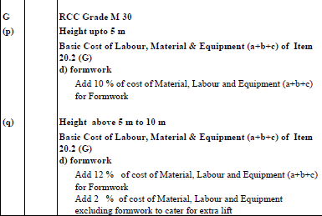
 |  |  |  |  |  | petrol | Lit. | 0.100 | 170.00 | 17.00
 |  |  |  |  |  | diesel | Lit. | 3.000 | 160.00 | 480.00
 |  |  |  |  |  | water | Lit. | 3,000.0 | 0.25 | 748.68
 |  |  |  | Total Labour Component | 26,310.00 |  |  |  | Total Material Component | 164,373.66 |  |  |  | Total Equipment | 15,000.00
 |  |  |  |  | Direct Cost : | 205,683.66
 |  |  | formwork(10%) |  |  | 20,568.37
 |  |  |  |  | Contractor's Overheads (15% ) : | 30,852.55
 |  |  |  |  | Rate for 15 m² : | 257,104.57
 |  |  |  |  | Rate for 1m² : | 17,140.31
 |  |  |  |  | Rate | 17,140.31 | per | m³

R.A. No. : | 18 |  |  |  |  |  |  |  |  |  |  |  | Unit : | 15.00 | m³
Description of Item : | Providing and laying of Plain/Reinforced Cement Concrete in sub-structure complete as per Drawing and Technical Specifications. |  |  |  |  |  |  |  |  | RCC Grade M30
 | Height above 5m to 10m
Spec .cl.No:2000 | Labour |  |  |  |  | Materials |  |  |  |  | Equipment
Activity No: | Category | Unit | Quantity | Rate | Amount | Type | Unit | Quantity | Rate | Amount | Type | Unit | Quantity | Rate | Amount

20.4 G(q) | Skilled | md | 3.000 | 1,070.00 | 3,210.00 | Cement | mt | 6.100 | 17,013.62 | 103,783.08 | mixer (0.28/0.2 m3) | hr | 6.000 | 1,000.00 | 6,000.00
 | Unskilled | md | 30.000 | 770.00 | 23,100.00 | admixture(0.4% of cement) | kg | 24.400 | 315.41 | 7,696.09 | Generator | hr | 6.000 | 1,500.00 | 9,000.00
 |  |  |  |  |  | Agg. 20 | m³ | 8.100 | 2,574.20 | 20,851.02
 |  |  |  |  |  | Agg.10 | m³ | 5.400 | 2,574.20 | 13,900.68
 |  |  |  |  |  | Coarse Sand | m³ | 6.750 | 2,503.28 | 16,897.11
 |  |  |  |  |  | petrol | Lit. | 0.100 | 170.00 | 17.00
 |  |  |  |  |  | diesel | Lit. | 3.000 | 160.00 | 480.00
 |  |  |  |  |  | water | Lit. | 3,000.0 | 0.25 | 748.68
 |  |  |  | Total Labour Component | 26,310.00 |  |  |  | Total Material Component | 164,373.66 |  |  |  | Total Equipment | 15,000.00
 |  |  |  |  | Direct Cost : | 205,683.66
 |  |  | formwork(12%) |  |  | 24,682.04
 |  |  |  | Cost of extra lift(2%) |  | 4,113.67
 |  |  |  |  | Contractor's Overheads (15% ) : | 30,852.55
 |  |  |  |  | Rate for 15 m² : | 265,331.92
 |  |  |  |  | Rate for 1m² : | 17,688.79
 |  |  |  |  | Rate | 17,688.79 | per | m³
R.A. No. : | 19 |  |  |  |  |  |  |  |  |  |  |  | Unit : | 15.00 | m³
Description of Item : | Providing and laying of Plain/Reinforced Cement Concrete in sub-structure complete as per Drawing and Technical Specifications. |  |  |  |  |  |  |  |  | RCC Grade M30
 | Height above 10m
Spec .cl.No:2000 | Labour |  |  |  |  | Materials |  |  |  |  | Equipment
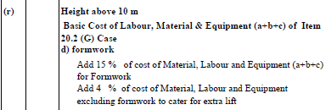
Activity No: | Category | Unit | Quantity | Rate | Amount | Type | Unit | Quantity | Rate | Amount | Type | Unit | Quantity | Rate | Amount

20.4 G(r) | Skilled | md | 3.000 | 1,070.00 | 3,210.00 | Cement | mt | 6.100 | 17,013.62 | 103,783.08 | mixer (0.28/0.2 m3) | hr | 6.000 | 1,000.00 | 6,000.00
 | Unskilled | md | 30.000 | 770.00 | 23,100.00 | admixture(0.4% of cement) | kg | 24.400 | 315.41 | 7,696.09 | Generator | hr | 6.000 | 1,500.00 | 9,000.00
 |  |  |  |  |  | Agg. 20 | m³ | 8.100 | 2,574.20 | 20,851.02
 |  |  |  |  |  | Agg.10 | m³ | 5.400 | 2,574.20 | 13,900.68
 |  |  |  |  |  | Coarse Sand | m³ | 6.750 | 2,503.28 | 16,897.11
 |  |  |  |  |  | petrol | Lit. | 0.100 | 170.00 | 17.00
 |  |  |  |  |  | diesel | Lit. | 3.000 | 160.00 | 480.00
 |  |  |  |  |  | water | Lit. | 3,000.0 | 0.25 | 748.68
 |  |  |  | Total Labour Component | 26,310.00 |  |  |  | Total Material Component | 164,373.66 |  |  |  | Total Equipment | 15,000.00
 |  |  |  |  | Direct Cost : | 205,683.66
 |  |  | formwork(15%) |  |  | 30,852.55
 |  |  |  | Cost of extra lift(4%) |  | 8,227.35
 |  |  |  |  | Contractor's Overheads (15% ) : | 30,852.55
 |  |  |  |  | Rate for 15 m² : | 275,616.11
 |  |  |  |  | Rate for 1m² : | 18,374.41
 |  |  |  |  | Rate | 18,374.41 | per | m³
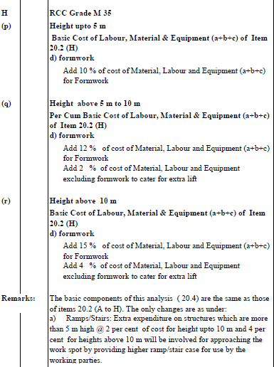
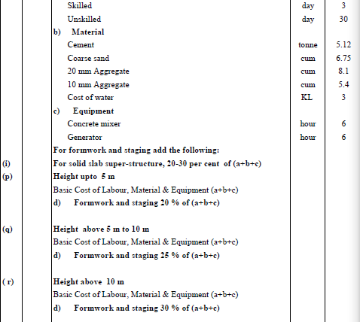

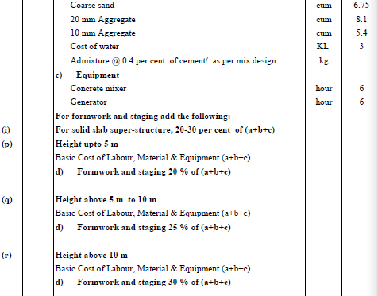
R.A. No. : | 20 |  |  |  |  |  |  |  |  |  |  |  | Unit : | 15.00 | m³
Description of Item : | Providing and laying of Reinforced/ Pre-stressed cement concrete in super-structure as per drawing and Technical Specification |  |  |  |  |  |  |  |  | RCC Grade M25
 | Solid slab super-structure
 | Height above 5m to 10m
Spec .cl.No:2000 | Labour |  |  |  |  | Materials |  |  |  |  | Equipment
Activity No: | Category | Unit | Quantity | Rate | Amount | Type | Unit | Quantity | Rate | Amount | Type | Unit | Quantity | Rate | Amount

20.8 B ii (q) | Skilled | md | 3.000 | 1,070.00 | 3,210.00 | Cement | mt | 5.990 | 17,013.62 | 101,911.58 | mixer (0.28/0.2 m3) | hr | 6.000 | 1,000.00 | 6,000.00
 | Unskilled | md | 30.000 | 770.00 | 23,100.00 | admixture(0.4% of cement) | kg | 23.960 | 315.41 | 7,557.31 | Generator | hr | 6.000 | 1,500.00 | 9,000.00
 |  |  |  |  |  | Agg. 20 | m³ | 8.100 | 2,574.20 | 20,851.02
 |  |  |  |  |  | Agg.10 | m³ | 5.400 | 2,574.20 | 13,900.68
 |  |  |  |  |  | Coarse Sand | m³ | 6.750 | 2,503.28 | 16,897.11
 |  |  |  |  |  | petrol | Lit. | 0.100 | 170.00 | 17.00
 |  |  |  |  |  | diesel | Lit. | 3.000 | 160.00 | 480.00
 |  |  |  |  |  | water | Lit. | 3,000.0 | 0.25 | 748.68
 |  |  |  | Total Labour Component | 26,310.00 |  |  |  | Total Material Component | 162,363.38 |  |  |  | Total Equipment | 15,000.00
 |  |  |  |  | Direct Cost : | 203,673.38
 |  |  | formwork(25%) |  |  | 50,918.35
 |  |  |  |  | Contractor's Overheads (15% ) : | 30,551.01
 |  |  |  |  | Rate for 15 m² : | 285,142.73
 |  |  |  |  | Rate for 1m² : | 19,009.52
 |  |  |  |  | Rate | 19,009.52 | per | m³

R.A. No. : | 21 |  |  |  |  |  |  |  |  |  |  |  | Unit : | 15.00 | m³
Description of Item : | Providing and laying of Reinforced/ Pre-stressed cement concrete in super-structure as per drawing and Technical Specification |  |  |  |  |  |  |  |  | RCC Grade M25
 | Solid slab super-structure
 | Height above 10m
Spec .cl.No:2000 | Labour |  |  |  |  | Materials |  |  |  |  | Equipment
Activity No: | Category | Unit | Quantity | Rate | Amount | Type | Unit | Quantity | Rate | Amount | Type | Unit | Quantity | Rate | Amount

20.8 B ii (r) | Skilled | md | 3.000 | 1,070.00 | 3,210.00 | Cement | mt | 5.990 | 17,013.62 | 101,911.58 | mixer (0.28/0.2 m3) | hr | 6.000 | 1,000.00 | 6,000.00
 | Unskilled | md | 30.000 | 770.00 | 23,100.00 | admixture(0.4% of cement) | kg | 23.960 | 315.41 | 7,557.31 | Generator | hr | 6.000 | 1,500.00 | 9,000.00
 |  |  |  |  |  | Agg. 20 | m³ | 8.100 | 2,574.20 | 20,851.02
 |  |  |  |  |  | Agg.10 | m³ | 5.400 | 2,574.20 | 13,900.68
 |  |  |  |  |  | Coarse Sand | m³ | 6.750 | 2,503.28 | 16,897.11
 |  |  |  |  |  | petrol | Lit. | 0.100 | 170.00 | 17.00
 |  |  |  |  |  | diesel | Lit. | 3.000 | 160.00 | 480.00
 |  |  |  |  |  | water | Lit. | 3,000.0 | 0.25 | 748.68
 |  |  |  | Total Labour Component | 26,310.00 |  |  |  | Total Material Component | 162,363.38 |  |  |  | Total Equipment | 15,000.00
 |  |  |  |  | Direct Cost : | 203,673.38
 |  |  | formwork(30%) |  |  | 61,102.01
 |  |  |  |  | Contractor's Overheads (15% ) : | 30,551.01
 |  |  |  |  | Rate for 15 m² : | 295,326.40
 |  |  |  |  | Rate for 1m² : | 19,688.43
 |  |  |  |  | Rate | 19,688.43 | per | m³
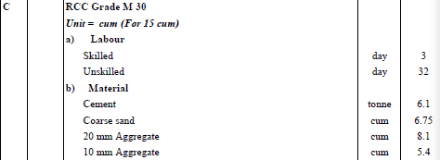
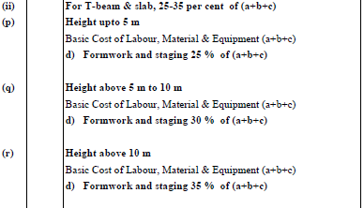
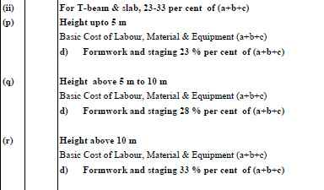
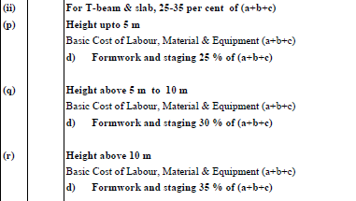
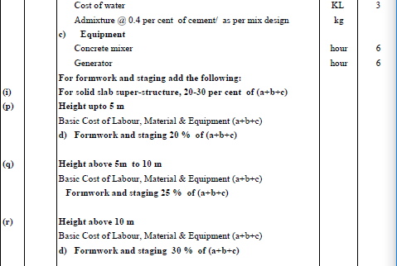
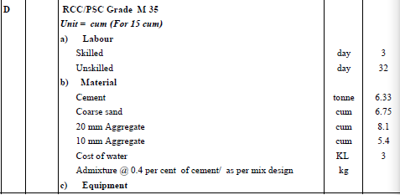
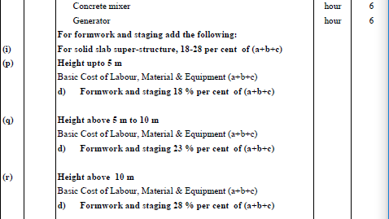
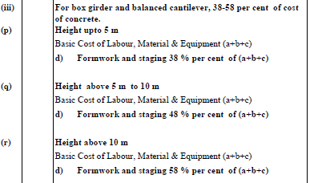
R.A. No. : | 22 |  |  |  |  |  |  |  |  |  |  |  | Unit : | 15.00 | m³
Description of Item : | ` |  |  |  |  |  |  |  |  | PSC Grade M45
 | Solid slab super- structure
 | Height above 5m to 10m
Spec .cl.No:2000 | Labour |  |  |  |  | Materials |  |  |  |  | Equipment
Activity No: | Category | Unit | Quantity | Rate | Amount | Type | Unit | Quantity | Rate | Amount | Type | Unit | Quantity | Rate | Amount

20.8 F i (q) | Skilled | md | 4.000 | 1,070.00 | 4,280.00 | Cement | mt | 6.975 | 17,013.62 | 118,670.00 | mixer (0.28/0.2 m3) | hr | 6.000 | 1,000.00 | 6,000.00
 | Unskilled | md | 33.000 | 770.00 | 25,410.00 | admixture(0.4% of cement) | kg | 27.900 | 315.41 | 8,800.04 | Generator | hr | 6.000 | 1,500.00 | 9,000.00
 |  |  |  |  |  | Agg. 20 | m³ | 8.100 | 2,574.20 | 20,851.02
 |  |  |  |  |  | Agg.10 | m³ | 5.400 | 2,574.20 | 13,900.68
 |  |  |  |  |  | Coarse Sand | m³ | 6.750 | 2,503.28 | 16,897.11
 |  |  |  |  |  | petrol | Lit. | 0.100 | 170.00 | 17.00
 |  |  |  |  |  | diesel | Lit. | 3.000 | 160.00 | 480.00
 |  |  |  |  |  | water | Lit. | 3,000.0 | 0.25 | 748.68
 |  |  |  | Total Labour Component | 29,690.00 |  |  |  | Total Material Component | 180,364.53 |  |  |  | Total Equipment | 15,000.00
 |  |  |  |  | Direct Cost : | 225,054.53
 |  |  | formwork(25%) |  |  | 56,263.63
 |  |  |  |  | Contractor's Overheads (15% ) : | 33,758.18
 |  |  |  |  | Rate for 15 m² : | 315,076.34
 |  |  |  |  | Rate for 1m² : | 21,005.09
 |  |  |  |  | Rate | 21,005.09 | per | m³
R.A. No. : | 23 |  |  |  |  |  |  |  |  |  |  |  | Unit : | 15.00 | m³
Description of Item : | Providing and laying of Reinforced/ Pre-stressed cement concrete in super-structure as per drawing and Technical Specification |  |  |  |  |  |  |  |  | PSC Grade M45
 | Solid slab super- structure
 | Height above 10m
Spec .cl.No:2000 | Labour |  |  |  |  | Materials |  |  |  |  | Equipment
Activity No: | Category | Unit | Quantity | Rate | Amount | Type | Unit | Quantity | Rate | Amount | Type | Unit | Quantity | Rate | Amount

20.8 F i (r) | Skilled | md | 4.000 | 1,070.00 | 4,280.00 | Cement | mt | 6.975 | 17,013.62 | 118,670.00 | mixer (0.28/0.2 m3) | hr | 6.000 | 1,000.00 | 6,000.00
 | Unskilled | md | 33.000 | 770.00 | 25,410.00 | admixture(0.4% of cement) | kg | 27.900 | 315.41 | 8,800.04 | Generator | hr | 6.000 | 1,500.00 | 9,000.00
 |  |  |  |  |  | Agg. 20 | m³ | 8.100 | 2,574.20 | 20,851.02
 |  |  |  |  |  | Agg.10 | m³ | 5.400 | 2,574.20 | 13,900.68
 |  |  |  |  |  | Coarse Sand | m³ | 6.750 | 2,503.28 | 16,897.11
 |  |  |  |  |  | petrol | Lit. | 0.100 | 170.00 | 17.00
 |  |  |  |  |  | diesel | Lit. | 3.000 | 160.00 | 480.00
 |  |  |  |  |  | water | Lit. | 3,000.0 | 0.25 | 748.68
 |  |  |  | Total Labour Component | 29,690.00 |  |  |  | Total Material Component | 180,364.53 |  |  |  | Total Equipment | 15,000.00
 |  |  |  |  | Direct Cost : | 225,054.53
 |  |  | formwork(30%) |  |  | 67,516.36
 |  |  |  |  | Contractor's Overheads (15% ) : | 33,758.18
 |  |  |  |  | Rate for 15 m² : | 326,329.07
 |  |  |  |  | Rate for 1m² : | 21,755.27
 |  |  |  |  | Rate | 21,755.27 | per | m³
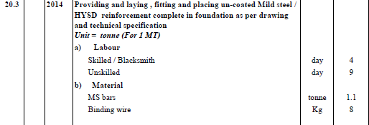
R.A. No. : | 24 |  |  |  |  |  |  |  |  |  |  |  | Unit : | 1.00 | mt
Description of Item : | Providing and laying , fitting and placing un-coated Mild steel / HYSD reinforcement complete in foundation as per drawing and technical specification
Spec .cl.No: 2014 | Labour |  |  |  |  | Materials |  |  |  |  | Equipment
Activity No: | Category | Unit | Quantity | Rate | Amount | Type | Unit | Quantity | Rate | Amount | Type | Unit | Quantity | Rate | Amount
20.3 | Skilled | md | 4.000 | 1,070.00 | 4,280.00 | Reinforcement | ton | 1.100 | 83,567.62 | 91,924.38
 | Unskilled | md | 9.000 | 770.00 | 6,930.00 | Binding wire | kg. | 8.000 | 95.41 | 763.31
 |  |  |  | Total Labour Component | 11,210.00 |  |  |  | Total Material Component | 92,687.69 |  |  |  | Total Equipment | -
 |  |  |  |  | Direct Cost : | 103,897.69
 |  |  |  |  | Contractor's Overheads (15% ) : | 15,584.65
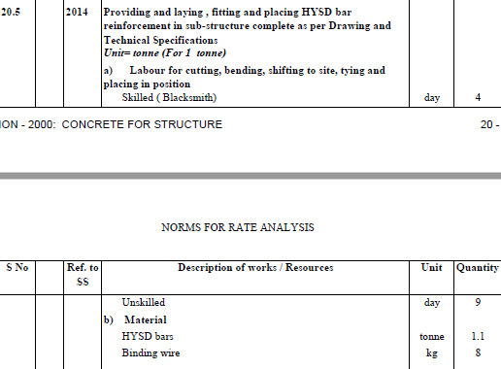
 |  |  |  |  | Rate for 1mt : | 119,482.34 | per | mt
R.A. No. : | 25 |  |  |  |  |  |  |  |  |  |  |  | Unit : | 1.00 | mt
Description of Item : | Providing and laying , fitting and placing HYSD bar reinforcement in sub-structure complete as per Drawing and Technical Specifications
Spec .cl.No: 2014 | Labour |  |  |  |  | Materials |  |  |  |  | Equipment
Activity No: | Category | Unit | Quantity | Rate | Amount | Type | Unit | Quantity | Rate | Amount | Type | Unit | Quantity | Rate | Amount
20.5 | Skilled | md | 4.000 | 1,070.00 | 4,280.00 | HYSD bars | ton | 1.100 | 83,567.62 | 91,924.38
 | Unskilled | md | 9.000 | 770.00 | 6,930.00 | Binding wire | kg. | 8.000 | 95.41 | 763.31
 |  |  |  | Total Labour Component | 11,210.00 |  |  |  | Total Material Component | 92,687.69 |  |  |  | Total Equipment | -
 |  |  |  |  | Direct Cost : | 103,897.69
 |  |  |  |  | Contractor's Overheads (15% ) : | 15,584.65
 |  |  |  |  | Rate for 1mt : | 119,482.34 | per | mt
R.A. No. : | 26 |  |  |  |  |  |  |  |  |  |  |  | Unit : | 1.00 | mt
Description of Item : | Providing and laying , fitting and placing HYSD bar reinforcement in super-structure complete as per drawing and technical specifications
Spec .cl.No: 2014 | Labour |  |  |  |  | Materials |  |  |  |  | Equipment
Activity No: | Category | Unit | Quantity | Rate | Amount | Type | Unit | Quantity | Rate | Amount | Type | Unit | Quantity | Rate | Amount
20.9 | Skilled | md | 4.000 | 1,070.00 | 4,280.00 | HYSD bars | ton | 1.100 | 83,567.62 | 91,924.38
 | Unskilled | md | 12.000 | 770.00 | 9,240.00 | Binding wire | kg. | 8.000 | 95.41 | 763.31
 |  |  |  | Total Labour Component | 13,520.00 |  |  |  | Total Material Component | 92,687.69 |  |  |  | Total Equipment | -
 |  |  |  |  | Direct Cost : | 106,207.69
 |  |  |  |  | Contractor's Overheads (15% ) : | 15,931.15
 |  |  |  |  | Rate for 1mt : | 122,138.84 | per | mt
R.A. No. : | 27 |  |  |  |  |  |  |  |  |  |  |  | Unit : | 10 | m²
Description of Item : | Providing , Preparing and Installing form work including necessary supports and removing after completion for foundation and footings.
 | Class F1 Finish
 | Using steel
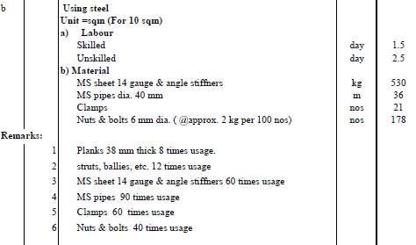
Spec .cl.No:1804,1805 | Labour |  |  |  |  | Materials |  |  |  |  | Equipment
Activity No: | Category | Unit | Quantity | Rate | Amount | Type | Unit | Quantity | Rate | Amount | Type | Unit | Quantity | Rate | Amount
 | Skilled | md | 1.500 | 1,070.00 | 1,605.00 | MS sheet 14 gauge & angle stiffners | kg | 530.000 | 2 | 1,060.00
18.1(b) | Unskilled | md | 2.500 | 770.00 | 1,925.00 | MS pipes dia. 40 mm | m | 36.000 | 5.90 | 212.40
 |  |  |  |  |  | Clamps | nos | 21.000 | 0.83 | 17.50
 |  |  |  |  |  | Nuts & bolts 6 mm dia. ( @approx. 2 kg per 100 nos) | nos | 178.000 | 9.50 | 1,691.00
 |  |  |  | Total Labour Component | 3,530.00 |  |  |  | Total Material Component | 2,980.90 |  |  |  | Total Equipment | -
 |  |  |  |  | Direct Cost : | 6,510.90 |  |  |  | MS sheet 14 gauge & angle stiffners 60 times usage
 |  |  |  |  | Contractor's Overheads (15%) : | 976.63 |  |  |  | MS pipes 90 times usage
 |  |  |  |  | Rate for 10m²: | 7,487.54 |  |  |  | Clamps 60 times usage
 |  |  |  |  | Rate for 1m2 | 748.75 | per | m² |  | Nuts & bolts 40 times usage
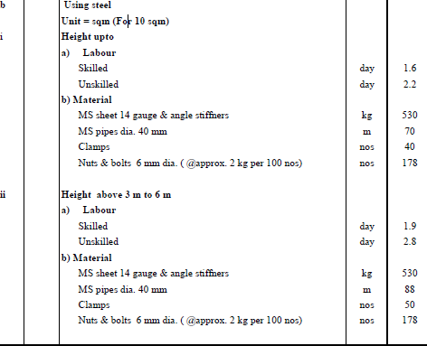
R.A. No. : | 28 |  |  |  |  |  |  |  |  |  |  |  | Unit : | 10 | m²
Description of Item : | Providing , Preparing and Installing form work including necessary supports and removing after completion for walls.
 | Class F2 Finish | (vertical plain surface) | Using steel
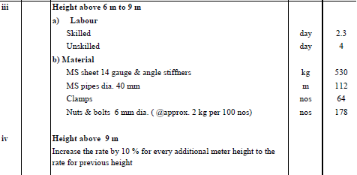
 | Height above 6m to 9m
Spec .cl.No:1804,1805 | Labour |  |  |  |  | Materials |  |  |  |  | Equipment
Activity No: | Category | Unit | Quantity | Rate | Amount | Type | Unit | Quantity | Rate | Amount | Type | Unit | Quantity | Rate | Amount
 | Skilled | md | 2.300 | 1,070.00 | 2,461.00 | MS sheet 14 gauge & angle stiffners | kg | 530.000 | 2 | 1,060.00
18.2(b) iii. | Unskilled | md | 4.000 | 770.00 | 3,080.00 | MS pipes dia. 40 mm | m | 112.000 | 5.90 | 660.80
 |  |  |  |  |  | Clamps | nos | 64.000 | 0.83 | 53.33
 |  |  |  |  |  | Nuts & bolts 6 mm dia. ( @approx. 2 kg per 100 nos) | nos | 178.000 | 9.50 | 1,691.00
 |  |  |  | Total Labour Component | 5,541.00 |  |  |  | Total Material Component | 3,465.13 |  |  |  | Total Equipment | -
 |  |  |  |  | Direct Cost : | 9,006.13 |  |  |  | MS sheet 14 gauge & angle stiffners 60 times usage
 |  |  |  |  | Contractor's Overheads (15%) : | 1,350.92 |  |  |  | MS pipes 90 times usage
 |  |  |  |  | Rate for 10m²: | 10,357.05 |  |  |  | Clamps 60 times usage
 |  |  |  |  | Rate for 1m2 | 1,035.71 | per | m² |  | Nuts & bolts 40 times usage

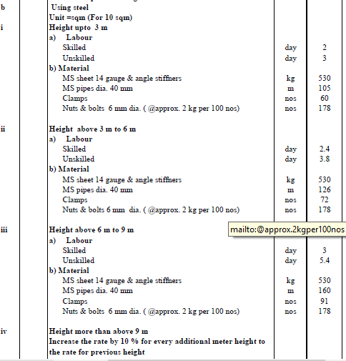
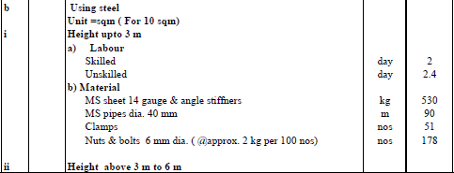
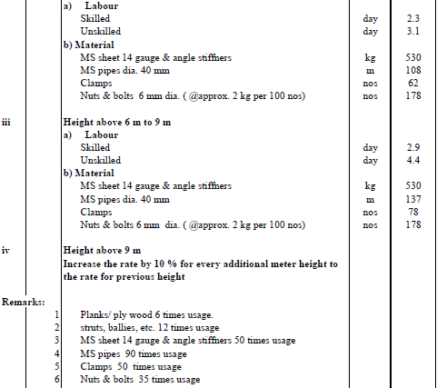
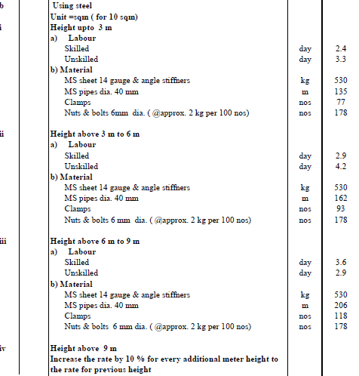
R.A. No. : | 29 |  |  |  |  |  |  |  |  |  |  |  | Unit : | 10 | m²
Description of Item : | Providing , Preparing and Installing form work including necessary supports and removing after completion for slab & beam structure.
 | Class F2 Finish | (False work not included) |  | Using steel
Spec .cl.No:1804,1805 | Labour |  |  |  |  | Materials |  |  |  |  | Equipment
Activity No: | Category | Unit | Quantity | Rate | Amount | Type | Unit | Quantity | Rate | Amount | Type | Unit | Quantity | Rate | Amount
 | Skilled | md | 2.000 | 1,070.00 | 2,140.00 | MS sheet 14 gauge & angle stiffners | kg | 530.000 | 3 | 1,590.00
18.7(b) | Unskilled | md | 3.000 | 770.00 | 2,310.00 | MS pipes dia. 40 mm | m | 32.000 | 8.85 | 283.20
 |  |  |  |  |  | Clamps | nos | 18.000 | 1.25 | 22.50
 |  |  |  |  |  | Nuts & bolts 6 mm dia. ( @approx. 2 kg per 100 nos) | nos | 178.000 | 12.67 | 2,254.67
 |  |  |  | Total Labour Component | 4,450.00 |  |  |  | Total Material Component | 4,150.37 |  |  |  | Total Equipment | -
 |  |  |  |  | Direct Cost : | 8,600.37 |  |  |  | MS sheet 14 gauge & angle stiffners 40 times usage
 |  |  |  |  | Contractor's Overheads (15%) : | 1,290.06 |  |  |  | MS pipes 60 times usage
 |  |  |  |  | Rate for 10m²: | 9,890.42 |  |  |  | Clamps 40 times usage
 |  |  |  |  | Rate for 1m2 | 989.04 | per | m² |  | Nuts & bolts 30 times usage
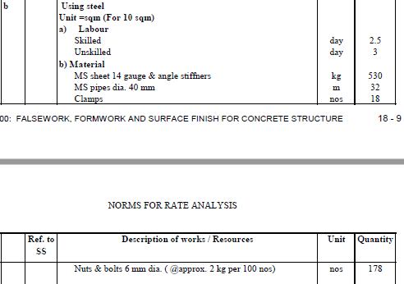
R.A. No. : | 30 |  |  |  |  |  |  |  |  |  |  |  | Unit : | 10 | m²
Description of Item : | Providing and assembling in position falsework for the construction of RCC superstructure and removing after completion including design & drawings as per specification
 | For RCC Beam Bridge |  | Using steel | Height above 3 m to 6m
Spec .cl.No:1803 | Labour |  |  |  |  | Materials |  |  |  |  | Equipment
Activity No: | Category | Unit | Quantity | Rate | Amount | Type | Unit | Quantity | Rate | Amount | Type | Unit | Quantity | Rate | Amount
 | Skilled | md | 14.000 | 1,070.00 | 14,980.00
18.11(b) ii. | Unskilled | md | 25.000 | 770.00 | 19,250.00 | MS pipes dia. 40 mm | m | 600.000 | 8.85 | 5,310.00
 |  |  |  |  |  | Clamps | nos | 342.000 | 1.25 | 427.50
 |  |  |  |  |  | Nuts & bolts 6 mm dia. ( @approx. 2 kg per 100 nos) | nos | 178.000 | 12.67 | 2,254.67
 |  |  |  | Total Labour Component | 34,230.00 |  |  |  | Total Material Component | 7,992.17 |  |  |  | Total Equipment | -
 |  |  |  |  | Direct Cost : | 42,222.17
 |  |  |  |  | 3% for design and drawing | 1,266.67
 |  |  |  |  | Contractor's Overheads (15%) : | 6,333.33 |  |  |  | MS pipes 60 times usage
 |  |  |  |  | Rate for 10m²: | 49,822.16 |  |  |  | Clamps 40 times usage
 |  |  |  |  | Rate for 1m2 | 4,982.22 | per | m² |  | Nuts & bolts 30 times usage
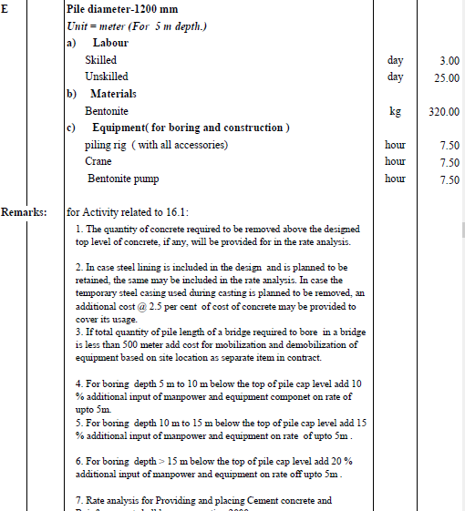
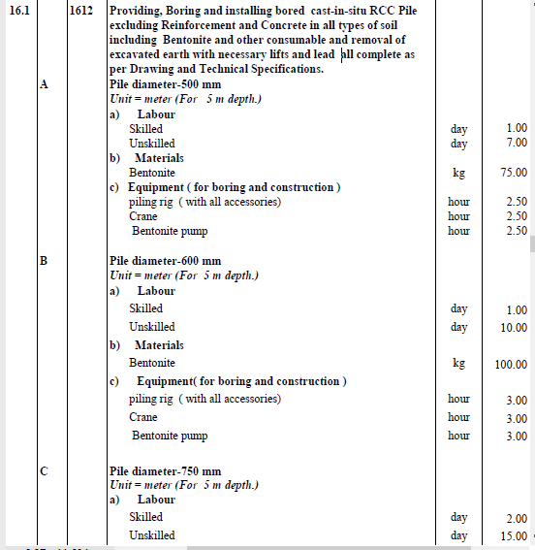
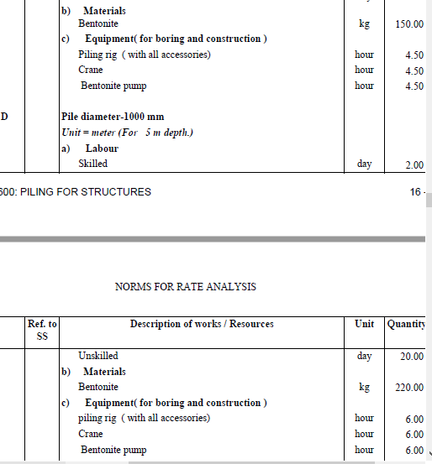
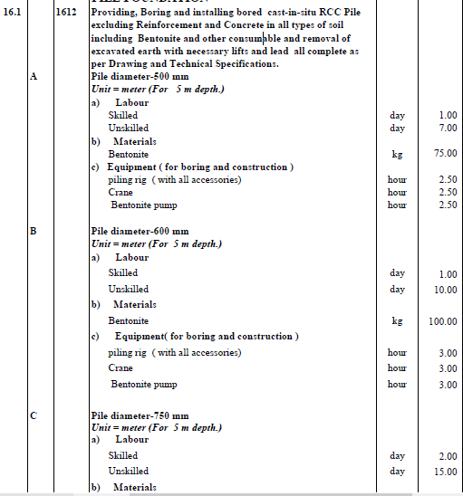
R.A. No. : | 31
Description of Item : | Supplying, fitting and fixing in position true to line and level elastomeric bearing including all accessories as per Drawing and Technical Specifications. Unit: cubic centimeter (Considering an elastomeric bearing of size 500 x 400 x 96 mm .) |  |  |  |  |  |  |  |  |  |  |  | Unit : | 1 | no
Spec .cl.No:1902 | Labour |  |  |  |  | Materials |  |  |  |  | Equipment
Activity No: | Category | Unit | Quantity | Rate | Amount | Type | Unit | Quantity | Rate | Amount | Type | Unit | Quantity | Rate | Amount
19.4 | Un Skilled | md | 1.000 | 1,070.00 | 1,070.00 | Elastomeric bearing assembly consisting of 7 layers of elastomer bonded to 6 nos. internal reinforcing steel laminates by the process of vulcanization, complete with all components as per drawing and Technical Specifications. | Pcs | 1.000 | 40000 | 40,000.00
 | skilled | md | 1.000 | 770.00 | 770.00
 |  |  |  | Total Labour Component | 1,840.00 |  |  |  | Total Material Component | 40,000.00 |  |  |  | Total Equipment | -
 |  |  |  |  | Direct Cost : | 41,840.00
Add 1 per cent of cost of bearing assembly for foundation anchorage bolts and consumables. |  |  |  |  |  | 418.40
 |  |  |  |  | Total Cost : | 42,258.40
 |  |  |  |  | Contractor's Overheads (15% ) : | 6,338.76
 |  |  |  |  | Rate | 48,597.16 | per | no

R.A. No. : | 31
Description of Item : | Supplying, fitting and fixing in position true to line and level POT-PTFE bearing consisting of a metal piston supported by a disc or unreinforced elastomer confined within a metal cylinder, sealing rings, dust seals, PTFE surface sliding against stainless steel mating surface, complete assembly to be of cast steel/fabricated structural steel, metal and elastomer elements as per Drawing and Technical Specifications. |  |  |  |  |  |  |  |  |  |  |  | Unit : | 1 | no
Spec .cl.No:1902 | Labour |  |  |  |  | Materials |  |  |  |  | Equipment
Activity No: | Category | Unit | Quantity | Rate | Amount | Type | Unit | Quantity | Rate | Amount | Type | Unit | Quantity | Rate | Amount
19.6 | Un Skilled | md | 2.000 | 1,070.00 | 2,140.00 | Pot type bearing assembly consisting of a metal piston supported by a disc, PTFE pads providing sliding surfaces against stainless steel mating together with cast steel assemblies/fabricated structural steel assemblies duly painted with all components as per clause 2006 and complete as per drawings and Technical Specifications. | Pcs | 1.000 | 40000 | 40,000.00
2.4-II (A) | skilled | md | 1.000 | 770.00 | 770.00
 |  |  |  | Total Labour Component | 2,910.00 |  |  |  | Total Material Component | 40,000.00 |  |  |  | Total Equipment | -
 |  |  |  |  | Direct Cost : | 42,910.00
Add 1 per cent of cost of bearing assembly for foundation anchorage bolts and consumables. |  |  |  |  |  | 429.10
 |  |  |  |  | Total Cost : | 43,339.10
 |  |  |  |  | Contractor's Overheads (15% ) : | 6,500.87
 |  |  |  |  | Rate | 49,839.97 | per | no

R.A. No. : | 32
Description of Item : | Providing and laying of a strip seal expansion joint catering to maximum horizontal movement upto 70 mm, complete as per approved Drawings and Technical specifications. |  |  |  |  |  |  |  |  |  |  |  | Unit : | 12 | rm
Spec .cl.No:1901 | Labour |  |  |  |  | Materials |  |  |  |  | Equipment
Activity No: | Category | Unit | Quantity | Rate | Amount | Type | Unit | Quantity | Rate | Amount | Type | Unit | Quantity | Rate | Amount
 | Un Skilled | md | 1.000 | 770.00 | 770.00
19.1 | skilled | md | 1.000 | 1,070.00 | 1,070.00 | Expansion Joint | no. | 12.000 | 16,000.00 | 192,000.00
 |  |  |  | Total Labour Component | 1,070.00 |  |  |  | Total Material Component | 192,000.00 |  |  |  | Total Equipment | -
 |  |  |  |  | Direct Cost : | 193,070.00
 |  |  |  |  | Add 5 % cost of material for anchorage reinforcement, welding and other incidentals. | 9,653.50
 |  |  |  |  | Total Cost : | 202,723.50
 |  |  |  |  | Contractor's Overheads (15% ) : | 30,408.52
 |  |  |  |  | Rate for 12 rm: | 233,132.03
 |  |  |  |  | Rate for 1 rm | 19,427.67 | per | rm

R.A. No. : | 33
Desccription of Item: | Providing and laying Gabion structure for retaining earth with diaphgram including rolling, cutting weaving, placing, laying side and dipahgrams with binding wire and filling boulders all complete. Mesh wire 10swg(0.0615kg/m), selvadge wire 8 swg (0.1057kg/m), binding wire 12swg (0.0409kg/m) Hexagonal mesh Type 100mmx120mm: Box 3x1x1 ( 16 sqm), as per Drawing and Technical Specifications (SS 2401). |  |  |  |  |  |  |  |  |  |  |  | Unit: | 6 | m3
Spec .cl.No: 2401 | Labour |  |  |  |  | Materials |  |  |  |  | Equipment
Activity No: | Category | Unit | Quantity | Rate | Amount | Type | Unit | Quantity | Rate | Amount | Type | Unit | Quantity | Rate | Amount
24.1-A(i) | Unskilled | md | 7.00 | 770.00 | 5,390.00 | Mesh wire | Kg | 70.20 | 103.57 | 7,270.45
 | Skilled | md | 3.00 | 1,070.00 | 3,210.00 | Selvedge wire | Kg | 7.82 | 103.57 | 809.90
 |  |  |  |  |  | Binding wire | Kg | 3.62 | 95.41 | 345.40
 |  |  |  |  |  | Boulder/stone | m3 | 6.60 | 2,075.90 | 13,700.94

 |  |  |  | Total Labour Component | 8,600.00 |  |  |  | Total Material Component | 22,126.68 |  |  |  | Total Equipment | -
 |  |  |  |  | Direct Cost : | 30,726.68
 |  |  |  |  | Contractor's Overheads (15% ) : | 4,609.00
 |  |  |  |  | Rate for 6 m3: | 35,335.69
 |  |  |  |  | Rate for 1 m3 | 5,889.28 | per | m3

R.A. No. : | 34
Desccription of Item: | Providing and laying Gabion structure for retaining earth with diaphgram including rolling, cutting weaving, placing, laying side and dipahgrams with binding wire and filling boulders all complete. Mesh wire 10swg(0.0615kg/m), selvadge wire 8 swg (0.1057kg/m), binding wire 12swg (0.0409kg/m) Hexagonal mesh Type 100mmx120mm: Box 2x1x1 ( 11 sqm), as per Drawing and Technical Specifications (SS 2401). |  |  |  |  |  |  |  |  |  |  |  | Unit: | 6 | m3
Spec .cl.No: 2401 | Labour |  |  |  |  | Materials |  |  |  |  | Equipment
Activity No: | Category | Unit | Quantity | Rate | Amount | Type | Unit | Quantity | Rate | Amount | Type | Unit | Quantity | Rate | Amount
24.1-A(ii) | Unskilled | md | 7.00 | 770.00 | 5,390.00 | Mesh wire | Kg | 72.45 | 103.57 | 7,503.47
 | Skilled | md | 3.00 | 1,070.00 | 3,210.00 | Selvedge wire | Kg | 8.88 | 103.57 | 919.68
 |  |  |  |  |  | Binding wire | Kg | 3.90 | 95.41 | 372.11
 |  |  |  |  |  | Boulder/stone | m3 | 6.60 | 2,075.90 | 13,700.94

 |  |  |  | Total Labour Component | 8,600.00 |  |  |  | Total Material Component | 22,496.21 |  |  |  | Total Equipment | -
 |  |  |  |  | Direct Cost : | 31,096.21
 |  |  |  |  | Contractor's Overheads (15% ) : | 4,664.43
 |  |  |  |  | Rate for 6 m3: | 35,760.64
 |  |  |  |  | Rate for 1 m3 | 5,960.11 | per | m3
R.A. No. : | 35
Desccription of Item: | Providing and laying Gabion structure for retaining earth with diaphgram including rolling, cutting weaving, placing, laying side and dipahgrams with binding wire and filling boulders all complete. Mesh wire 10swg(0.0615kg/m), selvadge wire 8 swg (0.1057kg/m), binding wire 12swg (0.0409kg/m) Hexagonal mesh Type 100mmx120mm: Box 1x1x1(6 Sq.m), as per Drawing and Technical Specifications (SS 2401). |  |  |  |  |  |  |  |  |  |  |  | Unit: | 6 | m3
Spec .cl.No: 2401 | Labour |  |  |  |  | Materials |  |  |  |  | Equipment
Activity No: | Category | Unit | Quantity | Rate | Amount | Type | Unit | Quantity | Rate | Amount | Type | Unit | Quantity | Rate | Amount
24.1-A(iv) | Unskilled | md | 8.00 | 770.00 | 6,160.00 | Mesh wire | Kg | 78.96 | 103.57 | 8,177.70
 | Skilled | md | 3.00 | 1,070.00 | 3,210.00 | Selvedge wire | Kg | 12.06 | 103.57 | 1,249.03
 |  |  |  |  |  | Binding wire | Kg | 4.56 | 95.41 | 435.09
 |  |  |  |  |  | Boulder/stone | m3 | 6.60 | 2,075.90 | 13,700.94

 |  |  |  | Total Labour Component | 9,370.00 |  |  |  | Total Material Component | 23,562.75 |  |  |  | Total Equipment | -
 |  |  |  |  | Direct Cost : | 32,932.75
 |  |  |  |  | Contractor's Overheads (15% ) : | 4,939.91
 |  |  |  |  | Rate for 6 m3: | 37,872.66
 |  |  |  |  | Rate for 1 m3 | 6,312.11 | per | m3

R.A. No. : | 36
Desccription of Item: | Providing and laying Stone Masonry work in cement mortar 1:4 in structure complete as per Drawing and Technical Specifications (Random Rubble Masonry) |  |  |  |  |  |  |  |  |  |  |  | Unit: | 5 | m3
Spec .cl.No: 2600,2607 | Labour |  |  |  |  | Materials |  |  |  |  | Equipment
Activity No: | Category | Unit | Quantity | Rate | Amount | Type | Unit | Quantity | Rate | Amount | Type | Unit | Quantity | Rate | Amount
26.5 A | Unskilled | md | 20.00 | 770.00 | 15,400.00 | Stone | Cum | 5.75 | 2,075.90 | 11,936.43 | Concrete Mixer | hr. | 0.75 | 1,000.00 | 750.00
 | Skilled | md | 7.00 | 1,070.00 | 7,490.00 | Cement | Tonne | 0.66 | 17,013.62 | 11,228.99
 |  |  |  |  |  | Sand | Cum | 1.85 | 2,503.28 | 4,631.06
 |  |  |  |  |  | Water | KL | 1.00 | 249.56 | 249.56

 |  |  |  | Total Labour Component | 22,890.00 |  |  |  | Total Material Component | 28,046.03 |  |  |  | Total Equipment | 750.00
 |  |  |  |  | Direct Cost : | 51,686.03 |  |  | As per the remarks If Concrete mixture is proposed to mix mortar provide concrete mixture 0.75 hr. and reduce 5 unskilled md on every 5 cum, in above specified value of item no 26.5.
 |  |  |  |  | Contractor's Overheads (15% ) : | 7,752.90
 |  |  |  |  | Rate for 5 m3: | 59,438.94
 |  |  |  |  | Rate for 1 m3 | 11,887.79 | per | m3

R.A. No. : | 37 |  |  |  |  |  |  |  |  |  |  |  | Unit : | 300 | m³
Description of Item : | Providing, laying and spreading Material on a prepared sub grade, adding the designed quantity of cement to the spread Material, mixing in place , grading and compacting at OMC to achieve the desired unconfined compressive strength and to form a layer of sub-base/base as per Drawing and Technical Specifications.
Spec .cl.No:1201 | Labour |  |  |  |  | Materials |  |  |  |  | Equipment
Activity No: | Category | Unit | Quantity | Rate | Amount | Type | Unit | Quantity | Rate | Amount | Type | Unit | Quantity | Rate | Amount
 |  |  |  |  |  |  |  |  |  |  | Grader | hr. | 6.000 | 1,600.00 | 9,600.00
12.3 | Skilled | md | 3.000 | 1,070.00 | 3,210.00 | Sub-base agg. | m³ | 384.000 | 2,174.20 | 834,892.80 | Vibrator Roller | hr. | 6.000 | 800.00 | 4,800.00
 | Unskilled | md | 15.000 | 770.00 | 11,550.00 | Cement | Tonne | 24.000 | 17,013.62 | 408,326.88
 |  |  |  |  |  | Water | KL | 72.000 | 249.56 | 17,968.32 | Loader | hr. | 12.000 | 1,000.00 | 12,000.00
 |  |  |  | Total Labour Component | 14,760.00 |  |  |  | Total Material Component | 1,261,188 |  |  |  | Total Equipment | 26,400.00
 |  |  |  |  | Direct Cost : | 1,302,348.00
 |  |  |  |  | Contractor's Overheads (15% ) : | 195,352.20
 |  |  |  |  | Rate for 300 m³: | 1,497,700.20 |  |  | m³
 |  |  |  |  | Rate for 1 m3 | 4,992.33 | per | m³
R.A. No. : | 38 |  |  |  |  |  |  |  |  |  |  |  | Unit : | 300 | cum
Description of Item : | Providing,laying,spreading and compacting with Roadway cutting material and Compact to the required density (By Using Machine) as per Drawing and and Technical Specifications (SS 909,910)
 | Labour |  |  |  |  | Materials |  |  |  |  | Equipment
Activity No: | Category | Unit | Quantity | Rate | Amount | Type | Unit | Quantity | Rate | Amount | Type | Unit | Quantity | Rate | Amount
SS 909,910 |  |  |  |  |  |  |  |  |  |  | Dozer | hr. | 6.000 | 5,891.0 | 35,346.00
9.9-B | Skilled | md | 1.000 | 1,070.00 | 1,070.00 | Water | KL | 72.000 | 249.56 | 17,968.32 | Motor Grader | hr. | 6.000 | 3,618.0 | 21,708.00
 | Unskilled | md | 10.000 | 770.00 | 7,700.00 |  |  |  |  | - | Vibratory Roller | hr. | 6.000 | 2,413.0 | 14,478.00

 |  |  |  |  |  |  |  |  | 249.56 | -
 |  |  |  | Total Labour Component | 8,770.00 |  |  |  | Total Material Component | 17,968.32 |  |  |  | Total Equipment | 71,532.00
 |  |  |  |  | Direct Cost : | 98,270.32
 |  |  |  |  | Contractor's Overheads (15% ) : | 14,740.55
 |  |  |  |  | Rate for 300 cum: | 113,010.87 |  |  | cum
 |  |  |  |  | Rate for 1 m3 | 376.70 | per | cum

R.A. No. : | 39 |  |  |  |  |  |  |  |  |  |  |  | Unit : | 300 | cum
Description of Item : | Providing and laying granular sub-base on prepared surface, mixing at OMC and compacting to achieve the desired density (by Machine), complete per Drawing and Technical Specification (SS 1201).
 | Labour |  |  |  |  | Materials |  |  |  |  | Equipment
Activity No: | Category | Unit | Quantity | Rate | Amount | Type | Unit | Quantity | Rate | Amount | Type | Unit | Quantity | Rate | Amount
SS 1201) |  |  |  |  |  |  |  |  |  |  | Motor Grader | hr. | 6.000 | 3,618.0 | 21,708.00
12.1 (A) | Skilled | md | 2.000 | 1,070.00 | 2,140.00 | Sub-base material S1 or S2 type | KL | 384.000 | 1,766.00 | 678,144.00 | Vibratory Roller | hr. | 12.000 | 2,413.0 | 28,956.00
 | Unskilled | md | 12.000 | 770.00 | 9,240.00 | Water | KL | 18.000 | 249.56 | 4,492.08 | Tractor/Loader | hr. | 12.000 | 1,110.0 | 13,320.00

 |  |  |  |  |  |  |  |  | 249.56 | -
 |  |  |  | Total Labour Component | 11,380.00 |  |  |  | Total Material Component | 682,636.08 |  |  |  | Total Equipment | 63,984.00
 |  |  |  |  | Direct Cost : | 758,000.08
 |  |  |  |  | Contractor's Overheads (15% ) : | 113,700.01
 |  |  |  |  | Rate for 300 cum: | 871,700.09 |  |  | cum
 |  |  |  |  | Rate for 1 m3 | 2,905.67 | per | cum

R.A. No. : | 38 |  |  |  |  |  |  |  |  |  |  |  | Unit : | 100 | m
Description of Item : | Providing,fittingandfixingmildsteelrailingcompleteasper drawing and Technical Specification
Spec .cl.No:3105 | Labour |  |  |  |  | Materials |  |  |  |  | Equipment
Activity No: | Category | Unit | Quantity | Rate | Amount | Type | Unit | Quantity | Rate | Amount | Type | Unit | Quantity | Rate | Amount
 |  |  |  |  |  |  |  |  |  |  | Grader | hr. | 6.000 | 1,600.00 | 9,600.00
31.2 | Skilled | md | 30.000 | 1,070.00 | 32,100.00 | ISMC 100 | Tonne | 2.950 | 2,174.20 | 6,413.89 | Vibrator Roller | hr. | 6.000 | 800.00 | 4,800.00
 | Unskilled | md | 60.000 | 770.00 | 46,200.00 | MS Flat | Tonne | 1.010 | 17,013.62 | 17,183.76
 |  |  |  |  |  | MS bars | Tonne | 0.180
 |  |  |  |  |  | MS bolts, nuts and washers | Tonne | 0.150 | 249.56 | 37.43 | Loader | hr. | 12.000 | 1,000.00 | 12,000.00
 |  |  |  | Total Labour Component | 78,300.00 |  |  |  | Total Material Component | 23,635.08 |  |  |  | Total Equipment | 26,400.00
 |  |  |  |  | Direct Cost : | 128,335.08
 |  |  |  |  | Contractor's Overheads (15% ) : | 19,250.26
 |  |  |  |  | Rate for 100 m: | 147,585.34 |  |  | m
 |  |  |  |  | Rate for 1 m3 | 1,475.85 | per | m

R.A. No. : | 39
Desccription of Item: | Tubular Steel Railing on Precast RCC Posts, 1.2 m High Above Ground Level Providing, fencing and erecting 50 mm dia painted steel pipe railing in 3 rows on precast M 20 grade RCC vertical posts 1.8 metres high (1.2 m above GL) with 3 holes 50 mm dia for pipe, fixed 2 metres center to, complete as per Drawing and Technical Specifications. |  |  |  |  |  |  |  |  |  |  |  | Unit: | 100 | Rm
Spec .cl.No: 3105 | Labour |  |  |  |  | Materials |  |  |  |  | Equipment
Activity No: | Category | Unit | Quantity | Rate | Amount | Type | Unit | Quantity | Rate | Amount | Type | Unit | Quantity | Rate | Amount
31.7 | Unskilled | md | 6.00 | 770.00 | 4,620.00
 | Skilled | md | 1.00 | 1,070.00 | 1,070.00 | GI Pipe,heavy(50mm Dia) | m | 300.000 | 513.61 | 154,083.88 | Trolley | hrs | 6.00 | 2,200.00 | 13,200.00
 |  |  |  |  |  | M 15/40 P.C.C | m3 | 6.480 | 11,329.84 | 73,417.37
 |  |  |  |  |  | Footpath excavation | m3 | 12.960 | 194.74 | 2,523.81
 |  |  |  |  |  | Painting of Pipe | m2 | 47.100 | 804.93 | 37,912.20
 |  |  |  |  |  | RCC M-20 | m3 | 3.20 | 12,668.63 | 40,539.63

 |  |  |  | Total Labour Component | 5,690.00 |  |  |  | Total Material Component | 308,476.90 |  |  |  | Total Equipment | 13,200.00

 |  |  |  |  | Direct Cost : | 327,366.90
 |  |  |  |  | Contractor's Overheads (15% ) : | 49,105.04
 |  |  |  |  | Rate for 100 Rm: | 376,471.94
 |  |  |  |  | Rate for 1 m | 3,764.72 | per | Rm

R.A. No. : | 40 |  |  |  |  |  |  |  |  |  |  |  | Unit : | 10 | sq
Description of Item : | Providing and Painting two coats after filling the surface with synthetic enamel paint in all shades on concrete / plaster surfaces as per Drawing and Technical specifications. (1501)
 | Labour |  |  |  |  | Materials |  |  |  |  | Equipment
Activity No: | Category | Unit | Quantity | Rate | Amount | Type | Unit | Quantity | Rate | Amount | Type | Unit | Quantity | Rate | Amount
SS 1501 |  |  |  |  |  |  |  |  |  |  | add @5% of LC & MC to prepare the surface by filling mintues roughness on the surfce and priming the surface before laying 2 coats of painting |  |  |  | 383.30
15.4 | Skilled | md | 3.000 | 1,070.00 | 3,210.00 | Paint | Lit | 6.000 | 486.00 | 2,916.00
 | Unskilled | md | 2.000 | 770.00 | 1,540.00

 |  |  |  |  |  |  |  |  | 249.56 | -
 |  |  |  | Total Labour Component | 4,750.00 |  |  |  | Total Material Component | 2,916.00 |  |  |  | Total Equipment | 383.30
 |  |  |  |  | Direct Cost : | 8,049.30
 |  |  |  |  | Contractor's Overheads (15% ) : | 1,207.40
 |  |  |  |  | Rate for 10 sq: | 9,256.70 |  |  | sq
 |  |  |  |  | Rate for 1 m3 | 925.67 | per | sq

