Iris
Petal Length | Sepal Length | Type
1.34 | 0.34 | Setosa
1.69 | 0.98 | Setosa |  | PL<2.0
1.3 | 0.88 | Setosa
3.45 | 1.45 | Versicolor | Yes |  | No
3 | 1.13 | Versicolor
2.56 | 1.79 | Virginica | Setosa |  | SL<1.5

 |  |  |  |  | Yes | No

 |  |  |  |  | Versicolor | Virginica

Entropy
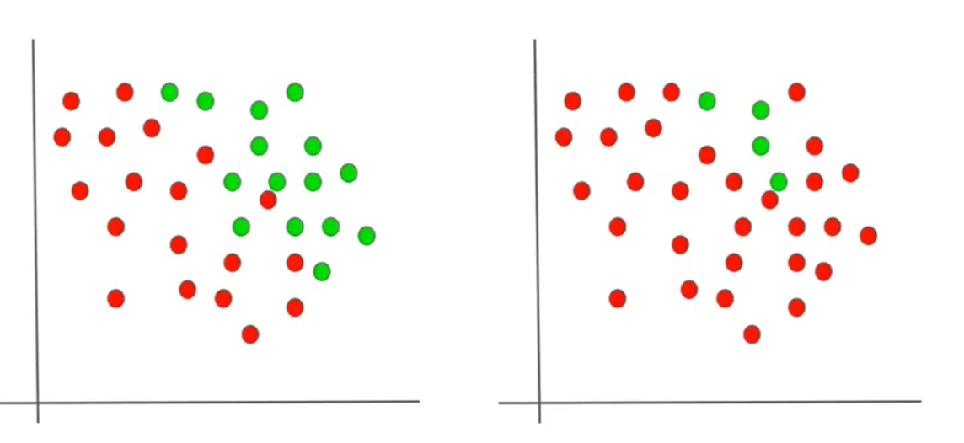

red: no
green: yes

More Knowledge means less entropy

