Лист1
Процент заполняемости рейсов по классам и дням недели
 | PG0252 BC | PG0252_EC | PG0480_BC | PG0480_EC
Jan_Monday | 81.666666667 | 86.610169492 | 88.333333333 | 86.117647059
Jan_Tuesday | 86.666666667 | 90.847457627 | 91.666666667 | 94.117647059
Jan_Wednesday | 89.583333333 | 86.86440678 | 100 | 95.882352941
Jan_Thursday | 97.916666667 | 90.677966102 | 93.75 | 95.588235294
Jan_Friday | 89.583333333 | 89.406779661 | 89.583333333 | 95.294117647
Jan_Saturday | 91.666666667 | 88.771186441 | 93.75 | 94.117647059
Jan_Sunday | 83.333333333 | 80.847457627 | 93.333333333 | 92.470588235
Feb_Monday | 87.5 | 86.86440678 | 95.833333333 | 95.588235294
Feb_Tuesday | 89.583333333 | 91.737288136 | 83.333333333 | 90.882352941
Feb_Wednesday | 83.333333333 | 84.745762712 | 100 | 99.705882353
Feb_Thursday | 75 | 85.169491525 | 85.416666667 | 88.529411765
Feb_Friday | 93.75 | 89.194915254 | 91.666666667 | 90.588235294
Feb_Saturday | 89.583333333 | 86.652542373 | 93.75 | 93.529411765
Feb_Sunday | 89.583333333 | 79.661016949 | 91.666666667 | 92.352941176
 | PG0252 | PG0480 | PG0194
Jan_Monday_bc | 81.666666667 | 88.333333333 |  | Jan_Monday | 0
Jan_Monday_ec | 86.610169492 | 86.117647059 |  | Jan_Monday | 0
Jan_Tuesday_bc | 86.666666667 | 91.666666667 |  | Jan_Tuesday | 1
Jan_Tuesday_ec | 90.847457627 | 94.117647059 |  | Jan_Tuesday | 1
Jan_Wednesday_bc | 89.583333333 | 100 |  | Jan_Wednesday | 2
Jan_Wednesday_ec | 86.86440678 | 95.882352941 |  | Jan_Wednesday | 2
Jan_Thursday_bc | 97.916666667 | 93.75 |  | Jan_Thursday | 3
Jan_Thursday_ec | 90.677966102 | 95.588235294 |  | Jan_Thursday | 3
Jan_Friday_bc | 89.583333333 | 89.583333333 |  | Jan_Friday | 4
Jan_Friday_ec | 89.406779661 | 95.294117647 |  | Jan_Friday | 4
Jan_Saturday_bc | 91.666666667 | 93.75 |  | Jan_Saturday | 5
Jan_Saturday_ec | 88.771186441 | 94.117647059 |  | Jan_Saturday | 5
Jan_Sunday_bc | 83.333333333 | 93.333333333 |  | Jan_Sunday | 6
Jan_Sunday_ec | 80.847457627 | 92.470588235 |  | Jan_Sunday | 6
Feb_Monday_bc | 87.5 | 95.833333333 |  | Feb_Monday | 7
Feb_Monday_ec | 86.86440678 | 95.588235294 |  | Feb_Monday | 7
Feb_Tuesday_bc | 89.583333333 | 83.333333333 |  | Feb_Tuesday | 8
Feb_Tuesday_ec | 91.737288136 | 90.882352941 |  | Feb_Tuesday | 8
Feb_Wednesday_bc | 83.333333333 | 100 |  | Feb_Wednesday | 9
Feb_Wednesday_ec | 84.745762712 | 99.705882353 |  | Feb_Wednesday | 9
Feb_Thursday_bc | 75 | 85.416666667 |  | Feb_Thursday | 10
Feb_Thursday_ec | 85.169491525 | 88.529411765 |  | Feb_Thursday | 10
Feb_Friday_bc | 93.75 | 91.666666667 |  | Feb_Friday | 11
Feb_Friday_ec | 89.194915254 | 90.588235294 |  | Feb_Friday | 11
Feb_Saturday_bc | 89.583333333 | 93.75 |  | Feb_Saturday | 12
Feb_Saturday_ec | 86.652542373 | 93.529411765 |  | Feb_Saturday | 12
Feb_Sunday_bc | 89.583333333 | 91.666666667 |  | Feb_Sunday | 13
Feb_Sunday_ec | 79.661016949 | 92.352941176 |  | Feb_Sunday | 13

Лист2
 | PG0252 | PG0480
Jan_Monday_bc | 81.666666667 | 88.333333333
Jan_Monday_ec | 86.610169492 | 86.117647059
Jan_Tuesday_bc | 86.666666667 | 91.666666667
Jan_Tuesday_ec | 90.847457627 | 94.117647059
Jan_Wednesday_bc | 89.583333333 | 100
Jan_Wednesday_ec | 86.86440678 | 95.882352941
Jan_Thursday_bc | 97.916666667 | 93.75
Jan_Thursday_ec | 90.677966102 | 95.588235294
Jan_Friday_bc | 89.583333333 | 89.583333333
Jan_Friday_ec | 89.406779661 | 95.294117647
Jan_Saturday_bc | 91.666666667 | 93.75
Jan_Saturday_ec | 88.771186441 | 94.117647059

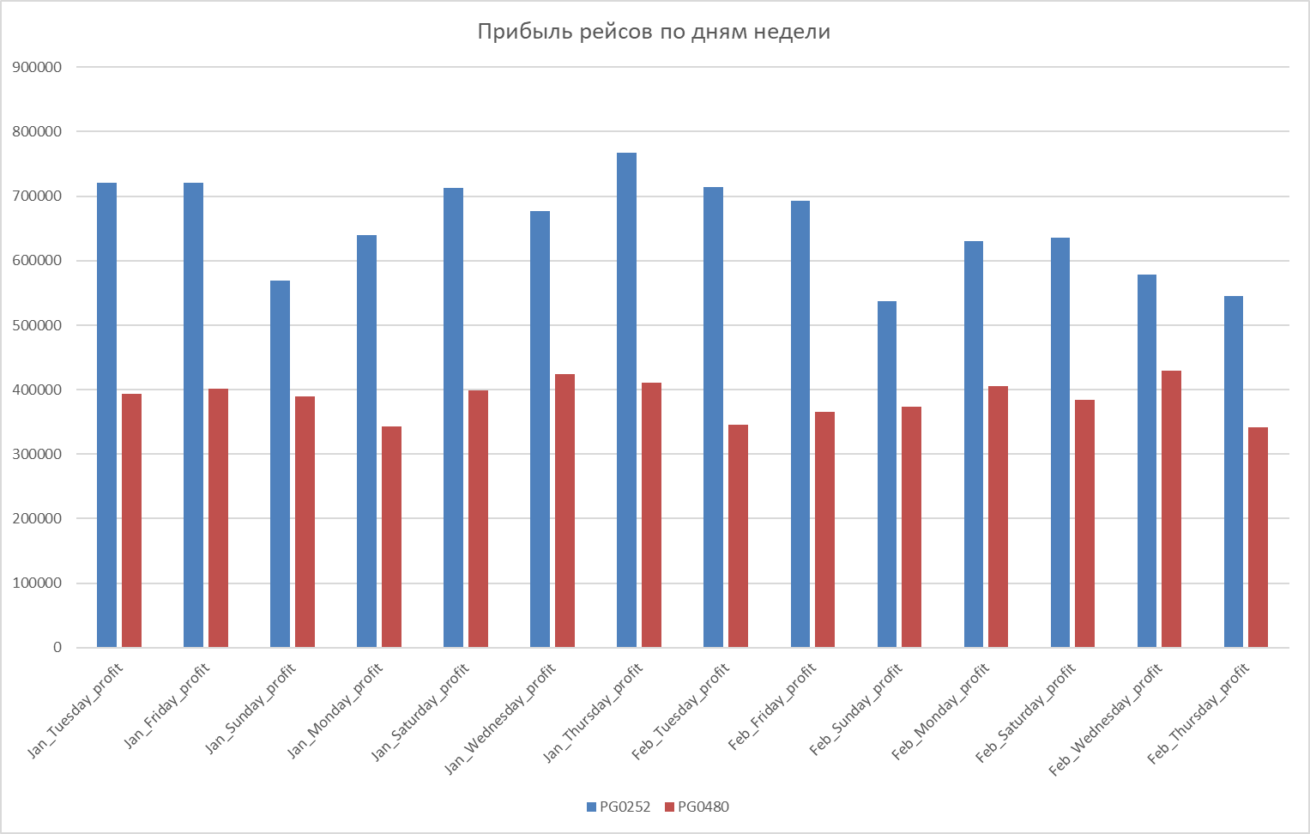

Процент заполняемости рейсов по классам и дням недели
 | PG0252 BC | PG0252_EC | PG0480_BC | PG0480_EC
Jan_Monday | 81.666666667 | 86.610169492 | 88.333333333 | 86.117647059
Jan_Tuesday | 86.666666667 | 90.847457627 | 91.666666667 | 94.117647059
Jan_Wednesday | 89.583333333 | 86.86440678 | 100 | 95.882352941
Jan_Thursday | 97.916666667 | 90.677966102 | 93.75 | 95.588235294
Jan_Friday | 89.583333333 | 89.406779661 | 89.583333333 | 95.294117647
Jan_Saturday | 91.666666667 | 88.771186441 | 93.75 | 94.117647059
Jan_Sunday | 83.333333333 | 80.847457627 | 93.333333333 | 92.470588235
Feb_Monday | 87.5 | 86.86440678 | 95.833333333 | 95.588235294
Feb_Tuesday | 89.583333333 | 91.737288136 | 83.333333333 | 90.882352941
Feb_Wednesday | 83.333333333 | 84.745762712 | 100 | 99.705882353
Feb_Thursday | 75 | 85.169491525 | 85.416666667 | 88.529411765
Feb_Friday | 93.75 | 89.194915254 | 91.666666667 | 90.588235294
Feb_Saturday | 89.583333333 | 86.652542373 | 93.75 | 93.529411765
Feb_Sunday | 89.583333333 | 79.661016949 | 91.666666667 | 92.352941176

