Test grids
Straight line, left turn and right turn grids
(0,0) and (A4) respectively indicate the point where the front centrepoint of the pod should first reach the grid.
NOTE: The first major line either side of the centreline (-1 and 1 lines for straight grid, 3 and 5 lines for turn grid) are marked at 0.8m due to the pod width being 1.6m. Further lines are marked at 1m intervals.
Paths for dynamic walking tests shown in red
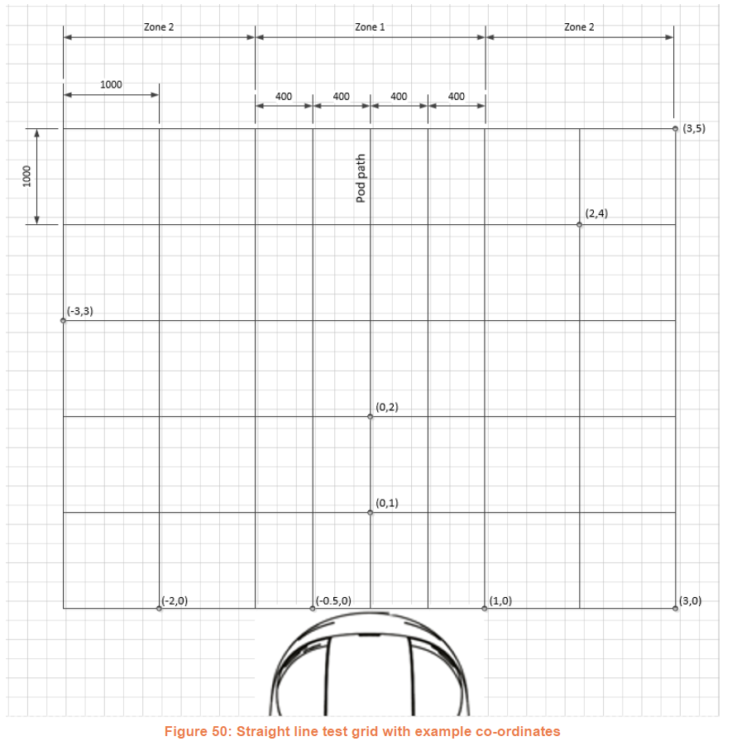
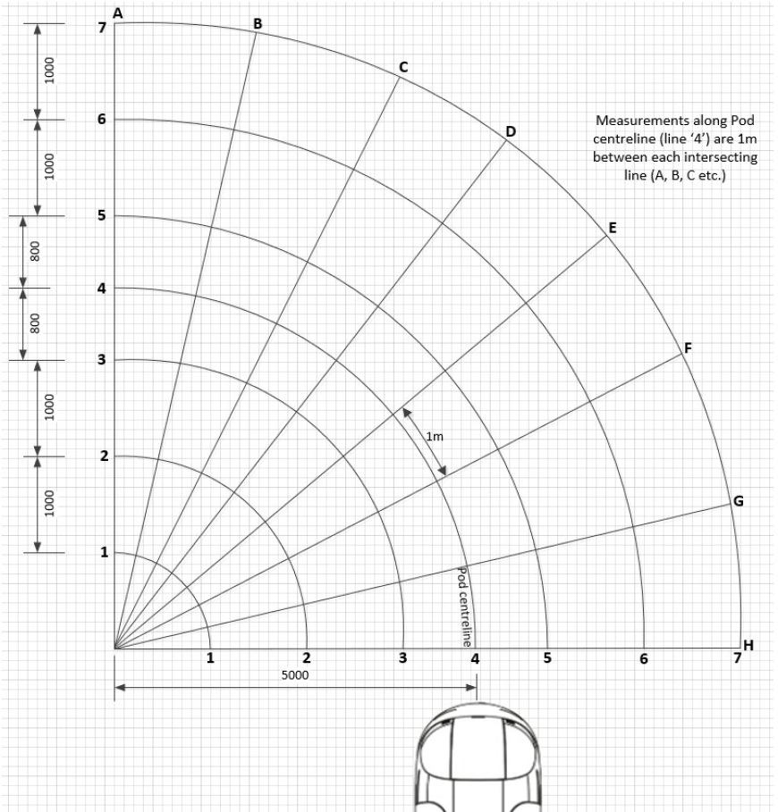
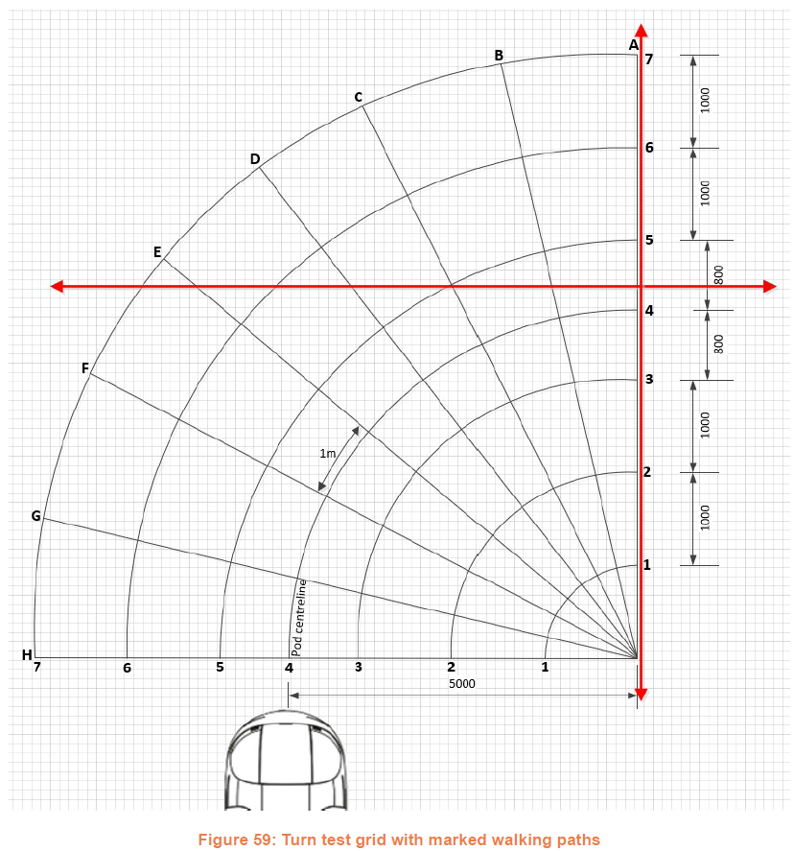
Path A

Path B
(approximate)

Targets&orientation
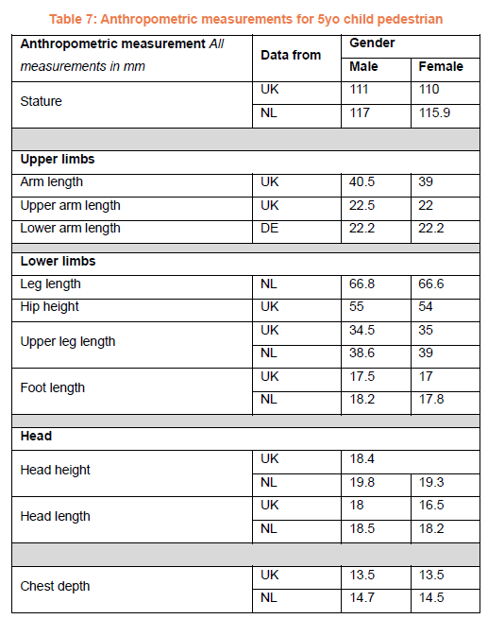
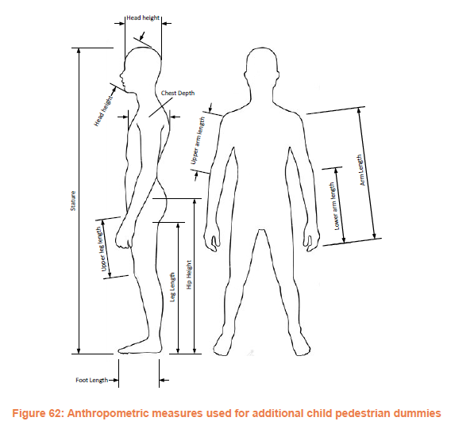
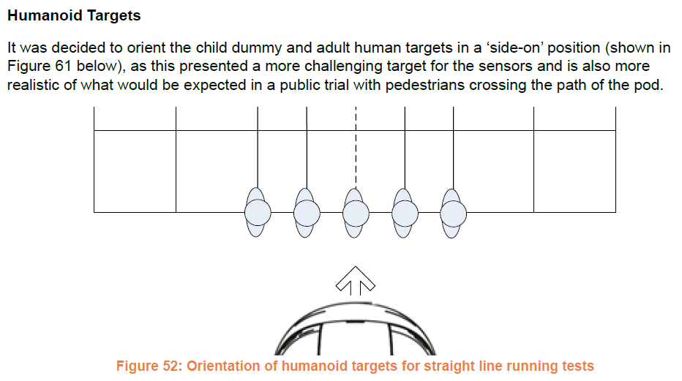

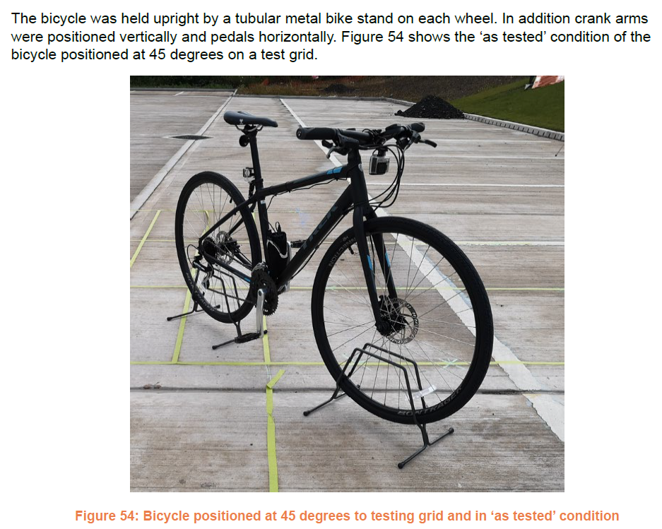
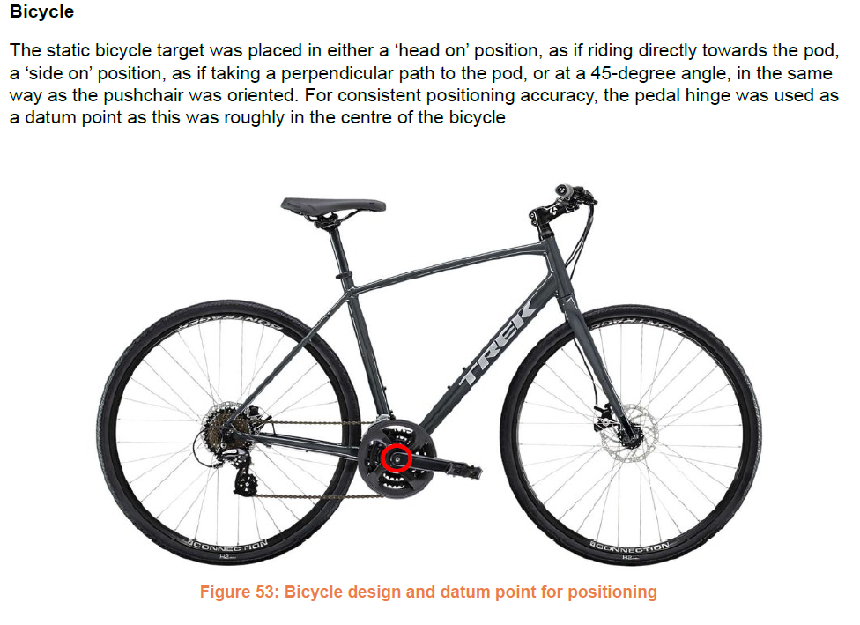

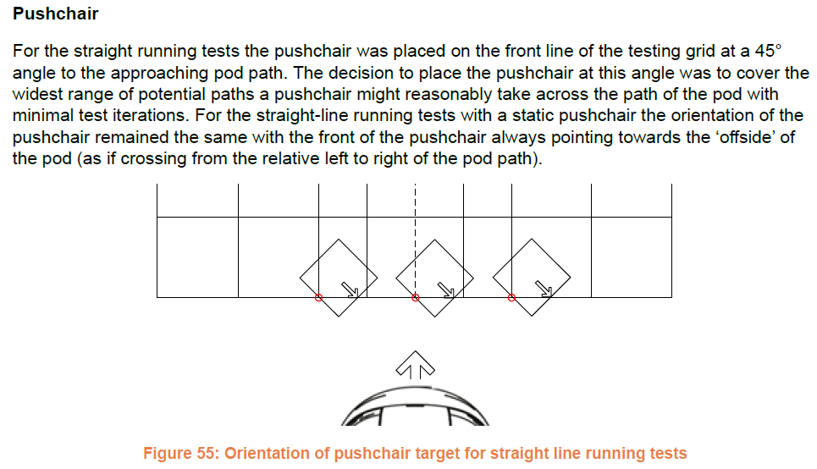

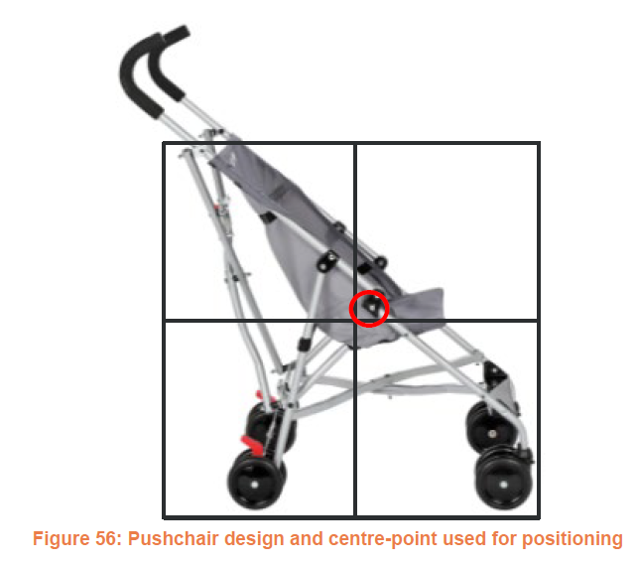

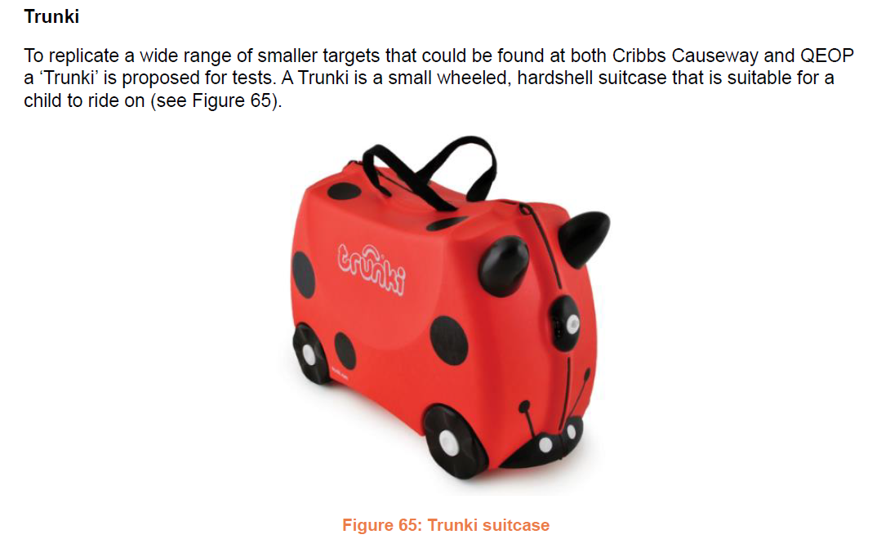

Cycling scenarios
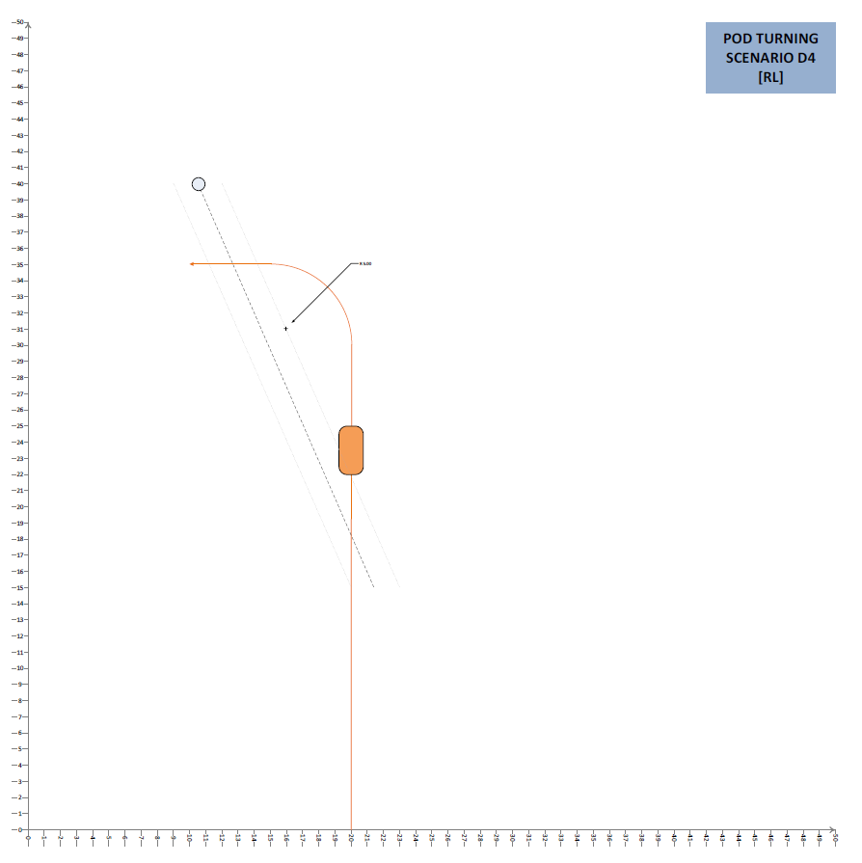
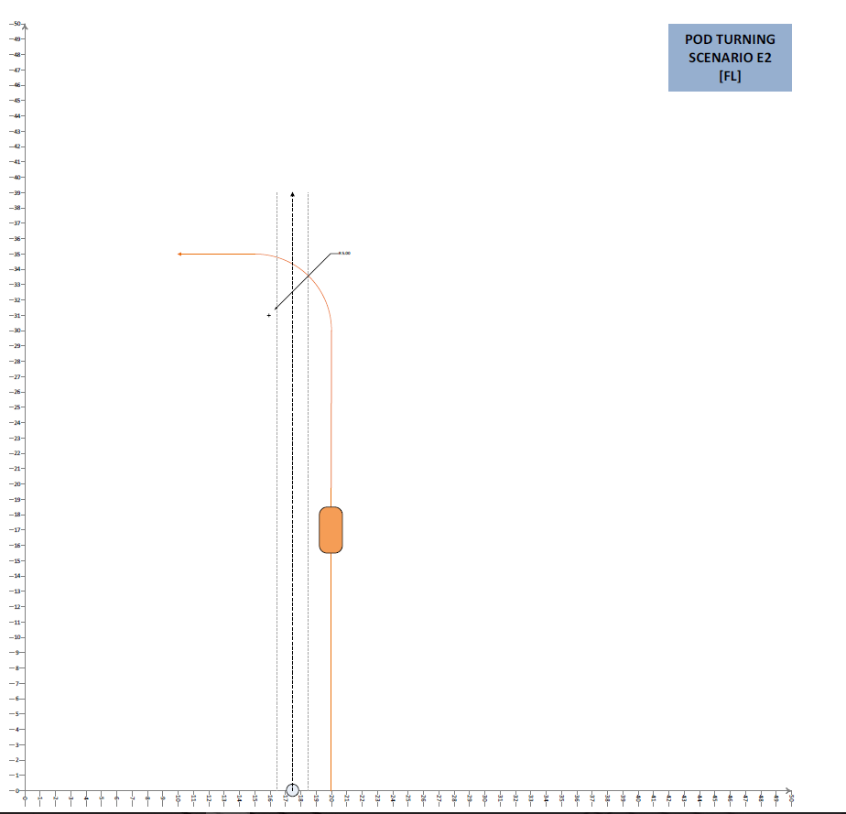
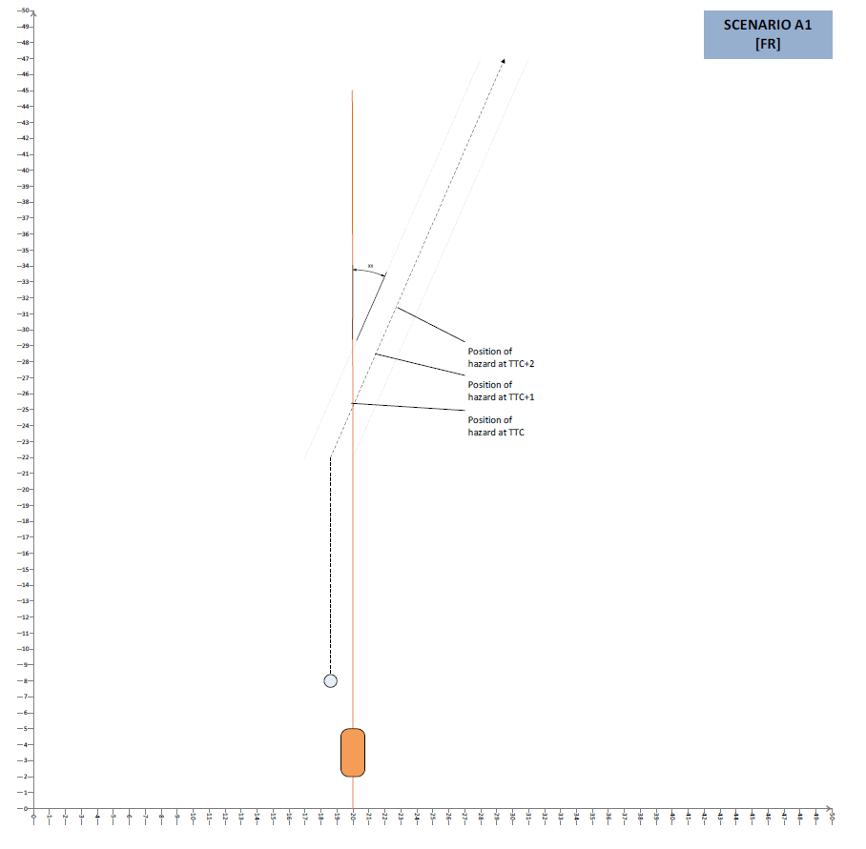

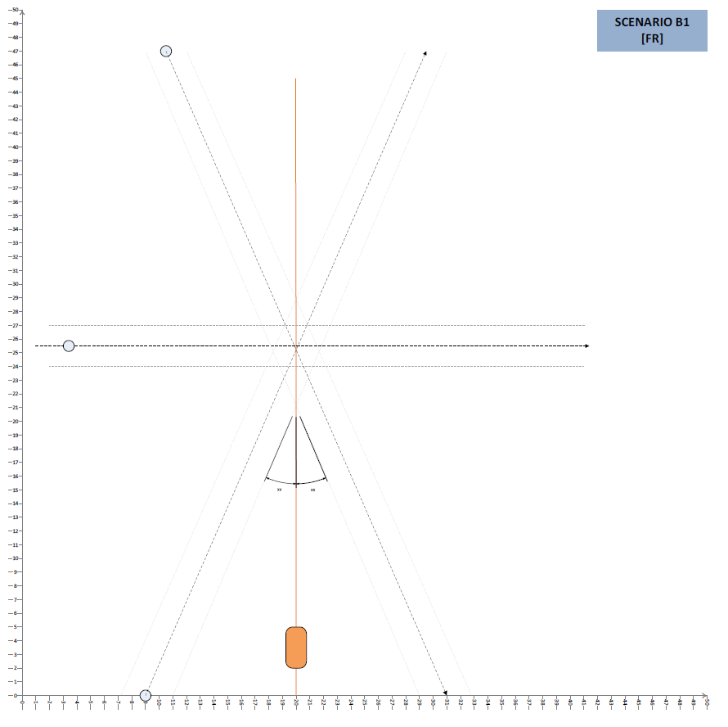
B1a

B1b

B1c

Dynamic testing protocol
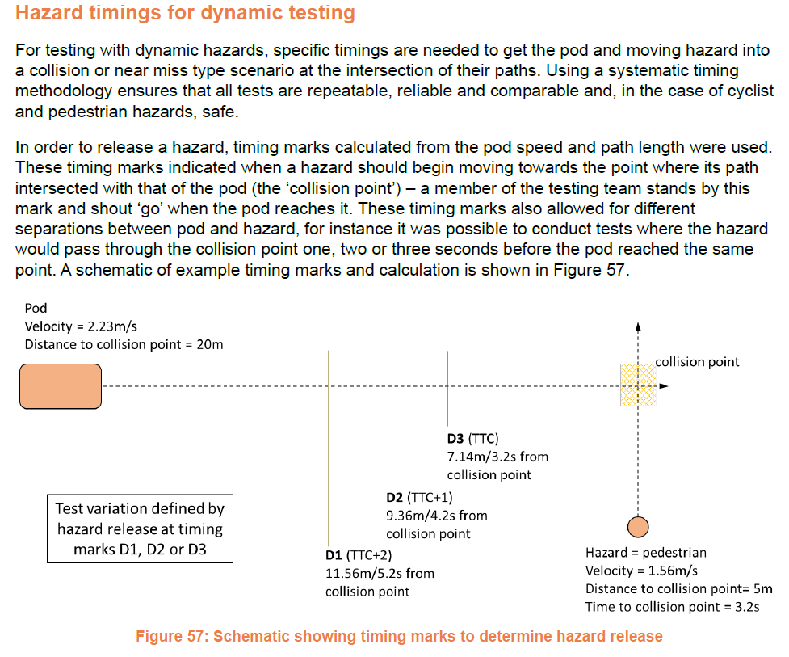

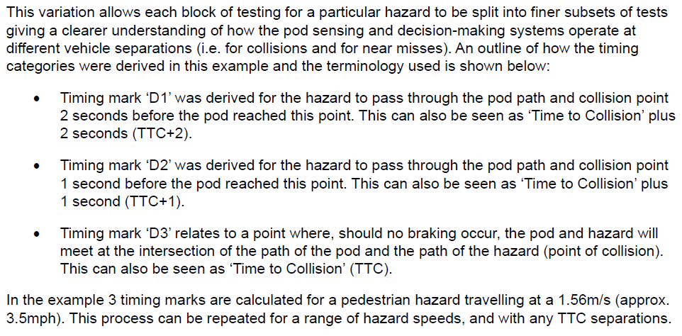

Static hazard tests
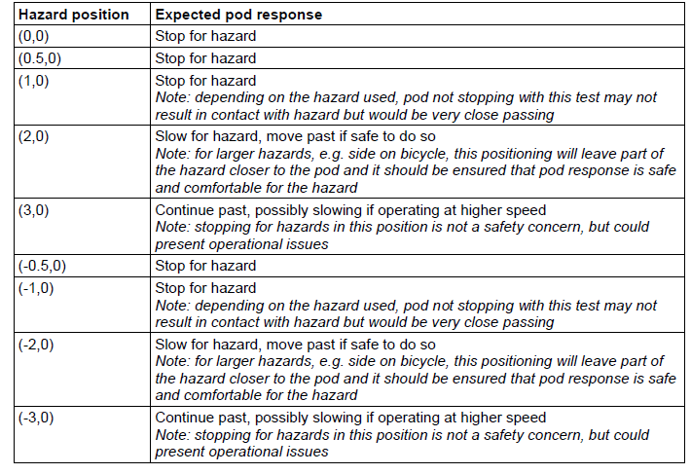
Flag | TestNo | Pod manoeuvre | Hazard status | Hazard type | Hazard relative location | Hazard specific location | Hazard orientation | Expected results
Y | 1 | Straight line | Static | 5yo child pedestrian dummy | Front | (0,0) | Side on, as if crossing L->R
 | 2 | Straight line | Static | 5yo child pedestrian dummy | Front | (0.5,0) | Side on, as if crossing L->R
Y | 3 | Straight line | Static | 5yo child pedestrian dummy | Front right | (1,0) | Side on, as if crossing L->R
 | 4 | Straight line | Static | 5yo child pedestrian dummy | Right | (1.5,0) | Side on, as if crossing L->R
Y | 5 | Straight line | Static | 5yo child pedestrian dummy | Right | (2,0) | Side on, as if crossing L->R
 | 6 | Straight line | Static | 5yo child pedestrian dummy | Right | (2.5,0) | Side on, as if crossing L->R
Y | 7 | Straight line | Static | 5yo child pedestrian dummy | Far right | (3,0) | Side on, as if crossing L->R
 | 8 | Straight line | Static | 5yo child pedestrian dummy | Front | (-0.5,0) | Side on, as if crossing L->R
 | 9 | Straight line | Static | 5yo child pedestrian dummy | Front right | (-1,0) | Side on, as if crossing L->R
 | 10 | Straight line | Static | 5yo child pedestrian dummy | Left | (-1.5,0) | Side on, as if crossing L->R
 | 11 | Straight line | Static | 5yo child pedestrian dummy | Left | (-2,0) | Side on, as if crossing L->R
 | 12 | Straight line | Static | 5yo child pedestrian dummy | Left | (-2.5,0) | Side on, as if crossing L->R
 | 13 | Straight line | Static | 5yo child pedestrian dummy | Far left | (-3,0) | Side on, as if crossing L->R
 | 14 | Straight line | Static | Adult pedestrian | Front | (0,0) | Side on, as if crossing L->R
 | 15 | Straight line | Static | Adult pedestrian | Front | (0.5,0) | Side on, as if crossing L->R
 | 16 | Straight line | Static | Adult pedestrian | Front right | (1,0) | Side on, as if crossing L->R
 | 17 | Straight line | Static | Adult pedestrian | Right | (1.5,0) | Side on, as if crossing L->R
 | 18 | Straight line | Static | Adult pedestrian | Right | (2,0) | Side on, as if crossing L->R
 | 19 | Straight line | Static | Adult pedestrian | Right | (2.5,0) | Side on, as if crossing L->R
 | 20 | Straight line | Static | Adult pedestrian | Far right | (3,0) | Side on, as if crossing L->R
 | 21 | Straight line | Static | Adult pedestrian | Front | (-0.5,0) | Side on, as if crossing L->R
 | 22 | Straight line | Static | Adult pedestrian | Front right | (-1,0) | Side on, as if crossing L->R
 | 23 | Straight line | Static | Adult pedestrian | Left | (-1.5,0) | Side on, as if crossing L->R
 | 24 | Straight line | Static | Adult pedestrian | Left | (-2,0) | Side on, as if crossing L->R
 | 25 | Straight line | Static | Adult pedestrian | Left | (-2.5,0) | Side on, as if crossing L->R
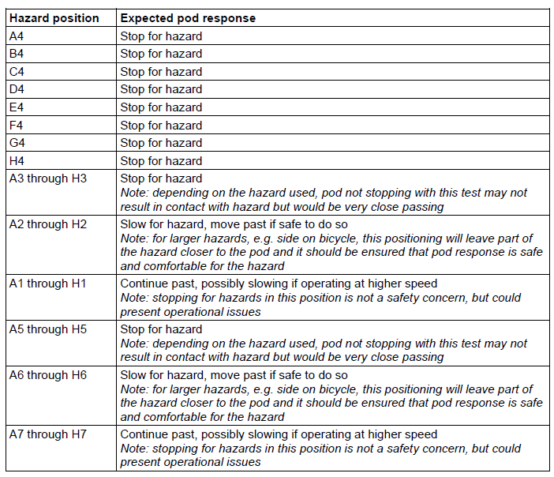
 | 26 | Straight line | Static | Adult pedestrian | Far left | (-3,0) | Side on, as if crossing L->R
Y | 27 | Straight line | Static | Pushchair (empty) | Front | (0,0) | 45 degree angle, crossing UL->LR
 | 28 | Straight line | Static | Pushchair (empty) | Front | (0.5,0) | 45 degree angle, crossing UL->LR
Y | 29 | Straight line | Static | Pushchair (empty) | Front right | (1,0) | 45 degree angle, crossing UL->LR
 | 30 | Straight line | Static | Pushchair (empty) | Right | (1.5,0) | 45 degree angle, crossing UL->LR
Y | 31 | Straight line | Static | Pushchair (empty) | Right | (2,0) | 45 degree angle, crossing UL->LR
 | 32 | Straight line | Static | Pushchair (empty) | Right | (2.5,0) | 45 degree angle, crossing UL->LR
 | 33 | Straight line | Static | Pushchair (empty) | Far right | (3,0) | 45 degree angle, crossing UL->LR
 | 34 | Straight line | Static | Pushchair (empty) | Front | (-0.5,0) | 45 degree angle, crossing UL->LR
Y | 35 | Straight line | Static | Pushchair (empty) | Front right | (-1,0) | 45 degree angle, crossing UL->LR
 | 36 | Straight line | Static | Pushchair (empty) | Left | (-1.5,0) | 45 degree angle, crossing UL->LR
 | 37 | Straight line | Static | Pushchair (empty) | Left | (-2,0) | 45 degree angle, crossing UL->LR
Y | 38 | Straight line | Static | Pushchair (empty) | Left | (-2.5,0) | 45 degree angle, crossing UL->LR
 | 39 | Straight line | Static | Pushchair (empty) | Far left | (-3,0) | 45 degree angle, crossing UL->LR
 | 40 | Straight line | Static | Pushchair (empty) | Front | (0,0) | 45 degree angle, crossing UR->LL
 | 41 | Straight line | Static | Pushchair (empty) | Front | (0.5,0) | 45 degree angle, crossing UR->LL
 | 42 | Straight line | Static | Pushchair (empty) | Front right | (1,0) | 45 degree angle, crossing UR->LL
 | 43 | Straight line | Static | Pushchair (empty) | Right | (1.5,0) | 45 degree angle, crossing UR->LL
 | 44 | Straight line | Static | Pushchair (empty) | Right | (2,0) | 45 degree angle, crossing UR->LL
 | 45 | Straight line | Static | Pushchair (empty) | Right | (2.5,0) | 45 degree angle, crossing UR->LL
 | 46 | Straight line | Static | Pushchair (empty) | Far right | (3,0) | 45 degree angle, crossing UR->LL
 | 47 | Straight line | Static | Pushchair (empty) | Front | (-0.5,0) | 45 degree angle, crossing UR->LL
 | 48 | Straight line | Static | Pushchair (empty) | Front right | (-1,0) | 45 degree angle, crossing UR->LL
 | 49 | Straight line | Static | Pushchair (empty) | Left | (-1.5,0) | 45 degree angle, crossing UR->LL
 | 50 | Straight line | Static | Pushchair (empty) | Left | (-2,0) | 45 degree angle, crossing UR->LL
 | 51 | Straight line | Static | Pushchair (empty) | Left | (-2.5,0) | 45 degree angle, crossing UR->LL
 | 52 | Straight line | Static | Pushchair (empty) | Far left | (-3,0) | 45 degree angle, crossing UR->LL
Y | 53 | Straight line | Static | Trunki | Front | (0,0) | Side on
 | 54 | Straight line | Static | Trunki | Front | (0.5,0) | Side on
Y | 55 | Straight line | Static | Trunki | Front right | (1,0) | Side on
 | 56 | Straight line | Static | Trunki | Right | (1.5,0) | Side on
Y | 57 | Straight line | Static | Trunki | Right | (2,0) | Side on
 | 58 | Straight line | Static | Trunki | Right | (2.5,0) | Side on
 | 59 | Straight line | Static | Trunki | Far right | (3,0) | Side on
 | 60 | Straight line | Static | Trunki | Front | (-0.5,0) | Side on
 | 61 | Straight line | Static | Trunki | Front right | (-1,0) | Side on
 | 62 | Straight line | Static | Trunki | Left | (-1.5,0) | Side on
 | 63 | Straight line | Static | Trunki | Left | (-2,0) | Side on
 | 64 | Straight line | Static | Trunki | Left | (-2.5,0) | Side on
 | 65 | Straight line | Static | Trunki | Far left | (-3,0) | Side on
Y | 66 | Straight line | Static | Bicycle | Front | (0,0) | Head on
 | 67 | Straight line | Static | Bicycle | Front | (0.5,0) | Head on
 | 68 | Straight line | Static | Bicycle | Front right | (1,0) | Head on
 | 69 | Straight line | Static | Bicycle | Right | (1.5,0) | Head on
 | 70 | Straight line | Static | Bicycle | Right | (2,0) | Head on
 | 71 | Straight line | Static | Bicycle | Right | (2.5,0) | Head on
 | 72 | Straight line | Static | Bicycle | Far right | (3,0) | Head on
 | 73 | Straight line | Static | Bicycle | Front | (-0.5,0) | Head on
Y | 74 | Straight line | Static | Bicycle | Front right | (-1,0) | Head on
 | 75 | Straight line | Static | Bicycle | Left | (-1.5,0) | Head on
Y | 76 | Straight line | Static | Bicycle | Left | (-2,0) | Head on
 | 77 | Straight line | Static | Bicycle | Left | (-2.5,0) | Head on
 | 78 | Straight line | Static | Bicycle | Far left | (-3,0) | Head on
Y | 79 | Straight line | Static | Bicycle | Front | (0,0) | 45 degree angle, crossing UL->LR
 | 80 | Straight line | Static | Bicycle | Front | (0.5,0) | 45 degree angle, crossing UL->LR
 | 81 | Straight line | Static | Bicycle | Front right | (1,0) | 45 degree angle, crossing UL->LR
 | 82 | Straight line | Static | Bicycle | Right | (1.5,0) | 45 degree angle, crossing UL->LR
 | 83 | Straight line | Static | Bicycle | Right | (2,0) | 45 degree angle, crossing UL->LR
 | 84 | Straight line | Static | Bicycle | Right | (2.5,0) | 45 degree angle, crossing UL->LR
 | 85 | Straight line | Static | Bicycle | Far right | (3,0) | 45 degree angle, crossing UL->LR
 | 86 | Straight line | Static | Bicycle | Front | (-0.5,0) | 45 degree angle, crossing UL->LR
 | 87 | Straight line | Static | Bicycle | Front right | (-1,0) | 45 degree angle, crossing UL->LR
Y | 88 | Straight line | Static | Bicycle | Left | (-1.5,0) | 45 degree angle, crossing UL->LR
 | 89 | Straight line | Static | Bicycle | Left | (-2,0) | 45 degree angle, crossing UL->LR
Y | 90 | Straight line | Static | Bicycle | Left | (-2.5,0) | 45 degree angle, crossing UL->LR
 | 91 | Straight line | Static | Bicycle | Far left | (-3,0) | 45 degree angle, crossing UL->LR
Y | 92 | Straight line | Static | Bicycle | Front | (0,0) | Side on
 | 93 | Straight line | Static | Bicycle | Front | (0.5,0) | Side on
 | 94 | Straight line | Static | Bicycle | Front right | (1,0) | Side on
 | 95 | Straight line | Static | Bicycle | Right | (1.5,0) | Side on
 | 96 | Straight line | Static | Bicycle | Right | (2,0) | Side on
 | 97 | Straight line | Static | Bicycle | Right | (2.5,0) | Side on
 | 98 | Straight line | Static | Bicycle | Far right | (3,0) | Side on
 | 99 | Straight line | Static | Bicycle | Front | (-0.5,0) | Side on
 | 100 | Straight line | Static | Bicycle | Front right | (-1,0) | Side on
Y | 101 | Straight line | Static | Bicycle | Left | (-1.5,0) | Side on
 | 102 | Straight line | Static | Bicycle | Left | (-2,0) | Side on
Y | 103 | Straight line | Static | Bicycle | Left | (-2.5,0) | Side on
 | 104 | Straight line | Static | Bicycle | Far left | (-3,0) | Side on
Y | 105 | Turning left | Static | 5yo child pedestrian dummy | Front | A4 | Side on, as if crossing L->R
 | 106 | Turning left | Static | 5yo child pedestrian dummy | Front | B4 | Side on, as if crossing L->R
 | 107 | Turning left | Static | 5yo child pedestrian dummy | Front | C4 | Side on, as if crossing L->R
 | 108 | Turning left | Static | 5yo child pedestrian dummy | Front | D4 | Side on, as if crossing L->R
 | 109 | Turning left | Static | 5yo child pedestrian dummy | Front | E4 | Side on, as if crossing L->R
 | 110 | Turning left | Static | 5yo child pedestrian dummy | Front | F4 | Side on, as if crossing L->R
 | 111 | Turning left | Static | 5yo child pedestrian dummy | Front | G4 | Side on, as if crossing L->R
 | 113 | Turning left | Static | 5yo child pedestrian dummy | Front | A3.5 | Side on, as if crossing L->R
 | 114 | Turning left | Static | 5yo child pedestrian dummy | Front | B3.5 | Side on, as if crossing L->R
 | 115 | Turning left | Static | 5yo child pedestrian dummy | Front | C3.5 | Side on, as if crossing L->R
 | 116 | Turning left | Static | 5yo child pedestrian dummy | Front | D3.5 | Side on, as if crossing L->R
 | 117 | Turning left | Static | 5yo child pedestrian dummy | Front | E3.5 | Side on, as if crossing L->R
 | 118 | Turning left | Static | 5yo child pedestrian dummy | Front | F3.5 | Side on, as if crossing L->R
 | 119 | Turning left | Static | 5yo child pedestrian dummy | Front | G3.5 | Side on, as if crossing L->R
Y | 120 | Turning left | Static | 5yo child pedestrian dummy | Front left | A3 | Side on, as if crossing L->R
 | 121 | Turning left | Static | 5yo child pedestrian dummy | Front left | B3 | Side on, as if crossing L->R
Y | 122 | Turning left | Static | 5yo child pedestrian dummy | Front left | C3 | Side on, as if crossing L->R
 | 123 | Turning left | Static | 5yo child pedestrian dummy | Front left | D3 | Side on, as if crossing L->R
Y | 124 | Turning left | Static | 5yo child pedestrian dummy | Front left | E3 | Side on, as if crossing L->R
 | 125 | Turning left | Static | 5yo child pedestrian dummy | Front left | F3 | Side on, as if crossing L->R
 | 126 | Turning left | Static | 5yo child pedestrian dummy | Front left | G3 | Side on, as if crossing L->R
Y | 127 | Turning left | Static | 5yo child pedestrian dummy | Left | A2.5 | Side on, as if crossing L->R
 | 128 | Turning left | Static | 5yo child pedestrian dummy | Left | B2.5 | Side on, as if crossing L->R
Y | 129 | Turning left | Static | 5yo child pedestrian dummy | Left | C2.5 | Side on, as if crossing L->R
 | 130 | Turning left | Static | 5yo child pedestrian dummy | Left | D2.5 | Side on, as if crossing L->R
Y | 131 | Turning left | Static | 5yo child pedestrian dummy | Left | E2.5 | Side on, as if crossing L->R
 | 132 | Turning left | Static | 5yo child pedestrian dummy | Left | F2.5 | Side on, as if crossing L->R
 | 133 | Turning left | Static | 5yo child pedestrian dummy | Left | G2.5 | Side on, as if crossing L->R
 | 134 | Turning left | Static | 5yo child pedestrian dummy | Left | A2 | Side on, as if crossing L->R
 | 135 | Turning left | Static | 5yo child pedestrian dummy | Left | B2 | Side on, as if crossing L->R
 | 136 | Turning left | Static | 5yo child pedestrian dummy | Left | C2 | Side on, as if crossing L->R
 | 137 | Turning left | Static | 5yo child pedestrian dummy | Left | D2 | Side on, as if crossing L->R
 | 138 | Turning left | Static | 5yo child pedestrian dummy | Left | E2 | Side on, as if crossing L->R
 | 139 | Turning left | Static | 5yo child pedestrian dummy | Left | F2 | Side on, as if crossing L->R
 | 140 | Turning left | Static | 5yo child pedestrian dummy | Left | G2 | Side on, as if crossing L->R
 | 141 | Turning left | Static | 5yo child pedestrian dummy | Front | A4.5 | Side on, as if crossing L->R
 | 142 | Turning left | Static | 5yo child pedestrian dummy | Front | B4.5 | Side on, as if crossing L->R
 | 143 | Turning left | Static | 5yo child pedestrian dummy | Front | C4.5 | Side on, as if crossing L->R
 | 144 | Turning left | Static | 5yo child pedestrian dummy | Front | D4.5 | Side on, as if crossing L->R
 | 145 | Turning left | Static | 5yo child pedestrian dummy | Front | E4.5 | Side on, as if crossing L->R
 | 146 | Turning left | Static | 5yo child pedestrian dummy | Front | F4.5 | Side on, as if crossing L->R
 | 147 | Turning left | Static | 5yo child pedestrian dummy | Front | G4.5 | Side on, as if crossing L->R
 | 148 | Turning left | Static | 5yo child pedestrian dummy | Front right | A5 | Side on, as if crossing L->R
 | 149 | Turning left | Static | 5yo child pedestrian dummy | Front right | B5 | Side on, as if crossing L->R
 | 150 | Turning left | Static | 5yo child pedestrian dummy | Front right | C5 | Side on, as if crossing L->R
 | 151 | Turning left | Static | 5yo child pedestrian dummy | Front right | D5 | Side on, as if crossing L->R
 | 152 | Turning left | Static | 5yo child pedestrian dummy | Front right | E5 | Side on, as if crossing L->R
 | 153 | Turning left | Static | 5yo child pedestrian dummy | Front right | F5 | Side on, as if crossing L->R
 | 154 | Turning left | Static | 5yo child pedestrian dummy | Front right | G5 | Side on, as if crossing L->R
 | 155 | Turning left | Static | 5yo child pedestrian dummy | Right | A5.5 | Side on, as if crossing L->R
 | 156 | Turning left | Static | 5yo child pedestrian dummy | Right | B5.5 | Side on, as if crossing L->R
 | 157 | Turning left | Static | 5yo child pedestrian dummy | Right | C5.5 | Side on, as if crossing L->R
 | 158 | Turning left | Static | 5yo child pedestrian dummy | Right | D5.5 | Side on, as if crossing L->R
 | 159 | Turning left | Static | 5yo child pedestrian dummy | Right | E5.5 | Side on, as if crossing L->R
 | 160 | Turning left | Static | 5yo child pedestrian dummy | Right | F5.5 | Side on, as if crossing L->R
 | 161 | Turning left | Static | 5yo child pedestrian dummy | Right | G5.5 | Side on, as if crossing L->R
 | 162 | Turning left | Static | 5yo child pedestrian dummy | Right | A6 | Side on, as if crossing L->R
 | 163 | Turning left | Static | 5yo child pedestrian dummy | Right | B6 | Side on, as if crossing L->R
 | 164 | Turning left | Static | 5yo child pedestrian dummy | Right | C6 | Side on, as if crossing L->R
 | 165 | Turning left | Static | 5yo child pedestrian dummy | Right | D6 | Side on, as if crossing L->R
 | 166 | Turning left | Static | 5yo child pedestrian dummy | Right | E6 | Side on, as if crossing L->R
 | 167 | Turning left | Static | 5yo child pedestrian dummy | Right | F6 | Side on, as if crossing L->R
 | 168 | Turning left | Static | 5yo child pedestrian dummy | Right | G6 | Side on, as if crossing L->R
 | 169 | Turning left | Static | Adult pedestrian | Front | A4 | Side on, as if crossing L->R
 | 170 | Turning left | Static | Adult pedestrian | Front | B4 | Side on, as if crossing L->R
 | 171 | Turning left | Static | Adult pedestrian | Front | C4 | Side on, as if crossing L->R
 | 172 | Turning left | Static | Adult pedestrian | Front | D4 | Side on, as if crossing L->R
 | 173 | Turning left | Static | Adult pedestrian | Front | E4 | Side on, as if crossing L->R
 | 174 | Turning left | Static | Adult pedestrian | Front | F4 | Side on, as if crossing L->R
 | 175 | Turning left | Static | Adult pedestrian | Front | G4 | Side on, as if crossing L->R
 | 176 | Turning left | Static | Adult pedestrian | Front | A3.5 | Side on, as if crossing L->R
 | 177 | Turning left | Static | Adult pedestrian | Front | B3.5 | Side on, as if crossing L->R
 | 178 | Turning left | Static | Adult pedestrian | Front | C3.5 | Side on, as if crossing L->R
 | 179 | Turning left | Static | Adult pedestrian | Front | D3.5 | Side on, as if crossing L->R
 | 180 | Turning left | Static | Adult pedestrian | Front | E3.5 | Side on, as if crossing L->R
 | 181 | Turning left | Static | Adult pedestrian | Front | F3.5 | Side on, as if crossing L->R
 | 182 | Turning left | Static | Adult pedestrian | Front | G3.5 | Side on, as if crossing L->R
 | 183 | Turning left | Static | Adult pedestrian | Front left | A3 | Side on, as if crossing L->R
 | 184 | Turning left | Static | Adult pedestrian | Front left | B3 | Side on, as if crossing L->R
 | 185 | Turning left | Static | Adult pedestrian | Front left | C3 | Side on, as if crossing L->R
 | 186 | Turning left | Static | Adult pedestrian | Front left | D3 | Side on, as if crossing L->R
 | 187 | Turning left | Static | Adult pedestrian | Front left | E3 | Side on, as if crossing L->R
 | 188 | Turning left | Static | Adult pedestrian | Front left | F3 | Side on, as if crossing L->R
 | 189 | Turning left | Static | Adult pedestrian | Front left | G3 | Side on, as if crossing L->R
 | 190 | Turning left | Static | Adult pedestrian | Left | A2.5 | Side on, as if crossing L->R
 | 191 | Turning left | Static | Adult pedestrian | Left | B2.5 | Side on, as if crossing L->R
 | 192 | Turning left | Static | Adult pedestrian | Left | C2.5 | Side on, as if crossing L->R
 | 193 | Turning left | Static | Adult pedestrian | Left | D2.5 | Side on, as if crossing L->R
 | 194 | Turning left | Static | Adult pedestrian | Left | E2.5 | Side on, as if crossing L->R
 | 195 | Turning left | Static | Adult pedestrian | Left | F2.5 | Side on, as if crossing L->R
 | 196 | Turning left | Static | Adult pedestrian | Left | G2.5 | Side on, as if crossing L->R
 | 197 | Turning left | Static | Adult pedestrian | Left | A2 | Side on, as if crossing L->R
 | 198 | Turning left | Static | Adult pedestrian | Left | B2 | Side on, as if crossing L->R
 | 199 | Turning left | Static | Adult pedestrian | Left | C2 | Side on, as if crossing L->R
 | 200 | Turning left | Static | Adult pedestrian | Left | D2 | Side on, as if crossing L->R
 | 201 | Turning left | Static | Adult pedestrian | Left | E2 | Side on, as if crossing L->R
 | 202 | Turning left | Static | Adult pedestrian | Left | F2 | Side on, as if crossing L->R
 | 203 | Turning left | Static | Adult pedestrian | Left | G2 | Side on, as if crossing L->R
 | 204 | Turning left | Static | Adult pedestrian | Front | A4.5 | Side on, as if crossing L->R
 | 205 | Turning left | Static | Adult pedestrian | Front | B4.5 | Side on, as if crossing L->R
 | 206 | Turning left | Static | Adult pedestrian | Front | C4.5 | Side on, as if crossing L->R
 | 207 | Turning left | Static | Adult pedestrian | Front | D4.5 | Side on, as if crossing L->R
 | 208 | Turning left | Static | Adult pedestrian | Front | E4.5 | Side on, as if crossing L->R
 | 209 | Turning left | Static | Adult pedestrian | Front | F4.5 | Side on, as if crossing L->R
 | 210 | Turning left | Static | Adult pedestrian | Front | G4.5 | Side on, as if crossing L->R
 | 211 | Turning left | Static | Adult pedestrian | Front right | A5 | Side on, as if crossing L->R
 | 212 | Turning left | Static | Adult pedestrian | Front right | B5 | Side on, as if crossing L->R
 | 213 | Turning left | Static | Adult pedestrian | Front right | C5 | Side on, as if crossing L->R
 | 214 | Turning left | Static | Adult pedestrian | Front right | D5 | Side on, as if crossing L->R
 | 215 | Turning left | Static | Adult pedestrian | Front right | E5 | Side on, as if crossing L->R
 | 216 | Turning left | Static | Adult pedestrian | Front right | F5 | Side on, as if crossing L->R
 | 217 | Turning left | Static | Adult pedestrian | Front right | G5 | Side on, as if crossing L->R
 | 218 | Turning left | Static | Adult pedestrian | Right | A5.5 | Side on, as if crossing L->R
 | 219 | Turning left | Static | Adult pedestrian | Right | B5.5 | Side on, as if crossing L->R
 | 220 | Turning left | Static | Adult pedestrian | Right | C5.5 | Side on, as if crossing L->R
 | 221 | Turning left | Static | Adult pedestrian | Right | D5.5 | Side on, as if crossing L->R
 | 222 | Turning left | Static | Adult pedestrian | Right | E5.5 | Side on, as if crossing L->R
 | 223 | Turning left | Static | Adult pedestrian | Right | F5.5 | Side on, as if crossing L->R
 | 224 | Turning left | Static | Adult pedestrian | Right | G5.5 | Side on, as if crossing L->R
 | 225 | Turning left | Static | Adult pedestrian | Right | A6 | Side on, as if crossing L->R
 | 226 | Turning left | Static | Adult pedestrian | Right | B6 | Side on, as if crossing L->R
 | 227 | Turning left | Static | Adult pedestrian | Right | C6 | Side on, as if crossing L->R
 | 228 | Turning left | Static | Adult pedestrian | Right | D6 | Side on, as if crossing L->R
 | 229 | Turning left | Static | Adult pedestrian | Right | E6 | Side on, as if crossing L->R
 | 230 | Turning left | Static | Adult pedestrian | Right | F6 | Side on, as if crossing L->R
 | 231 | Turning left | Static | Adult pedestrian | Right | G6 | Side on, as if crossing L->R
Y | 232 | Turning left | Static | Pushchair (empty) | Front | A4 | 45 degree angle, crossing UL->LR
 | 233 | Turning left | Static | Pushchair (empty) | Front | B4 | 45 degree angle, crossing UL->LR
 | 234 | Turning left | Static | Pushchair (empty) | Front | C4 | 45 degree angle, crossing UL->LR
 | 235 | Turning left | Static | Pushchair (empty) | Front | D4 | 45 degree angle, crossing UL->LR
 | 236 | Turning left | Static | Pushchair (empty) | Front | E4 | 45 degree angle, crossing UL->LR
 | 237 | Turning left | Static | Pushchair (empty) | Front | F4 | 45 degree angle, crossing UL->LR
 | 238 | Turning left | Static | Pushchair (empty) | Front | G4 | 45 degree angle, crossing UL->LR
 | 239 | Turning left | Static | Pushchair (empty) | Front | A3.5 | 45 degree angle, crossing UL->LR
 | 240 | Turning left | Static | Pushchair (empty) | Front | B3.5 | 45 degree angle, crossing UL->LR
 | 241 | Turning left | Static | Pushchair (empty) | Front | C3.5 | 45 degree angle, crossing UL->LR
 | 242 | Turning left | Static | Pushchair (empty) | Front | D3.5 | 45 degree angle, crossing UL->LR
 | 243 | Turning left | Static | Pushchair (empty) | Front | E3.5 | 45 degree angle, crossing UL->LR
 | 244 | Turning left | Static | Pushchair (empty) | Front | F3.5 | 45 degree angle, crossing UL->LR
 | 245 | Turning left | Static | Pushchair (empty) | Front | G3.5 | 45 degree angle, crossing UL->LR
Y | 246 | Turning left | Static | Pushchair (empty) | Front left | A3 | 45 degree angle, crossing UL->LR
 | 247 | Turning left | Static | Pushchair (empty) | Front left | B3 | 45 degree angle, crossing UL->LR
Y | 248 | Turning left | Static | Pushchair (empty) | Front left | C3 | 45 degree angle, crossing UL->LR
 | 249 | Turning left | Static | Pushchair (empty) | Front left | D3 | 45 degree angle, crossing UL->LR
Y | 250 | Turning left | Static | Pushchair (empty) | Front left | E3 | 45 degree angle, crossing UL->LR
 | 251 | Turning left | Static | Pushchair (empty) | Front left | F3 | 45 degree angle, crossing UL->LR
 | 252 | Turning left | Static | Pushchair (empty) | Front left | G3 | 45 degree angle, crossing UL->LR
Y | 253 | Turning left | Static | Pushchair (empty) | Left | A2.5 | 45 degree angle, crossing UL->LR
 | 254 | Turning left | Static | Pushchair (empty) | Left | B2.5 | 45 degree angle, crossing UL->LR
Y | 255 | Turning left | Static | Pushchair (empty) | Left | C2.5 | 45 degree angle, crossing UL->LR
 | 256 | Turning left | Static | Pushchair (empty) | Left | D2.5 | 45 degree angle, crossing UL->LR
Y | 257 | Turning left | Static | Pushchair (empty) | Left | E2.5 | 45 degree angle, crossing UL->LR
 | 258 | Turning left | Static | Pushchair (empty) | Left | F2.5 | 45 degree angle, crossing UL->LR
 | 259 | Turning left | Static | Pushchair (empty) | Left | G2.5 | 45 degree angle, crossing UL->LR
 | 260 | Turning left | Static | Pushchair (empty) | Left | A2 | 45 degree angle, crossing UL->LR
 | 261 | Turning left | Static | Pushchair (empty) | Left | B2 | 45 degree angle, crossing UL->LR
 | 262 | Turning left | Static | Pushchair (empty) | Left | C2 | 45 degree angle, crossing UL->LR
 | 263 | Turning left | Static | Pushchair (empty) | Left | D2 | 45 degree angle, crossing UL->LR
 | 264 | Turning left | Static | Pushchair (empty) | Left | E2 | 45 degree angle, crossing UL->LR
 | 265 | Turning left | Static | Pushchair (empty) | Left | F2 | 45 degree angle, crossing UL->LR
 | 266 | Turning left | Static | Pushchair (empty) | Left | G2 | 45 degree angle, crossing UL->LR
 | 267 | Turning left | Static | Pushchair (empty) | Front | A4.5 | 45 degree angle, crossing UL->LR
 | 268 | Turning left | Static | Pushchair (empty) | Front | B4.5 | 45 degree angle, crossing UL->LR
 | 269 | Turning left | Static | Pushchair (empty) | Front | C4.5 | 45 degree angle, crossing UL->LR
 | 270 | Turning left | Static | Pushchair (empty) | Front | D4.5 | 45 degree angle, crossing UL->LR
 | 271 | Turning left | Static | Pushchair (empty) | Front | E4.5 | 45 degree angle, crossing UL->LR
 | 272 | Turning left | Static | Pushchair (empty) | Front | F4.5 | 45 degree angle, crossing UL->LR
 | 273 | Turning left | Static | Pushchair (empty) | Front | G4.5 | 45 degree angle, crossing UL->LR
 | 274 | Turning left | Static | Pushchair (empty) | Front right | A5 | 45 degree angle, crossing UL->LR
 | 275 | Turning left | Static | Pushchair (empty) | Front right | B5 | 45 degree angle, crossing UL->LR
 | 276 | Turning left | Static | Pushchair (empty) | Front right | C5 | 45 degree angle, crossing UL->LR
 | 277 | Turning left | Static | Pushchair (empty) | Front right | D5 | 45 degree angle, crossing UL->LR
 | 278 | Turning left | Static | Pushchair (empty) | Front right | E5 | 45 degree angle, crossing UL->LR
 | 279 | Turning left | Static | Pushchair (empty) | Front right | F5 | 45 degree angle, crossing UL->LR
 | 280 | Turning left | Static | Pushchair (empty) | Front right | G5 | 45 degree angle, crossing UL->LR
 | 281 | Turning left | Static | Pushchair (empty) | Right | A5.5 | 45 degree angle, crossing UL->LR
 | 282 | Turning left | Static | Pushchair (empty) | Right | B5.5 | 45 degree angle, crossing UL->LR
 | 283 | Turning left | Static | Pushchair (empty) | Right | C5.5 | 45 degree angle, crossing UL->LR
 | 284 | Turning left | Static | Pushchair (empty) | Right | D5.5 | 45 degree angle, crossing UL->LR
 | 285 | Turning left | Static | Pushchair (empty) | Right | E5.5 | 45 degree angle, crossing UL->LR
 | 286 | Turning left | Static | Pushchair (empty) | Right | F5.5 | 45 degree angle, crossing UL->LR
 | 287 | Turning left | Static | Pushchair (empty) | Right | G5.5 | 45 degree angle, crossing UL->LR
 | 288 | Turning left | Static | Pushchair (empty) | Right | A6 | 45 degree angle, crossing UL->LR
 | 289 | Turning left | Static | Pushchair (empty) | Right | B6 | 45 degree angle, crossing UL->LR
 | 290 | Turning left | Static | Pushchair (empty) | Right | C6 | 45 degree angle, crossing UL->LR
 | 291 | Turning left | Static | Pushchair (empty) | Right | D6 | 45 degree angle, crossing UL->LR
 | 292 | Turning left | Static | Pushchair (empty) | Right | E6 | 45 degree angle, crossing UL->LR
 | 293 | Turning left | Static | Pushchair (empty) | Right | F6 | 45 degree angle, crossing UL->LR
 | 294 | Turning left | Static | Pushchair (empty) | Right | G6 | 45 degree angle, crossing UL->LR
 | 295 | Turning left | Static | Pushchair (empty) | Front | A4 | 45 degree angle, crossing UR->LL
 | 296 | Turning left | Static | Pushchair (empty) | Front | B4 | 45 degree angle, crossing UR->LL
 | 297 | Turning left | Static | Pushchair (empty) | Front | C4 | 45 degree angle, crossing UR->LL
 | 298 | Turning left | Static | Pushchair (empty) | Front | D4 | 45 degree angle, crossing UR->LL
 | 299 | Turning left | Static | Pushchair (empty) | Front | E4 | 45 degree angle, crossing UR->LL
 | 300 | Turning left | Static | Pushchair (empty) | Front | F4 | 45 degree angle, crossing UR->LL
 | 301 | Turning left | Static | Pushchair (empty) | Front | G4 | 45 degree angle, crossing UR->LL
 | 302 | Turning left | Static | Pushchair (empty) | Front | A3.5 | 45 degree angle, crossing UR->LL
 | 303 | Turning left | Static | Pushchair (empty) | Front | B3.5 | 45 degree angle, crossing UR->LL
 | 304 | Turning left | Static | Pushchair (empty) | Front | C3.5 | 45 degree angle, crossing UR->LL
 | 305 | Turning left | Static | Pushchair (empty) | Front | D3.5 | 45 degree angle, crossing UR->LL
 | 306 | Turning left | Static | Pushchair (empty) | Front | E3.5 | 45 degree angle, crossing UR->LL
 | 307 | Turning left | Static | Pushchair (empty) | Front | F3.5 | 45 degree angle, crossing UR->LL
 | 308 | Turning left | Static | Pushchair (empty) | Front | G3.5 | 45 degree angle, crossing UR->LL
 | 309 | Turning left | Static | Pushchair (empty) | Front left | A3 | 45 degree angle, crossing UR->LL
 | 310 | Turning left | Static | Pushchair (empty) | Front left | B3 | 45 degree angle, crossing UR->LL
 | 311 | Turning left | Static | Pushchair (empty) | Front left | C3 | 45 degree angle, crossing UR->LL
 | 312 | Turning left | Static | Pushchair (empty) | Front left | D3 | 45 degree angle, crossing UR->LL
 | 313 | Turning left | Static | Pushchair (empty) | Front left | E3 | 45 degree angle, crossing UR->LL
 | 314 | Turning left | Static | Pushchair (empty) | Front left | F3 | 45 degree angle, crossing UR->LL
 | 315 | Turning left | Static | Pushchair (empty) | Front left | G3 | 45 degree angle, crossing UR->LL
 | 316 | Turning left | Static | Pushchair (empty) | Left | A2.5 | 45 degree angle, crossing UR->LL
 | 317 | Turning left | Static | Pushchair (empty) | Left | B2.5 | 45 degree angle, crossing UR->LL
 | 318 | Turning left | Static | Pushchair (empty) | Left | C2.5 | 45 degree angle, crossing UR->LL
 | 319 | Turning left | Static | Pushchair (empty) | Left | D2.5 | 45 degree angle, crossing UR->LL
 | 320 | Turning left | Static | Pushchair (empty) | Left | E2.5 | 45 degree angle, crossing UR->LL
 | 321 | Turning left | Static | Pushchair (empty) | Left | F2.5 | 45 degree angle, crossing UR->LL
 | 322 | Turning left | Static | Pushchair (empty) | Left | G2.5 | 45 degree angle, crossing UR->LL
 | 323 | Turning left | Static | Pushchair (empty) | Left | A2 | 45 degree angle, crossing UR->LL
 | 324 | Turning left | Static | Pushchair (empty) | Left | B2 | 45 degree angle, crossing UR->LL
 | 325 | Turning left | Static | Pushchair (empty) | Left | C2 | 45 degree angle, crossing UR->LL
 | 326 | Turning left | Static | Pushchair (empty) | Left | D2 | 45 degree angle, crossing UR->LL
 | 327 | Turning left | Static | Pushchair (empty) | Left | E2 | 45 degree angle, crossing UR->LL
 | 328 | Turning left | Static | Pushchair (empty) | Left | F2 | 45 degree angle, crossing UR->LL
 | 329 | Turning left | Static | Pushchair (empty) | Left | G2 | 45 degree angle, crossing UR->LL
 | 330 | Turning left | Static | Pushchair (empty) | Front | A4.5 | 45 degree angle, crossing UR->LL
 | 331 | Turning left | Static | Pushchair (empty) | Front | B4.5 | 45 degree angle, crossing UR->LL
 | 332 | Turning left | Static | Pushchair (empty) | Front | C4.5 | 45 degree angle, crossing UR->LL
 | 333 | Turning left | Static | Pushchair (empty) | Front | D4.5 | 45 degree angle, crossing UR->LL
 | 334 | Turning left | Static | Pushchair (empty) | Front | E4.5 | 45 degree angle, crossing UR->LL
 | 335 | Turning left | Static | Pushchair (empty) | Front | F4.5 | 45 degree angle, crossing UR->LL
 | 336 | Turning left | Static | Pushchair (empty) | Front | G4.5 | 45 degree angle, crossing UR->LL
 | 337 | Turning left | Static | Pushchair (empty) | Front right | A5 | 45 degree angle, crossing UR->LL
 | 338 | Turning left | Static | Pushchair (empty) | Front right | B5 | 45 degree angle, crossing UR->LL
 | 339 | Turning left | Static | Pushchair (empty) | Front right | C5 | 45 degree angle, crossing UR->LL
 | 340 | Turning left | Static | Pushchair (empty) | Front right | D5 | 45 degree angle, crossing UR->LL
 | 341 | Turning left | Static | Pushchair (empty) | Front right | E5 | 45 degree angle, crossing UR->LL
 | 342 | Turning left | Static | Pushchair (empty) | Front right | F5 | 45 degree angle, crossing UR->LL
 | 343 | Turning left | Static | Pushchair (empty) | Front right | G5 | 45 degree angle, crossing UR->LL
 | 344 | Turning left | Static | Pushchair (empty) | Right | A5.5 | 45 degree angle, crossing UR->LL
 | 345 | Turning left | Static | Pushchair (empty) | Right | B5.5 | 45 degree angle, crossing UR->LL
 | 346 | Turning left | Static | Pushchair (empty) | Right | C5.5 | 45 degree angle, crossing UR->LL
 | 347 | Turning left | Static | Pushchair (empty) | Right | D5.5 | 45 degree angle, crossing UR->LL
 | 348 | Turning left | Static | Pushchair (empty) | Right | E5.5 | 45 degree angle, crossing UR->LL
 | 349 | Turning left | Static | Pushchair (empty) | Right | F5.5 | 45 degree angle, crossing UR->LL
 | 350 | Turning left | Static | Pushchair (empty) | Right | G5.5 | 45 degree angle, crossing UR->LL
 | 351 | Turning left | Static | Pushchair (empty) | Right | A6 | 45 degree angle, crossing UR->LL
 | 352 | Turning left | Static | Pushchair (empty) | Right | B6 | 45 degree angle, crossing UR->LL
 | 353 | Turning left | Static | Pushchair (empty) | Right | C6 | 45 degree angle, crossing UR->LL
 | 354 | Turning left | Static | Pushchair (empty) | Right | D6 | 45 degree angle, crossing UR->LL
 | 355 | Turning left | Static | Pushchair (empty) | Right | E6 | 45 degree angle, crossing UR->LL
 | 356 | Turning left | Static | Pushchair (empty) | Right | F6 | 45 degree angle, crossing UR->LL
 | 357 | Turning left | Static | Pushchair (empty) | Right | G6 | 45 degree angle, crossing UR->LL
Y | 358 | Turning left | Static | Trunki | Front | A4 | Side on
Y | 359 | Turning left | Static | Trunki | Front | B4 | Side on
 | 360 | Turning left | Static | Trunki | Front | C4 | Side on
 | 361 | Turning left | Static | Trunki | Front | D4 | Side on
 | 362 | Turning left | Static | Trunki | Front | E4 | Side on
 | 363 | Turning left | Static | Trunki | Front | F4 | Side on
 | 364 | Turning left | Static | Trunki | Front | G4 | Side on
 | 365 | Turning left | Static | Trunki | Front | A3.5 | Side on
 | 366 | Turning left | Static | Trunki | Front | B3.5 | Side on
 | 367 | Turning left | Static | Trunki | Front | C3.5 | Side on
 | 368 | Turning left | Static | Trunki | Front | D3.5 | Side on
 | 369 | Turning left | Static | Trunki | Front | E3.5 | Side on
 | 370 | Turning left | Static | Trunki | Front | F3.5 | Side on
 | 371 | Turning left | Static | Trunki | Front | G3.5 | Side on
Y | 372 | Turning left | Static | Trunki | Front left | A3 | Side on
Y | 373 | Turning left | Static | Trunki | Front left | B3 | Side on
 | 374 | Turning left | Static | Trunki | Front left | C3 | Side on
 | 375 | Turning left | Static | Trunki | Front left | D3 | Side on
 | 376 | Turning left | Static | Trunki | Front left | E3 | Side on
 | 377 | Turning left | Static | Trunki | Front left | F3 | Side on
 | 378 | Turning left | Static | Trunki | Front left | G3 | Side on
 | 379 | Turning left | Static | Trunki | Left | A2.5 | Side on
Y | 380 | Turning left | Static | Trunki | Left | B2.5 | Side on
 | 381 | Turning left | Static | Trunki | Left | C2.5 | Side on
 | 382 | Turning left | Static | Trunki | Left | D2.5 | Side on
 | 383 | Turning left | Static | Trunki | Left | E2.5 | Side on
 | 384 | Turning left | Static | Trunki | Left | F2.5 | Side on
 | 385 | Turning left | Static | Trunki | Left | G2.5 | Side on
 | 386 | Turning left | Static | Trunki | Left | A2 | Side on
 | 387 | Turning left | Static | Trunki | Left | B2 | Side on
 | 388 | Turning left | Static | Trunki | Left | C2 | Side on
 | 389 | Turning left | Static | Trunki | Left | D2 | Side on
 | 390 | Turning left | Static | Trunki | Left | E2 | Side on
 | 391 | Turning left | Static | Trunki | Left | F2 | Side on
 | 392 | Turning left | Static | Trunki | Left | G2 | Side on
 | 393 | Turning left | Static | Trunki | Front | A4.5 | Side on
 | 394 | Turning left | Static | Trunki | Front | B4.5 | Side on
 | 395 | Turning left | Static | Trunki | Front | C4.5 | Side on
 | 396 | Turning left | Static | Trunki | Front | D4.5 | Side on
 | 397 | Turning left | Static | Trunki | Front | E4.5 | Side on
 | 398 | Turning left | Static | Trunki | Front | F4.5 | Side on
 | 399 | Turning left | Static | Trunki | Front | G4.5 | Side on
 | 400 | Turning left | Static | Trunki | Front right | A5 | Side on
 | 401 | Turning left | Static | Trunki | Front right | B5 | Side on
 | 402 | Turning left | Static | Trunki | Front right | C5 | Side on
 | 403 | Turning left | Static | Trunki | Front right | D5 | Side on
 | 404 | Turning left | Static | Trunki | Front right | E5 | Side on
 | 405 | Turning left | Static | Trunki | Front right | F5 | Side on
 | 406 | Turning left | Static | Trunki | Front right | G5 | Side on
 | 407 | Turning left | Static | Trunki | Right | A5.5 | Side on
 | 408 | Turning left | Static | Trunki | Right | B5.5 | Side on
 | 409 | Turning left | Static | Trunki | Right | C5.5 | Side on
 | 410 | Turning left | Static | Trunki | Right | D5.5 | Side on
 | 411 | Turning left | Static | Trunki | Right | E5.5 | Side on
 | 412 | Turning left | Static | Trunki | Right | F5.5 | Side on
 | 413 | Turning left | Static | Trunki | Right | G5.5 | Side on
 | 414 | Turning left | Static | Trunki | Right | A6 | Side on
 | 415 | Turning left | Static | Trunki | Right | B6 | Side on
 | 416 | Turning left | Static | Trunki | Right | C6 | Side on
 | 417 | Turning left | Static | Trunki | Right | D6 | Side on
 | 418 | Turning left | Static | Trunki | Right | E6 | Side on
 | 419 | Turning left | Static | Trunki | Right | F6 | Side on
 | 420 | Turning left | Static | Trunki | Right | G6 | Side on
Y | 421 | Turning left | Static | Bicycle | Front | A4 | Head on
 | 422 | Turning left | Static | Bicycle | Front | B4 | Head on
 | 423 | Turning left | Static | Bicycle | Front | C4 | Head on
 | 424 | Turning left | Static | Bicycle | Front | D4 | Head on
 | 425 | Turning left | Static | Bicycle | Front | E4 | Head on
 | 426 | Turning left | Static | Bicycle | Front | F4 | Head on
 | 427 | Turning left | Static | Bicycle | Front | G4 | Head on
 | 428 | Turning left | Static | Bicycle | Front | A3.5 | Head on
 | 429 | Turning left | Static | Bicycle | Front | B3.5 | Head on
 | 430 | Turning left | Static | Bicycle | Front | C3.5 | Head on
 | 431 | Turning left | Static | Bicycle | Front | D3.5 | Head on
 | 432 | Turning left | Static | Bicycle | Front | E3.5 | Head on
 | 433 | Turning left | Static | Bicycle | Front | F3.5 | Head on
 | 434 | Turning left | Static | Bicycle | Front | G3.5 | Head on
Y | 435 | Turning left | Static | Bicycle | Front left | A3 | Head on
 | 436 | Turning left | Static | Bicycle | Front left | B3 | Head on
Y | 437 | Turning left | Static | Bicycle | Front left | C3 | Head on
 | 438 | Turning left | Static | Bicycle | Front left | D3 | Head on
Y | 439 | Turning left | Static | Bicycle | Front left | E3 | Head on
 | 440 | Turning left | Static | Bicycle | Front left | F3 | Head on
 | 441 | Turning left | Static | Bicycle | Front left | G3 | Head on
Y | 442 | Turning left | Static | Bicycle | Left | A2.5 | Head on
 | 443 | Turning left | Static | Bicycle | Left | B2.5 | Head on
 | 444 | Turning left | Static | Bicycle | Left | C2.5 | Head on
 | 445 | Turning left | Static | Bicycle | Left | D2.5 | Head on
 | 446 | Turning left | Static | Bicycle | Left | E2.5 | Head on
 | 447 | Turning left | Static | Bicycle | Left | F2.5 | Head on
 | 448 | Turning left | Static | Bicycle | Left | G2.5 | Head on
 | 449 | Turning left | Static | Bicycle | Left | A2 | Head on
 | 450 | Turning left | Static | Bicycle | Left | B2 | Head on
 | 451 | Turning left | Static | Bicycle | Left | C2 | Head on
 | 452 | Turning left | Static | Bicycle | Left | D2 | Head on
 | 453 | Turning left | Static | Bicycle | Left | E2 | Head on
 | 454 | Turning left | Static | Bicycle | Left | F2 | Head on
 | 455 | Turning left | Static | Bicycle | Left | G2 | Head on
 | 456 | Turning left | Static | Bicycle | Front | A4.5 | Head on
 | 457 | Turning left | Static | Bicycle | Front | B4.5 | Head on
 | 458 | Turning left | Static | Bicycle | Front | C4.5 | Head on
 | 459 | Turning left | Static | Bicycle | Front | D4.5 | Head on
 | 460 | Turning left | Static | Bicycle | Front | E4.5 | Head on
 | 461 | Turning left | Static | Bicycle | Front | F4.5 | Head on
 | 462 | Turning left | Static | Bicycle | Front | G4.5 | Head on
 | 463 | Turning left | Static | Bicycle | Front right | A5 | Head on
 | 464 | Turning left | Static | Bicycle | Front right | B5 | Head on
 | 465 | Turning left | Static | Bicycle | Front right | C5 | Head on
 | 466 | Turning left | Static | Bicycle | Front right | D5 | Head on
 | 467 | Turning left | Static | Bicycle | Front right | E5 | Head on
 | 468 | Turning left | Static | Bicycle | Front right | F5 | Head on
 | 469 | Turning left | Static | Bicycle | Front right | G5 | Head on
 | 470 | Turning left | Static | Bicycle | Right | A5.5 | Head on
 | 471 | Turning left | Static | Bicycle | Right | B5.5 | Head on
 | 472 | Turning left | Static | Bicycle | Right | C5.5 | Head on
 | 473 | Turning left | Static | Bicycle | Right | D5.5 | Head on
 | 474 | Turning left | Static | Bicycle | Right | E5.5 | Head on
 | 475 | Turning left | Static | Bicycle | Right | F5.5 | Head on
 | 476 | Turning left | Static | Bicycle | Right | G5.5 | Head on
 | 477 | Turning left | Static | Bicycle | Right | A6 | Head on
 | 478 | Turning left | Static | Bicycle | Right | B6 | Head on
 | 479 | Turning left | Static | Bicycle | Right | C6 | Head on
 | 480 | Turning left | Static | Bicycle | Right | D6 | Head on
 | 481 | Turning left | Static | Bicycle | Right | E6 | Head on
 | 482 | Turning left | Static | Bicycle | Right | F6 | Head on
 | 483 | Turning left | Static | Bicycle | Right | G6 | Head on
Y | 484 | Turning left | Static | Bicycle | Front | A4 | 45 degree angle, crossing UL->LR
 | 485 | Turning left | Static | Bicycle | Front | B4 | 45 degree angle, crossing UL->LR
 | 486 | Turning left | Static | Bicycle | Front | C4 | 45 degree angle, crossing UL->LR
 | 487 | Turning left | Static | Bicycle | Front | D4 | 45 degree angle, crossing UL->LR
 | 488 | Turning left | Static | Bicycle | Front | E4 | 45 degree angle, crossing UL->LR
 | 489 | Turning left | Static | Bicycle | Front | F4 | 45 degree angle, crossing UL->LR
 | 490 | Turning left | Static | Bicycle | Front | G4 | 45 degree angle, crossing UL->LR
 | 491 | Turning left | Static | Bicycle | Front | A3.5 | 45 degree angle, crossing UL->LR
 | 492 | Turning left | Static | Bicycle | Front | B3.5 | 45 degree angle, crossing UL->LR
 | 493 | Turning left | Static | Bicycle | Front | C3.5 | 45 degree angle, crossing UL->LR
 | 494 | Turning left | Static | Bicycle | Front | D3.5 | 45 degree angle, crossing UL->LR
 | 495 | Turning left | Static | Bicycle | Front | E3.5 | 45 degree angle, crossing UL->LR
 | 496 | Turning left | Static | Bicycle | Front | F3.5 | 45 degree angle, crossing UL->LR
 | 497 | Turning left | Static | Bicycle | Front | G3.5 | 45 degree angle, crossing UL->LR
Y | 498 | Turning left | Static | Bicycle | Front left | A3 | 45 degree angle, crossing UL->LR
 | 499 | Turning left | Static | Bicycle | Front left | B3 | 45 degree angle, crossing UL->LR
Y | 500 | Turning left | Static | Bicycle | Front left | C3 | 45 degree angle, crossing UL->LR
 | 501 | Turning left | Static | Bicycle | Front left | D3 | 45 degree angle, crossing UL->LR
Y | 502 | Turning left | Static | Bicycle | Front left | E3 | 45 degree angle, crossing UL->LR
 | 503 | Turning left | Static | Bicycle | Front left | F3 | 45 degree angle, crossing UL->LR
 | 504 | Turning left | Static | Bicycle | Front left | G3 | 45 degree angle, crossing UL->LR
Y | 505 | Turning left | Static | Bicycle | Left | A2.5 | 45 degree angle, crossing UL->LR
 | 506 | Turning left | Static | Bicycle | Left | B2.5 | 45 degree angle, crossing UL->LR
 | 507 | Turning left | Static | Bicycle | Left | C2.5 | 45 degree angle, crossing UL->LR
 | 508 | Turning left | Static | Bicycle | Left | D2.5 | 45 degree angle, crossing UL->LR
 | 509 | Turning left | Static | Bicycle | Left | E2.5 | 45 degree angle, crossing UL->LR
 | 510 | Turning left | Static | Bicycle | Left | F2.5 | 45 degree angle, crossing UL->LR
 | 511 | Turning left | Static | Bicycle | Left | G2.5 | 45 degree angle, crossing UL->LR
 | 512 | Turning left | Static | Bicycle | Left | A2 | 45 degree angle, crossing UL->LR
 | 513 | Turning left | Static | Bicycle | Left | B2 | 45 degree angle, crossing UL->LR
 | 514 | Turning left | Static | Bicycle | Left | C2 | 45 degree angle, crossing UL->LR
 | 515 | Turning left | Static | Bicycle | Left | D2 | 45 degree angle, crossing UL->LR
 | 516 | Turning left | Static | Bicycle | Left | E2 | 45 degree angle, crossing UL->LR
 | 517 | Turning left | Static | Bicycle | Left | F2 | 45 degree angle, crossing UL->LR
 | 518 | Turning left | Static | Bicycle | Left | G2 | 45 degree angle, crossing UL->LR
 | 519 | Turning left | Static | Bicycle | Front | A4.5 | 45 degree angle, crossing UL->LR
 | 520 | Turning left | Static | Bicycle | Front | B4.5 | 45 degree angle, crossing UL->LR
 | 521 | Turning left | Static | Bicycle | Front | C4.5 | 45 degree angle, crossing UL->LR
 | 522 | Turning left | Static | Bicycle | Front | D4.5 | 45 degree angle, crossing UL->LR
 | 523 | Turning left | Static | Bicycle | Front | E4.5 | 45 degree angle, crossing UL->LR
 | 524 | Turning left | Static | Bicycle | Front | F4.5 | 45 degree angle, crossing UL->LR
 | 525 | Turning left | Static | Bicycle | Front | G4.5 | 45 degree angle, crossing UL->LR
 | 526 | Turning left | Static | Bicycle | Front right | A5 | 45 degree angle, crossing UL->LR
 | 527 | Turning left | Static | Bicycle | Front right | B5 | 45 degree angle, crossing UL->LR
 | 528 | Turning left | Static | Bicycle | Front right | C5 | 45 degree angle, crossing UL->LR
 | 529 | Turning left | Static | Bicycle | Front right | D5 | 45 degree angle, crossing UL->LR
 | 530 | Turning left | Static | Bicycle | Front right | E5 | 45 degree angle, crossing UL->LR
 | 531 | Turning left | Static | Bicycle | Front right | F5 | 45 degree angle, crossing UL->LR
 | 532 | Turning left | Static | Bicycle | Front right | G5 | 45 degree angle, crossing UL->LR
 | 533 | Turning left | Static | Bicycle | Right | A5.5 | 45 degree angle, crossing UL->LR
 | 534 | Turning left | Static | Bicycle | Right | B5.5 | 45 degree angle, crossing UL->LR
 | 535 | Turning left | Static | Bicycle | Right | C5.5 | 45 degree angle, crossing UL->LR
 | 536 | Turning left | Static | Bicycle | Right | D5.5 | 45 degree angle, crossing UL->LR
 | 537 | Turning left | Static | Bicycle | Right | E5.5 | 45 degree angle, crossing UL->LR
 | 538 | Turning left | Static | Bicycle | Right | F5.5 | 45 degree angle, crossing UL->LR
 | 539 | Turning left | Static | Bicycle | Right | G5.5 | 45 degree angle, crossing UL->LR
 | 540 | Turning left | Static | Bicycle | Right | A6 | 45 degree angle, crossing UL->LR
 | 541 | Turning left | Static | Bicycle | Right | B6 | 45 degree angle, crossing UL->LR
 | 542 | Turning left | Static | Bicycle | Right | C6 | 45 degree angle, crossing UL->LR
 | 543 | Turning left | Static | Bicycle | Right | D6 | 45 degree angle, crossing UL->LR
 | 544 | Turning left | Static | Bicycle | Right | E6 | 45 degree angle, crossing UL->LR
 | 545 | Turning left | Static | Bicycle | Right | F6 | 45 degree angle, crossing UL->LR
 | 546 | Turning left | Static | Bicycle | Right | G6 | 45 degree angle, crossing UL->LR
Y | 547 | Turning left | Static | Bicycle | Front | A4 | Side on
 | 548 | Turning left | Static | Bicycle | Front | B4 | Side on
 | 549 | Turning left | Static | Bicycle | Front | C4 | Side on
 | 550 | Turning left | Static | Bicycle | Front | D4 | Side on
 | 551 | Turning left | Static | Bicycle | Front | E4 | Side on
 | 552 | Turning left | Static | Bicycle | Front | F4 | Side on
 | 553 | Turning left | Static | Bicycle | Front | G4 | Side on
 | 554 | Turning left | Static | Bicycle | Front | A3.5 | Side on
 | 555 | Turning left | Static | Bicycle | Front | B3.5 | Side on
 | 556 | Turning left | Static | Bicycle | Front | C3.5 | Side on
 | 557 | Turning left | Static | Bicycle | Front | D3.5 | Side on
 | 558 | Turning left | Static | Bicycle | Front | E3.5 | Side on
 | 559 | Turning left | Static | Bicycle | Front | F3.5 | Side on
 | 560 | Turning left | Static | Bicycle | Front | G3.5 | Side on
Y | 561 | Turning left | Static | Bicycle | Front left | A3 | Side on
 | 562 | Turning left | Static | Bicycle | Front left | B3 | Side on
Y | 563 | Turning left | Static | Bicycle | Front left | C3 | Side on
 | 564 | Turning left | Static | Bicycle | Front left | D3 | Side on
Y | 565 | Turning left | Static | Bicycle | Front left | E3 | Side on
 | 566 | Turning left | Static | Bicycle | Front left | F3 | Side on
 | 567 | Turning left | Static | Bicycle | Front left | G3 | Side on
Y | 568 | Turning left | Static | Bicycle | Left | A2.5 | Side on
 | 569 | Turning left | Static | Bicycle | Left | B2.5 | Side on
 | 570 | Turning left | Static | Bicycle | Left | C2.5 | Side on
 | 571 | Turning left | Static | Bicycle | Left | D2.5 | Side on
 | 572 | Turning left | Static | Bicycle | Left | E2.5 | Side on
 | 573 | Turning left | Static | Bicycle | Left | F2.5 | Side on
 | 574 | Turning left | Static | Bicycle | Left | G2.5 | Side on
 | 575 | Turning left | Static | Bicycle | Left | A2 | Side on
 | 576 | Turning left | Static | Bicycle | Left | B2 | Side on
 | 577 | Turning left | Static | Bicycle | Left | C2 | Side on
 | 578 | Turning left | Static | Bicycle | Left | D2 | Side on
 | 579 | Turning left | Static | Bicycle | Left | E2 | Side on
 | 580 | Turning left | Static | Bicycle | Left | F2 | Side on
 | 581 | Turning left | Static | Bicycle | Left | G2 | Side on
 | 582 | Turning left | Static | Bicycle | Front | A4.5 | Side on
 | 583 | Turning left | Static | Bicycle | Front | B4.5 | Side on
 | 584 | Turning left | Static | Bicycle | Front | C4.5 | Side on
 | 585 | Turning left | Static | Bicycle | Front | D4.5 | Side on
 | 586 | Turning left | Static | Bicycle | Front | E4.5 | Side on
 | 587 | Turning left | Static | Bicycle | Front | F4.5 | Side on
 | 588 | Turning left | Static | Bicycle | Front | G4.5 | Side on
 | 589 | Turning left | Static | Bicycle | Front right | A5 | Side on
 | 590 | Turning left | Static | Bicycle | Front right | B5 | Side on
 | 591 | Turning left | Static | Bicycle | Front right | C5 | Side on
 | 592 | Turning left | Static | Bicycle | Front right | D5 | Side on
 | 593 | Turning left | Static | Bicycle | Front right | E5 | Side on
 | 594 | Turning left | Static | Bicycle | Front right | F5 | Side on
 | 595 | Turning left | Static | Bicycle | Front right | G5 | Side on
 | 596 | Turning left | Static | Bicycle | Right | A5.5 | Side on
 | 597 | Turning left | Static | Bicycle | Right | B5.5 | Side on
 | 598 | Turning left | Static | Bicycle | Right | C5.5 | Side on
 | 599 | Turning left | Static | Bicycle | Right | D5.5 | Side on
 | 600 | Turning left | Static | Bicycle | Right | E5.5 | Side on
 | 601 | Turning left | Static | Bicycle | Right | F5.5 | Side on
 | 602 | Turning left | Static | Bicycle | Right | G5.5 | Side on
 | 603 | Turning left | Static | Bicycle | Right | A6 | Side on
 | 604 | Turning left | Static | Bicycle | Right | B6 | Side on
 | 605 | Turning left | Static | Bicycle | Right | C6 | Side on
 | 606 | Turning left | Static | Bicycle | Right | D6 | Side on
 | 607 | Turning left | Static | Bicycle | Right | E6 | Side on
 | 608 | Turning left | Static | Bicycle | Right | F6 | Side on
 | 609 | Turning left | Static | Bicycle | Right | G6 | Side on

