Sheet1
NHP REPORT From 2014-02-06 To 2014-03-31

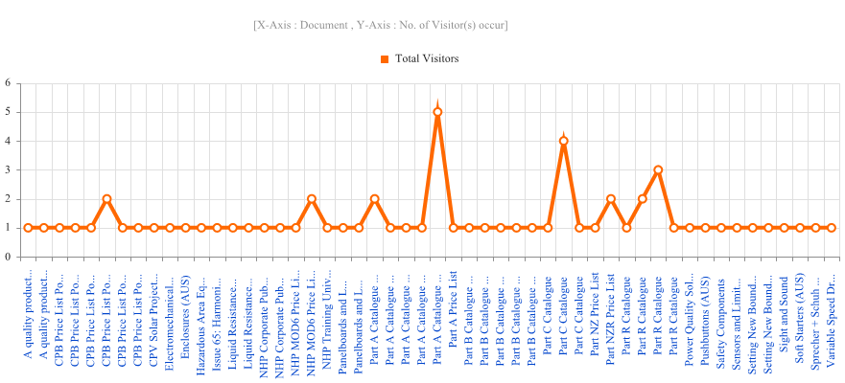
 | Which document accessing app:-
 | Action | Document | Person | Total Visitors
 | Download Document | A quality product to suit economical solutions | ACarr's iPad | 1
 | View Document | A quality product to suit economical solutions | ACarr's iPad | 1
 | Download Document | CPB Price List Pocket Book | ACarr's iPad | 1
 | View Document | CPB Price List Pocket Book | ACarr's iPad | 1
 | View Document | CPB Price List Pocket Book | BHassan’s iPad | 1
 | View Document | CPB Price List Pocket Book | Bovara iPad | 2
 | View Document | CPB Price List Pocket Book | MMumford's iPhone | 1
 | View Document | CPB Price List Pocket Book | VLong’s iPad | 1
 | Play Video | CPV Solar Project - NHP & Solar Systems | Nondas' iPad | 1
 | Download Document | Electromechanical Relays | ACarr's iPad | 1
 | Download Document | Enclosures (AUS) | ACarr's iPad | 1
 | Download Document | Hazardous Area Equipment | ACarr's iPad | 1
 | Download Document | Issue 65: Harmonics: Part 2 - The link between harmonics and power factor | Dewey's iPhone | 1
 | Download Document | Liquid Resistance Starters | awinnacott’s iPhone | 1
 | View Document | Liquid Resistance Starters | awinnacott’s iPhone | 1
 | Download Document | NHP Corporate Publication | Nondas' iPad | 1
 | View Document | NHP Corporate Publication | Nondas' iPad | 1
 | Download Document | NHP MOD6 Price List 2013 (AUS) | MMumford's iPhone | 1
 | View Document | NHP MOD6 Price List 2013 (AUS) | MMumford's iPhone | 2
 | Download Document | NHP Training University (NTU) | ACarr's iPad | 1
 | Download Document | Panelboards and Loadcentres | ACarr's iPad | 1
 | View Document | Panelboards and Loadcentres | ACarr's iPad | 1
 | View Document | Part A Catalogue (Pricing Inside) | AGoldman's iPad | 2
 | View Document | Part A Catalogue (Pricing Inside) | BHassan’s iPad | 1
 | View Document | Part A Catalogue (Pricing Inside) | LRoss’s iPad | 1
 | View Document | Part A Catalogue (Pricing Inside) | PJones' IPhone | 1
 | View Document | Part A Catalogue (Pricing Inside) | VLong’s iPad | 5
 | View Document | Part A Price List | BHassan’s iPad | 1
 | Download Document | Part B Catalogue (Pricing Inside) | ACarr's iPad | 1
 | View Document | Part B Catalogue (Pricing Inside) | BHassan’s iPad | 1
 | View Document | Part B Catalogue (Pricing Inside) | GRymans IPad2 | 1
 | View Document | Part B Catalogue (Pricing Inside) | JKlynsmith's iPhone | 1
 | View Document | Part B Catalogue (Pricing Inside) | MMumford's iPhone | 1
 | View Document | Part C Catalogue | LRoss’s iPad | 1
 | View Document | Part C Catalogue | MMumford's iPhone | 4
 | View Document | Part C Catalogue | RBriscoe's iPad | 1
 | View Document | Part NZ Price List | Nondas' iPad | 1
 | View Document | Part NZR Price List | Nondas' iPad | 2
 | Download Document | Part R Catalogue | ACarr's iPad | 1
 | View Document | Part R Catalogue | DSmith's iPhone | 2
 | View Document | Part R Catalogue | VLong’s iPad | 3
 | View Document | Part R Catalogue | mmoore’s iPad | 1
 | Download Document | Power Quality Solutions | LRoss’s iPad | 1
 | Download Document | Pushbuttons (AUS) | ACarr's iPad | 1
 | Download Document | Safety Components | ACarr's iPad | 1
 | Download Document | Sensors and Limit Switches | ACarr's iPad | 1
 | Download Video | Setting New Boundaries at Adelaide Oval with LAI & NHP! | Nondas' iPad | 1
 | Play Video on youTube | Setting New Boundaries at Adelaide Oval with LAI & NHP! | Nondas' iPad | 1
 | Download Document | Sight and Sound | ACarr's iPad | 1
 | Download Document | Soft Starters (AUS) | ACarr's iPad | 1
 | Download Document | Sprecher + Schuh Contactors, Overloads and DOL Starters | ACarr's iPad | 1
 | Download Document | Variable Speed Drives | ACarr's iPad | 1
 | Total Visitors |  |  | 66

