Sheet1
NHP REPORT From 2015-03-31 To 2015-03-31

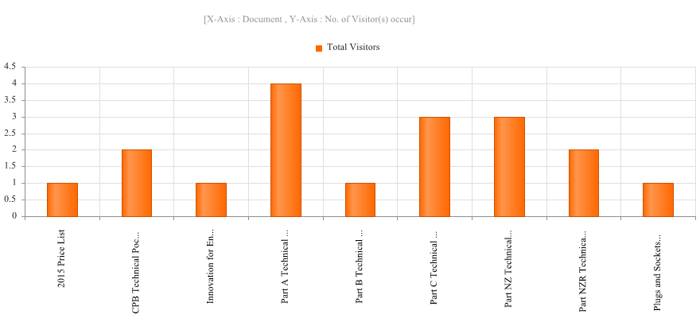
 | Which document accessing app:-
 | Action | Document | Person | Total Visitors
 | View Document | 2015 Price List | Nondas' iPad | 1
 | Download Document | CPB Technical Pocket Book | VLong’s iPad | 1
 | View Document | CPB Technical Pocket Book | kjones’s iPad | 1
 | View Document | Innovation for Energy Management | kjones’s iPad | 1
 | View Document | Part A Technical Catalogue | Nondas' iPad | 1
 | View Document | Part A Technical Catalogue | kjones’s iPad | 3
 | View Document | Part B Technical Catalogue | kjones’s iPad | 1
 | View Document | Part C Technical Catalogue | kjones’s iPad | 3
 | View Document | Part NZ Technical Catalogue | KAttwood’s iPhone | 3
 | View Document | Part NZR Technical Catalogue | KAttwood’s iPhone | 2
 | View Document | Plugs and Sockets Catalogue (AUS) | kjones’s iPad | 1
 | Total Visitors |  |  | 18

