XLOOKUP
Verticle Xlookup
Cookie Name | Price
Snickerdoodle | $3.75

Horizontal Xlookup
Cookie Name | Macadamia
Price | $6.00

Returning Multiple Arrays
Cookie Name | Price | Cost
Chocolate Chip | $4.50 | $(1.75)

Combining Functions With Xlookup
Cookie Name | Profit
Chocolate Chip | $2.75

Multiple Lookups
Cookie Name | Type | Price
Chocolate Chip | Classic | $4.50

Error Handling: Not Found
Cookie Name | Price | Price
Shortbread | #N/A | Invalid Cookie

Match Mode
Money In Pocket | # Of Cookie | Cookie
$10.00 | 1 | Macadamia

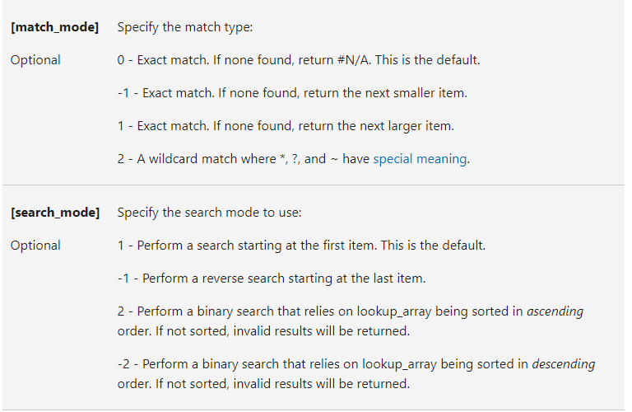
Search Mode
When was the last order placed?
Customer | Date
Ryan | 2020-07-13

Revenue From Cookie Sales
Type | Year | Revenue
Fortune Cookie | 2022 | $6,921,299.00

