Alternative materials
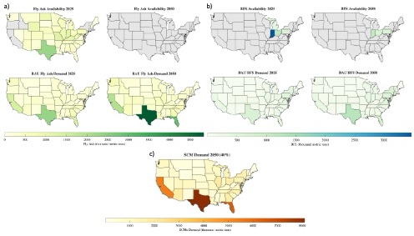
Alt material | To substitute | Viable substitution ratio | Source | Constraints
Recovered fly ash (SCM) | Cement | ~30% | Decades worth of unutilized fly ash is stored in landfills and ponds, concentrated on the east coast. | The fly ash needs processing (drying, grinding, etc.) and it is unknown how accessible many of these landfills and ponds are.
Natural pozzolans (SCM) | Cement | ~40% | See Figure 2. Concentrated on the southeast and west coast. | Currently lacking the infrastructure to extract and use those minerals. Kaolin clay (which needs to be treated) is sourced and used in concrete in the south east and in CA, but this type of production is still emerging.
Recovered gypsum | Virgin gypsum | Jo check w Nica | Landfills, coal-power plants (byproduct) | Jo check w Nica
Recycled concrete powder (SCM) | Clinker or limestone | ~30% | Demolished concrete, landfills | Very new technology, not at pilot scale yet
Recycled concrete aggregates | Virgin aggregates (crushed rocks) | Application dependent | Demolished concrete, landfills | Main constraint is the application and the quality of the demolished concrete. Very often used as road base for road construction, but rarely used in structural concrete because of performance constraints

 |  |  |  |  | Figure 1: Demand and availability of fly ash and slag per state in the US.

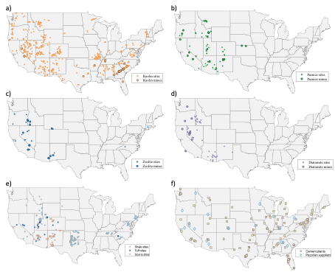

 |  |  |  |  | Figure 2: Locations of natural pozzolan and kaolin clay occurances and mines.
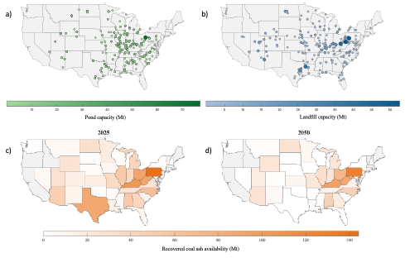

 |  |  |  |  | Figure 3: Locations and estimated quantity of landfilled/ponded fly ash in the US.

