Sheet1
Components | PIN | BOARD CONFIGRATION
on/off | RB0
up | RB1
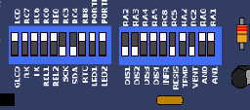
down | RB2
fan | RC2
fan tacometer sensor | RC0
Heater | RC5
LM35 TEMP sensor | RE0
E2PROM SDA | RC4
E2PROM SCK | RC3
SSD 1 | RA2 | RD0-RD7
SSD 2 | RA3

