Sheet1
C46
7298250930
 | 125
 | 155.87464905

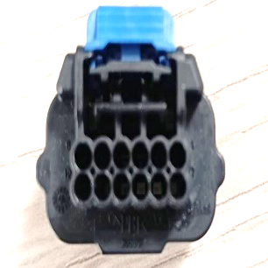

1
6
12
7

1
2
4
5
3
10

