Sheet1
Return rate

Structure of the dashboar | 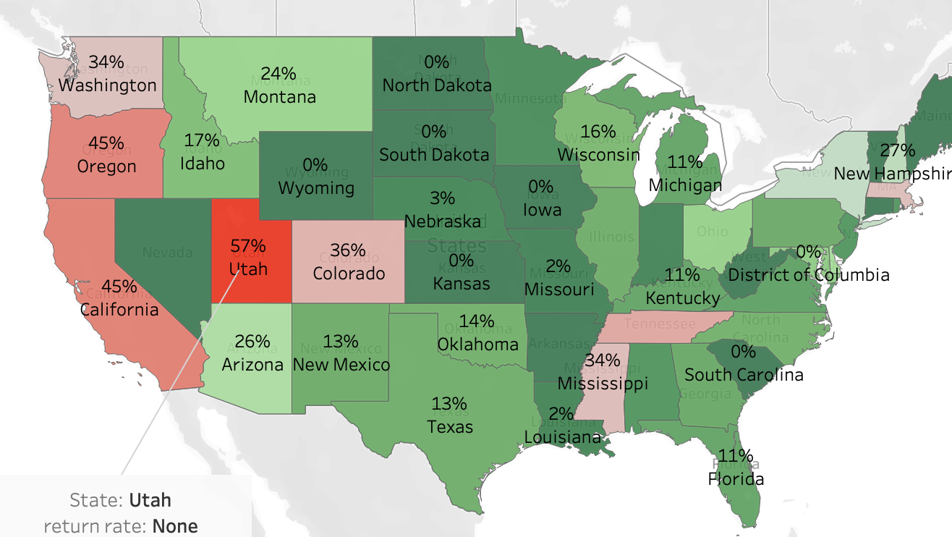 Geopgraphic consentration of returned orders: A state-level Analysis Measures: return rate dimensions: state filters: state,categories

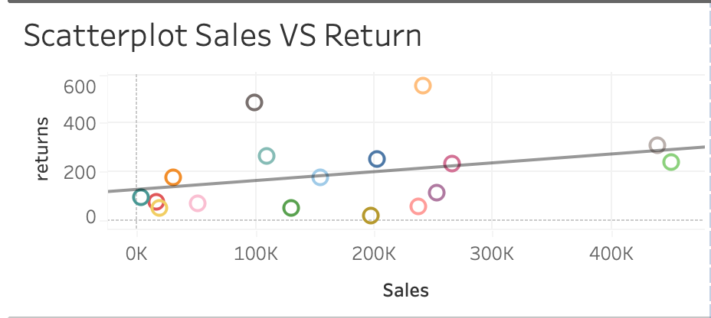 Scatter-plot Sales VS Return rate Measures: return rate Dimensions: Sales filters : sub-categories visual: Scatter-plot

 | 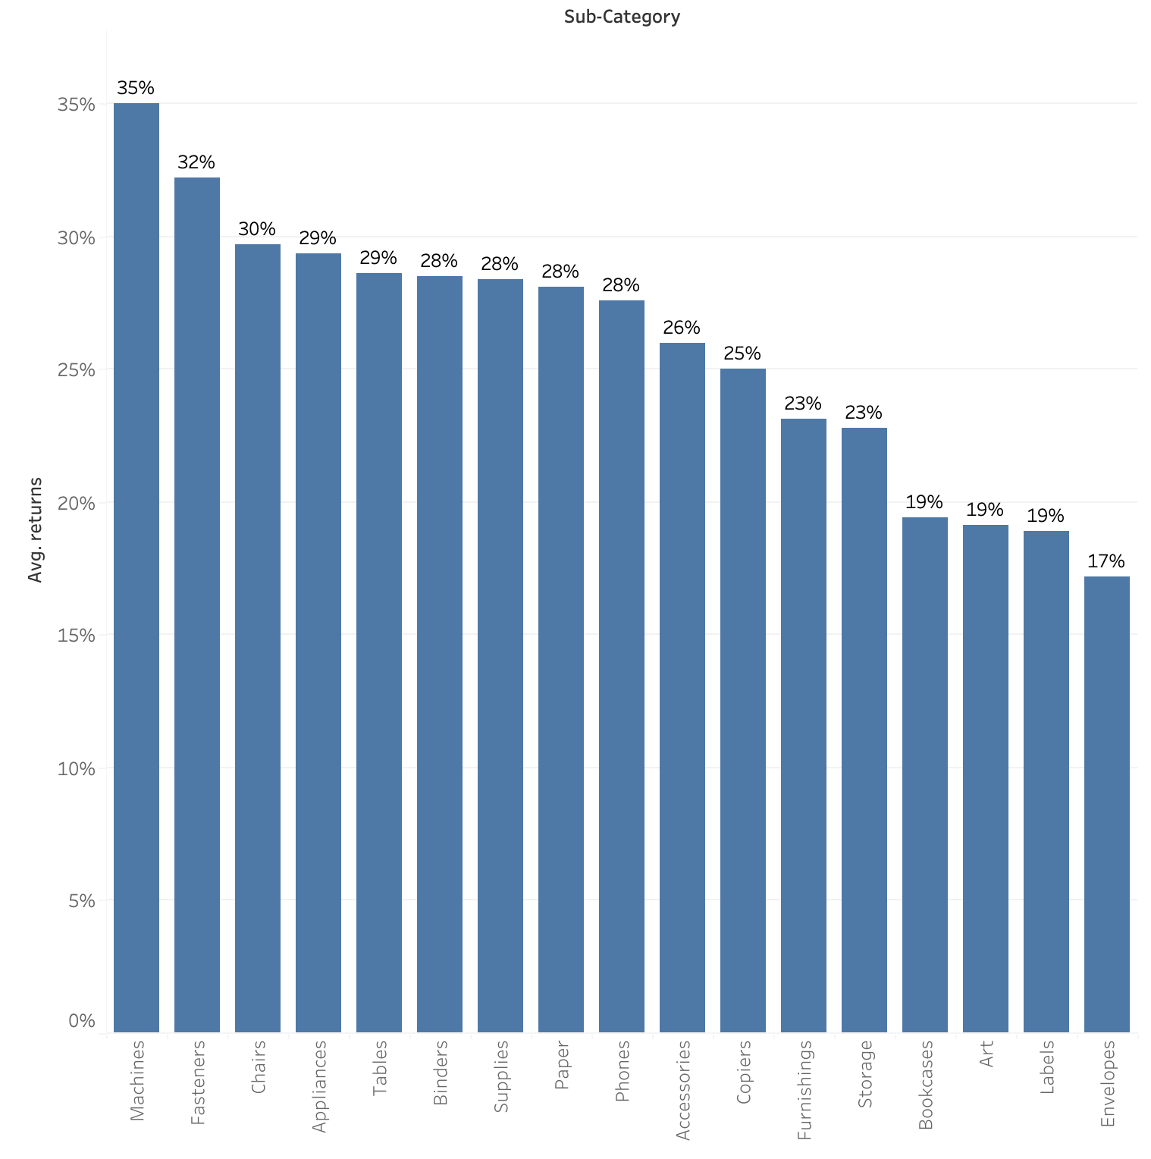 Return Rate VS sub-category Measures: return rate dimensions: sub-category filter:sub-category visual: bar-chart

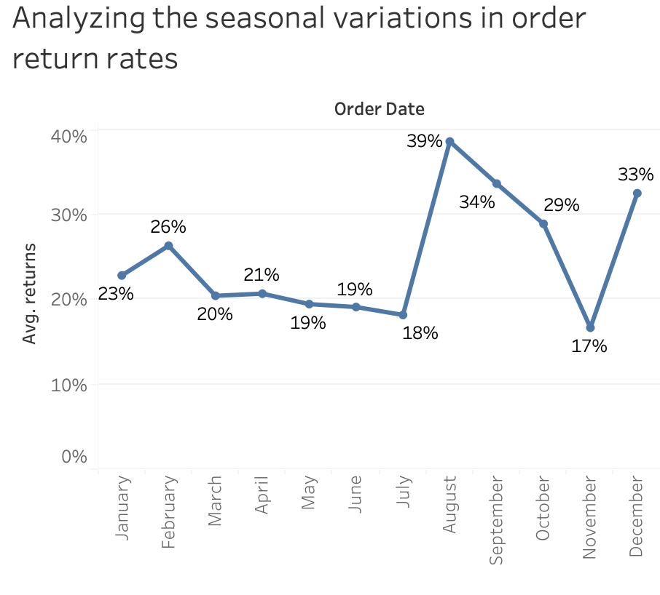 Analyzing the seasonal variation in order return rates Measeures: return rates dimensions: month(using order date) Visual: line-chart

 | Bar-chart rate vs product category Measures: return rate dimensions: state visual: bar-chart

