Sheet1
Abdelrahman
SEARCH RESULTS
Topic | Sources | What I Understood (My Own Words)
3 Ways for searching in the filter keyword area | https://learn.microsoft.com/en-us/dynamics-nav-app/ui-enter-criteria-filters | 1) Quick Filter Criteria: 1- Anything we enter in the search place as simple text like claudia for example is interpreted as @*claudia* which means all records that contain claudia and that are case insensitive // 2- The @ symbol means that it is case insensitive and without it then a case sensitive search is performed. // 3- claudia* means to return all records that start with the text claudia (case sensitive) // 4- *claudia means to return all records that end with claudia (case sensitive) // 5- 'claudia' means to return the records that match claudia exactly (case sensitive) Filter Criteria and symbols: (..) Interval like 12..2000 (from 12 to 2000), ( | ) Either/or like 1500 | 1000 (Contains either 1500 or 1000), (<>) Not Equal To (<>0 means get me records that this field is not equal to zero), >, >=, <, <=, (&) AND, (' ') An exact match, (@) Case Insensitive, (*) Starts/Ends with, (?) One Unknown char like Cla?dia /// We Can combine these expressions as well Just like in programming languages 2) There is also searching using column filters (More flexible than Quick Filter) which is done by adding filters on columns from the downward arrow beside the column name
 | https://learn.microsoft.com/en-us/dynamics365/customerengagement/on-premises/basics/search-records?view=op-9-1#start-a-search | 3) Advanced Find: Allows us to apply complex queries for many different fields using AND / OR for searching 4) Dataverse Search Tool
 | https://learn.microsoft.com/en-us/dynamics365/customerengagement/on-premises/basics/save-advanced-find-search?view=op-9-1 | 5) The search icon in the navigation bar (Searches for records across multiple entities) and we can choose which entity we want to get the records from. We can also select which fields we want to see information from in the Quick Find view Add view columns option. Conclusion: This search bar acts as quick find
2 Ways to create opportunities in the sales cycle other than from a Lead | https://learn.microsoft.com/en-us/dynamics365/sales/create-edit-opportunity-sales | 1) First way is the one we already took which is creating an opportunity that originated from a lead and this is done after qualifying a Lead record. Then, the lead information from this record is used to fill in fields in the new opportunity to be created 2) Second way is selecting opportunities from the left side bar and clicking on new. This is basically creating an opporutnity from scratch and not from a lead. We fill the info manually and this is usually done when we have an existing lead in the database or a contact so no need to qualify a new one. This way is similar to creating any other entity like Account or Contact etc.. 3) The third and last way is Quick Create: Opportunity from the Navigation bar above. The + sign means quick create for the opportunity and we proceed to fill the important fields that are shown. We can later fill the other irrelevent fields.
What does the refresh sign represent when creating a business process flow? | https://learn.microsoft.com/en-us/dynamics365/customerengagement/on-premises/customize/create-business-process-flow?view=op-9-1 | This documentation link shows the full steps of creating a business process flow. The part where it says that we can add data steps, we can see that the number of steps beside the refresh sign is incremented. Then another section shows that adding new workflows increases the number of workflows and the refresh sign number is incremented by 1 and decremented when we remove the workflow we added.
What about adding a view column in the quick find view? Where does it appear? | https://www.youtube.com/watch?v=_13RcMilVBI&ab_channel=WesternComputer | After more than an hour searching, I finally came to the solution! First of all, this link shows an older version of MS dynamics on cloud where the quick find search is done from the filter keyword bar which is the one we have been using in the session. The same process applies where we specify the find columns for this quick find view and these are the columns we choose to search with. Also, we can add view columns and this will appear in the view directly once the search results are retrieved.. BUT This is not the case for the dynamics version we are working with :) Let's see how it is done in the next cell
 | https://www.youtube.com/watch?v=tvWzrrushWs&ab_channel=AhaApps | Check the pictures below for illustration. The way it is done is that I clicked on the search icon at the very top of the navigation bar and this window on the left popped up. We have the option to filter using entities so I chose Account. Then, I type "C" in the search so It will begin searching for records whose Account name starts with C and it showed Coffee Lab obviously. It also showed the phone number and thats it! Why is that? Because I specified it in the view columns of the quick find view. So finally, this is where we can see the Add view columns button effect.
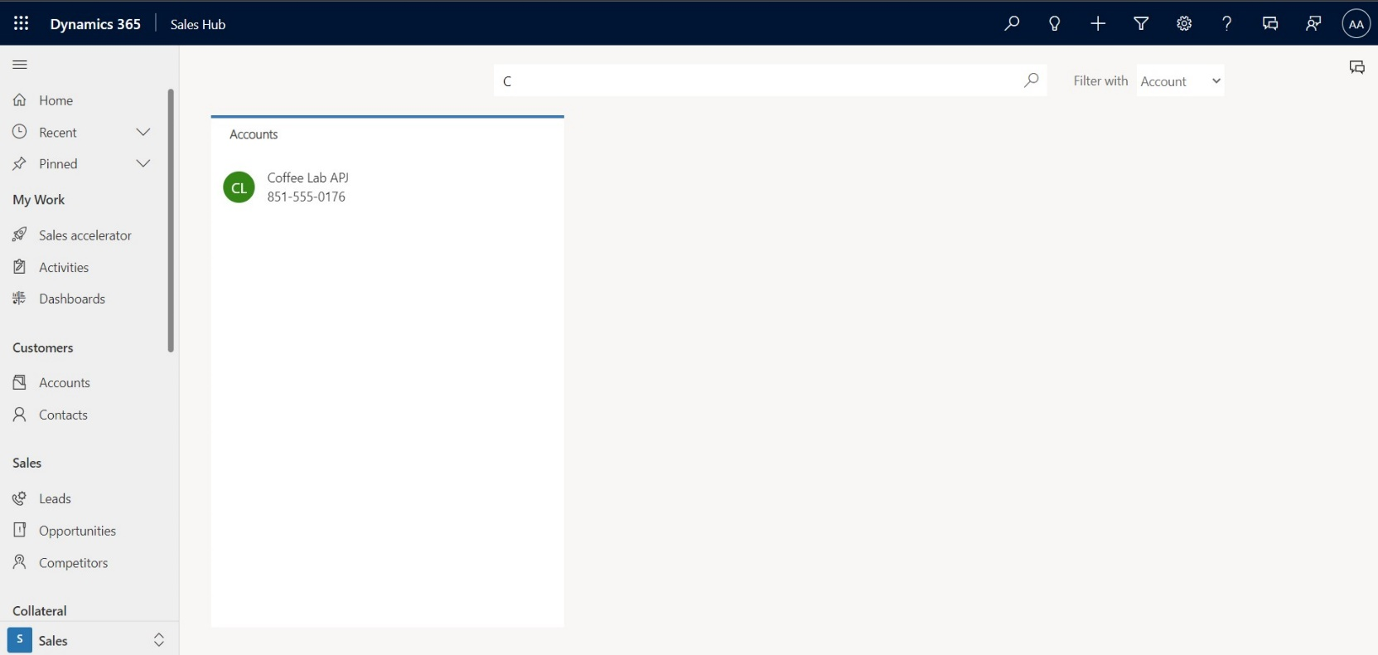
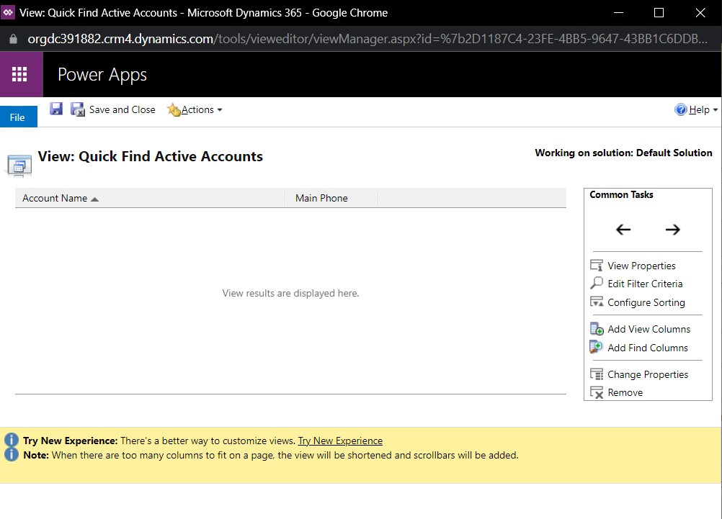

Difference between "Develop" and "Propose" in the Sales Cycle | https://learn.microsoft.com/en-us/dynamics365/sales/nurture-sales-from-lead-order-sales | In the develop stage of an opportunity, we are filling out the details of the deal like the products that the client wants, the estimated revenue, the lead contact information, timelines etc.. To the opportunity so we are still developing it (Its not ready yet to be presented) [ This is the part involved in creating/editing an opportunity ]
 |  | In the propose stage, the opporutnity is completed and ready to be presented to the potential customer, therefore we can procedd to create a quote from it.

