Sheet2
 |  | CASUALS | ANNUALS
 | JAN | 40008 | 150293
 | FEB | 43016 | 147429
 | MAR | 62201 | 196477
 | APR | 147285 | 279305
 | MAY | 234181 | 370646
 | JUN | 301230 | 418388 |  |  | MONTHS | CASUALS CLASSIC | CASUALS DOCKED | CASUALS ELECTRIC
 | JUL | 331358 | 436292 |  |  | JAN | 13909 | 1738 | 24361
 | AUG | 311130 | 460563 |  |  | FEB | 15534 | 2195 | 25287
 | SEP | 261635 | 404736 |  |  | MAR | 19456 | 3020 | 39725 |  |  | ANNUAL CLASSIC | ANNUAL DOCKED | ANNUAL ELECTRIC
 | OCT | 177071 | 360042 |  |  | APR | 48899 | 8887 | 89499 |  | JAN | 76385 | 0 | 73908
 | NOV | 98392 | 264126 |  |  | MAY | 92598 | 13092 | 128491 |  | FEB | 74354 | 0 | 73075
 | DEC | 51672 | 172401 |  |  | JUN | 116594 | 14974 | 169662 |  | MAR | 87627 | 0 | 108850
 |  |  |  |  |  | JUL | 142882 | 18424 | 170052 |  | APR | 120839 | 0 | 158466
 |  |  |  |  |  | AUG | 148594 | 15957 | 146579 |  | MAY | 177297 | 0 | 193349
 |  |  |  |  |  | SEP | 132236 | 0 | 129399 |  | JUN | 196952 | 0 | 221436
 |  |  |  |  |  | OCT | 83166 | 0 | 93905 |  | JUL | 219248 | 0 | 217044
 |  |  |  |  |  | NOV | 42549 | 0 | 55843 |  | AUG | 248367 | 0 | 212196
 |  |  |  |  |  | DEC | 20464 | 0 | 31208 |  | SEP | 215136 | 0 | 189600
 |  | CASUALS | ANNUALS |  |  |  |  |  |  |  | OCT | 185197 | 0 | 174845
 |  | 2059179 | 3660698 |  |  |  |  |  |  |  | NOV | 133608 | 0 | 130518
ANNUAL VS CASSUALS
ANNUALS VS CASSUALS RENTING RATE
 |  |  |  |  |  |  |  |  |  |  | DEC | 84120 | 0 | 88281

MONTHS | AVG CASUALS | AVG ANNUALS | FAV CASUALS | FAV ANNUALS | CASUALS | CASUALS CLASSIC | CASUALS DOCKED | CASUALS ELECTRIC | ANNUALS | ANNUAL CLASSIC | ANNUAL DOCKED | ANNUAL ELECTRIC
JAN | 0:22:55 | 0:10:22 | TUESDAY | TUESDAY | 40008 | 13909 | 1738 | 24361 | 150293 | 76385 | 0 | 73908
FEB | 0:16:38 | 0:10:28 | SUNDAY | TUESDAY | 43016 | 15534 | 2195 | 25287 | 147429 | 74354 | 0 | 73075
MAR | 0:21:25 | 0:10:27 | WEDNESDAY | WEDNESDAY | 62201 | 19456 | 3020 | 39725 | 196477 | 87627 | 0 | 108850
APR | 0:27:40 | 0:11:42 | SATERDAY | SATURDAY | 147285 | 48899 | 8887 | 89499 | 279305 | 120839 | 0 | 158466
MAY | 0:28:31 | 0:13:02 | SUNDAY | TUESDAY | 234181 | 92598 | 13092 | 128491 | 370646 | 177297 | 0 | 193349
JUN | 0:29:24 | 0:13:12 | SATURDAY | FRIDAY | 301230 | 116594 | 14974 | 169662 | 418388 | 196952 | 0 | 221436
JUL | 0:32:20 | 0:13:41 | SATURDAY | SATURDAY | 331358 | 142882 | 18424 | 170052 | 436292 | 219248 | 0 | 217044
AUG | 0:35:15 | 0:13:46 | SATURDAY | WEDNESDAY | 311130 | 148594 | 15957 | 146579 | 460563 | 248367 | 0 | 212196
SEP | 0:25:11 | 0:13:09 | SATURDAY | SATURDAY | 261635 | 132236 | 0 | 129399 | 404736 | 215136 | 0 | 189600
OCT | 0:22:52 | 0:12:09 | SUNDAY | TUESDAY | 177071 | 83166 | 0 | 93905 | 360042 | 185197 | 0 | 174845
NOV | 0:19:26 | 0:11:24 | SATURDAY | THRUSDAY | 98392 | 42549 | 0 | 55843 | 264126 | 133608 | 0 | 130518
DEC | 0:19:56 | 0:11:27 | SATURDAY | FRIDAY | 51672 | 20464 | 0 | 31208 | 172401 | 84120 | 0 | 88281

Sheet5
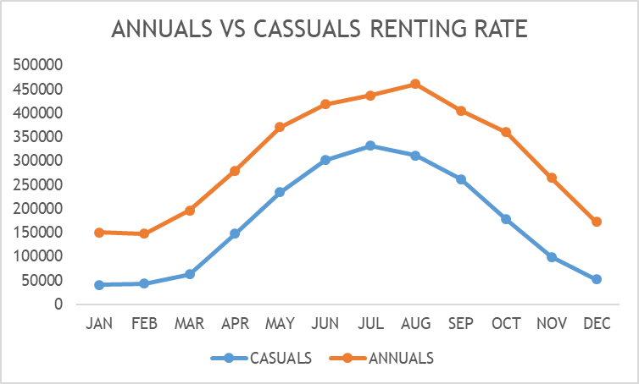 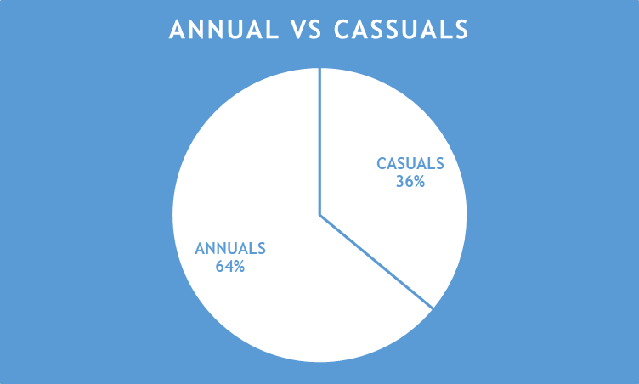
CASSUALS BIKE PREFRENCES
 | CASUALS CLASSIC | CASUALS DOCKED | CASUALS ELECTRIC
JAN | 13909 | 1738 | 24361
FEB | 15534 | 2195 | 25287
MAR | 19456 | 3020 | 39725
APR | 48899 | 8887 | 89499
MAY | 92598 | 13092 | 128491
JUN | 116594 | 14974 | 169662
JUL | 142882 | 18424 | 170052
AUG | 148594 | 15957 | 146579
SEP | 132236 | 0 | 129399
OCT | 83166 | 0 | 93905
NOV | 42549 | 0 | 55843
DEC | 20464 | 0 | 31208
ANNUALS BIKE PREFRENCES
 | ANNUAL CLASSIC | ANNUAL DOCKED | ANNUAL ELECTRIC
JAN | 76385 | 0 | 73908
FEB | 74354 | 0 | 73075
MAR | 87627 | 0 | 108850
APR | 120839 | 0 | 158466
MAY | 177297 | 0 | 193349
JUN | 196952 | 0 | 221436
JUL | 219248 | 0 | 217044
AUG | 248367 | 0 | 212196
SEP | 215136 | 0 | 189600
OCT | 185197 | 0 | 174845
NOV | 133608 | 0 | 130518
DEC | 84120 | 0 | 88281
Cyclistic-Bike share company 2023 performance
Average time spent:
Casuals: 25 minutes
Annuals: 12 MINUTES
Favourite day of the week:
casuals: Saturday
annuals: Saturday , tuesday
Cyclistic-Bike share company 2023 Performance

