Sheet1
 |  |  | LINQ |  |  |  |  | Language Integrated Query | LINQ stands for Language Integrated Query, a Microsoft .NET Framework that provides a standardized way to query data from various data sources using a common syntax within programming languages like C#

 |  |  | ADO.Net |  |  | Connected |  | Transact SQL (Select)
 |  |  |  |  |  | DisConnected
 |  |  |  |  |  | Tiers

 |  |  | C# |  | SQL

 |  |  | C# Only
 |  |  | Limitation in Quering data

 |  |  | LINQ |  |  |  | LINQ Supported Data Sources:

 |  |  | Feature in .Net
 |  |  | Make me add More functionality for quering data in C#
 |  |  | LINQ is 40 Additional Methods Over Collection

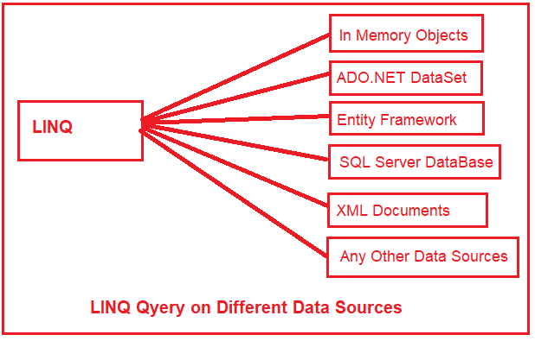

 |  |  |  | Linq To SQL |  |  | Allows querying of SQL Server databases, translating LINQ queries into SQL queries that are then executed against the database.

 |  |  |  | Linq To XML |  |  | Provides an in-memory XML programming interface that leverages LINQ to offer a simpler and more declarative way to read, manipulate, and write XML data.

 |  |  |  | Linq To Object ( List, Dictionary, Array) |  |  | Refers to using LINQ queries with any IEnumerable or IEnumerable<T> collection directly in memory.
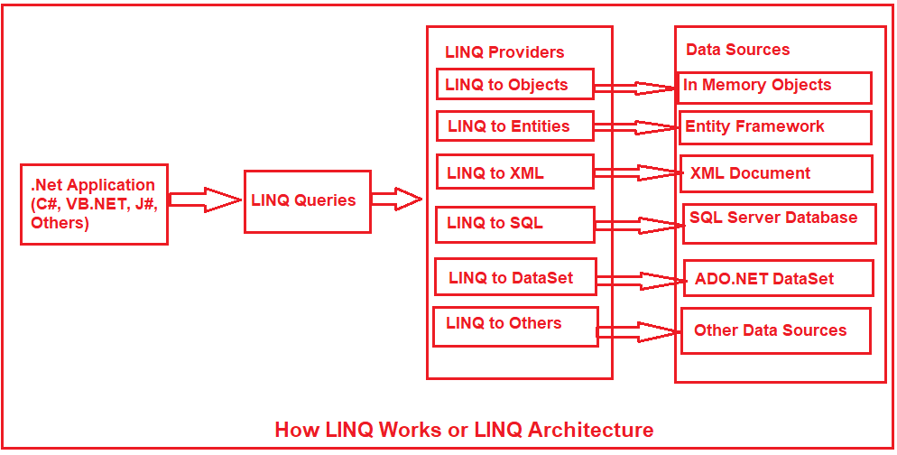
 |  |  |  | Linq To EF

 |  |  |  | Prerequisites to Learn LINQ: |  |  | 1-Collections in .NET
 |  |  |  |  |  |  | 2-Generics:
 |  |  |  |  |  |  | 3-Lambda Expressions:
 |  |  |  |  |  |  | 4-Extension Methods:
 |  |  |  |  |  |  | 5-Anonymous Types

Where: Filters a sequence based on a predicate.
var filteredResult = collection.Where(item => item.Property == someValue);

Select: Projects each element of a sequence into a new form.
var projectedResult = collection.Select(item => new { item.Property1, item.Property2 });

OrderBy / OrderByDescending: Sorts the elements of a sequence in ascending or descending order.
var sortedResult = collection.OrderBy(item => item.Property);
var sortedDescendingResult = collection.OrderByDescending(item => item.Property);

GroupBy: Groups the elements of a sequence.
var groupedResult = collection.GroupBy(item => item.Property);

FirstOrDefault / LastOrDefault: Returns the first or last element of a sequence or a default value if no element is found.
var firstItem = collection.FirstOrDefault();
var lastItem = collection.LastOrDefault();

Sum / Min / Max / Average: Computes the sum, minimum, maximum, or average of a sequence.
var total = collection.Sum(item => item.NumericProperty);

Any / All: Checks if any or all sequence elements satisfy a condition.
bool hasItems = collection.Any();
bool allMatchCondition = collection.All(item => item.Property > someValue);

Distinct: Returns distinct elements from a sequence.
var distinctItems = collection.Distinct();

Count: Counts the elements in a sequence, optionally matching a specific condition.
int count = collection.Count();
int conditionalCount = collection.Count(item => item.Property == someValue);

Intersect / Except / Union: Performs set operations like intersection, difference, and union on sequences.
var commonElements = collection1.Intersect(collection2);

LINQ Operators in C# |  | a set of extension methods used to write the LINQ Query
These operators provide powerful capabilities for querying and manipulating collections in C#.
They can be used with various types of data sources, including arrays, lists, XML, and even databases through LINQ to SQL or Entity Framework.

Projection Operators:
These operators transform the elements of a sequence into a new form. Common projection operators include Select and SelectMany.
Select | Projects each element of a sequence into a new form
SelectMany | Projects each sequence element to an IEnumerable<T> and flattens the resulting sequences into one sequence.

Filtering Operators:
These are used for filtering data. The most common restriction operator is Where which applies a predicate to each element of a sequence and returns those that satisfy the condition.
Where | Filters a sequence of values based on a predicate.
OfType | Filters the elements of an array based on a specified type.

Partitioning Operators:
These operators divide a sequence into two parts and return one of them. Examples include Take, Skip, TakeWhile, and SkipWhile.
Take | Returns a specified number of contiguous elements from the start of a sequence.
Skip | Bypasses a specified number of elements in a sequence and then returns the remaining elements.
TakeWhile | Returns elements from a sequence as long as a specified condition is true.
SkipWhile | Bypasses elements in a sequence as long as a specified condition is true and then returns the remaining elements.

Ordering Operators:
These operators arrange the elements of a sequence. Common ordering operators are OrderBy, OrderByDescending, ThenBy, and ThenByDescending.
OrderBy | Sorts the elements of a sequence in ascending order according to a key.
OrderByDescending | Sorts the elements of a sequence in descending order according to a key.
ThenBy | Performs a subsequent ordering of the elements in a sequence in ascending order.
ThenByDescending | Performs a subsequent ordering of the elements in a sequence in descending order.
Reverse | Inverts the order of the elements in a sequence.

Grouping Operators:
These operators group elements of a sequence based on a specified key value. The most notable grouping operator is GroupBy.
GroupeBy | Groups the elements of a sequence according to a specified key selector function.

Join Operators:
These operators are used to combine elements from two or more sequences. Common join operators are Join and GroupJoin.
Join Operators: | Joins two sequences based on matching keys.
GroupJoin | Groups elements from a sequence based on a key and joins them with elements from another sequence.

Set Operators:
These operators perform mathematical set operations on sequences, such as Distinct, Union, Intersect, and Except.
Distinct | Removes duplicate elements from a sequence.
Union | Produces the set union of two sequences.
Intersect | Produces the set intersection of two sequences.
Except | Produces the set difference of two sequences.

Conversion Operators:
These are used to convert one type of sequence or collection to another. Examples include ToArray, ToList, ToDictionary, and AsEnumerable.
AsEnumerable | Casts an IEnumerable to an IEnumerable<T>.
ToArray | Converts a sequence to an array.
ToList | Converts a sequence to a List<T>.
ToDictionary | Converts a sequence to a Dictionary<TKey, TValue> based on a key selector function.

Element Operators:
These operators return a single element from a sequence. Examples include First, FirstOrDefault, Last, LastOrDefault, Single, SingleOrDefault, and ElementAt.
First | Returns the first element of a sequence.or a error if no element is found. (Unhandled exception. System.InvalidOperationException: Sequence contains no matching element)
FirstOrDefault | Returns the first element of a sequence or a default value if no element is found.
Last | Returns the last element of a sequence.
LastOrDefault | Returns the last element of a sequence or a default value if no element is found.
Single | Returns the only element of a sequence and throws an exception if there is not exactly one element in the sequence.
SingleOrDefault | Returns the only element of a sequence or a default value if the sequence is empty; this method throws an exception if there is more than one element in the sequence.
ElementAt | Returns the element at a specified index in a sequence.
ElementAtOrDefault | Returns the element at a specified index in a sequence or a default value if the index is out of range.

Quantifier Operators:
These operators return a Boolean value indicating whether all or any of the elements of a sequence satisfy a condition. Examples are All, Any, and Contains.
Any | Determines whether any element of a sequence satisfies a condition.
All | Determines whether all elements of a sequence satisfy a condition.
Contains | Determines whether a sequence contains a specified element.

Aggregate Operators:
These operators perform a calculation on a sequence and return a single value. Examples include Count, Sum, Min, Max, Average, and Aggregate.
Count | Counts the elements in a sequence.
LongCount | Counts the elements in a sequence, returning the count as a long.
Sum | Computes the sum of a sequence of numeric values.
Min | Returns the minimum value in a sequence.
Max | Returns the maximum value in a sequence.
Average | Computes the average of a sequence of numeric values.
Aggregate | Applies an accumulator function over a sequence.

Equality Operators:
These operators are used to compare sequences for equality. An example is SequenceEqual.
SequenceEqual | Determines whether two sequences are equal by comparing the elements by using the default equality comparer for their type.

Generation Operators:
These operators are used to create a new sequence of values. Examples include Range, Repeat, and Empty.
Empty | Returns an empty IEnumerable<T> with the specified type argument.
Repeat | Generates a sequence that contains one repeated value.
Range | Generates a sequence of integral numbers within a specified range.

Special Operators:
Concatenation Operators | These operators concatenate two sequences. The primary operator in this category is Concat.
DefaultIfEmpty Operators | This operator returns the elements of the specified sequence or the type parameter’s default value in a singleton collection if the sequence is empty.

