Source
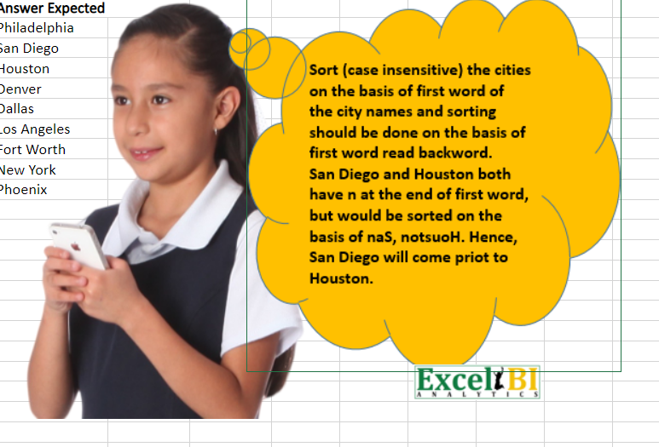
Cities
New York
Los Angeles
Denver
Houston
Philadelphia
Phoenix
Fort Worth
San Diego
Dallas

