Sheet1
Signal Layer | Reference Layer | Impedance Type | Trace Width（mil) | Trace Spacing（mil) | Impedance(ohm)±10% | Position
L8 (BCU) | Plane above L7 (GND3) |  | 4.11 | 9.84 | 100 | 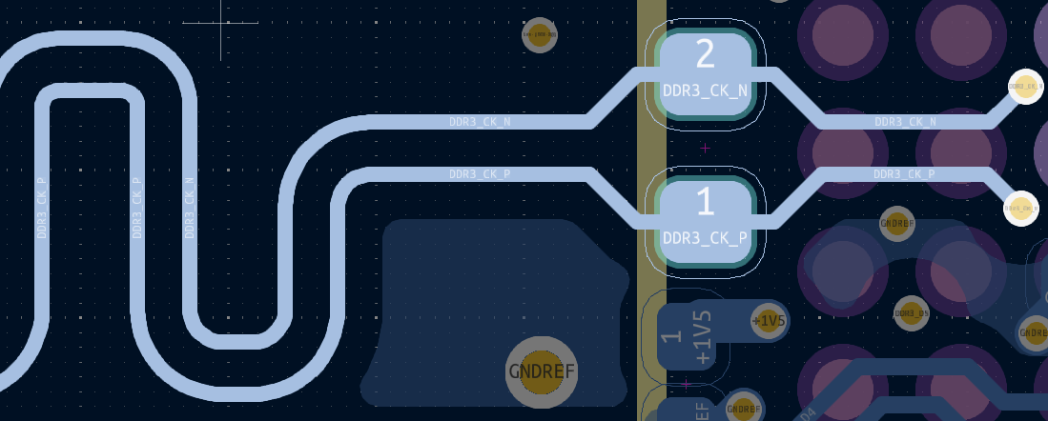 DDR3_CK_P
L8 (BCU) | Plane above L7 (GND3) | Differential Pair | 4.11 | 9.84 | 100 | DDR3_CK_N
L8 (BCU) | Plane above L7 (GND3) | Single-ended | 4.66 |  | 50 | 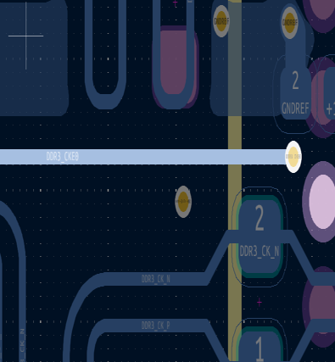 DDR3_CKE0
L8 (BCU) | Plane above L7 (GND3) | Single-ended | 4.66 |  | 50 | 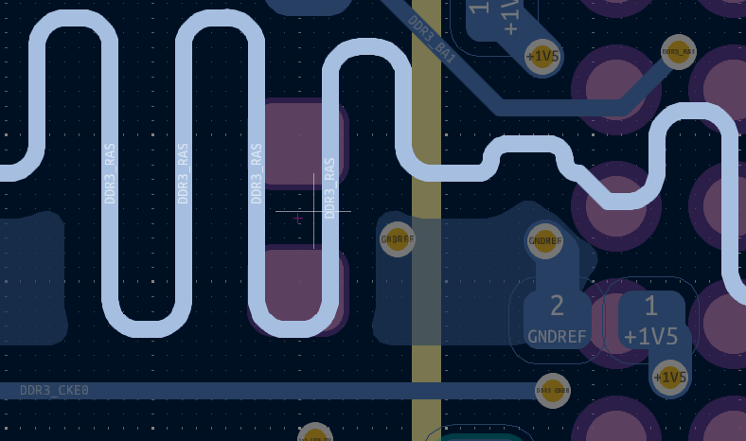 DDR3_RAS
L8 (BCU) | Plane above L7 (GND3) | Single-ended | 4.66 |  | 50 | 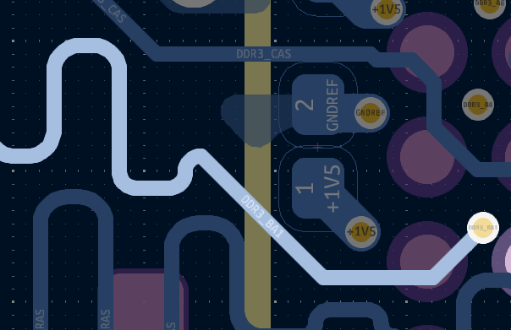 DDR3_BA1
L8 (BCU) | Plane above L7 (GND3) | Single-ended | 4.66 |  | 50 | 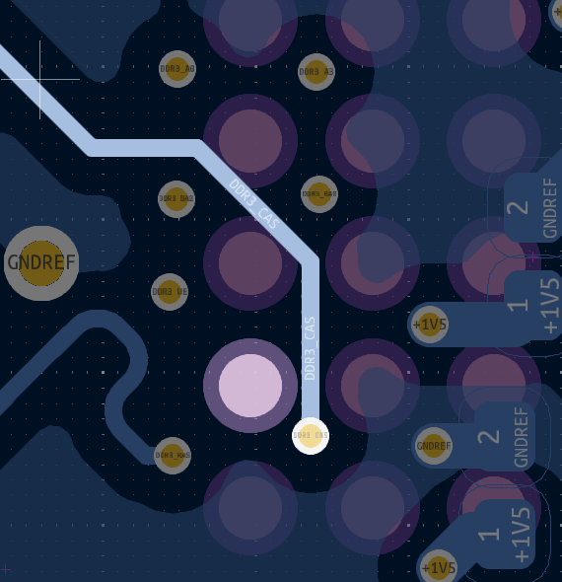 DDR3_CAS
L1 (FCU) | Plane below L2 (GND) | Single-ended | 4.66 |  | 50 | 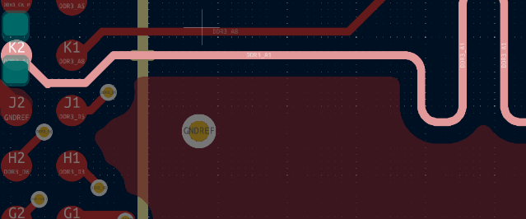 DDR3_A1
L1 (FCU) | Plane below L2 (GND) | Single-ended | 4.66 |  | 50 | 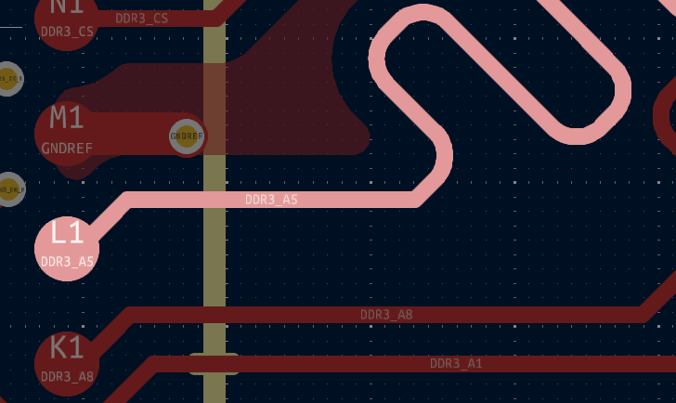 DDR3_A5
L1 (FCU) | Plane below L2 (GND) | Single-ended | 4.66 |  | 50 | 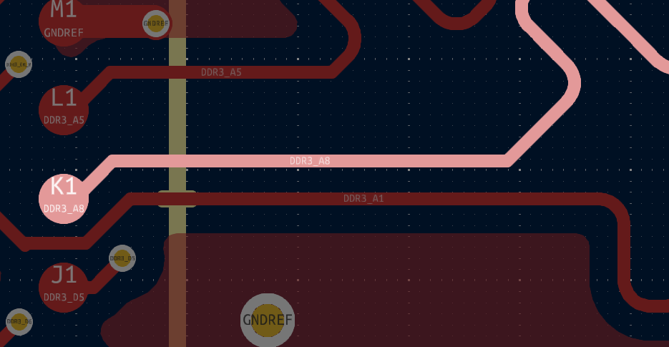 DDR3_A8
L1 (FCU) | Plane below L2 (GND) | Single-ended | 4.66 |  | 50 | 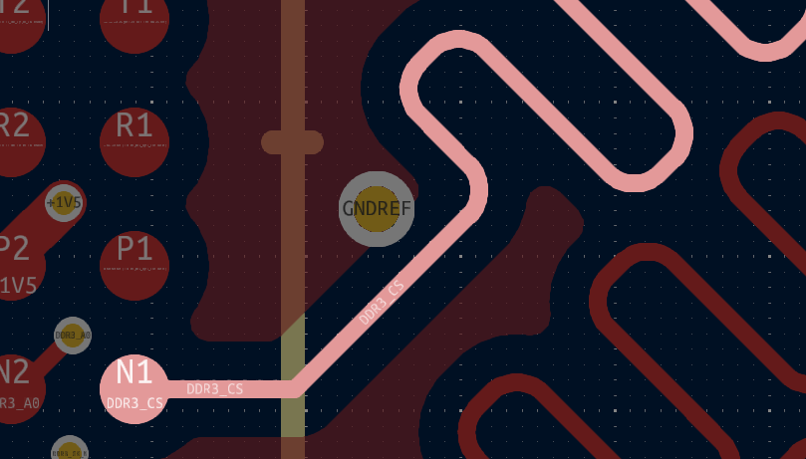 DDR3_CS
L1 (FCU) | Plane below L2 (GND) | Single-ended | 4.66 |  | 50 | 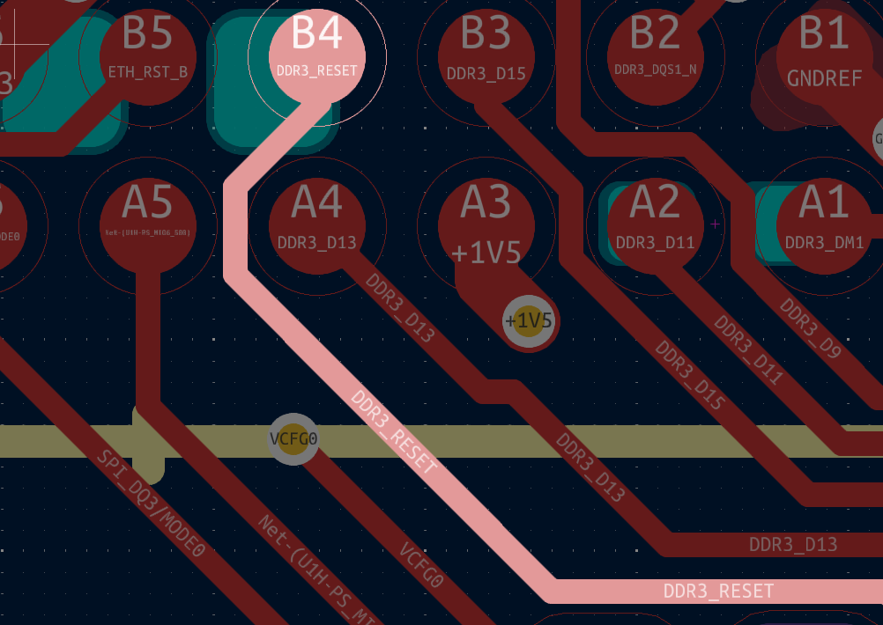 DDR3_RESET
L4 (SIGNAL) | Plane above L3 (PWR) and plane below L5 (GND2) | Single-ended | 5.04 |  | 50 | 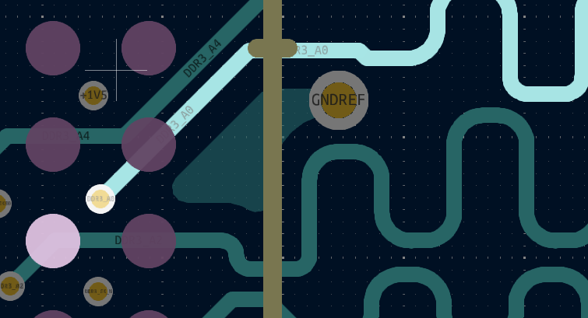 DDR3_A0
L4 (SIGNAL) | Plane above L3 (PWR) and plane below L5 (GND2) | Single-ended | 5.04 |  | 50 |  DDR3_A2
L4 (SIGNAL) | Plane above L3 (PWR) and plane below L5 (GND2) | Single-ended | 5.04 |  | 50 | 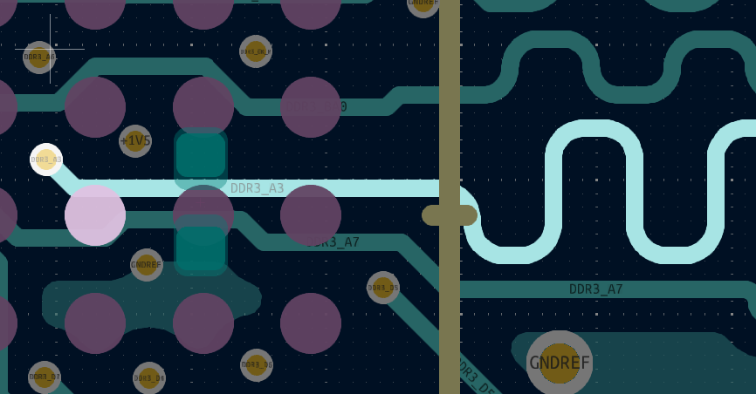 DDR3_A3
L4 (SIGNAL) | Plane above L3 (PWR) and plane below L5 (GND2) | Single-ended | 5.04 |  | 50 | 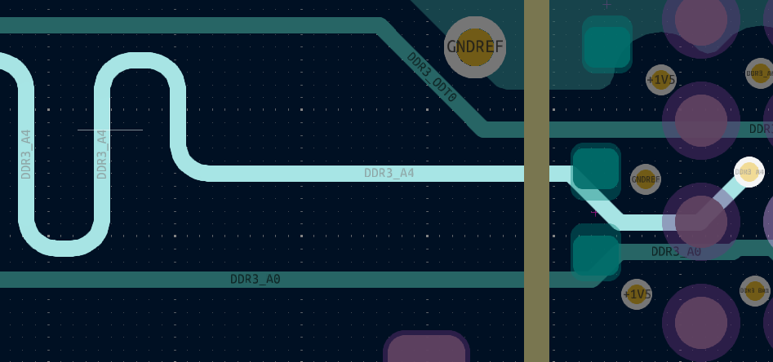 DDR3_A4
L4 (SIGNAL) | Plane above L3 (PWR) and plane below L5 (GND2) | Single-ended | 5.04 |  | 50 | 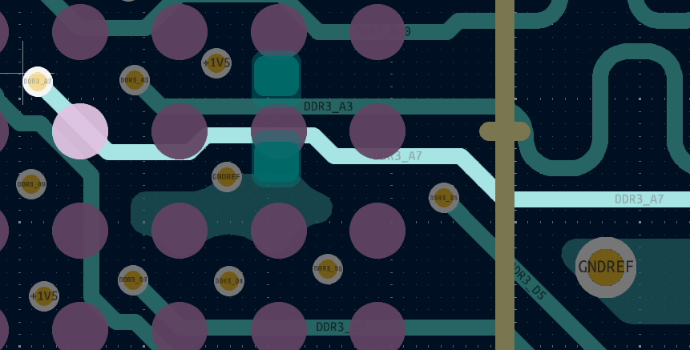 DDR3_A7
L4 (SIGNAL) | Plane above L3 (PWR) and plane below L5 (GND2) | Single-ended | 5.04 |  | 50 | 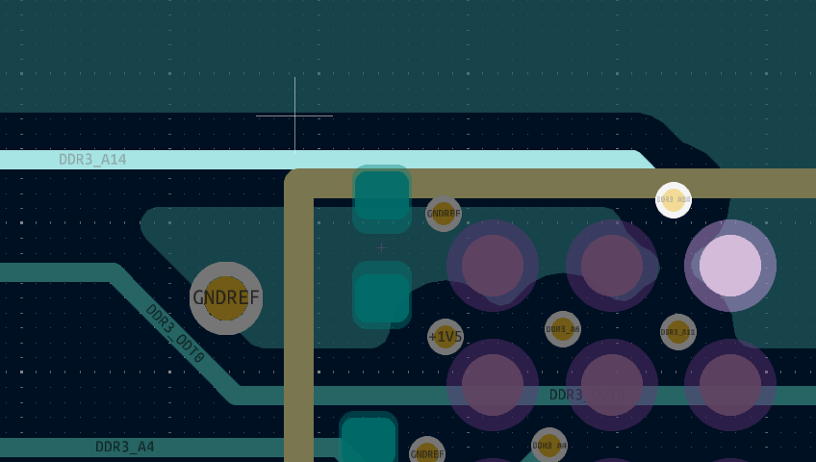 DDR3_A14
L4 (SIGNAL) | Plane above L3 (PWR) and plane below L5 (GND2) | Single-ended | 5.04 |  | 50 | 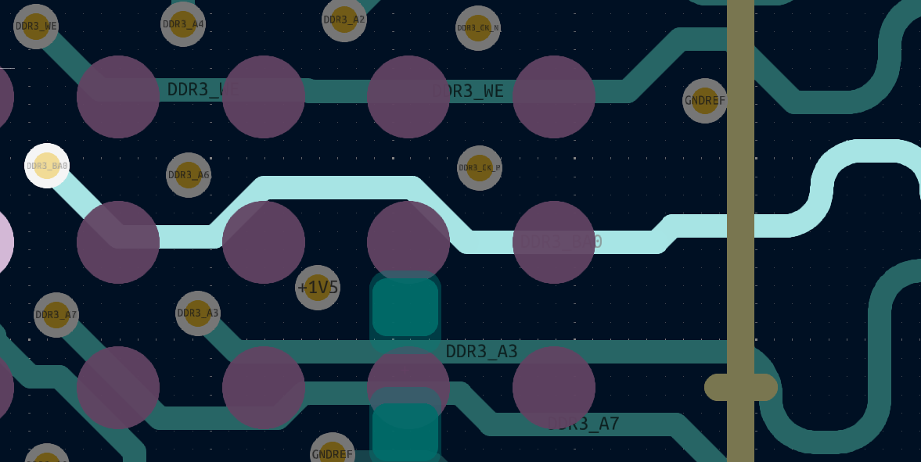 DDR3_BA0
L4 (SIGNAL) | Plane above L3 (PWR) and plane below L5 (GND2) | Single-ended | 5.04 |  | 50 | 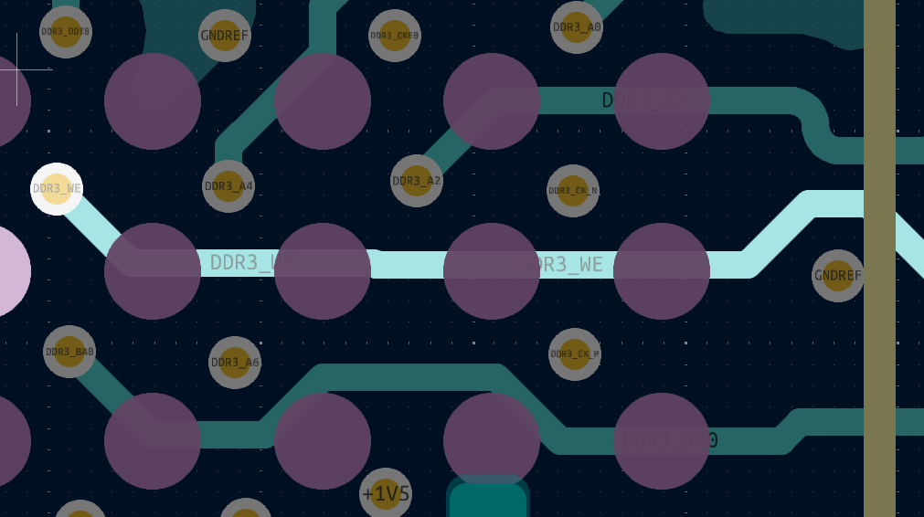 DDR3_WE
L4 (SIGNAL) | Plane above L3 (PWR) and plane below L5 (GND2) | Single-ended | 5.04 |  | 50 | 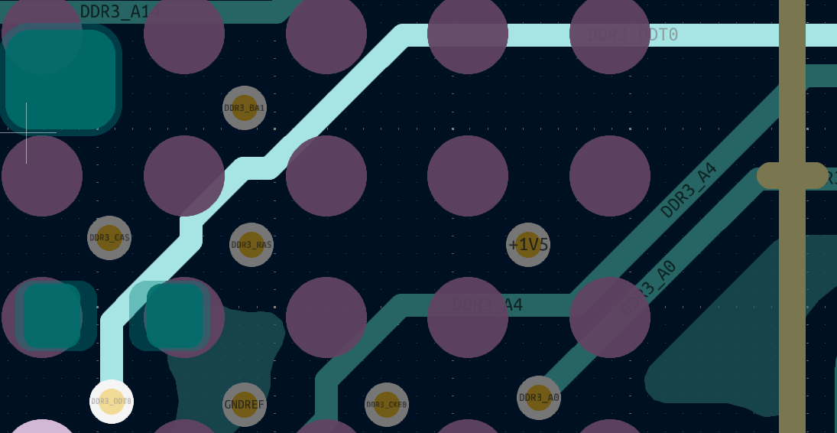 DDR3_ODT0
L6 (SIGNAL2) | Plane above L5 (GND2) and plane below L7 (GND3) | Single-ended | 4.97 |  | 50 | 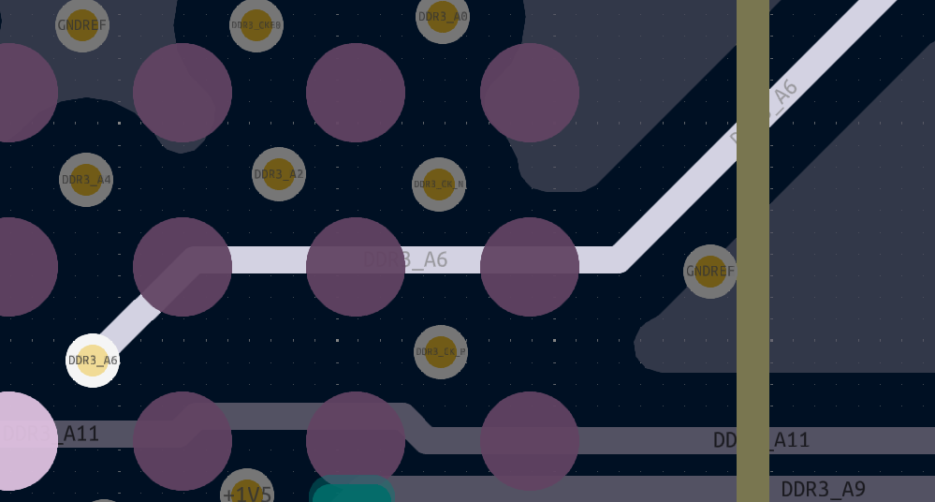 DDR3_A6
L6 (SIGNAL2) | Plane above L5 (GND2) and plane below L7 (GND3) | Single-ended | 4.97 |  | 50 | 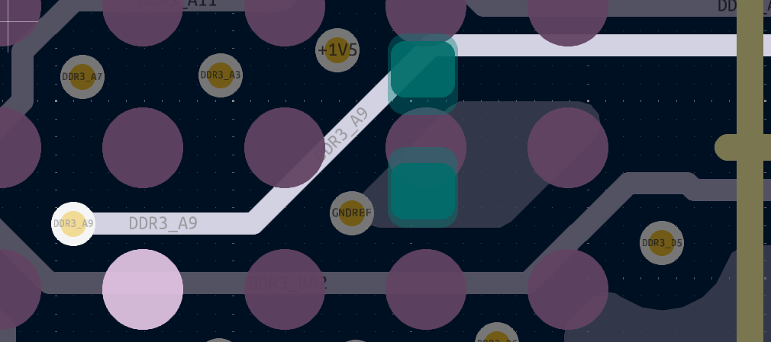 DDR3_A9
L6 (SIGNAL2) | Plane above L5 (GND2) and plane below L7 (GND3) | Single-ended | 4.97 |  | 50 | 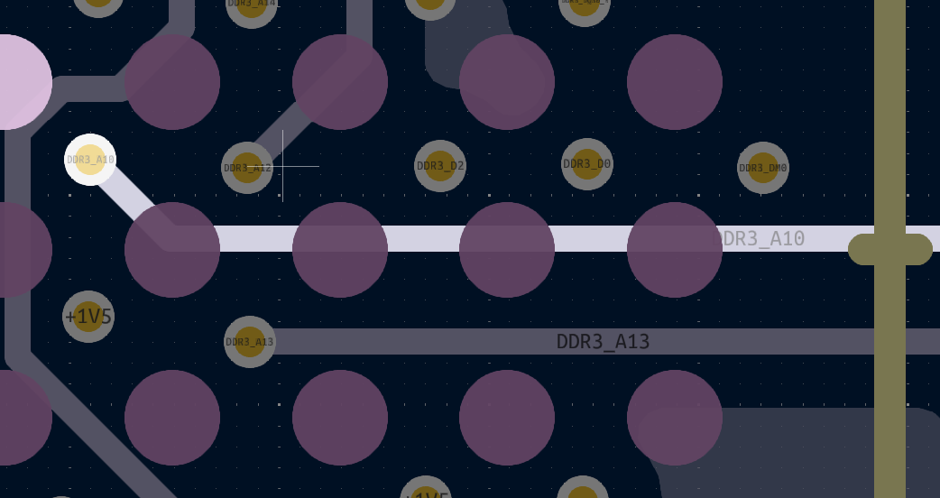 DDR3_A10
L6 (SIGNAL2) | Plane above L5 (GND2) and plane below L7 (GND3) | Single-ended | 4.97 |  | 50 | 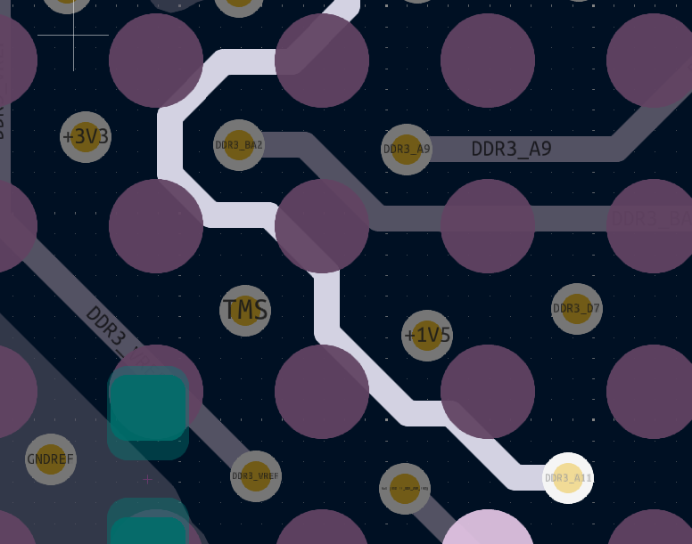 DDR3_A11
L6 (SIGNAL2) | Plane above L5 (GND2) and plane below L7 (GND3) | Single-ended | 4.97 |  | 50 | 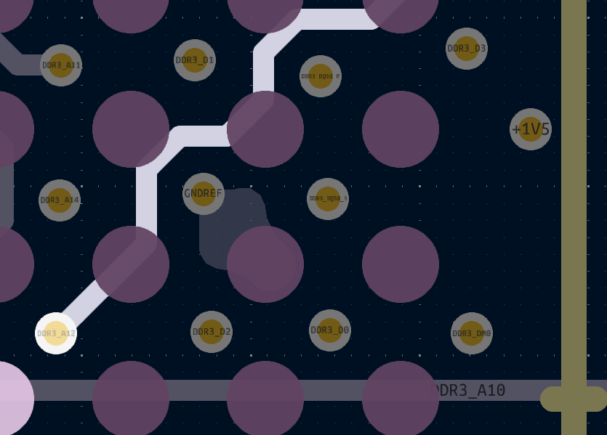 DDR3_A12
L6 (SIGNAL2) | Plane above L5 (GND2) and plane below L7 (GND3) | Single-ended | 4.97 |  | 50 | 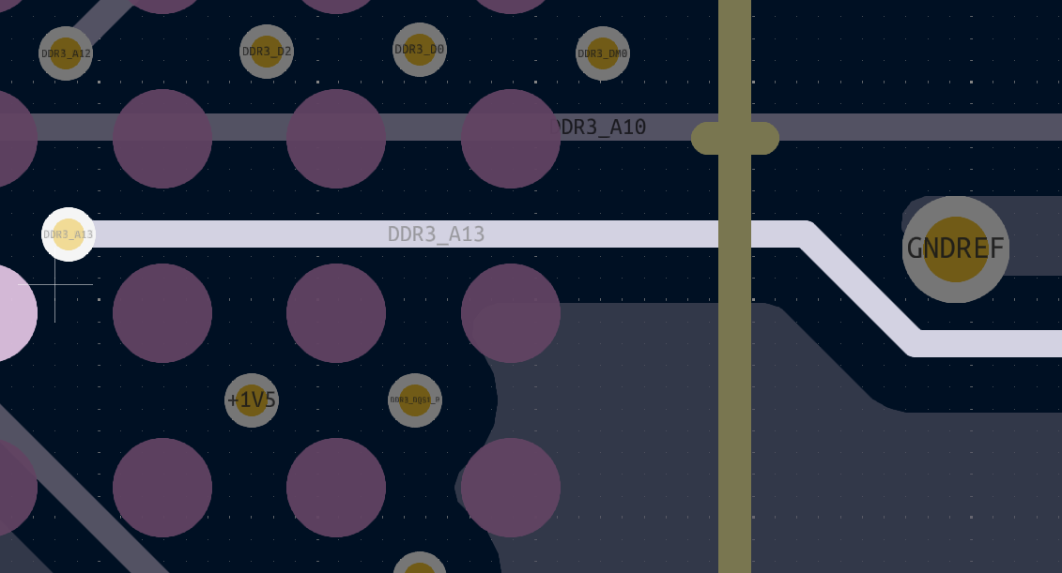 DDR3_A13
L6 (SIGNAL2) | Plane above L5 (GND2) and plane below L7 (GND3) | Single-ended | 4.97 |  | 50 | 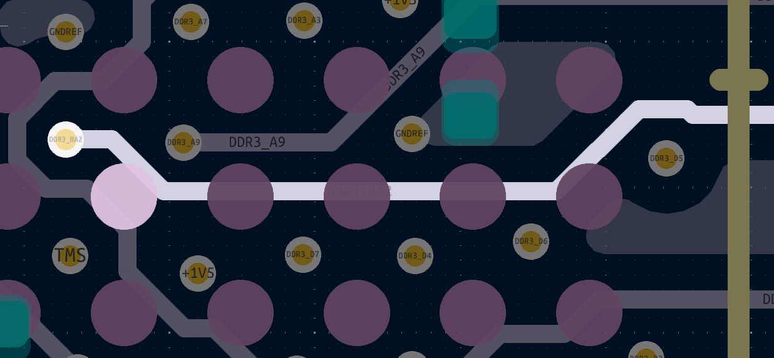 DDR3_BA2
L4 (SIGNAL) | Plane above L3 (PWR) and plane below L5 (GND2) | Differential Pair | 4.05 | 8 | 100 | 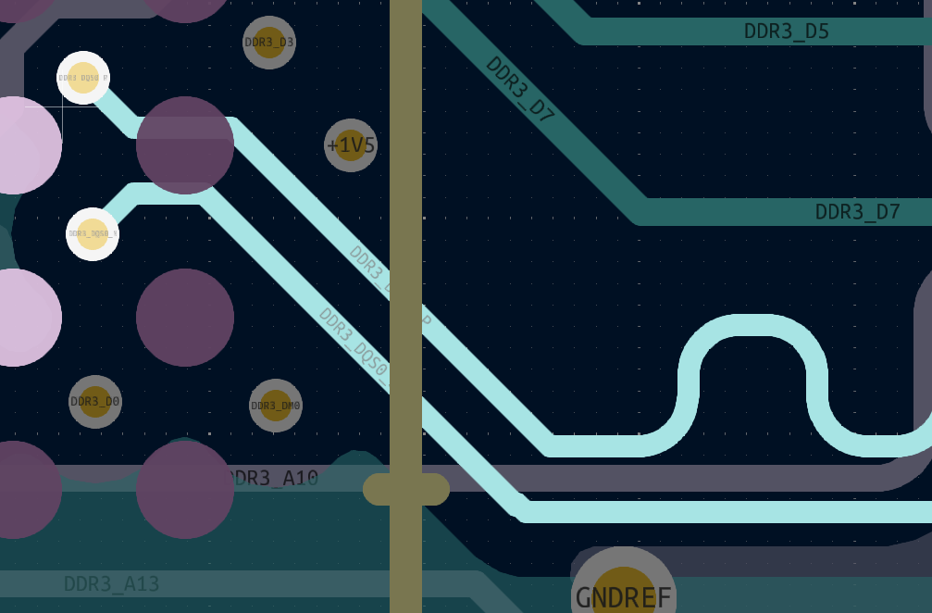 DDR3_DQS0_P
L4 (SIGNAL) | Plane above L3 (PWR) and plane below L5 (GND2) | Differential Pair | 4.05 | 8 | 100 | DDR3_DQS0_N
L8 (BCU) | Plane above L7 (GND3) | Single-ended | 4.66 |  | 50 | 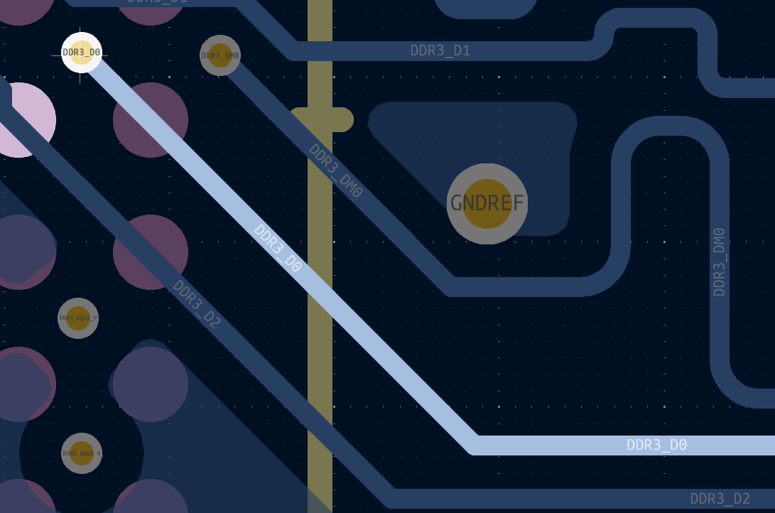 DDR3_D0
L8 (BCU) | Plane above L7 (GND3) | Single-ended | 4.66 |  | 50 | 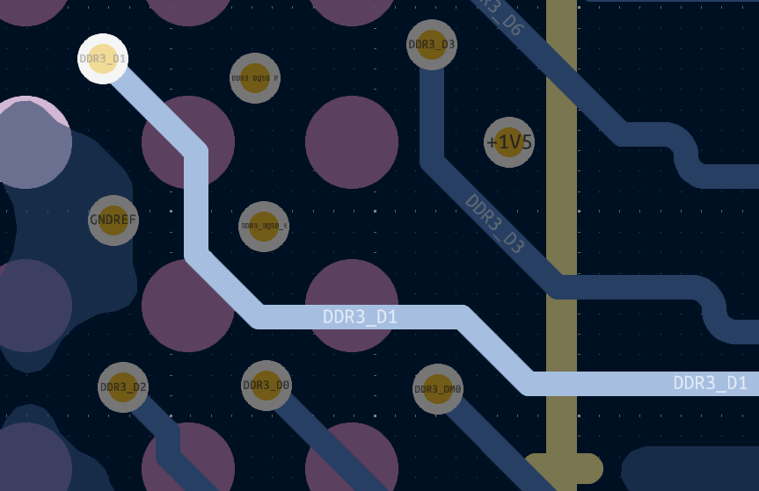 DDR3_D1
L8 (BCU) | Plane above L7 (GND3) | Single-ended | 4.66 |  | 50 | 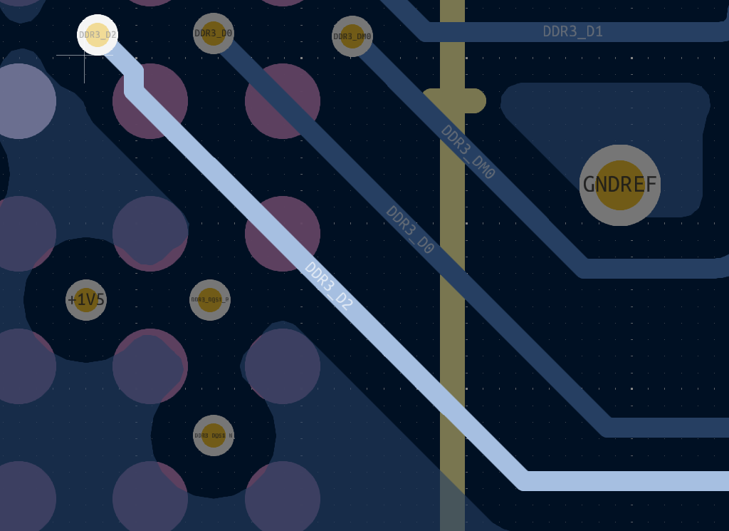 DDR3_D2
L8 (BCU) | Plane above L7 (GND3) | Single-ended | 4.66 |  | 50 | 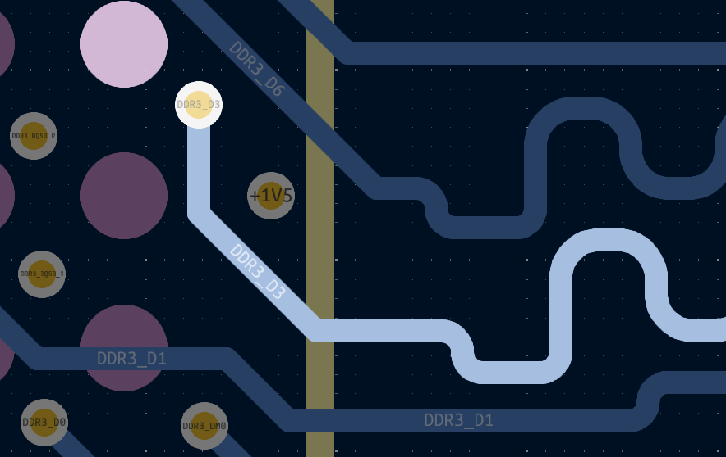 DDR3_D3
L8 (BCU) | Plane above L7 (GND3) | Single-ended | 4.66 |  | 50 | 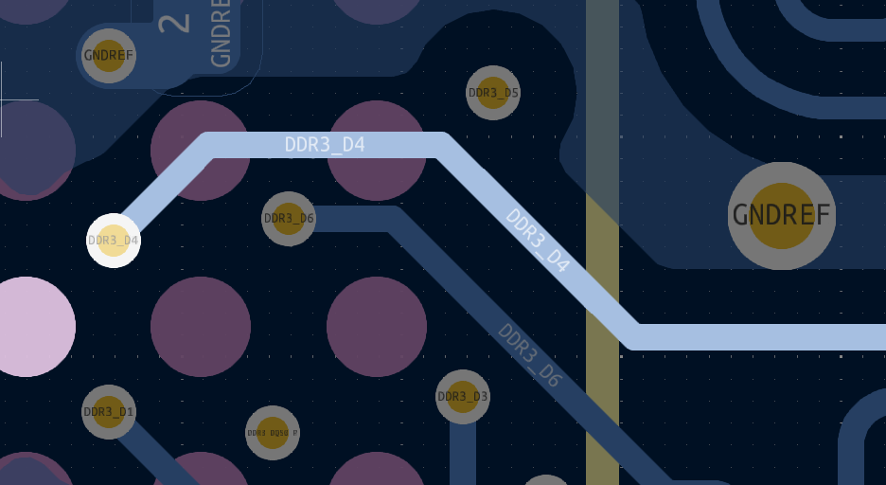 DDR3_D4
L8 (BCU) | Plane above L7 (GND3) | Single-ended | 4.66 |  | 50 | 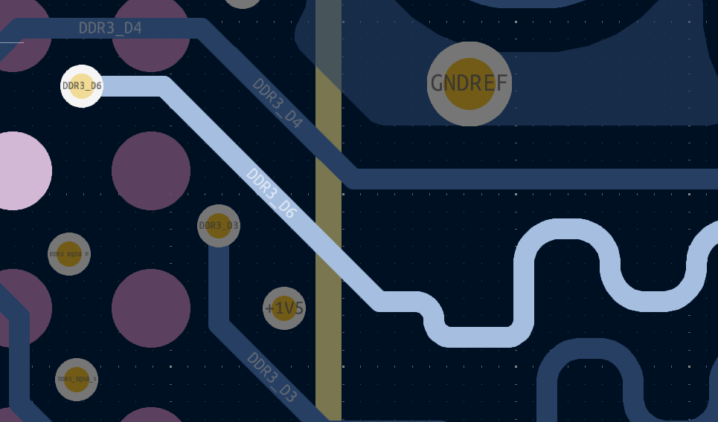 DDR3_D6
L8 (BCU) | Plane above L7 (GND3) | Single-ended | 4.66 |  | 50 | 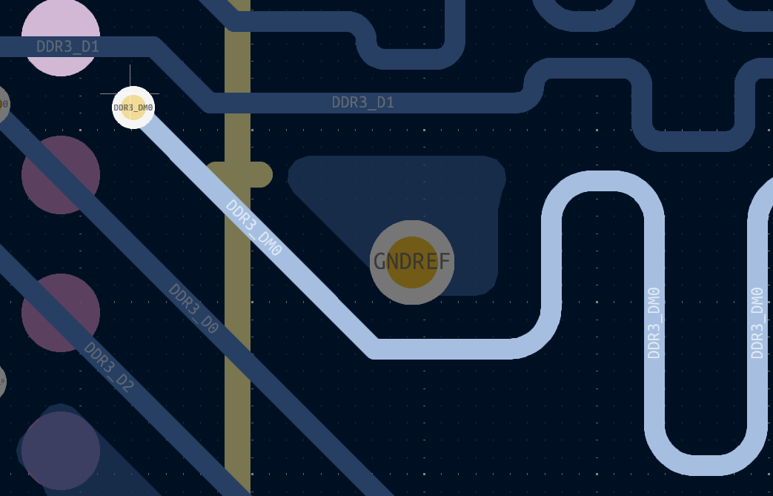 DDR3_DM0
L4 (SIGNAL) | Plane above L3 (PWR) and plane below L5 (GND2) | Single-ended | 5.04 |  | 50 | 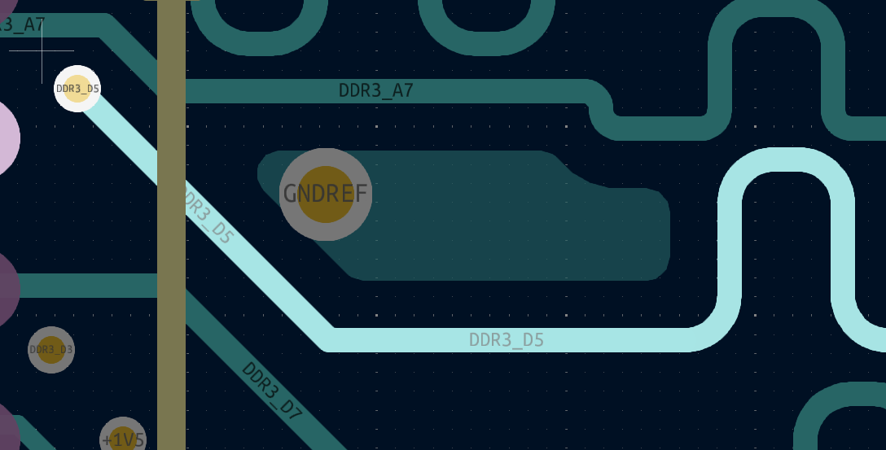 DDR3_D5
L4 (SIGNAL) | Plane above L3 (PWR) and plane below L5 (GND2) | Single-ended | 5.04 |  | 50 | 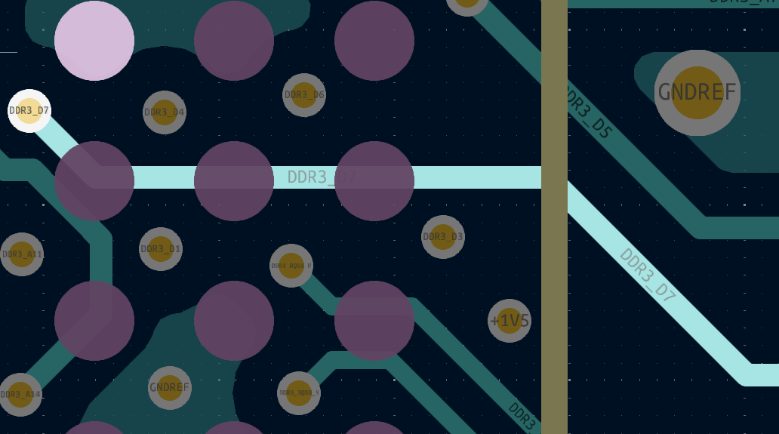 DDR3_D7
L4 (SIGNAL) | Plane above L3 (PWR) and plane below L5 (GND2) | Differential Pair | 4.05 | 8 | 100 | 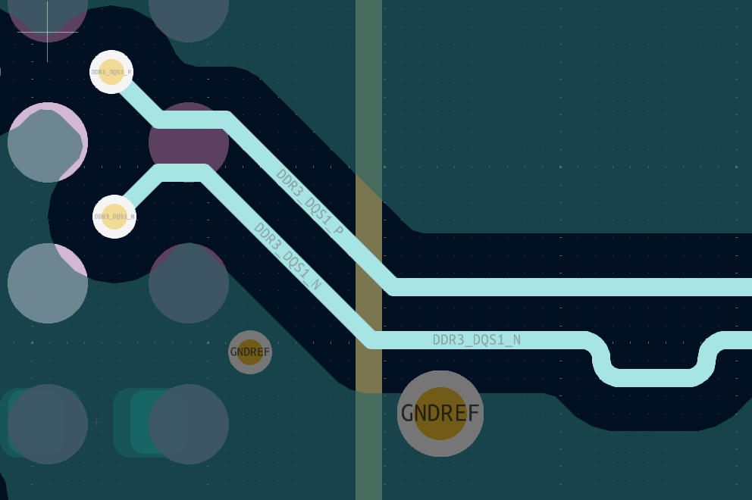 DDR3_DQS1_P
L4 (SIGNAL) | Plane above L3 (PWR) and plane below L5 (GND2) | Differential Pair | 4.05 | 8 | 100 | DDR3_DQS1_N
L1 (FCU) | Plane below L2 (GND) | Single-ended | 4.66 |  | 50 | 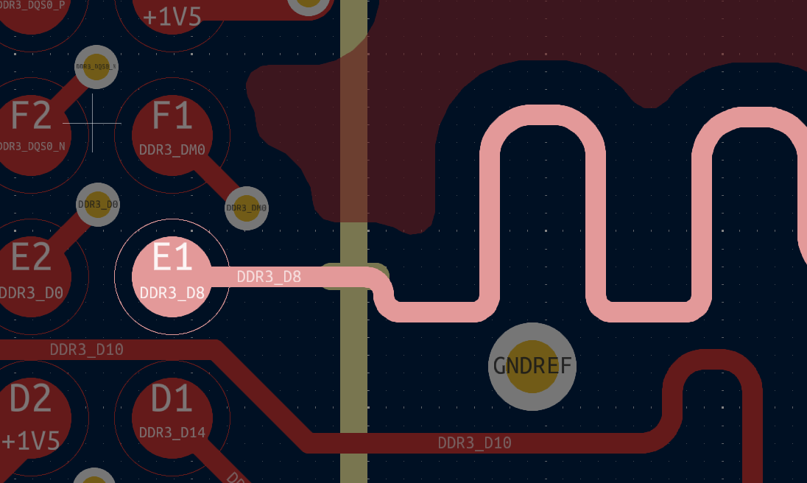 DDR3_D8
L1 (FCU) | Plane below L2 (GND) | Single-ended | 4.66 |  | 50 | 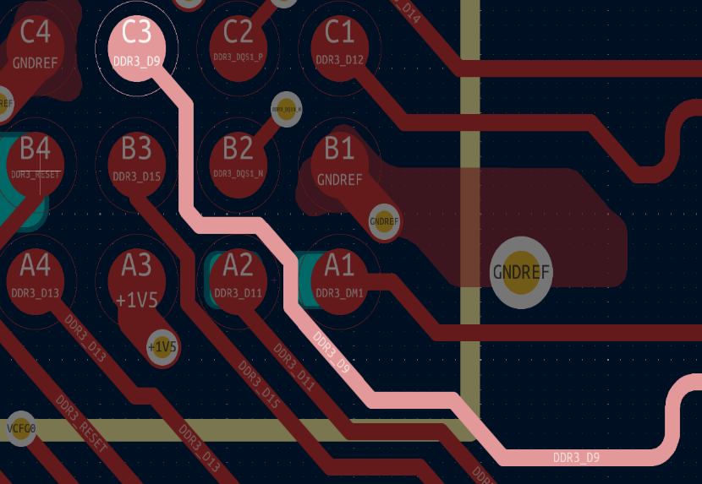 DDR3_D9
L1 (FCU) | Plane below L2 (GND) | Single-ended | 4.66 |  | 50 | 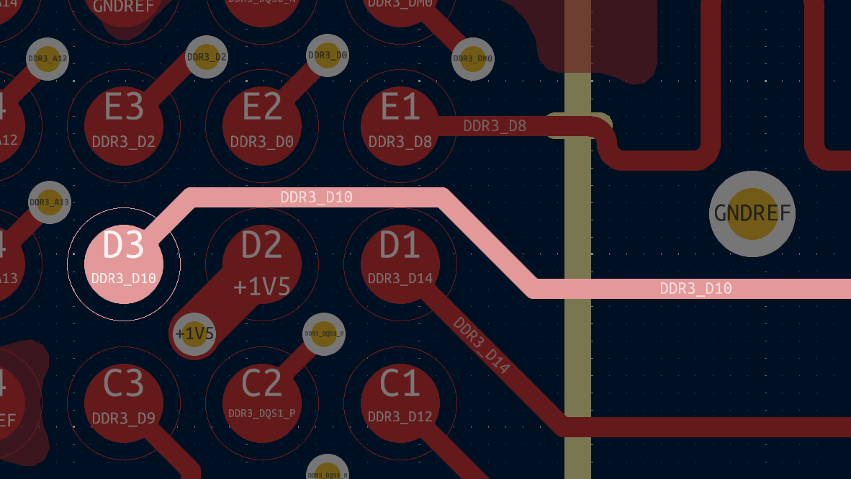 DDR3_D10
L1 (FCU) | Plane below L2 (GND) | Single-ended | 4.66 |  | 50 | 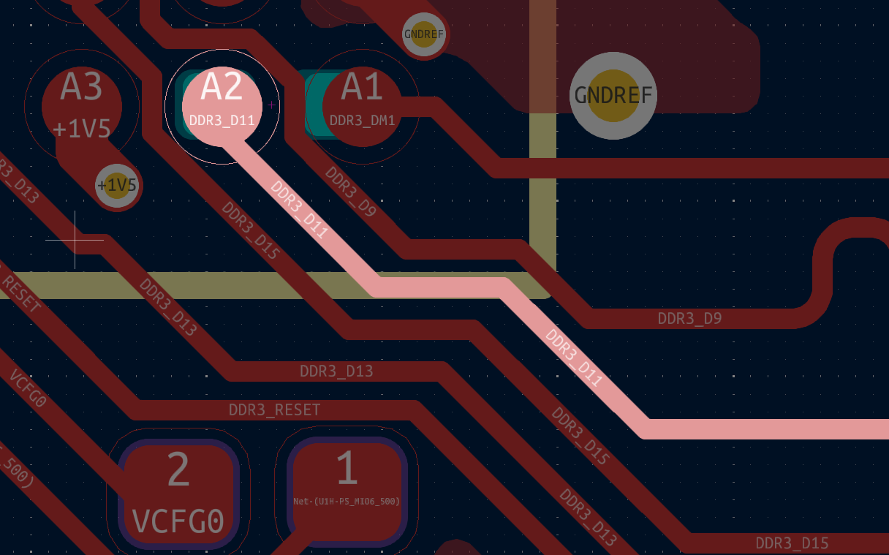 DDR3_D11
L1 (FCU) | Plane below L2 (GND) | Single-ended | 4.66 |  | 50 | 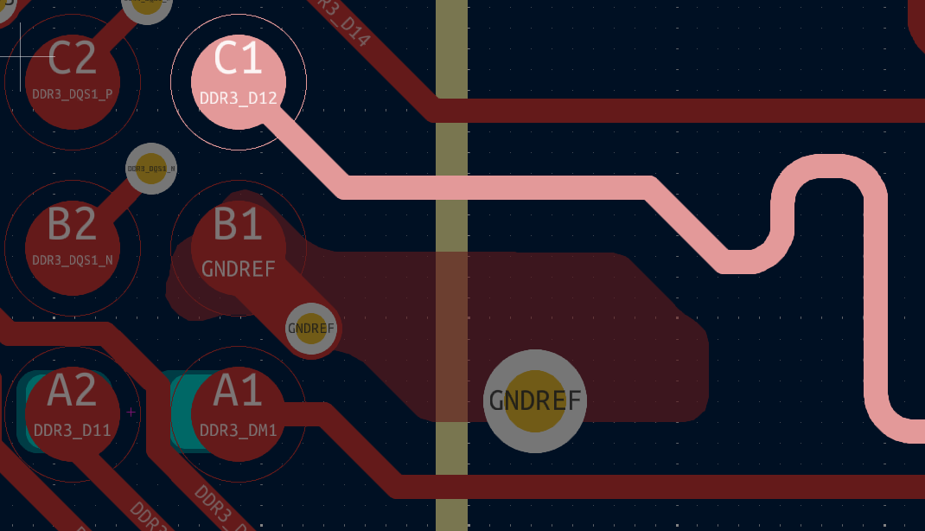 DDR3_D12
L1 (FCU) | Plane below L2 (GND) | Single-ended | 4.66 |  | 50 | 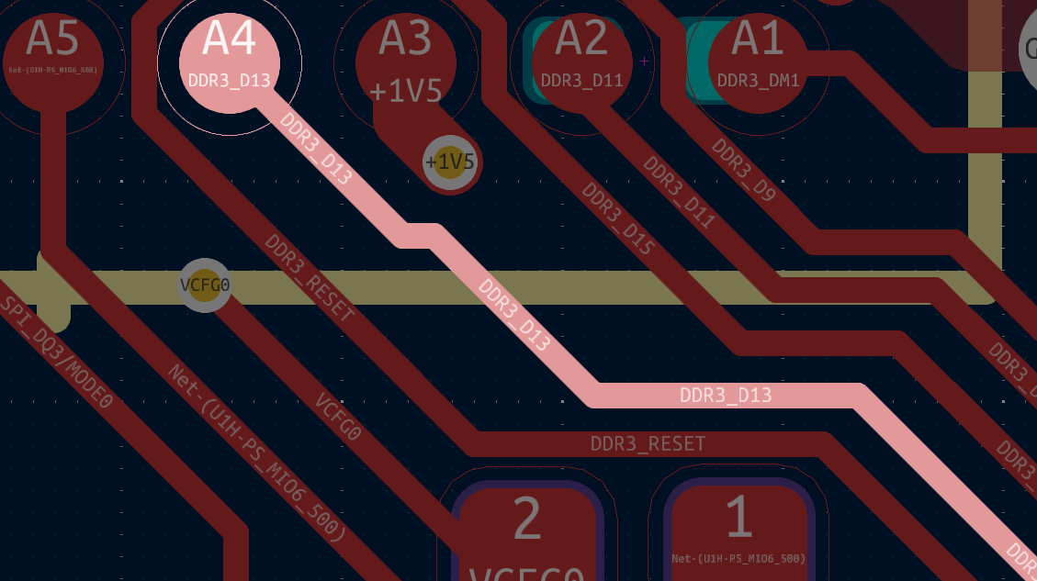 DDR3_D13
L1 (FCU) | Plane below L2 (GND) | Single-ended | 4.66 |  | 50 | 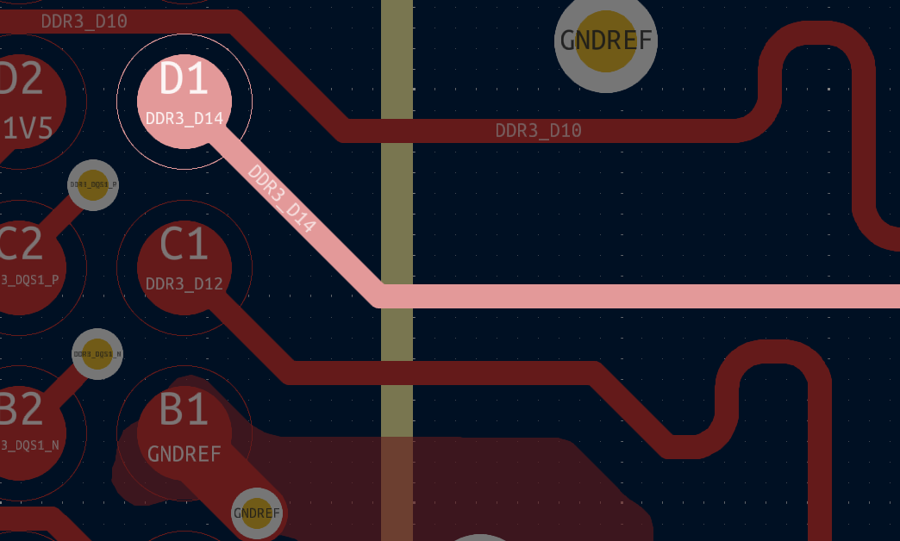 DDR3_D14
L1 (FCU) | Plane below L2 (GND) | Single-ended | 4.66 |  | 50 | 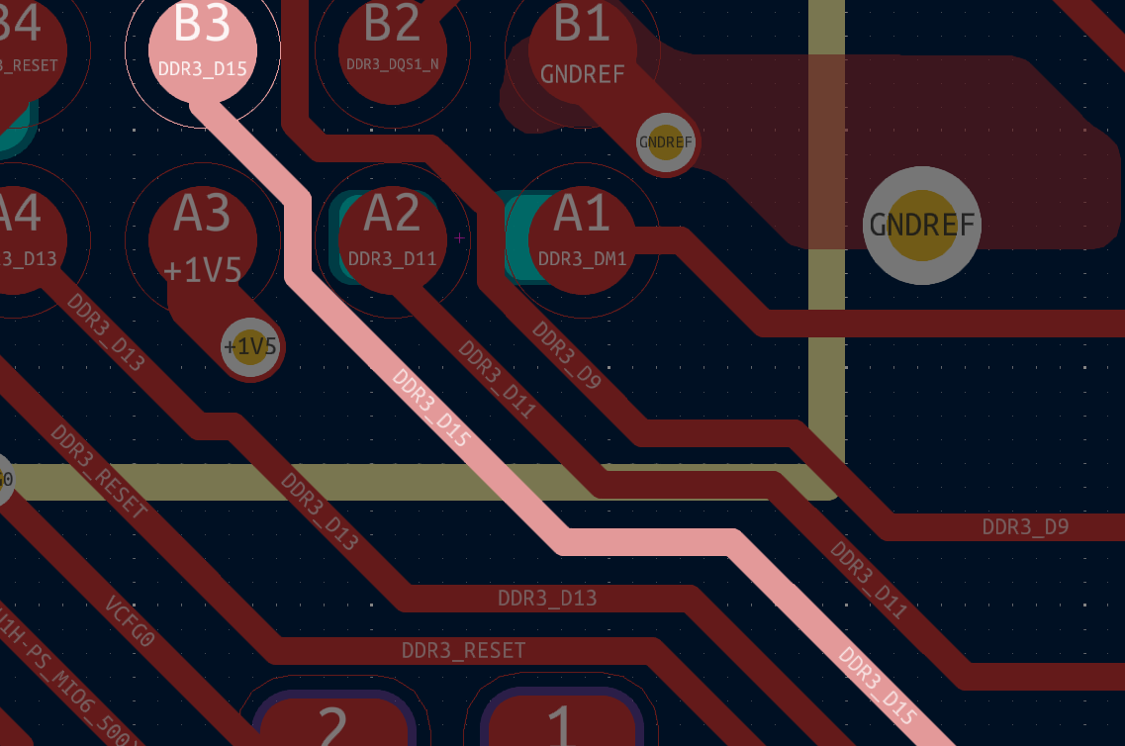 DDR3_D15
L1 (FCU) | Plane below L2 (GND) | Single-ended | 4.66 |  | 50 | 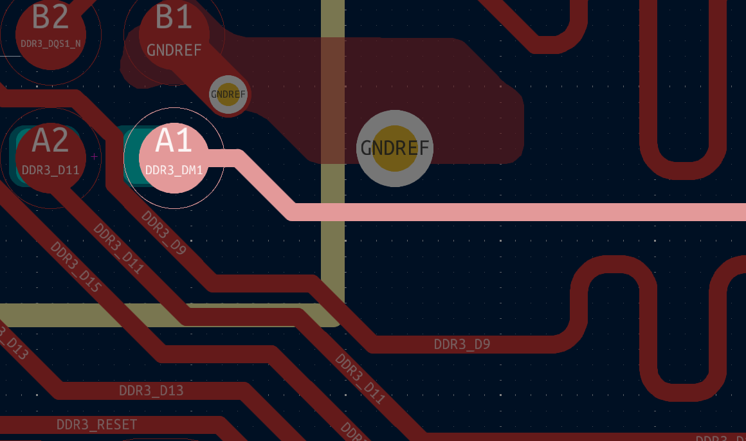 DDR3_DM1
L6 (SIGNAL2) | Plane above L5 (GND2) and plane below L7 (GND3) | Differential Pair | 4.05 | 8 | 100 |  HDMI_TX_D0_P
L6 (SIGNAL2) | Plane above L5 (GND2) and plane below L7 (GND3) | Differential Pair | 4.05 | 8 | 100 | HDMI_TX_D0_N
L8 (BCU) | Plane above L7 (GND3) | Differential Pair | 4.11 | 9.84 | 100 | 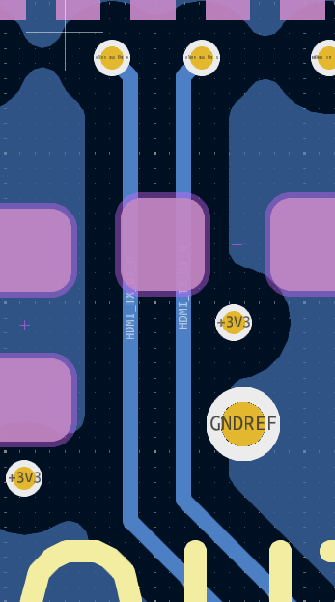 HDMI_TX_D1_P
L8 (BCU) | Plane above L7 (GND3) | Differential Pair | 4.11 | 9.84 | 100 | HDMI_TX_D1_N
L6 (SIGNAL2) | Plane above L5 (GND2) and plane below L7 (GND3) | Differential Pair | 4.05 | 8 | 100 | 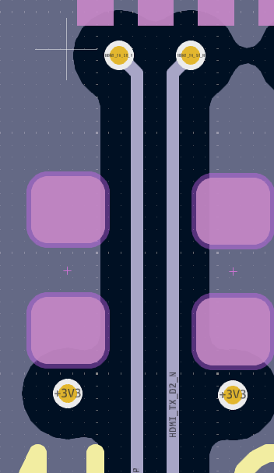 HDMI_TX_D2_P
L6 (SIGNAL2) | Plane above L5 (GND2) and plane below L7 (GND3) | Differential Pair | 4.05 | 8 | 100 | HDMI_TX_D2_N
L6 (SIGNAL2) | Plane above L5 (GND2) and plane below L7 (GND3) | Differential Pair | 4.05 | 8 | 100 |  HDMI_TX_CLK_P
L6 (SIGNAL2) | Plane above L5 (GND2) and plane below L7 (GND3) | Differential Pair | 4.05 | 8 | 100 | HDMI_TX_CLK_N
L1 (FCU) | Plane below L2 (GND) | Differential Pair | 4.11 | 9.84 | 100 | 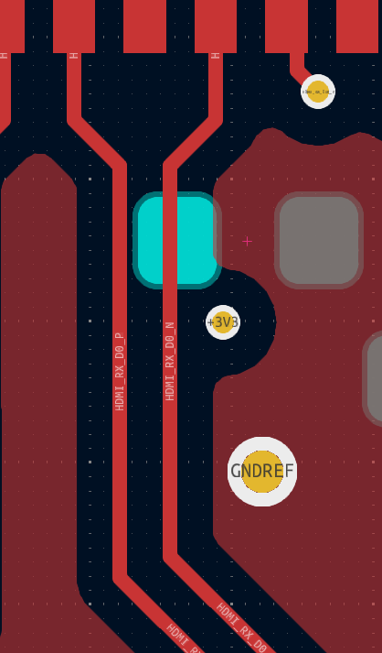 HDMI_RX_D0_P
L1 (FCU) | Plane below L2 (GND) | Differential Pair | 4.11 | 9.84 | 100 | HDMI_RX_D0_N
L1 (FCU) | Plane below L2 (GND) | Differential Pair | 4.11 | 9.84 | 100 | 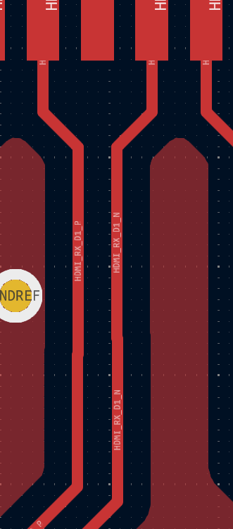 HDMI_RX_D1_P
L1 (FCU) | Plane below L2 (GND) | Differential Pair | 4.11 | 9.84 | 100 | HDMI_RX_D1_N
L1 (FCU) | Plane below L2 (GND) | Differential Pair | 4.11 | 9.84 | 100 | 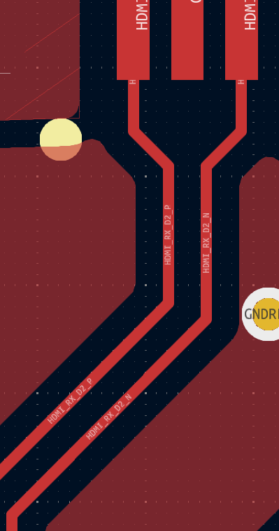 HDMI_RX_D2_P
L1 (FCU) | Plane below L2 (GND) | Differential Pair | 4.11 | 9.84 | 100 | HDMI_RX_D2_N
L8 (BCU) | Plane above L7 (GND3) | Differential Pair | 4.11 | 9.84 | 100 |  HDMI_RX_CLK_P
L8 (BCU) | Plane above L7 (GND3) | Differential Pair | 4.11 | 9.84 | 100 | HDMI_RX_CLK_N
L1 (FCU) | Plane below L2 (GND) | Differential Pair | 4.11 | 9.84 | 100 |  ETH_TD0_P
L1 (FCU) | Plane below L2 (GND) | Differential Pair | 4.11 | 9.84 | 100 | ETH_TD0_N
L1 (FCU) | Plane below L2 (GND) | Differential Pair | 4.11 | 9.84 | 100 |  ETH_TD1_P/ETH_TD1_N
L8 (BCU) | Plane above L7 (GND3) | Differential Pair | 4.11 | 9.84 | 100 | ETH_TD1_P/ETH_TD1_N
L1 (FCU) | Plane below L2 (GND) | Differential Pair | 4.11 | 9.84 | 100 |  ETH_TD2_P
L1 (FCU) | Plane below L2 (GND) | Differential Pair | 4.11 | 9.84 | 100 | ETH_TD2_N
L1 (FCU) | Plane below L2 (GND) | Differential Pair | 4.11 | 9.84 | 100 |  ETH_TD3_P
L1 (FCU) | Plane below L2 (GND) | Differential Pair | 4.11 | 9.84 | 100 | ETH_TD3_N
L1 (FCU) | Plane below L2 (GND) | Differential Pair | 4.11 | 9.84 | 100 |  USBHOST_P
L1 (FCU) | Plane below L2 (GND) | Differential Pair | 4.11 | 9.84 | 100 | USBHOST_N
L8 (BCU) | Plane above L7 (GND3) | Differential Pair | 4.11 | 9.84 | 100 |  USBHOST_P
L8 (BCU) | Plane above L7 (GND3) | Differential Pair | 4.11 | 9.84 | 100 | USBHOST_N
L1 (FCU) | Plane below L2 (GND) | Differential Pair | 4.11 | 9.84 | 100 |  USB_FTDI_D_P
L1 (FCU) | Plane below L2 (GND) | Differential Pair | 4.11 | 9.84 | 100 | USB_FTDI_D_N

