Raw Summary
 | A.R. FURNITURES – SUMMARY DASHBOARD (May–Aug 2024)

Total Sales (₹) | 369152 |  | Item Code | Item Description | Purchase Rate | Sales Rate | Profit | Profit Margin %
Total Purchase (₹) | 328929.5 |  | BSF (A) | Bed Side Frame (A) | 2480 | 2923 | 443 | 17.86
Total Profit (₹) | 54979.5 |  | BSF (B) | Bed Side Frame (B) | 1275 | 1425 | 150 | 11.76
 |  |  | BSF (C) | Bed Side Frame (C) | 3560 | 4525 | 965 | 27.11
Demand Stability Distribution
 | Frequency
 | 1
Highest Selling Product | Sofa Side Frame (B) |  | BSF (D) | Bed Side Frame (D) | 1410 | 1650 | 240 | 17.02
 |  |  | BSF (F) | Bed Side Frame (F) | 2720 | 3120 | 400 | 14.71
Number of Sales Transactions | 69 |  | Chair Frame (A) | Chair Frame (A) | 800 | 950 | 150 | 18.75
Number of Purchase Transactions | 38 |  | Chair Frame (B) | Chair Frame (B) | 651 | 725 | 74 | 11.37
 |  |  | CTF (A) | Centre Table Frame (A) | 703 | 750 | 47 | 6.69
 |  |  | CTF (B) | Centre Table Frame (B) | 880 | 1015 | 135 | 15.34
 |  |  | CTF (C) | Centre Table Frame (C) | 757 | 850 | 93 | 12.29
 |  |  | CTSF (A) | Centre Table Side Frame (A) | 890 | 985 | 95 | 10.67
 |  |  | DCF (A) | Dining Chair Frame (A) | 605 | 700 | 95 | 15.70
 |  |  | DCF (B) | Dining Chair Frame (B) | 580 | 660 | 80 | 13.79
 |  |  | DCF (C) | Dining Chair Frame (C) | 625 | 710 | 85 | 13.60
 |  |  | DCF (D) | Dining Chair Frame (D) | 540 | 623 | 83 | 15.37
 |  |  | SSF (A) | Sofa Side Frame (A) | 3075 | 3600 | 525 | 17.07
 |  |  | SSF (B) | Sofa Side Frame (B) | 2731 | 3225 | 494 | 18.09
 |  |  | SSF (C) | Sofa Side Frame (C) | 3730 | 4540 | 810 | 21.72
 |  |  | SSF (D) | Sofa Side Frame (D) | 4330 | 5450 | 1120 | 25.87
 |  |  | SSF (E) | Sofa Side Frame (E) | 2686 | 2950 | 264 | 9.83
 |  |  | Teak Sawn Timber | Teak Sawn Timber Different Cut Size | 1050 | 1200 | 150 | 14.29
 |  |  | Total |  | 36078 | 42576

Revenue Share by Customer Type (May–Aug 2024
Revenue Share by Customer Type (May–Aug 2024)

 | Row Labels | Sum of Total Sales
 | Carpenter | 278590
 | Not Available | 39670
 | Retail | 50892
 | Grand Total | 369152

Sales Total

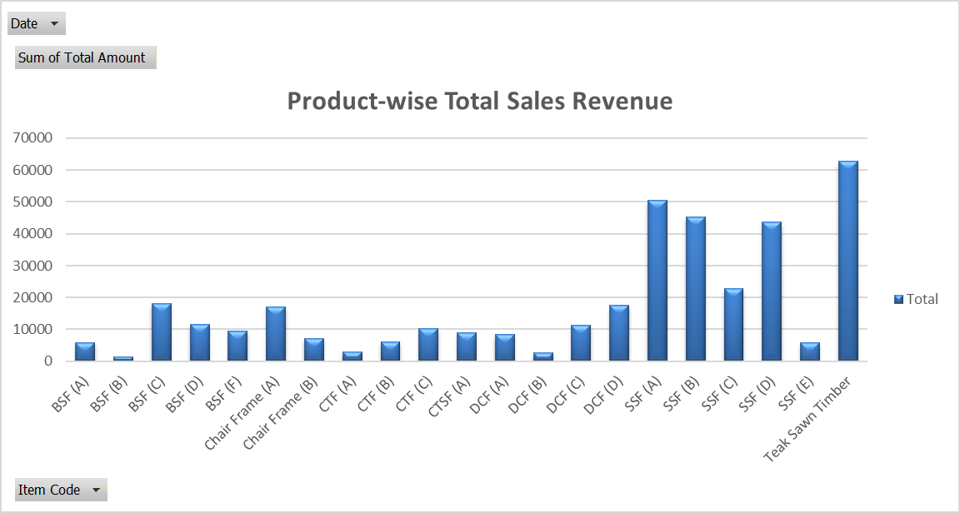
Sum of Qty | Column Labels
Row Labels | Apr-2025 | Jul-2025 | Jun-2025 | May-2025 | Grand Total
BSF (A) | 1 |  | 1 |  | 2
BSF (B) | 1 |  |  |  | 1
BSF (C) |  | 4 |  |  | 4
BSF (D) |  |  | 6 | 1 | 7
BSF (F) |  | 1 | 2 |  | 3
Chair Frame (A) |  | 6 | 12 |  | 18
Chair Frame (B) |  |  |  | 10 | 10
CTF (A) |  |  | 1 | 3 | 4
CTF (B) |  | 2 | 4 |  | 6
CTF (C) | 2 | 1 | 5 | 4 | 12
CTSF (A) | 6 | 3 |  |  | 9
DCF (A) | 4 |  |  | 8 | 12
DCF (B) | 4 |  |  |  | 4
DCF (C) | 4 | 12 |  |  | 16
DCF (D) | 6 | 8 |  | 14 | 28
SSF (A) |  | 5 | 4 | 5 | 14
SSF (B) | 1 |  | 9 | 4 | 14
SSF (C) | 2 | 3 |  |  | 5
SSF (D) | 3 | 2 | 3 |  | 8
SSF (E) | 1 |  |  | 1 | 2
Teak Sawn Timber |  |  | 32.43 | 19.88 | 52.31
Grand Total | 35 | 47 | 79.43 | 69.88 | 231.31

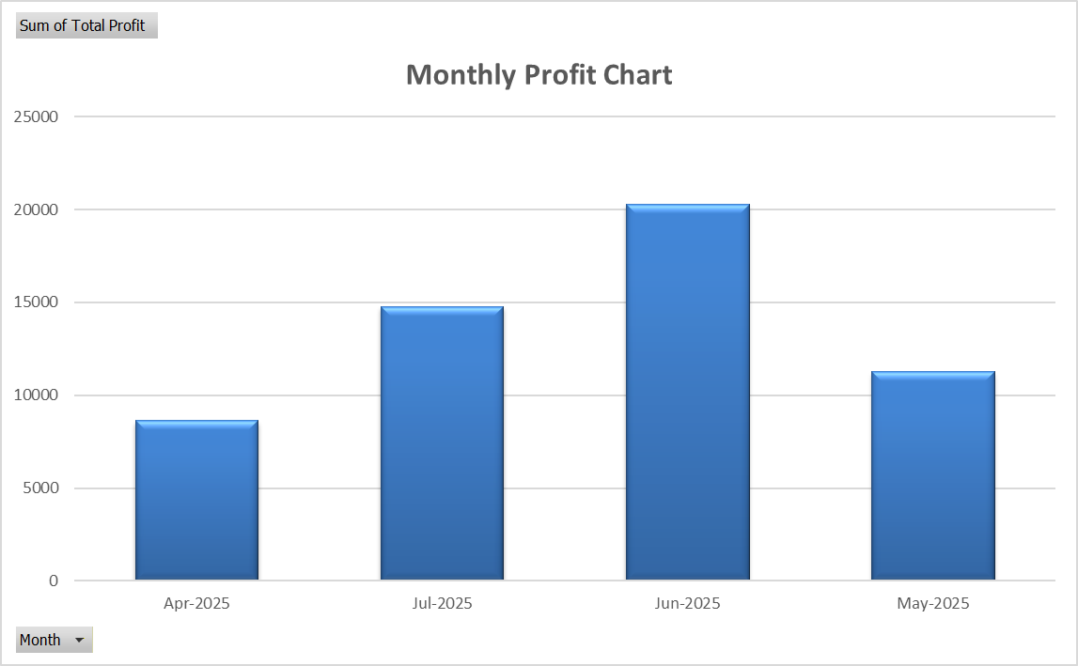

Purchase Total

Date | (All)

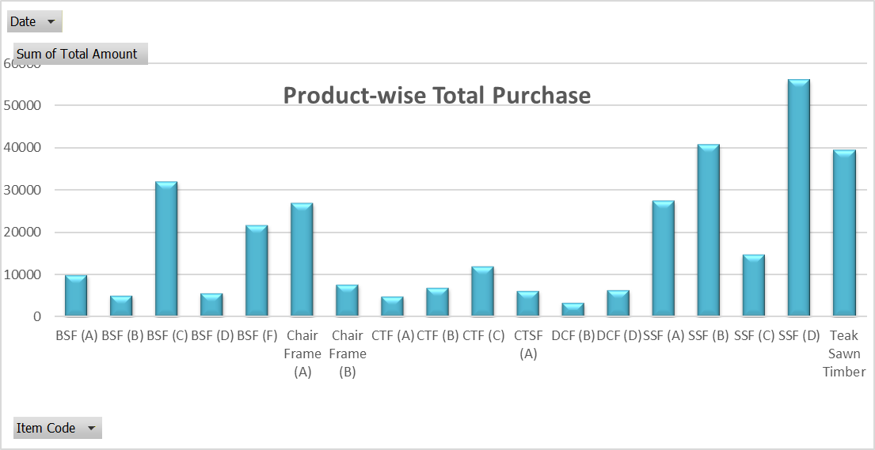
Row Labels | Sum of Total Amount | Sum of Qty
BSF (A) | 9920 | 4
BSF (B) | 5100 | 4
BSF (C) | 32040 | 9
BSF (D) | 5640 | 4
BSF (F) | 21760 | 8
Chair Frame (A) | 27012 | 36
Chair Frame (B) | 7812 | 12
CTF (A) | 4921 | 7
CTF (B) | 7040 | 8
CTF (C) | 12112 | 16
CTSF (A) | 6230 | 7
DCF (B) | 3480 | 6
DCF (D) | 6480 | 12
SSF (A) | 27675 | 9
SSF (B) | 40965 | 15
SSF (C) | 14920 | 4
SSF (D) | 56290 | 13
Teak Sawn Timber | 39532.5 | 37.65
Grand Total | 328929.5 | 211.65

ABC Classification ( Profit-Based ) - OLD

Item Code | Item Description | Purchase Rate | Sales Rate | Profit | Qty Sold | Total Profit | Profit Contribution | Cumulative % | ABC Category
SSF (D) | Sofa Side Frame (D) | 4330 | 5450 | 1120 | 8 | 8960 | 0.163 | 0.163 | A
Teak Sawn Timber | Teak Sawn Timber Different Cut Size | 1050 | 1200 | 150 | 52.31 | 7846.5 | 0.143 | 0.306 | A
SSF (A) | Sofa Side Frame (A) | 3075 | 3600 | 525 | 14 | 7350 | 0.134 | 0.439 | A
SSF (B) | Sofa Side Frame (B) | 2731 | 3225 | 494 | 14 | 6916 | 0.126 | 0.565 | A
SSF (C) | Sofa Side Frame (C) | 3730 | 4540 | 810 | 5 | 4050 | 0.074 | 0.639 | A
BSF (C) | Bed Side Frame (C) | 3560 | 4525 | 965 | 4 | 3860 | 0.070 | 0.709 | A
Chair Frame (A) | Chair Frame (A) | 800 | 950 | 150 | 18 | 2700 | 0.049 | 0.758 | A
DCF (D) | Dining Chair Frame (D) | 540 | 623 | 83 | 28 | 2324 | 0.042 | 0.800 | B
BSF (D) | Bed Side Frame (D) | 1410 | 1650 | 240 | 7 | 1680 | 0.031 | 0.831 | B
BSF (F) | Bed Side Frame (F) | 2720 | 3120 | 400 | 3 | 1360 | 0.025 | 0.856 | B
DCF (A) | Dining Chair Frame (A) | 605 | 700 | 95 | 12 | 1200 | 0.022 | 0.878 | B
CTF (C) | Centre Table Frame (C) | 757 | 850 | 93 | 12 | 1140 | 0.021 | 0.898 | B
BSF (A) | Bed Side Frame (A) | 2480 | 2923 | 443 | 2 | 1116 | 0.020 | 0.919 | C
CTSF (A) | Centre Table Side Frame (A) | 890 | 985 | 95 | 9 | 886 | 0.016 | 0.935 | C
DCF (C) | Dining Chair Frame (C) | 625 | 710 | 85 | 10 | 855 | 0.016 | 0.950 | C
CTF (B) | Centre Table Frame (B) | 880 | 1015 | 135 | 6 | 810 | 0.015 | 0.965 | C
Chair Frame (B) | Chair Frame (B) | 651 | 725 | 74 | 10 | 740 | 0.013 | 0.978 | C
SSF (E) | Sofa Side Frame (E) | 2686 | 2950 | 264 | 2 | 528 | 0.010 | 0.988 | C
DCF (B) | Dining Chair Frame (B) | 580 | 660 | 80 | 4 | 320 | 0.006 | 0.994 | C
CTF (A) | Centre Table Frame (A) | 703 | 750 | 47 | 4 | 188 | 0.003 | 0.997 | C
BSF (B) | Bed Side Frame (B) | 1275 | 1425 | 150 | 1 | 150 | 0.003 | 1.000 | C

ABC Classification ( Profit–Frequency–Stability ) - NEW

Item Code | Total Profit | Sales Frequency | Total Quantity Sold (4 Months) | Average Monthly Demand | DSI | Normalised Profit | Normalised Sales Frequency | Normalised Stability (Inverted) | ABC Score | Cumulative % | ABC Class
SSF (A) | 7350 | 6 | 14 | 3.5 | 0.14285714286 | 0.81725312145 | 1 | 0.99955721991 | 0.92676841455 | 0.083777068988 | A
SSF (D) | 8960 | 4 | 8 | 2 | 0.21650635095 | 1 | 0.6 | 0.99822107065 | 0.8794663212 | 0.16327817143 | A
SSF (B) | 6916 | 6 | 14 | 3.5 | 0.49487165931 | 0.76799091941 | 1 | 0.99317094709 | 0.90514765189 | 0.24510078869 | A
Teak Sawn Timber | 7846.5 | 5 | 52.31 | 13.0775 | 0.1902097949 | 0.87360953462 | 0.8 | 0.99869814467 | 0.88905325725 | 0.32546852123 | A
DCF (D) | 2324 | 6 | 28 | 7 | 0.11845088537 | 0.24676503973 | 1 | 1 | 0.69870601589 | 0.38862943735 | A
CTF (C) | 1140 | 5 | 12 | 3 | 1.6583123952 | 0.1123723042 | 0.8 | 0.97206372112 | 0.57656803801 | 0.44074944872 | A
SSF (C) | 4050 | 3 | 5 | 1.25 | 3.4641016151 | 0.44267877412 | 0.4 | 0.93930296248 | 0.57886239839 | 0.49307686334 | A
Chair Frame (A) | 2700 | 3 | 18 | 4.5 | 0.27216552698 | 0.28944381385 | 0.4 | 0.99721129785 | 0.5349409149 | 0.54143390834 | A
BSF (D) | 1680 | 5 | 7 | 1.75 | 0.94760708296 | 0.17366628831 | 0.8 | 0.98495738829 | 0.60495373181 | 0.5961199008 | A
BSF (F) | 1360 | 3 | 3 | 0.75 | 2.1081851068 | 0.13734392736 | 0.4 | 0.96390209784 | 0.4641082003 | 0.63807388207 | A
DCF (A) | 1200 | 3 | 12 | 3 | 0.82915619759 | 0.11918274688 | 0.4 | 0.98710633282 | 0.4638049986 | 0.68000045483 | A
CTSF (A) | 886 | 3 | 9 | 2.25 | 1.4740554624 | 0.083541430193 | 0.4 | 0.97540652372 | 0.44603852919 | 0.72032099236 | B
BSF (A) | 1116 | 2 | 2 | 0.5 | 3.4641016151 | 0.10964812713 | 0.2 | 0.93930296248 | 0.3856501396 | 0.75518260162 | B
DCF (C) | 855 | 3 | 16 | 4 | 1.2247448714 | 0.080022701476 | 0.4 | 0.97992953449 | 0.44598794094 | 0.79549856612 | B
SSF (E) | 528 | 2 | 2 | 0.5 | 10 | 0.042905788876 | 0.2 | 0.82072822126 | 0.32338078193 | 0.82473121329 | B
CTF (B) | 810 | 2 | 6 | 1.5 | 1.3743685419 | 0.074914869467 | 0.2 | 0.97721505104 | 0.3831304631 | 0.85936505141 | B
BSF (C) | 3860 | 2 | 4 | 1 | 3.5 | 0.4211123723 | 0.2 | 0.93865169139 | 0.51004045634 | 0.90547117007 | C
CTF (A) | 188 | 2 | 4 | 1 | 1.2990381057 | 0.0043132803632 | 0.2 | 0.97858170126 | 0.35529982252 | 0.93758920223 | C
Chair Frame (B) | 740 | 2 | 10 | 2.5 | 0.48989794856 | 0.066969353008 | 0.2 | 0.99326118051 | 0.38476609536 | 0.97237089657 | C
DCF (B) | 320 | 1 | 4 | 1 | 0.5 | 0.019296254257 | 0 | 0.99307790837 | 0.30564187421 | 1 | C
BSF (B) | 150 | 1 | 1 | 0.25 | 55.2389455 | 0 | 0 | 0 | 0 | 1 | C

1 | 0 | 1 | 0
1 | 0 | 0 | 0
0 | 4 | 0 | 0
0 | 0 | 6 | 1
0 | 1 | 2 | 0
0 | 6 | 12 | 0
0 | 0 | 0 | 10
0 | 0 | 1 | 3
0 | 2 | 4 | 0
2 | 1 | 5 | 4
6 | 3 | 0 | 0
4 | 0 | 0 | 8
4 | 0 | 0 | 0
4 | 12 | 0 | 0
6 | 8 | 0 | 14
0 | 5 | 4 | 5
1 | 0 | 9 | 4
2 | 3 | 0 | 0
3 | 2 | 3 | 0
1 | 0 | 0 | 1
0 | 0 | 32.43 | 19.88

Demand Trend Analysis

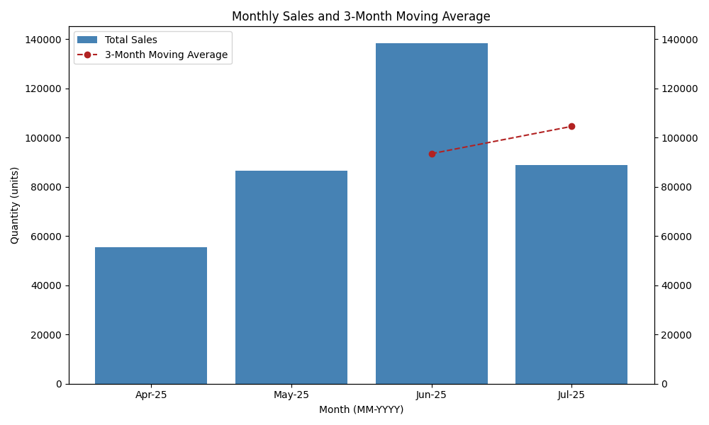
Month | Total Sales | 3-Month Moving Average | Demand Trend Interpretation
Apr-25 | 55,581 | 0 | Baseline month (no trend computed)
May-25 | 86,578 | 0 | Increasing demand observed
Jun-25 | 138,214 | 93,457 | Strong upward trend indicating peak demand
Jul-25 | 88,779 | 104,524 | Slight decline, but demand remains high

Item Code | Apr | May | Jun | Jul | Trend Classification
SSF (A) | 4 | 4 | 3 | 3 | Stable
SSF (D) | 3 | 2 | 2 | 1 | Declining
SSF (B) | 3 | 4 | 3 | 4 | Stable
Teak Sawn Timber | 10 | 12 | 15 | 15.31 | Rising
DCF (D) | 6 | 8 | 7 | 7 | Stable
CTF (C) | 3 | 3 | 3 | 3 | Stable
SSF (C) | 0 | 4 | 0 | 1 | Intermittent/Erratic
Chair Frame (A) | 5 | 5 | 4 | 4 | Stable
BSF (D) | 2 | 2 | 1 | 2 | Stable
BSF (F) | 0 | 4 | 1 | 1 | Volatile
DCF (A) | 2 | 3 | 3 | 4 | Stable
CTSF (A) | 2 | 2 | 3 | 2 | Stable
BSF (A) | 1 | 1 | 0 | 0 | Intermittent/Erratic
DCF (C) | 5 | 3 | 4 | 4 | Stable
SSF (E) | 0 | 0 | 1 | 1 | Intermittent/Erratic
CTF (B) | 2 | 2 | 1 | 1 | Declining
BSF (C) | 0 | 4 | 0 | 0 | Intermittent/Erratic
CTF (A) | 1 | 1 | 1 | 1 | Stable
Chair Frame (B) | 2 | 3 | 3 | 2 | Stable
DCF (B) | 1 | 1 | 1 | 1 | Stable
BSF (B) | 0 | 4 | 0 | 0 | Intermittent/Erratic

FINAL INSIGHTS

Item Code | ABC Class | Demand Trend | Interpretation | Recommended Action
SSF (A) | A | Stable | High-value item with consistent demand | Maintain optimal stock levels; monitor weekly
SSF (D) | A | Stable | Strong performer with steady demand | Maintain safety stock; ensure supplier reliability
SSF (B) | A | Stable | Consistent demand but slightly volatile | Regular review; avoid overstocking
Teak Sawn Timber | A | Rising | High-value & rising demand | Increase procurement; prioritize availability
DCF (D) | A | Rising | Growing demand and high contribution | Increase reorder frequency; avoid stock-outs
CTF (C) | A | Rising | Stable upward trend | Plan capacity increase
SSF (C) | A | Stable | Reliable performer | Maintain current stock policy
Chair Frame (A) | A | Rising | Growing demand item | Maintain buffer stock
BSF (D) | A | Stable | Steady consumption | Maintain reorder point
BSF (F) | A | Stable | Predictable sales | Standard replenishment cycle
DCF (A) | A | Stable | Moderate but steady | Monitor periodically
CTSF (A) | B | Declining | Demand decreasing | Reduce reorder quantity
BSF (A) | B | Stable | Moderate importance | Controlled stocking
DCF (C) | B | Stable | Average movement | Low-priority monitoring
SSF (E) | B | Stable | Low volume, consistent | Keep minimal safety stock
CTF (B) | B | Stable | Stable but low movement | Avoid overstock
BSF (C) | C | Stable | Low importance item | Order only on demand
CTF (A) | C | Stable | Low contribution | Minimize holding cost
Chair Frame (B) | C | Stable | Low turnover | Avoid bulk purchasing
DCF (B) | C | Stable | Least moving item | Consider discontinuation
BSF (B) | C | Stable | Very low contribution | Phase-out candidate

ABC Classification with Cumulative Contribution
Item Code | Total Profit | Sales Frequency | Total Quantity Sold (4 Months) | Average Monthly Demand | DSI | Normalised Profit | Normalised Sales Frequency | Normalised Stability (Inverted) | ABC Score | Cumulative % | ABC Class
SSF (A) | 7350.00 | 6.00 | 14.00 | 3.50 | 0.14 | 0.82 | 1.00 | 1.00 | 0.93 | 0.08 | A
SSF (B) | 6916.00 | 6.00 | 14.00 | 3.50 | 0.49 | 0.77 | 1.00 | 0.99 | 0.91 | 0.17 | A
Teak Sawn Timber | 7846.50 | 5.00 | 52.31 | 13.08 | 0.19 | 0.87 | 0.80 | 1.00 | 0.89 | 0.25 | A
SSF (D) | 8960.00 | 4.00 | 8.00 | 2.00 | 0.22 | 1.00 | 0.60 | 1.00 | 0.88 | 0.33 | A
DCF (D) | 2324.00 | 6.00 | 28.00 | 7.00 | 0.12 | 0.25 | 1.00 | 1.00 | 0.70 | 0.39 | A
BSF (D) | 1680.00 | 5.00 | 7.00 | 1.75 | 0.95 | 0.17 | 0.80 | 0.98 | 0.60 | 0.44 | A
SSF (C) | 4050.00 | 3.00 | 5.00 | 1.25 | 3.46 | 0.44 | 0.40 | 0.94 | 0.58 | 0.50 | A
CTF (C) | 1140.00 | 5.00 | 12.00 | 3.00 | 1.66 | 0.11 | 0.80 | 0.97 | 0.58 | 0.55 | A
Chair Frame (A) | 2700.00 | 3.00 | 18.00 | 4.50 | 0.27 | 0.29 | 0.40 | 1.00 | 0.53 | 0.60 | A
BSF (C) | 3860.00 | 2.00 | 4.00 | 1.00 | 3.50 | 0.42 | 0.20 | 0.94 | 0.51 | 0.64 | A
BSF (F) | 1360.00 | 3.00 | 3.00 | 0.75 | 2.11 | 0.14 | 0.40 | 0.96 | 0.46 | 0.68 | A
DCF (A) | 1200.00 | 3.00 | 12.00 | 3.00 | 0.83 | 0.12 | 0.40 | 0.99 | 0.46 | 0.73 | B
CTSF (A) | 886.00 | 3.00 | 9.00 | 2.25 | 1.47 | 0.08 | 0.40 | 0.98 | 0.45 | 0.77 | B
DCF (C) | 855.00 | 3.00 | 16.00 | 4.00 | 1.22 | 0.08 | 0.40 | 0.98 | 0.45 | 0.81 | B
BSF (A) | 1116.00 | 2.00 | 2.00 | 0.50 | 3.46 | 0.11 | 0.20 | 0.94 | 0.39 | 0.84 | B
Chair Frame (B) | 740.00 | 2.00 | 10.00 | 2.50 | 0.49 | 0.07 | 0.20 | 0.99 | 0.38 | 0.88 | B
CTF (B) | 810.00 | 2.00 | 6.00 | 1.50 | 1.37 | 0.07 | 0.20 | 0.98 | 0.38 | 0.91 | C
CTF (A) | 188.00 | 2.00 | 4.00 | 1.00 | 1.30 | 0.00 | 0.20 | 0.98 | 0.36 | 0.94 | C
SSF (E) | 528.00 | 2.00 | 2.00 | 0.50 | 10.00 | 0.04 | 0.20 | 0.82 | 0.32 | 0.97 | C
DCF (B) | 320.00 | 1.00 | 4.00 | 1.00 | 0.50 | 0.02 | 0.00 | 0.99 | 0.31 | 1.00 | C
BSF (B) | 150.00 | 1.00 | 1.00 | 0.25 | 55.24 | 0.00 | 0.00 | 0.00 | 0.00 | 1.00 | C

Item Code | Apr | May | Jun | Jul | SMA₁ | SMA₂ | CV | Zero Months | Final Trend Label
SSF (A) | 4 | 4 | 3 | 3 | 3.67 | 3.33 | 0.15 | 0 | Stable | 3.6666666667 | 3.3333333333 | 0.14285714286
SSF (D) | 3 | 2 | 2 | 1 | 2.33 | 1.67 | 0.37 | 0 | Declining | 2.3333333333 | 1.6666666667 | 0.35355339059
SSF (B) | 3 | 4 | 3 | 4 | 3.33 | 3.67 | 0.15 | 0 | Stable | 3.3333333333 | 3.6666666667 | 0.14285714286
Teak Sawn Timber | 10 | 12 | 15 | 15.31 | 12.33 | 14.1 | 0.16 | 0 | Rising | 12.333333333 | 14.103333333 | 0.16801952218
DCF (D) | 6 | 8 | 7 | 7 | 7 | 7.33 | 0.11 | 0 | Stable | 7 | 7.3333333333 | 0.10101525446
CTF (C) | 3 | 3 | 3 | 3 | 3 | 3 | 0 | 0 | Stable | 3 | 3 | 0
SSF (C) | 0 | 4 | 0 | 1 | 1.33 | 1.67 | 1.73 | 2 | Unpredictable | 1.3333333333 | 1.6666666667 | 1.3114877049
Chair Frame (A) | 5 | 5 | 4 | 4 | 4.67 | 4.33 | 0.12 | 0 | Stable | 4.6666666667 | 4.3333333333 | 0.11111111111
BSF (D) | 2 | 2 | 1 | 2 | 1.67 | 1.67 | 0.25 | 0 | Stable | 1.6666666667 | 1.6666666667 | 0.24743582965
BSF (F) | 0 | 4 | 1 | 1 | 1.67 | 2 | 1 | 1 | Unpredictable | 1.6666666667 | 2 | 1
DCF (A) | 2 | 3 | 3 | 4 | 2.67 | 3.33 | 0.28 | 0 | Rising | 2.6666666667 | 3.3333333333 | 0.2357022604
CTSF (A) | 2 | 2 | 3 | 2 | 2.33 | 2.33 | 0.19 | 0 | Stable | 2.3333333333 | 2.3333333333 | 0.19245008973
BSF (A) | 1 | 1 | 0 | 0 | 0.67 | 0.33 | 1 | 2 | Unpredictable | 0.66666666667 | 0.33333333333 | 1
DCF (C) | 5 | 3 | 4 | 4 | 4 | 3.67 | 0.2 | 0 | Stable | 4 | 3.6666666667 | 0.1767766953
SSF (E) | 0 | 0 | 1 | 1 | 0.33 | 0.67 | 1.41 | 2 | Unpredictable | 0.33333333333 | 0.66666666667 | 1
CTF (B) | 2 | 2 | 1 | 1 | 1.67 | 1.33 | 0.35 | 0 | Declining | 1.6666666667 | 1.3333333333 | 0.33333333333
BSF (C) | 0 | 4 | 0 | 0 | 1.33 | 1.33 | 1.73 | 2 | Unpredictable | 1.3333333333 | 1.3333333333 | 1.7320508076
CTF (A) | 1 | 1 | 1 | 1 | 1 | 1 | 0 | 0 | Stable | 1 | 1 | 0
Chair Frame (B) | 2 | 3 | 3 | 2 | 2.67 | 2.67 | 0.2 | 0 | Stable | 2.6666666667 | 2.6666666667 | 0.2
DCF (B) | 1 | 1 | 1 | 1 | 1 | 1 | 0 | 0 | Stable | 1 | 1 | 0
BSF (B) | 0 | 4 | 0 | 0 | 1.33 | 1.33 | 1.73 | 2 | Unpredictable | 1.3333333333 | 1.3333333333 | 1.7320508076

Retail Summary
Row Labels | Sum of Net Profit
Bed - A | 2584
Bed - C | 2960
Bed - F | 1930
Chair ( 4 Set ) - A | 1350
Sofa - E | 2086
Sofa - B and Centre_Table - A | 2927
Sofa - C and Centre_Table - C | 2882
Center_Table - C and Chair - B | 3308
Center_Table - C and Chair - A | 2082
Sofa - A and Centre_Table - B | 4225
Chair (6 Set) - DA | 2505
Chair ( 6 set ) - DC | 2255
Grand Total | 31094

Profit after Raw Material Cost (As Raw Material Profit is already calcuated in Raw summary) |  |  | 31094
Total Raw Material Profit |  |  | 54979.5
 |  | Grand Total Profit of 4 months | 86073.5

Monthly Sales Trend

Row Labels | Sum of Profit (₹)
Apr | 6495
May | 6525
Jun | 7610
Jul | 14380
Grand Total | 35010

