Raw Summary
 | A.R. FURNITURES – SUMMARY DASHBOARD (May–Aug 2024)

Total Sales (₹) | 369152 |  | Item Code | Item Description | Purchase Rate | Sales Rate | Profit | Profit Margin %
Total Purchase (₹) | 328929.5 |  | BSF (A) | Bed Side Frame (A) | 2480 | 2923 | 443 | 17.86
Total Profit (₹) | 54979.5 |  | BSF (B) | Bed Side Frame (B) | 1275 | 1425 | 150 | 11.76
 |  |  | BSF (C) | Bed Side Frame (C) | 3560 | 4525 | 965 | 27.11
Highest Selling Product | Sofa Side Frame (B) |  | BSF (D) | Bed Side Frame (D) | 1410 | 1650 | 240 | 17.02
 |  |  | BSF (F) | Bed Side Frame (F) | 2720 | 3120 | 400 | 14.71
Number of Sales Transactions | 69 |  | Chair Frame (A) | Chair Frame (A) | 800 | 950 | 150 | 18.75
Number of Purchase Transactions | 38 |  | Chair Frame (B) | Chair Frame (B) | 651 | 725 | 74 | 11.37
 |  |  | CTF (A) | Centre Table Frame (A) | 703 | 750 | 47 | 6.69
 |  |  | CTF (B) | Centre Table Frame (B) | 880 | 1015 | 135 | 15.34
 |  |  | CTF (C) | Centre Table Frame (C) | 757 | 850 | 93 | 12.29
 |  |  | CTSF (A) | Centre Table Side Frame (A) | 890 | 985 | 95 | 10.67
 |  |  | DCF (A) | Dining Chair Frame (A) | 605 | 700 | 95 | 15.70
 |  |  | DCF (B) | Dining Chair Frame (B) | 580 | 660 | 80 | 13.79
 |  |  | DCF (C) | Dining Chair Frame (C) | 625 | 710 | 85 | 13.60
 |  |  | DCF (D) | Dining Chair Frame (D) | 540 | 623 | 83 | 15.37
 |  |  | SSF (A) | Sofa Side Frame (A) | 3075 | 3600 | 525 | 17.07
 |  |  | SSF (B) | Sofa Side Frame (B) | 2731 | 3225 | 494 | 18.09
 |  |  | SSF (C) | Sofa Side Frame (C) | 3730 | 4540 | 810 | 21.72
 |  |  | SSF (D) | Sofa Side Frame (D) | 4330 | 5450 | 1120 | 25.87
 |  |  | SSF (E) | Sofa Side Frame (E) | 2686 | 2950 | 264 | 9.83
 |  |  | Teak Sawn Timber | Teak Sawn Timber Different Cut Size | 1050 | 1200 | 150 | 14.29
 |  |  | Total |  | 36078 | 42576

Revenue Share by Customer Type (May–Aug 2024
Revenue Share by Customer Type (May–Aug 2024)

 | Row Labels | Sum of Total Sales
 | Carpenter | 278590
 | Not Available | 39670
 | Retail | 50892
 | Grand Total | 369152

Sales Total

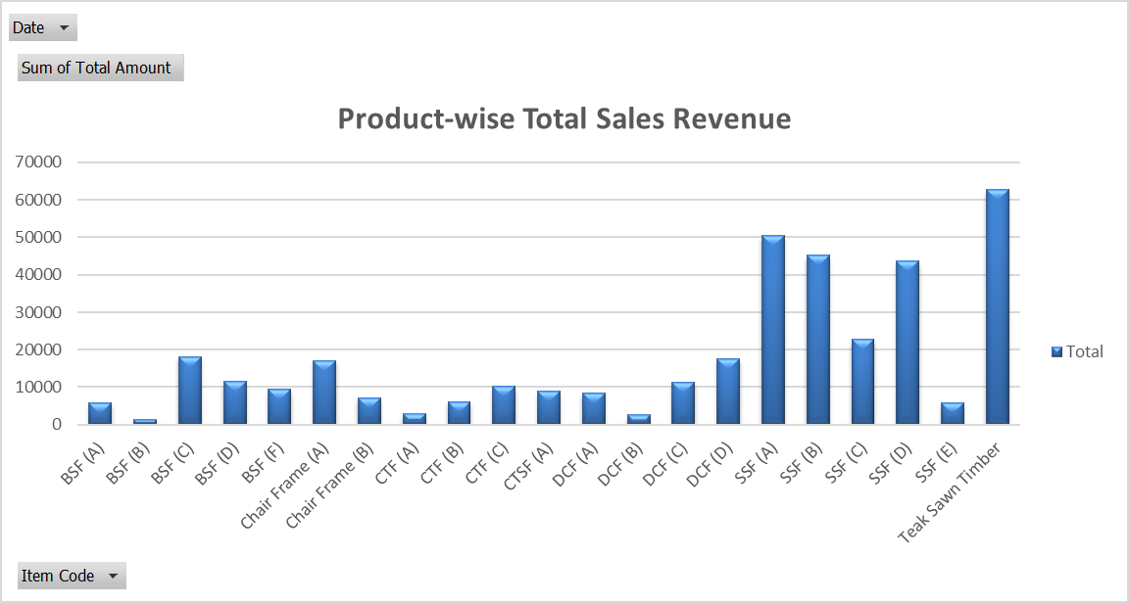
Sum of Qty | Column Labels
Row Labels | Apr-2025 | Jul-2025 | Jun-2025 | May-2025 | Grand Total
BSF (A) | 1 |  | 1 |  | 2
BSF (B) | 1 |  |  |  | 1
BSF (C) |  | 4 |  |  | 4
BSF (D) |  |  | 6 | 1 | 7
BSF (F) |  | 1 | 2 |  | 3
Chair Frame (A) |  | 6 | 12 |  | 18
Chair Frame (B) |  |  |  | 10 | 10
CTF (A) |  |  | 1 | 3 | 4
CTF (B) |  | 2 | 4 |  | 6
CTF (C) | 2 | 1 | 5 | 4 | 12
CTSF (A) | 6 | 3 |  |  | 9
DCF (A) | 4 |  |  | 8 | 12
DCF (B) | 4 |  |  |  | 4
DCF (C) | 4 | 12 |  |  | 16
DCF (D) | 6 | 8 |  | 14 | 28
SSF (A) |  | 5 | 4 | 5 | 14
SSF (B) | 1 |  | 9 | 4 | 14
SSF (C) | 2 | 3 |  |  | 5
SSF (D) | 3 | 2 | 3 |  | 8
SSF (E) | 1 |  |  | 1 | 2
Teak Sawn Timber |  |  | 32.43 | 19.88 | 52.31
Grand Total | 35 | 47 | 79.43 | 69.88 | 231.31

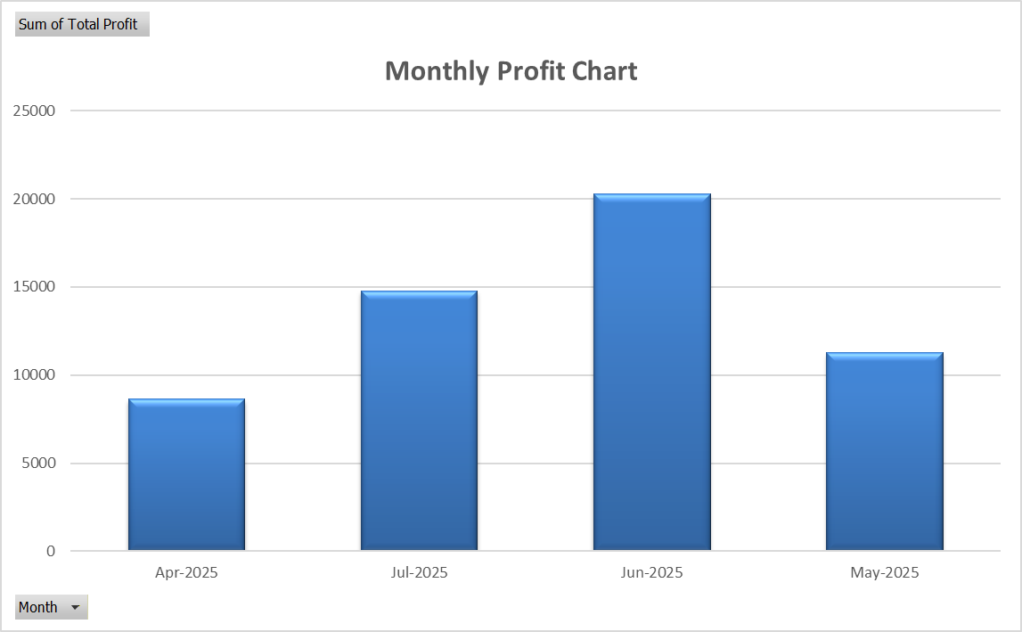

Purchase Total

Date | (All)

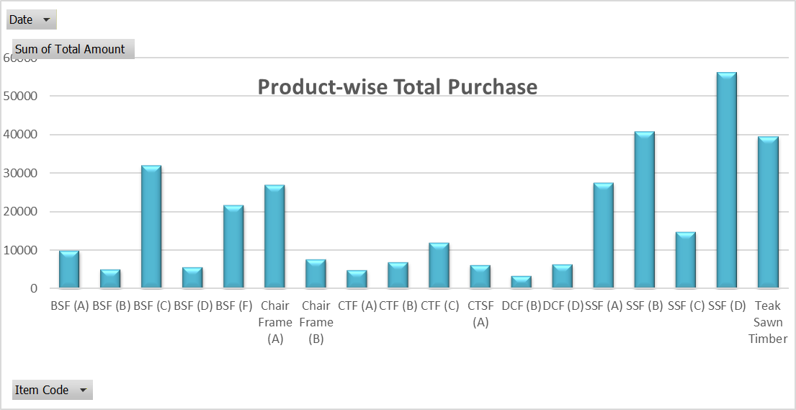
Row Labels | Sum of Total Amount | Sum of Qty
BSF (A) | 9920 | 4
BSF (B) | 5100 | 4
BSF (C) | 32040 | 9
BSF (D) | 5640 | 4
BSF (F) | 21760 | 8
Chair Frame (A) | 27012 | 36
Chair Frame (B) | 7812 | 12
CTF (A) | 4921 | 7
CTF (B) | 7040 | 8
CTF (C) | 12112 | 16
CTSF (A) | 6230 | 7
DCF (B) | 3480 | 6
DCF (D) | 6480 | 12
SSF (A) | 27675 | 9
SSF (B) | 40965 | 15
SSF (C) | 14920 | 4
SSF (D) | 56290 | 13
Teak Sawn Timber | 39532.5 | 37.65
Grand Total | 328929.5 | 211.65

ABC Classification ( Profit-Based ) - OLD

Traditional ABC Classification
Item Code | Item Description | Purchase Rate | Sales Rate | Profit | Qty Sold | Total Profit | Profit Contribution | Cumulative % | ABC Category
SSF (D) | Sofa Side Frame (D) | 4330 | 5450 | 1120 | 8 | 8960 | 0.163 | 0.163 | A
Teak Sawn Timber | Teak Sawn Timber Different Cut Size | 1050 | 1200 | 150 | 52.31 | 7846.5 | 0.143 | 0.306 | A
SSF (A) | Sofa Side Frame (A) | 3075 | 3600 | 525 | 14 | 7350 | 0.134 | 0.439 | A
SSF (B) | Sofa Side Frame (B) | 2731 | 3225 | 494 | 14 | 6916 | 0.126 | 0.565 | A
SSF (C) | Sofa Side Frame (C) | 3730 | 4540 | 810 | 5 | 4050 | 0.074 | 0.639 | A
BSF (C) | Bed Side Frame (C) | 3560 | 4525 | 965 | 4 | 3860 | 0.070 | 0.709 | A
Chair Frame (A) | Chair Frame (A) | 800 | 950 | 150 | 18 | 2700 | 0.049 | 0.758 | A
DCF (D) | Dining Chair Frame (D) | 540 | 623 | 83 | 28 | 2324 | 0.042 | 0.800 | B
BSF (D) | Bed Side Frame (D) | 1410 | 1650 | 240 | 7 | 1680 | 0.031 | 0.831 | B
BSF (F) | Bed Side Frame (F) | 2720 | 3120 | 400 | 3 | 1360 | 0.025 | 0.856 | B
DCF (A) | Dining Chair Frame (A) | 605 | 700 | 95 | 12 | 1200 | 0.022 | 0.878 | B
CTF (C) | Centre Table Frame (C) | 757 | 850 | 93 | 12 | 1140 | 0.021 | 0.898 | B
BSF (A) | Bed Side Frame (A) | 2480 | 2923 | 443 | 2 | 1116 | 0.020 | 0.919 | C
CTSF (A) | Centre Table Side Frame (A) | 890 | 985 | 95 | 9 | 886 | 0.016 | 0.935 | C
DCF (C) | Dining Chair Frame (C) | 625 | 710 | 85 | 10 | 855 | 0.016 | 0.950 | C
CTF (B) | Centre Table Frame (B) | 880 | 1015 | 135 | 6 | 810 | 0.015 | 0.965 | C
Chair Frame (B) | Chair Frame (B) | 651 | 725 | 74 | 10 | 740 | 0.013 | 0.978 | C
SSF (E) | Sofa Side Frame (E) | 2686 | 2950 | 264 | 2 | 528 | 0.010 | 0.988 | C
DCF (B) | Dining Chair Frame (B) | 580 | 660 | 80 | 4 | 320 | 0.006 | 0.994 | C
CTF (A) | Centre Table Frame (A) | 703 | 750 | 47 | 4 | 188 | 0.003 | 0.997 | C
BSF (B) | Bed Side Frame (B) | 1275 | 1425 | 150 | 1 | 150 | 0.003 | 1.000 | C

1 | 0 | 1 | 0
1 | 0 | 0 | 0
0 | 4 | 0 | 0
0 | 0 | 6 | 1
0 | 1 | 2 | 0
0 | 6 | 12 | 0
0 | 0 | 0 | 10
0 | 0 | 1 | 3
0 | 2 | 4 | 0
2 | 1 | 5 | 4
6 | 3 | 0 | 0
4 | 0 | 0 | 8
4 | 0 | 0 | 0
4 | 12 | 0 | 0
6 | 8 | 0 | 14
0 | 5 | 4 | 5
1 | 0 | 9 | 4
2 | 3 | 0 | 0
3 | 2 | 3 | 0
1 | 0 | 0 | 1
0 | 0 | 32.43 | 19.88

Demand Trend Analysis

Month | Total Sales | 3-Month Moving Average | Demand Trend Interpretation
Apr-25 | 55,581 | 0 | Baseline month (no trend computed)
May-25 | 86,578 | 0 | Increasing demand observed
Jun-25 | 138,214 | 93,457 | Strong upward trend indicating peak demand
Jul-25 | 88,779 | 104,524 | Slight decline, but demand remains high

FINAL INSIGHTS

Item Code | ABC Class | Trend | Key Interpretation | Recommended Action
SSF (A) | A | Stable | Consistently high profit and volume | Maintain optimal stock; review weekly
SSF (B) | A | Stable | High profit, steady sales | Continue stocking with stable buffer
Teak Sawn Timber | A | Rising | High value, growing demand | Increase procurement; ensure supply continuity
SSF (D) | A | Declining | Still valuable but demand is tapering | Lower stock slightly; monitor next month trends
DCF (D) | A | Stable | Reliable performer with strong flow | Standard reorder cycle
BSF (D) | A | Stable | Steady sales with above-average DSI | Maintain current order frequency
SSF (C) | A | Unpredictable | High DSI, volatile demand | Limit stock; monitor sales closely
CTF (C) | A | Stable | Good performer with low margin | Retain current policy; consider price tweaks
Chair Frame (A) | A | Stable | Stable contributor for B2C | Maintain showroom visibility
BSF (C) | A | Unpredictable | Low frequency and unstable | Avoid overstock; restock only on demand
BSF (F) | A | Unpredictable | Volatile trend, low frequency | Reduce holding cost; trial alternate display
DCF (A) | B | Rising | Mid-tier SKU with growing demand | Consider limited promotion
CTSF (A) | B | Stable | Moderate sales and stability | Maintain lean stock
DCF (C) | B | Stable | Reliable with mid-level performance | Controlled restocking
BSF (A) | B | Unpredictable | Infrequent and unstable | Discontinue if no upcoming demand
Chair Frame (B) | B | Stable | Low sales but consistent | Minimal inventory; review after season
CTF (B) | C | Declining | Falling trend and low margin | Discontinue or clear stock
CTF (A) | C | Stable | Low importance | Stock if specifically requested
SSF (E) | C | Unpredictable | Very poor DSI and margin | Phase out
DCF (B) | C | Stable | No growth potential | Retire SKU or move to clearance
BSF (B) | C | Unpredictable | Lowest performer with erratic sales | Immediate discontinuation

 |  |  |  |  | Multi-Criterea ABC Classification ( Profit–Frequency–Stability ) - NEW

Multi-Criterea ABC Classification
Item Code | Total Profit | Sales Frequency | Total Quantity Sold (4 Months) | Average Monthly Demand | CV | Normalised Profit | Normalised Sales Frequency | Normalised Stability (Inverted) | ABC Score | Contribution | Cumulative % | ABC Class
SSF (A) | 7350.00 | 6.00 | 14.00 | 3.50 | 0.68 | 0.82 | 1.00 | 0.95 | 0.91 | 0.11 | 0.11 | A
SSF (D) | 8960.00 | 4.00 | 8.00 | 2.00 | 0.71 | 1.00 | 0.60 | 0.93 | 0.86 | 0.10 | 0.21 | A
SSF (B) | 6916.00 | 6.00 | 14.00 | 3.50 | 1.15 | 0.77 | 1.00 | 0.61 | 0.79 | 0.09 | 0.31 | A
Teak Sawn Timber | 7846.50 | 5.00 | 52.31 | 13.08 | 1.22 | 0.87 | 0.80 | 0.56 | 0.76 | 0.09 | 0.40 | A
DCF (D) | 2324.00 | 6.00 | 28.00 | 7.00 | 0.82 | 0.25 | 1.00 | 0.84 | 0.65 | 0.08 | 0.48 | A
CTF (C) | 1140.00 | 5.00 | 12.00 | 3.00 | 0.61 | 0.11 | 0.80 | 1.00 | 0.58 | 0.07 | 0.55 | A
SSF (C) | 4050.00 | 3.00 | 5.00 | 1.25 | 1.20 | 0.44 | 0.40 | 0.57 | 0.47 | 0.06 | 0.60 | A
Chair Frame (A) | 2700.00 | 3.00 | 18.00 | 4.50 | 1.28 | 0.29 | 0.40 | 0.52 | 0.39 | 0.05 | 0.65 | A
BSF (D) | 1680.00 | 5.00 | 7.00 | 1.75 | 1.64 | 0.17 | 0.80 | 0.26 | 0.39 | 0.05 | 0.70 | A
BSF (F) | 1360.00 | 3.00 | 3.00 | 0.75 | 1.28 | 0.14 | 0.40 | 0.52 | 0.33 | 0.04 | 0.73 | B
DCF (A) | 1200.00 | 3.00 | 12.00 | 3.00 | 1.28 | 0.12 | 0.40 | 0.52 | 0.32 | 0.04 | 0.77 | B
CTSF (A) | 886.00 | 3.00 | 9.00 | 2.25 | 1.28 | 0.08 | 0.40 | 0.52 | 0.31 | 0.04 | 0.81 | B
BSF (A) | 1116.00 | 2.00 | 2.00 | 0.50 | 1.15 | 0.11 | 0.20 | 0.61 | 0.29 | 0.03 | 0.84 | B
DCF (C) | 855.00 | 3.00 | 16.00 | 4.00 | 1.41 | 0.08 | 0.40 | 0.42 | 0.28 | 0.03 | 0.88 | B
SSF (E) | 528.00 | 2.00 | 2.00 | 0.50 | 1.15 | 0.04 | 0.20 | 0.61 | 0.26 | 0.03 | 0.91 | C
CTF (B) | 810.00 | 2.00 | 6.00 | 1.50 | 1.28 | 0.07 | 0.20 | 0.52 | 0.25 | 0.03 | 0.94 | C
BSF (C) | 3860.00 | 2.00 | 4.00 | 1.00 | 2.00 | 0.42 | 0.20 | 0.00 | 0.23 | 0.03 | 0.97 | C
CTF (A) | 188.00 | 2.00 | 4.00 | 1.00 | 1.41 | 0.00 | 0.20 | 0.42 | 0.19 | 0.02 | 0.99 | C
Chair Frame (B) | 740.00 | 2.00 | 10.00 | 2.50 | 2.00 | 0.07 | 0.20 | 0.00 | 0.09 | 0.01 | 1.00 | C
DCF (B) | 320.00 | 1.00 | 4.00 | 1.00 | 2.00 | 0.02 | 0.00 | 0.00 | 0.01 | 0.001 | 1.00 | C
BSF (B) | 150.00 | 1.00 | 1.00 | 0.25 | 2.00 | 0.00 | 0.00 | 0.00 | 0.00 | 0.000 | 1.00 | C

Profit Distribution by ABC Category
Item Code | Apr | May | Jun | Jul | SMA₁ | SMA₂ | CV | Zero Months | Final Trend Label | ABC Class |  | ABC Class | Number of SKUs | Raw Sales Profit (₹) | Profit Share (%)
BSF (A) | 1 | 0 | 1 | 0 | 0.66666666667 | 0.33333333333 | 1.1547005384 | 2 | Unpredictable | B |  | A | 9 | 42966.5 | 78.15%
BSF (B) | 1 | 0 | 0 | 0 | 0.33333333333 | 0 | 2 | 3 | Unpredictable | C |  | B | 5 | 5417 | 9.85%
BSF (C) | 0 | 0 | 0 | 4 | 0 | 1.3333333333 | 2 | 3 | Unpredictable | C |  | C | 7 | 6596 | 12.00%
BSF (D) | 0 | 1 | 6 | 0 | 2.3333333333 | 2.3333333333 | 1.6413036133 | 2 | Unpredictable | A |  | Total | 21 | 54979.5 | 100%
BSF (F) | 0 | 0 | 2 | 1 | 0.66666666667 | 1 | 1.276569477 | 2 | Unpredictable | B
Chair Frame (A) | 0 | 0 | 12 | 6 | 4 | 6 | 1.276569477 | 2 | Unpredictable | A
Chair Frame (B) | 0 | 10 | 0 | 0 | 3.3333333333 | 3.3333333333 | 2 | 3 | Unpredictable | C
CTF (A) | 0 | 3 | 1 | 0 | 1.3333333333 | 1.3333333333 | 1.4142135624 | 2 | Unpredictable | C
CTF (B) | 0 | 0 | 4 | 2 | 1.3333333333 | 2 | 1.276569477 | 2 | Unpredictable | C
CTF (C) | 2 | 4 | 5 | 1 | 3.6666666667 | 3.3333333333 | 0.60858061945 | 2 | Stable | A
CTSF (A) | 6 | 0 | 0 | 3 | 2 | 1 | 1.276569477 | 2 | Unpredictable | B
DCF (A) | 4 | 8 | 0 | 0 | 4 | 2.6666666667 | 1.276569477 | 2 | Unpredictable | B
DCF (B) | 4 | 0 | 0 | 0 | 1.3333333333 | 0 | 2 | 3 | Unpredictable | C
DCF (C) | 4 | 0 | 0 | 12 | 1.3333333333 | 4 | 1.4142135624 | 2 | Unpredictable | B
DCF (D) | 6 | 14 | 0 | 8 | 6.6666666667 | 7.3333333333 | 0.82478609884 | 1 | Rising | A
SSF (A) | 0 | 5 | 4 | 5 | 3 | 4.6666666667 | 0.68013604081 | 2 | Rising | A
SSF (B) | 1 | 4 | 9 | 0 | 3.5 | 4.3333333333 | 1.1547005384 | 1 | Rising | A
SSF (C) | 2 | 0 | 0 | 3 | 0.66666666667 | 1 | 1.2 | 2 | Unpredictable | A
SSF (D) | 3 | 0 | 3 | 2 | 2 | 1.6666666667 | 0.70710678119 | 1 | Declining | A
SSF (E) | 1 | 1 | 0 | 0 | 0.66666666667 | 0.33333333333 | 1.1547005384 | 2 | Unpredictable | C
Teak Sawn Timber | 0 | 19.88 | 32.43 | 0 | 17.436666667 | 17.436666667 | 1.2193546188 | 2 | Unpredictable | A

Item Code | Apr | May | Jun | Jul | Average Monthly Demand | Demand Std Dev | CV | Reorder Level | ABC category | Service Level (Z) | Safety Stock | Risk Category | Trend | Safety Stock Ratio
BSF (A) | 1 | 0 | 1 | 0 | 0.5 | 0.5774 | 1.1547005384 | 1.5 | B | 1.65 | 1 | Moderate | Unpredictable | 0.66666666667
BSF (B) | 1 | 0 | 0 | 0 | 0.25 | 0.5000 | 2 | 1.25 | C | 1.28 | 1 | High | Unpredictable | 0.8
BSF (C) | 0 | 0 | 0 | 4 | 1 | 2.0000 | 2 | 4 | C | 1.28 | 3 | High | Unpredictable | 0.75
BSF (D) | 0 | 1 | 6 | 0 | 1.75 | 2.8723 | 1.6413036133 | 7.75 | A | 1.88 | 6 | High | Unpredictable | 0.77419354839
BSF (F) | 0 | 0 | 2 | 1 | 0.75 | 0.9574 | 1.276569477 | 2.75 | B | 1.65 | 2 | High | Unpredictable | 0.72727272727
Chair Frame (A) | 0 | 0 | 12 | 6 | 4.5 | 5.7446 | 1.276569477 | 15.5 | A | 1.88 | 11 | High | Unpredictable | 0.70967741935
Chair Frame (B) | 0 | 10 | 0 | 0 | 2.5 | 5.0000 | 2 | 9.5 | C | 1.28 | 7 | High | Unpredictable | 0.73684210526
CTF (A) | 0 | 3 | 1 | 0 | 1 | 1.4142 | 1.4142135624 | 3 | C | 1.28 | 2 | High | Unpredictable | 0.66666666667
CTF (B) | 0 | 0 | 4 | 2 | 1.5 | 1.9149 | 1.276569477 | 4.5 | C | 1.28 | 3 | High | Unpredictable | 0.66666666667
CTF (C) | 2 | 4 | 5 | 1 | 3 | 1.8257 | 0.60858061945 | 7 | A | 1.88 | 4 | Low | Stable | 0.57142857143
CTSF (A) | 6 | 0 | 0 | 3 | 2.25 | 2.8723 | 1.276569477 | 7.25 | B | 1.65 | 5 | High | Unpredictable | 0.68965517241
DCF (A) | 4 | 8 | 0 | 0 | 3 | 3.8297 | 1.276569477 | 10 | B | 1.65 | 7 | High | Unpredictable | 0.7
DCF (B) | 4 | 0 | 0 | 0 | 1 | 2.0000 | 2 | 4 | C | 1.28 | 3 | High | Unpredictable | 0.75
DCF (C) | 4 | 0 | 0 | 12 | 4 | 5.6569 | 1.4142135624 | 14 | B | 1.65 | 10 | High | Unpredictable | 0.71428571429
DCF (D) | 6 | 14 | 0 | 8 | 7 | 5.7735 | 0.82478609884 | 18 | A | 1.88 | 11 | Moderate | Rising | 0.61111111111
SSF (A) | 0 | 5 | 4 | 5 | 3.5 | 2.3805 | 0.68013604081 | 8.5 | A | 1.88 | 5 | Low | Rising | 0.58823529412
SSF (B) | 1 | 4 | 9 | 0 | 3.5 | 4.0415 | 1.1547005384 | 11.5 | A | 1.88 | 8 | Moderate | Rising | 0.69565217391
SSF (C) | 2 | 0 | 0 | 3 | 1.25 | 1.5000 | 1.2 | 4.25 | A | 1.88 | 3 | Moderate | Unpredictable | 0.70588235294
SSF (D) | 3 | 0 | 3 | 2 | 2 | 1.4142 | 0.70710678119 | 5 | A | 1.88 | 3 | Low | Declining | 0.6
SSF (E) | 1 | 1 | 0 | 0 | 0.5 | 0.5774 | 1.1547005384 | 1.5 | C | 1.28 | 1 | Moderate | Unpredictable | 0.66666666667
Teak Sawn Timber | 0 | 19.88 | 32.43 | 0 | 13.0775 | 15.9461 | 1.2193546188 | 43.0775 | A | 1.88 | 30 | Moderate | Unpredictable | 0.69641924439

Reorder Level Composition Across Selected SKUs
Chair Frame (A) | 4.5 | 11 | 15.5
DCF (D) | 7 | 11 | 18
SSF (A) | 3.5 | 5 | 8.5
Teak Sawn Timber | 13.0775 | 30 | 43.0775
BSF (C) | 1 | 3 | 4
CTF (C) | 3 | 4 | 7
DCF (C) | 4 | 10 | 14

 | SKU | ABC | CV | Trend | Risk | Safety Stock / Reorder Level | Strategic Action
 | Teak Sawn Timber | A | 1.22 | Unpredictable | Moderate | 0.7 | Continuous review; monitor variability closely; explore supplier lead-time reduction
 | DCF (D) | A | 0.82 | Rising | Moderate | 0.61 | Maintain high service level; increase forecast frequency; monitor growth sustainability
 | Chair Frame (A) | A | 1.28 | Unpredictable | High | 0.71 | Tight monitoring; consider demand smoothing; review safety stock quarterly
 | CTF (C) | A | 0.61 | Stable | Low | 0.57 | Lean replenishment; maintain service level; opportunity to gradually reduce buffer
 | SSF (D) | A | 0.71 | Declining | Low | 0.6 | Gradually reduce reorder level; prevent excess holding; review demand trend monthly
 | DCF (C) | B | 1.41 | Unpredictable | High | 0.71 | Periodic review system; avoid over-buffering; monitor intermittency
 | BSF (C) | C | 2 | Unpredictable | High | 0.75 | Lower service level acceptable; avoid capital lock-in; order cautiously

Retail Summary
Row Labels | Sum of Net Profit
Bed - A | 2584
Bed - C | 2960
Bed - F | 1930
Chair ( 4 Set ) - A | 1350
Sofa - E | 2086
Sofa - B and Centre_Table - A | 2927
Sofa - C and Centre_Table - C | 2882
Center_Table - C and Chair - B | 3308
Center_Table - C and Chair - A | 2082
Sofa - A and Centre_Table - B | 4225
Chair (6 Set) - DA | 2505
Chair ( 6 set ) - DC | 2255
Grand Total | 31094

Profit after Raw Material Cost (As Raw Material Profit is already calcuated in Raw summary) |  |  | 31094
Total Raw Material Profit |  |  | 54979.5
 |  | Grand Total Profit of 4 months | 86073.5

Monthly Sales Trend

Row Labels | Sum of Profit (₹)
Apr | 6495
May | 6525
Jun | 7610
Jul | 14380
Grand Total | 35010

