Sheet1
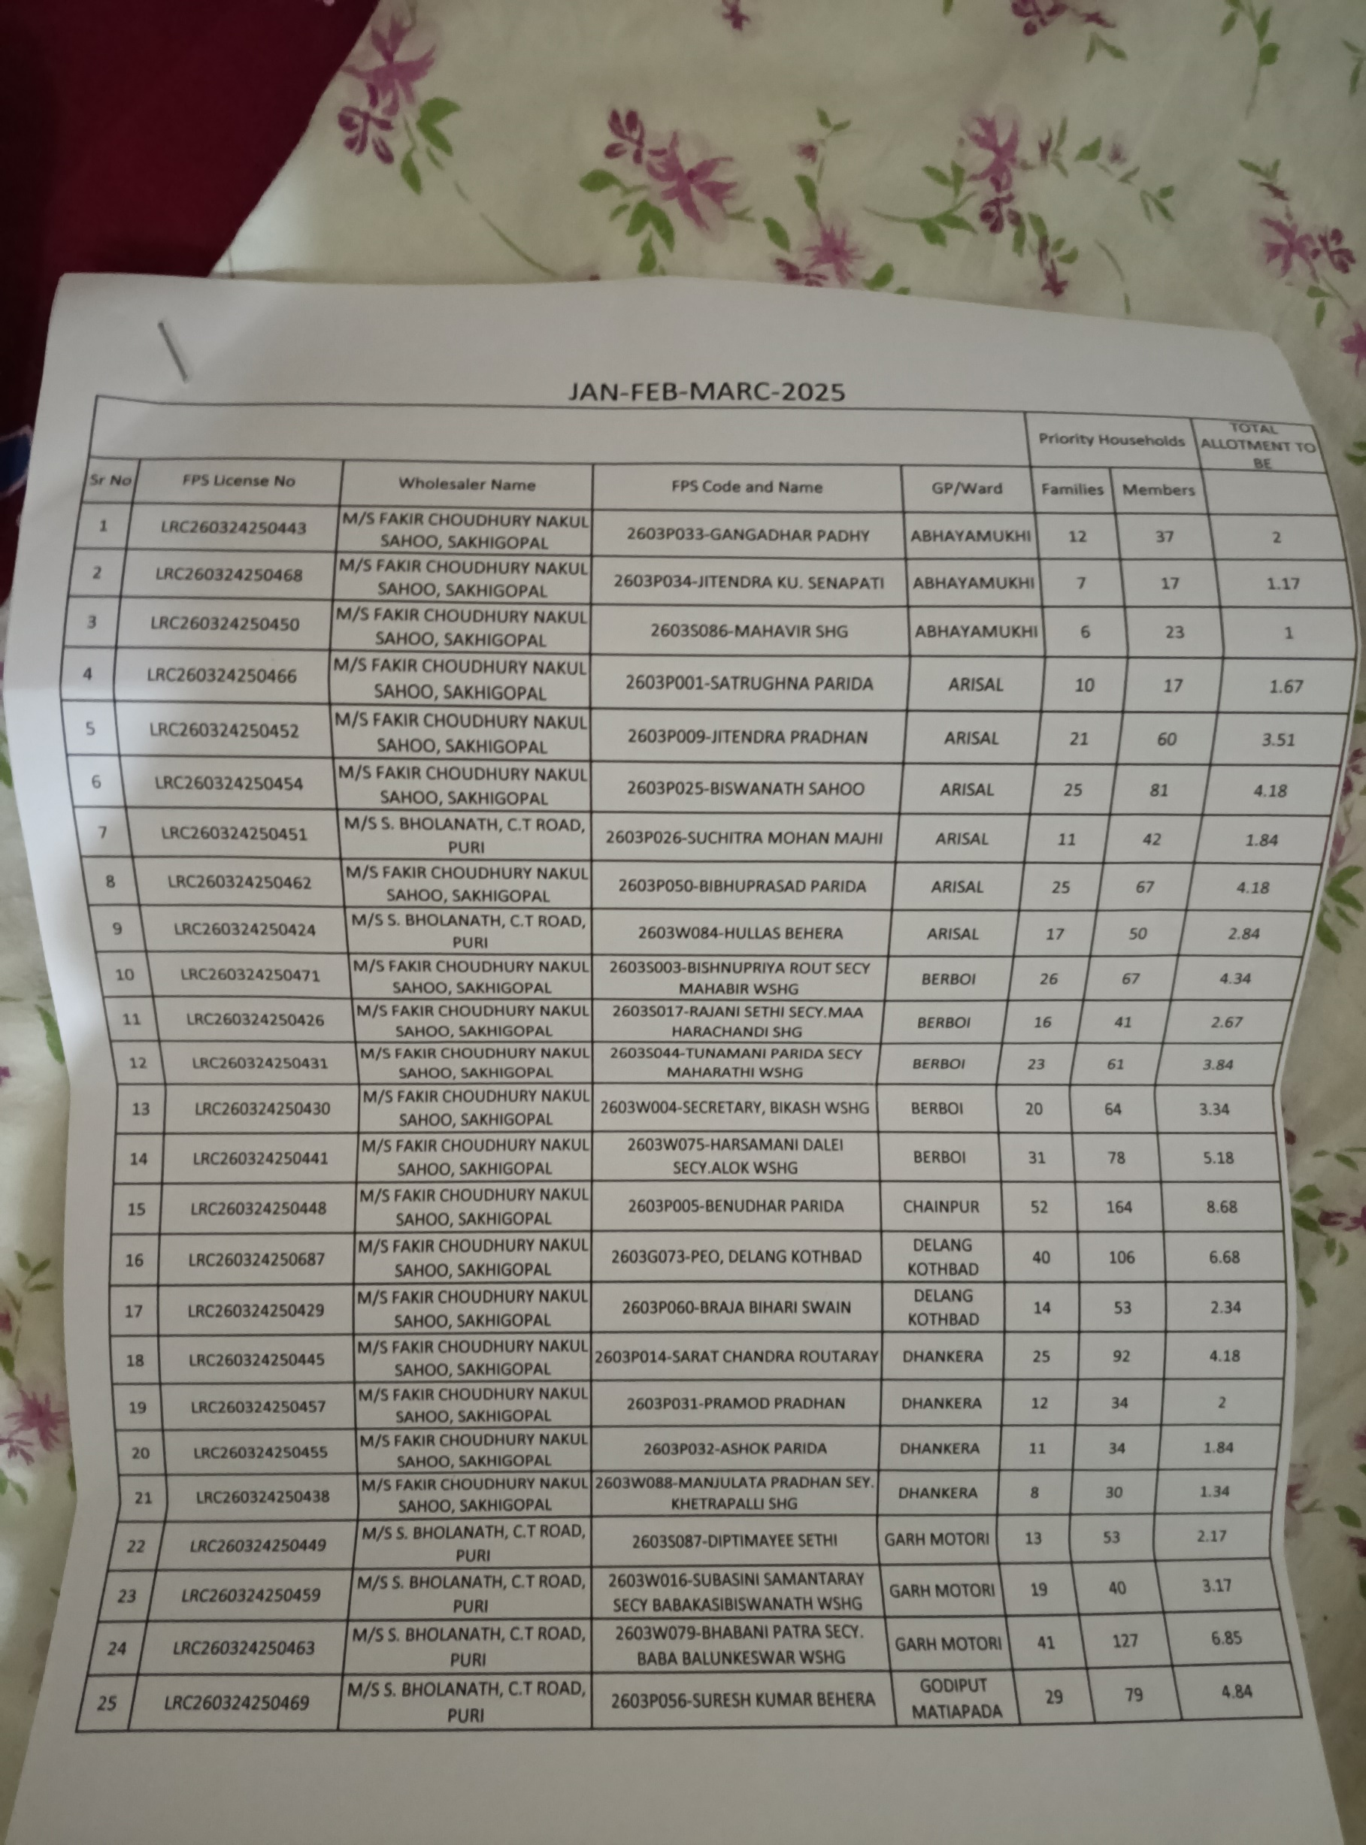

sl no | name | f | s | t | sb | fcn
1 | gangadhar | 2 | 81.66 | 83.66
2 | jitendra | 1.17 | 88.01 | 89.18
3 | mahavir | 1 | 61.96 | 62.96
4 | satrughna | 1.67 | 49.43 | 51.1
5 | jitendra p | 3.51 | 66.13 | 69.64
6 | biswanath | 4.18 | 97.03 | 101.21
7 | suchitra | 1.84 | 106.05 | 107.89
8 | bibhuprasad | 4.18 | 78.66 | 82.84
9 | hullas | 2.84 | 76.65 | 79.49
10 | bishnupriya | 4.34 | 77.32 | 81.66
11 | rajani | 2.67 | 68.8 | 71.47
12 | tunamani | 3.84 | 72.48 | 76.32
13 | secretery | 3.34 | 75.15 | 78.49
14 | harsamani | 5.18 | 97.03 | 102.21
15 | benudhar | 8.68 | 235.97 | 244.65
16 | delnag | 6.68 | 179.02 | 185.7
17 | braja | 2.34 | 63.13 | 65.47
18 | sarat | 4.18 | 65.63 | 69.81
19 | pramod | 2 | 69.47 | 71.47
20 | ashok | 1.84 | 100.87 | 102.71
21 | manjulata | 1.34 | 61.96 | 63.3
22 | diptemayee | 2.17 | 47.43 | 49.6
23 | subasini | 3.17 | 84.17 | 87.34
24 | bhabani | 6.85 | 108.72 | 115.57
25 | suresh | 4.84 | 42.25 | 47.09
26 | chaitanya | 7.18 | 170.34 | 177.52
27 | sadashiv | 2.34 | 86.17 | 88.51
28 | sanjay | 3.67 | 44.42 | 48.09
29 | bidyasagar | 3.34 | 55.95 | 59.29
30 | rajakisore | 1.5 | 56.11 | 57.61
31 | bhagirathi | 2.17 | 54.44 | 56.61
32 | secretery | 0.84 | 39.25 | 40.09
33 | pradeep | 3.84 | 56.61 | 60.45
34 | prafuula | 1 | 61.79 | 62.79
35 | bishnupriya | 2.51 | 77.82 | 80.33
36 | kamini | 1 | 89.68 | 90.68
37 | chhotray | 3.01 | 72.65 | 75.66
38 | swopna | 4.84 | 126.75 | 131.59
39 | subasis | 5.01 | 124.08 | 129.09
40 | dhruva | 0.67 | 47.26 | 47.93
41 | syamsundar | 1.17 | 49.1 | 50.27
42 | snehalata | 8.35 | 169 | 177.35
43 | manorama | 8.52 | 193.05 | 201.57
44 | benudhar | 7.68 | 141.78 | 149.46
45 | kamar ali | 2.34 | 108.72 | 111.06
46 | khetramohan | 7.85 | 204.24 | 212.09
47 | rohita | 5.34 | 113.23 | 118.57
48 | upendra | 5.18 | 88.18 | 93.36
49 | purna | 4.68 | 92.18 | 96.86
50 | akhaya | 5.51 | 128.09 | 133.6
51 | bijaya | 4.34 | 83.17 | 87.51
52 | budha | 4.84 | 55.28 | 60.12
53 | bhaskar | 5.34 | 74.15 | 79.49
 |  | 199.91 | 4818.47 | 5018.38

