Top 10 Causes of Death
Row Labels | Sum of Burial Day
0 | 29809
Consumption | 28270
Cholera | 20120
Premature Birth | 13881
Complication | 11910
Old age | 9426
Pneumonia | 9207
Top 10 Causes of Death
Dysentery | 8576
Cold | 6576
Teething | 6378
Grand Total | 144153

MM Dashboard
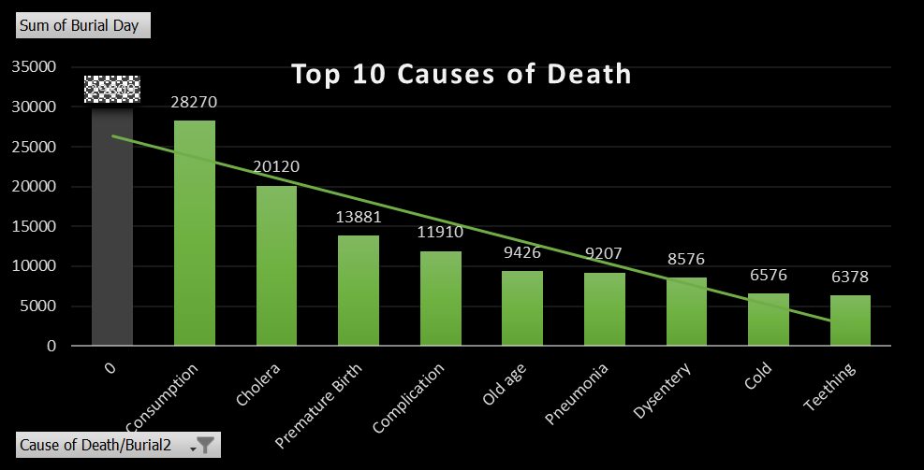
There is general agreement that Consumption, the common name for tuberculosis in its early days is top cause of Death throughout 1800s
linked to the appalling socioeconomic conditions (overcrowding, poor nutrition, lack of hygiene and sanitation, dearth of medical care)
hat prevailed during the early years of the unfolding industrial revolution. (A Century of Tuberculosis by John F. Murray)
 | ↓

