Stack
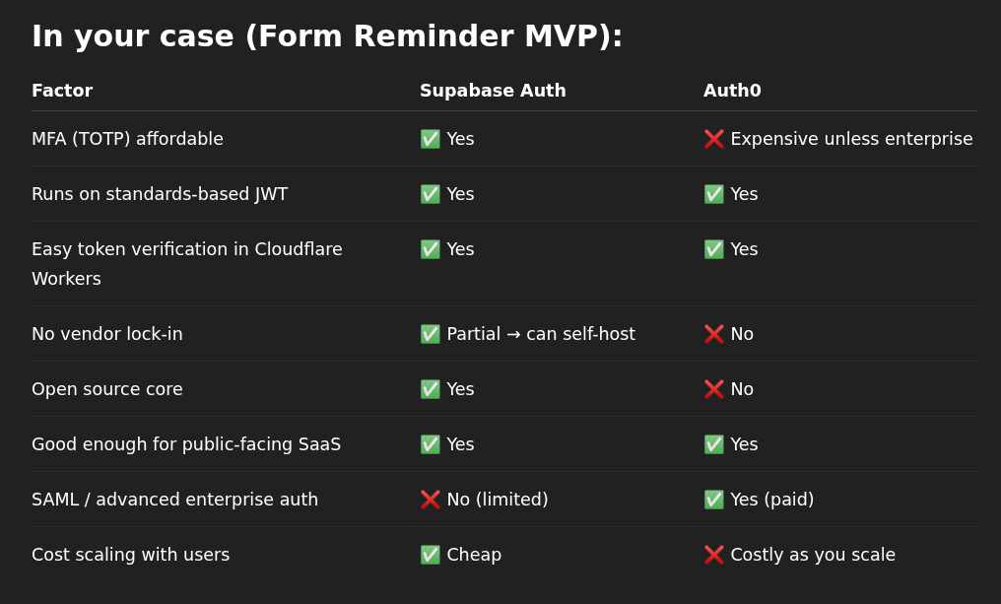
Proposed Full Stack for FormReminder (with Worker Management)
Back / Front | Layer | Technology | Provider | Notes | Notes 2 | Firebase
Frontend | Frontend | React app (static, bundled and deployed via Workers) | Cloudflare | SPA (no SSR needed here); deployed via Cloudflare Pages or Workers Sites; Supabase Auth handles login/token
Frontend | UI Components | ShadCN UI + Tailwind CSS | Open source | Accessible, headless, clean UI; consider building reusable components (Button, Modal, Alert) for consistency
Frontend | Frontend Build Tool | Vite (React + Tailwind) | Open source | Fast builds, good DX; ensure correct handling of .env for API keys (frontend-safe only)
Backend | Billing | LemonSqueezy (webhooks → Workers) | LemonSqueezy | Stripe used underneath; verify webhook signatures inside Workers before processing
Backend | Authentication | Supabase Auth (https://supabase.com/auth) | Supabase | Standards-based JWTs; MFA supported; add tenant_id claim or map user to organization in D1 | Auth Integration (Auth0) is more complicated: Auth0 (via OIDC, token validation in Workers) has built-in orgs and team support; Built-in orgs, roles, sessions. Auth & Multi-tenancy. Auth0 will redirect to your Cloudflare Worker endpoint with tokens You’ll validate JWTs using jose or lucia-auth in Workers (not Auth0 SDK, which is Node-only) Store plan/role metadata in the token or D1
Backend | Framework (Routing + Middleware) | Hono (in Workers) | Open source | Express-like for edge runtimes; use centralized error handling and CORS middleware
Backend | Backend Logic | Cloudflare Workers | Cloudflare | Edge-hosted API + Cron logic; core app engine; follow stateless patterns (no per-request memory)
Backend | Scheduled Jobs/Tasks | Cron-triggered Cloudflare Workers | Cloudflare | Background reminders and deadline-based jobs; ensure idempotent task logic (safe to retry)
Backend | Database | Cloudflare D1 (SQL-based, edge-integrated) | Cloudflare | Multi-tenant design (tenant_id); use prepared statements to avoid SQL injection; schema migrations via Wrangler |  | Firestore NoSQL
Backend | Email Sending | Emailit (API calls from Workers) | Emailit | Reliable transactional email; pre-warm templates with React Email for fast API calls | MailChannels (free) or Resend
Backend | Email Templates | React Email → precompiled to HTML | Open source | JSX-based styled reminders; test across email clients (Litmus or similar) to ensure rendering quality
Backend | Email Template Compiler | Vite + React Email | Open source | Precompile to static HTML before sending; ensure template versioning to avoid surprises
Backend | Form Integration | Google Sheets API (secure token handling needed) | Google | Use service account or OAuth2 with refresh token; store tokens securely in Workers Secrets
Backend | Deployment Tool | Wrangler CLI | Cloudflare | Clean multi-worker deployment; use separate environments (dev, staging, prod) via Wrangler.toml
Backend | Source Code Management | GitHub monorepo layout | GitHub | Organize frontend/backend cleanly in monorepo; CI/CD via GitHub Actions recommended | GitHub Actions: Build static site with Vite/React Compile React Email templates to static HTML Deploy to Cloudflare via wrangler publish
Backend | Language | TypeScript | Open source | Strong typing improves safety; add shared @types between frontend/backend if helpful
Backend | Access Control | Role-based logic (Supabase Auth metadata + LemonSqueezy webhook) | Supabase + LemonSqueezy | Using JWT claims / metadata + webhook data to manage roles; fallback role checks in D1 if needed
Backend | Session Storage Strategy | Stateless (JWTs passed in headers, not stored server-side) | — | JWTs passed in headers; short expiry + refresh token flow recommended (via Supabase client SDK)
Backend | Token Validation | OIDC-compliant JWT verification in Workers (using Supabase public keys) | Supabase | Use jwks-rsa or Hono JWT middleware; cache JWKs for performance
Backend | Secrets Storage | Workers Secrets (API keys, secrets, tokens: Supabase, Emailit, Google, Stripe) | Cloudflare | Do not expose in frontend; rotate secrets regularly if possible
Backend | Runtime Config Storage | Cloudflare Workers KV (form→sheet mappings, resend flags, etc.) | Cloudflare | Lightweight config/mappings store; eventual consistency → not for critical business logic

 | Optional since public site is based on Publii, not next.js
 | Frontend | Next.js

PB sample
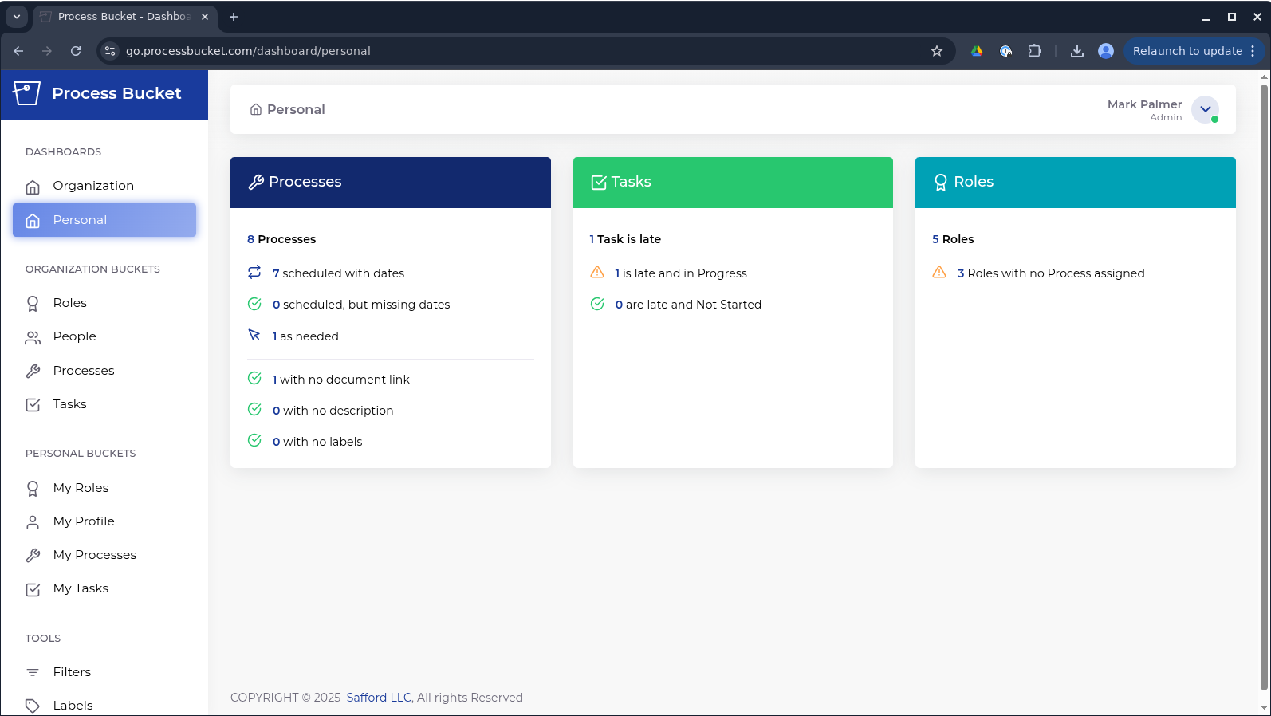
Wireframe template - web
 | 1 | 2 | 3 | 4 | 5 | 6 | 7 | 8 | 9 | 10 | 11 | 12
1
2
3
4
5
6
7
8
9
10
11
12
13
14
15
16
17
18
19
20
21
22
23
24

icons






