TASK_1!
Materials | Energy | 1
$291,555,004,000.00 | $1,366,043,920,000.00 | SUM
$44,062,000,000.00 | $420,836,000,000.00 | MAX
$2,155,551,000.00 | $1,746,278,000.00 | MIN
$41,906,449,000.00 | $419,089,722,000.00 | RANGE
$12,148,125,167 | $44,065,932,903 | MEAN
$9,689,480,710.56 | $87,598,693,146.17 | STD_DEV
$9,767,766,000.00 | $14,487,118,000.00 | MEDIAN

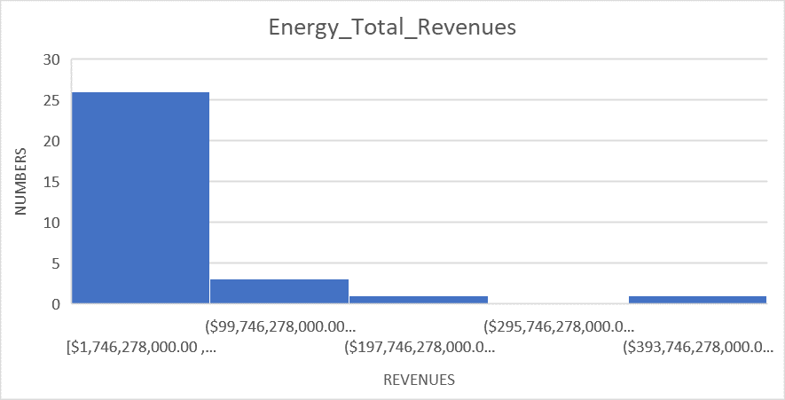
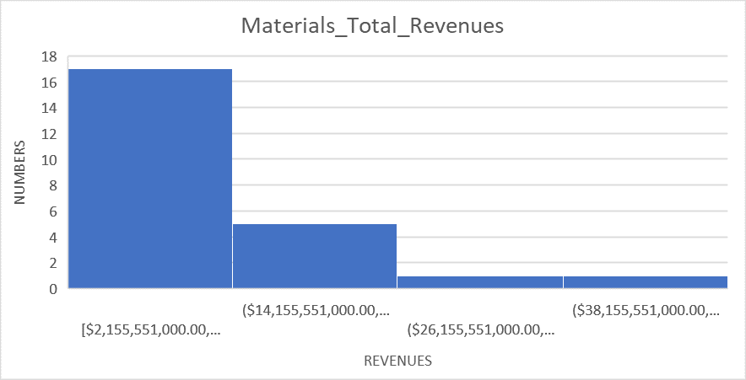

 |  |  | Materials | Energy | 1
 |  |  | $291,555,004,000.00 | $1,366,043,920,000.00 | SUM
 |  |  | $44,062,000,000.00 | $420,836,000,000.00 | MAX
 |  |  | $2,155,551,000.00 | $1,746,278,000.00 | MIN
 |  |  | $41,906,449,000.00 | $419,089,722,000.00 | RANGE
 |  |  | $12,148,125,167 | $44,065,932,903 | MEAN
 |  |  | $9,689,480,710.56 | $87,598,693,146.17 | STD_DEV
 |  |  | $9,767,766,000.00 | $14,487,118,000.00 | MEDIAN

