Overview
 Portfolio Project | Grammy.com Web Analytics

— Your Job
Are you excited to dive into data work for an exciting project at The Recording Academy? You know, the non-profit organization behind the Grammy Awards! In this project, you'll work on real data from both websites owned by The Recording Academy, the non-profit organization behind the famous Grammy Awards. As you just learned, Ray Starck, the VP of Digital Strategy, decided to split the websites into grammy.com and recordingacademy.com to better serve the Recording Academy's various audience needs. Now, you are tasked with examining the effect of splitting up the two websites, and analyzing the data for a better understanding of trends and audience behavior on both sites. Are you ready?!?! Let's do this!

— Your Skills
For this task, you'll engage the following skills: (1) Prepare the data by transforming it. (2) Calculate business KPIs (3) Make recommendations for the organization.

— Ready to Begin? Click the next tab below to explore the data dictionary!

Complete Your Analysis!
About Your Analysis
• All of your answers should be typed or pasted into the grey boxes. • Questions with grey answer boxes expect a specific answer. If you input the correct answer, the question number box will change from blue to green. • Questions with yellow answer boxes are free response questions. There will be no change in the question number boxes (in blue), regardless of answer. • For hints for each question, hover your mouse over the blue hint box to get helpful information!

Now, it's time to analyze!

Part 1: Explore the Data
 | To begin the data exploration you will be looking at the Grammys Data sheet. The data contained there includes all the data provided by The Recording Academy, the organization behind The Grammy Awards. |  | Note!

1a | Create a line chart of the number of daily visitors to the Grammy.com website. See if you can spot the days the Grammy Awards are hosted. Use the Grammys Data sheet for this graph. The horizontal axis should be the date field. |  | Hint!
Daily Visitors to Grammy.com
 | visitors
1/1/2017 | 9611
1/2/2017 | 10752
1/3/2017 | 11425
1/4/2017 | 13098
1/5/2017 | 12234
1/6/2017 | 11461
1/7/2017 | 11183
1/8/2017 | 16265
1/9/2017 | 17852
1/10/2017 | 14211
1/11/2017 | 13456
1/12/2017 | 13616
1/13/2017 | 11880
1/14/2017 | 11888
1/15/2017 | 12706
1/16/2017 | 12691
1/17/2017 | 13260
1/18/2017 | 14483
1/19/2017 | 13551
1/20/2017 | 13215
1/21/2017 | 12578
1/22/2017 | 16502
1/23/2017 | 14620
1/24/2017 | 17787
1/25/2017 | 15447
1/26/2017 | 15211
1/27/2017 | 14007
1/28/2017 | 12950
1/29/2017 | 16137
1/30/2017 | 18765
1/31/2017 | 35148
2/1/2017 | 28565
2/2/2017 | 27502
2/3/2017 | 22888
2/4/2017 | 25069
2/5/2017 | 30728
2/6/2017 | 34723
2/7/2017 | 47583
2/8/2017 | 52279
2/9/2017 | 73648
2/10/2017 | 91058
2/11/2017 | 133362
2/12/2017 | 1930245
2/13/2017 | 1057729
2/14/2017 | 213939
2/15/2017 | 105345
2/16/2017 | 72888
2/17/2017 | 62042
2/18/2017 | 56309
2/19/2017 | 45545
...

1b | What can you say about the visitors to the website by looking at the graph?

 | According to the graph above, the number of daily visitors to the Grammy.com website were exceptionally large during the hostings of the Grammy Awards.

 |  |  |  | Place the PivotTable for Task 2a below.
2a | Using the Grammys Data sheet, create a PivotTable to compare the average daily website visitors on days when an award ceremoney was held to those when no awards ceremonies were held. |  | Hint!
 |  |  |  | Row Labels | Average of visitors
2b | What can you say about these results? Roughly how many more visitors are on the website for the Grammy Awards ceremony versus a regular day? |  |  | Grammy Awards | 1389590.2308
 |  |  |  | Regular Day | 32388.276943
 | The PivotTable analysis reveals a substantial difference in average daily website visitors between days with Grammy Awards ceremonies and regular days. On average, there are roughly 1,326,201 more visitors during the Grammy Awards ceremony compared to a regular day, emphasizing the event's significant influence on website traffic. |  |  | Grand Total | 39921.848847

3 | February 1st, 2022 marks the transition from when Grammy.com began to only host Grammys content instead of both Recording Academy and Grammys content. Fill in the values in the website_content column in the Grammys Data sheet. This column will have the value "Grammys" if the date occurred on or after 2/1/2022 and the value "Grammys + TRA" otherwise. |  | Hint!
 |  |  |  |  | Question 4a, 5a & 6a
Part 2: Analyze the Data |  |  |  |  | Sum of pageviews | Sum of bounced_sessions | Sum of sessions | Average of avg_session_duration_secs
 | The Recording Academy is interested in several KPIs (Key Performance Indicators) to determine if the change from one site to two separate sites has improved these KPIs. In the section below you will calculate bounce rate, pages per session, and average time on site KPIs. |  | Note! |  | 3248061 | 393513 | 1168668 | 128.50309278

 | Calculate the pages_per_session metric by first finding the total pageviews and then dividing that by the total number of sessions. Pages per session is an important measure of how many unique pages a user views before leaving the site -- it's a strong indicator of user engagement. |  |  |  | Question 4b, 4c, 5b, 5c, 6b & 6c
4a | What is the pages_per_session on the Recording Academy data? | 2.78 | Hint! |  | Row Labels | Sum of pageviews | Sum of sessions | Sum of bounced_sessions | Average of avg_session_duration_secs
4b | What is the pages_per_session on the Grammys data? | 2.25 |  |  | Grammys + TRA | 149619377 | 80414221 | 33439794 | 102.85352719
4c | What is the pages_per_session on the Grammys + TRA data? | 1.86 |  |  | Grammys | 54576120 | 24220888 | 9726773 | 82.98556701
 | Calculate the bounce_rate metric. You will need to first calculate the total bounced_sessions and divide by the total number of sessions. Bounce rate is an important metric that calculates the percentage of users (aka sessions) that come to your site and never interact with the page and leave. They are said to have "bounced" off your home page. It is a measure of how engaging your home page is with users. |  |  |  | Grand Total | 204195497 | 104635109 | 43166567 | 98.73911187
5a | What is the bounce_rate on the Recording Academy data? | 33.7% | Hint!
5b | What is the bounce_rate on the Grammys data? | 40.2%
5c | What is the bounce_rate on the Grammys + TRA data? | 41.6%
 | Calculate the average_time_on_site metric. To do this, you only need to calculate the average of the avg_session_duration_secs column. Average Time on Site measures how engaging your website experience is for your users. The higher the number, the longer they are staying on your page and engaging with the content.
6a | What is the average_time_on_site on the Recording Academy data? | 128.50309278 | Hint!
6b | What is the average_time_on_site on the Grammys data? | 82.98556701
6c | What is the average_time_on_site on the Grammys + TRA data? | 102.85352719
Part 3: Device Breakdown
 | Ray and team want to know the percentage of visitors coming from mobile devices (iOS, Android, Tablets). They want to optimize the experience for mobile users but need to understand the percentage of mobile users in order to determine the impact it will have on the site. |  |  |  | Question 7b
 |  |  |  |  | website_content | Grammys

7a | In the Grammys Data sheet there is a mobile_visits table on the right. Use the XLOOKUP function to fill in the missing column of the grammys table by looking up the corresponding date and returning the mobile_visitors column of the mobile_visits table. If the date is not found, the function should return the numeric value 0. |  | Hint! |  | Sum of mobile_visitors | Sum of visitors
 |  |  |  |  | 15576836 | 21137707
7b | What percentage of uses across all dates in the dataset use a mobile device to visit the website? To calculate this value, you will the total number of mobile_visitors and divide by the total number of visitors | 73.7% | Hint!
Part 4: Communicate Findings
8 | Using the work you did in this project, would you recommend that the websites stay separate? Please give a 2-3 paragraph answer using details from the analysis work above explaining why or why not they should stay separate. |  | Hint!

 | Based on the analysis conducted, it appears that there are notable differences in the KPIs between the Recording Academy data and the Grammys data. Specifically, the pages_per_session metric indicates that users tend to view more pages per session on the Recording Academy website compared to the Grammys website and the combined Grammys + TRA website. This suggests that users may find the content on the Recording Academy website more engaging and are more likely to explore multiple pages during their visit. Additionally, the bounce_rate metric shows that the bounce rate is lower on the Recording Academy website compared to both the Grammys website and the combined Grammys + TRA website. A lower bounce rate indicates that a higher percentage of users are interacting with the website rather than leaving immediately after visiting the homepage. This suggests that the content or user experience on the Recording Academy website may be more effective at retaining visitors compared to the other two websites. Furthermore, the average_time_on_site metric also indicates that users spend more time on average on the Recording Academy website compared to the Grammys website and the combined Grammys + TRA website. This suggests that users find the content or experience on the Recording Academy website more engaging and are more likely to spend a longer amount of time exploring the website. Considering these insights, it may be beneficial for the Recording Academy to maintain separate websites for the Grammys and the Recording Academy. By doing so, they can continue to provide tailored content and user experiences that cater to the different interests and preferences of their audience. Additionally, focusing on maintaining the higher engagement levels observed on the Recording Academy website could potentially lead to increased user satisfaction and overall success for both websites in the long run.

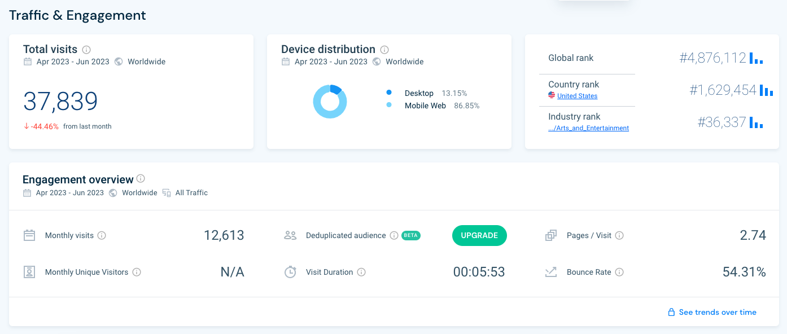
9 | Ray's team is also interested in comparing metrics of the Grammy.com website to that of their main competitor, The American Music Awards (theAMAs.com). On the right you will find a dashboard of the key metrics from The AMAs, use your findings from above to give feedback to Ray and team on which metrics are performing better / worse relative to the competition.

 | Comparing the above metrics to those of the American Music Awards (AMAs): * The Grammys website generally outperforms the AMAs website in pages per session, bounce rate, and average time on site. * The AMAs website has a higher bounce rate (54.31%) compared to both the Grammys and Grammys + TRA website, indicating lower user engagement or relevance of content. * While the AMAs website receives a significant percentage of mobile visitors (86.85%), the Grammy.com website's mobile user percentage is 73.7%. Given the industry trend of increasing mobile usage, optimizing the mobile experience remains crucial for both platforms. In conclusion, the Grammy's website exhibits stronger user engagement metrics compared to the AMAs website, suggesting a more favorable user experience and potentially better content relevance. However, further analysis of mobile user engagement on the Grammy's website would provide a comprehensive understanding of its performance relative to the competition.

LevelUp! A/B Test in Excel
 | In your calculations for Ray, you noticed that there was indeed a difference in the pages_per_session metric between the "Grammys + TRA" content and the Recording Academy Data sheet. He wants to know if that difference is statistically significant and wants you to performan an A/B Test on the results. You have been provided with the control and test numbers in the AB Testing sheet. Use those to complete the analysis below.

10a | In words, state the null hypothesis for the A/B test. |  | Hint!
 | There is no significant difference in the average pages per session between the "Grammys + TRA" content and the Recording Academy Data sheet.

 | In words, state the alternative hypothesis for the A/B test.
 | There is a significant difference in the average pages per session between the "Grammys + TRA" content and the Recording Academy Data sheet.

10b | Use the Data Analysis Toolpak to run an A/B test between the control group and test group. |  | Note!

10c | From the output of the A/B test, is there evidence at the 95% confidence level that the pages_per_session between the two websites are different? Why or Why not? Note: Pay attention to scientific notation when analyzing the results!

 | Since the p-value(4.60..E-103) is significantly smaller than the typical significance level of 0.05 used for hypothesis testing, we reject the null hypothesis. This means there is strong evidence to suggest that there is indeed a significant difference in the average pages per session between the "Grammys + TRA" content and the Recording Academy Data sheet. In other words, at the 95% confidence level, we can conclude that the pages_per_session between the two websites are different. The extremely small p-value indicates that this difference is highly unlikely to be due to random chance and is likely reflective of a true difference in user engagement or behavior between the two datasets.

