OPS
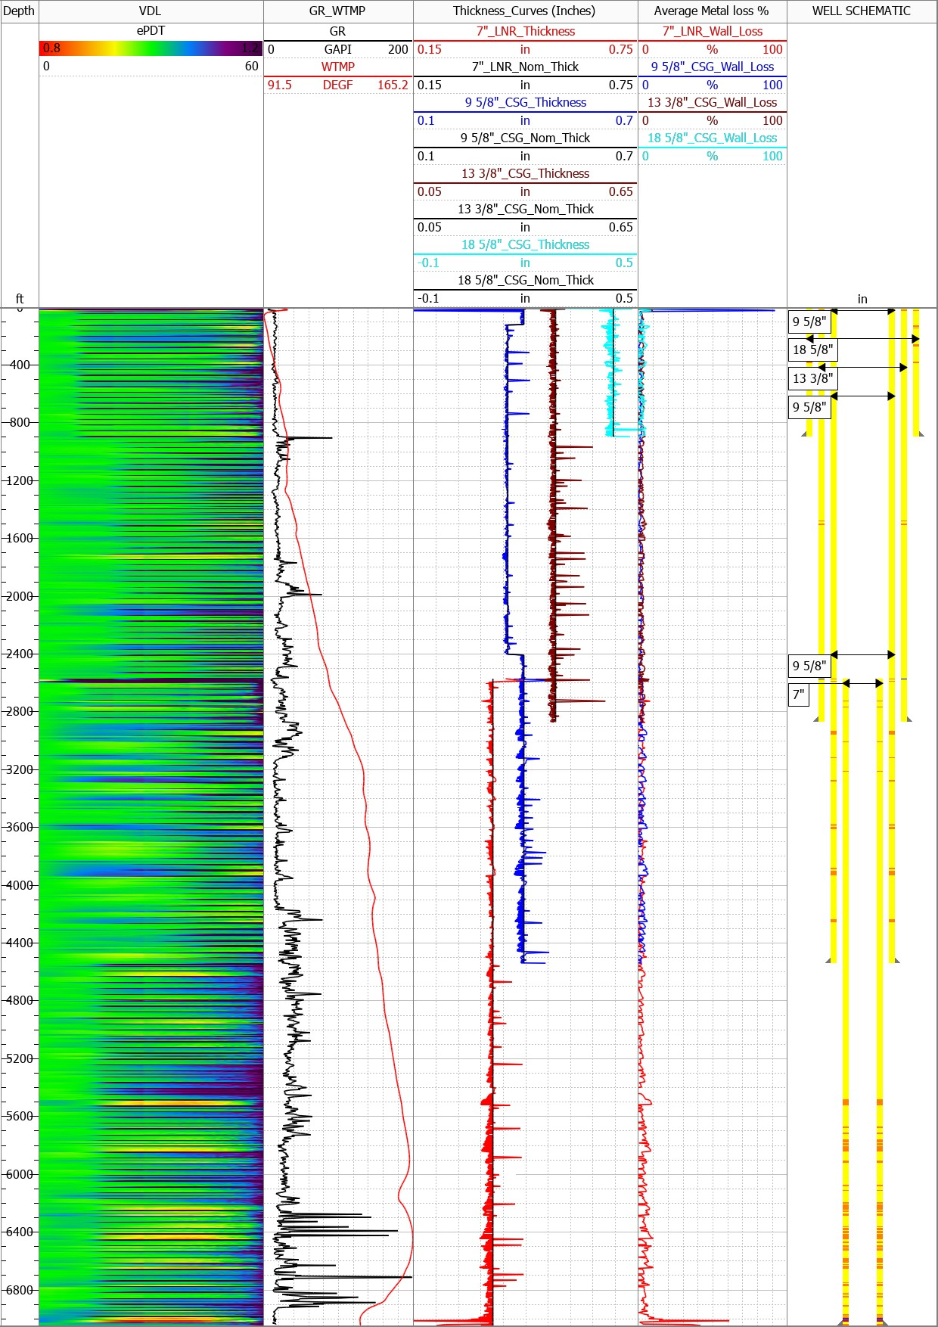
{{well_name}}
Well Information
ePDT Pipe Metal loss Summary

{{RIG}}
{{well_type}}
•Log Date:{{log_date}}.
•Original Completion Date:{{orig_comp}}.
•Latest Workover Date:{{last_wko}}
Completion Strings

Pipe OD | Weight | Pipe Interval |  | Thick_Nom
(inch) | (ppf) | (ft) |  | (inch)
{{str_od}} | {{str_weight}} | {{str_top}} | {{str_bottom}} | {{str_nom}}

Hot Spot Summary
Pipe OD | Max WL | Grade of Metal loss |  | Hot Spot Depth
(inch) |  |  |  | (ft)
{{hs_od}} | {{hs_wl}} | {{hs_grade}} |  | {{hs_depth}}

Conclusions
{{conclusions}}

