Sheet1
Defect_ID | Defect Title | Pre-condition | Test Data | (Test-Steps)procedures | Expected Result | Actual Result | Attachment | Priority | Severity | Test case ID | Defect Status | Req ID
Bug_BookingCreate_01 | Accept invalid data | 1- Install Postman | { "firstname": "Ali", "lastname": "Ashraf", "totalprice": "u7r2", "depositpaid": true, "bookingdates": { "checkin": "2018-01-01", "checkout": "2019-01-01" }, "additionalneeds": "Breakfast" } | 1-Open Postman and create a POST request 2-Enter the URL in request URL field as "https://restful-booker.herokuapp.com/booking" 3-Enter Invalid JSON body 4-press the send button 5-Navigate the response status | 1- shall created successfully 2- field shall accept the URL 3- field shall accept JSON body 4- request shall be sent 5- response status shall be (400 Bad request) | 1- Program navigated successfully 2- The Field Accepted the URL 3- The Field accepted the JSON body 4- request is sent successfuly 5- response status code is 200 | 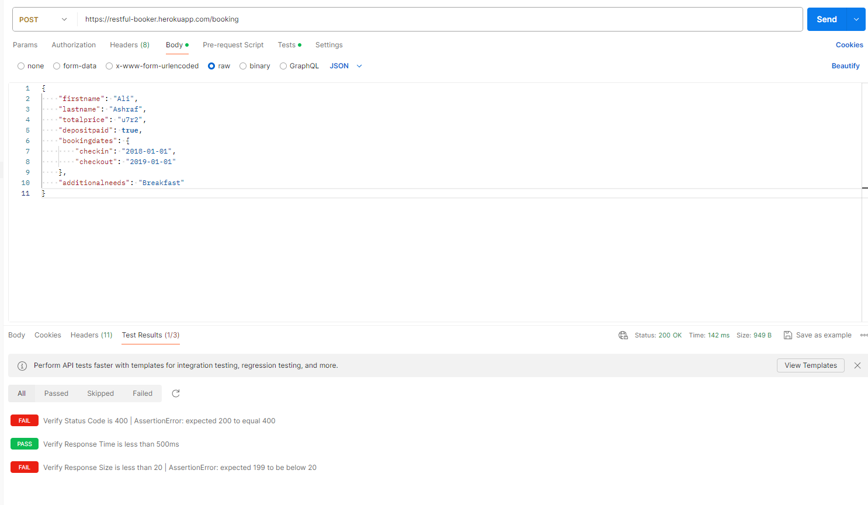 | Critical | Medium | TC_16 | New | Req_Deposit _3.2_(T48 : T54)

