Sheet1
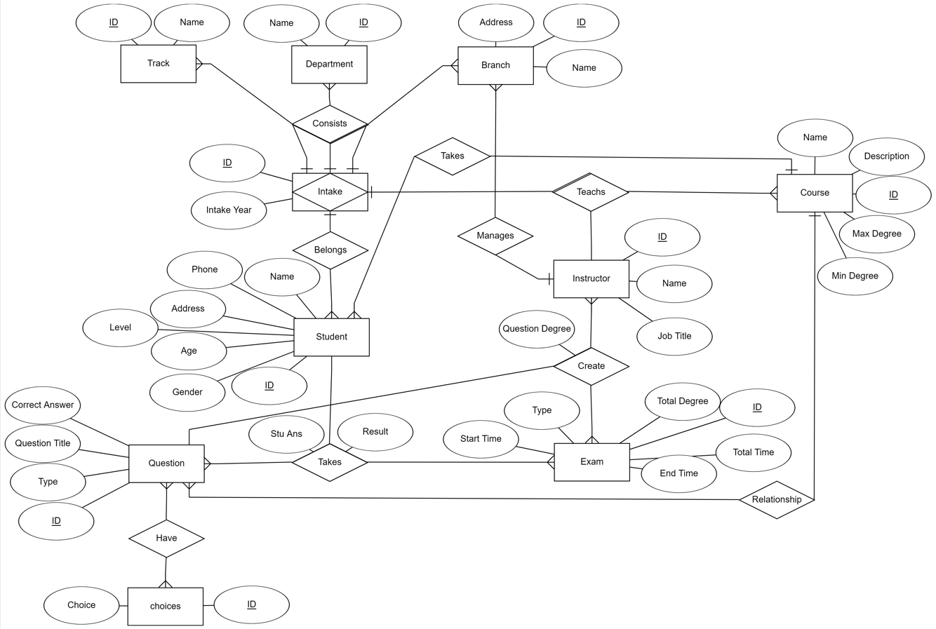

Instructor
ID | Name | Address | Gender | Age | Job Title

student
ID | Name | Address | IntakeID | Age | Gender | Level

Courses
ID | Name | Title | Max Degree | Min Degree | TrackID

Exam
ID | Type | Start Time | End Time | Total Time | total dgree

Question
ID | Question Title | Type | QuestionAnswer | CourseID

Choices
ID | Choice a | Choice b | Choice c | Choice d | QuestionID

Branch
ID | Name | Address | IntakeID | InstructorID

Department
ID | Name | IntakeID

Track
ID | Name | IntakeID

Intake
ID | IntakeYear

Course_Instructor_Intake
CourseID | IntakeID | InstructorID

Student_Exam_Question
StudentAnswer | StudentID | QuestionID | ExamID

Instructor_Exam_Question
InstructorID | ExamID | QuestionID | QuestionDegree

