AstMgr, FinTech, Inv Co ERD
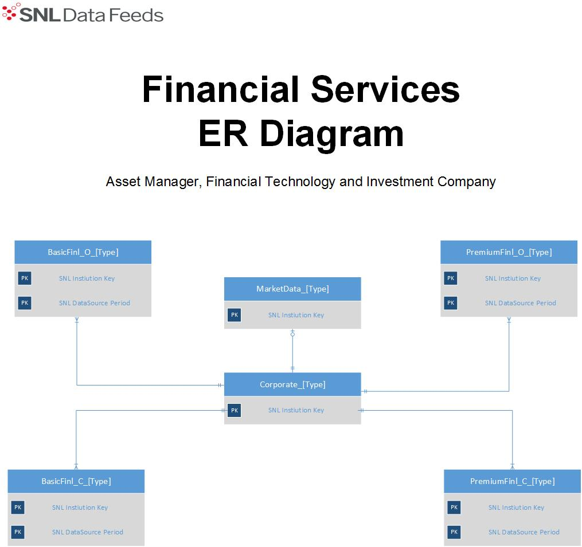

BrokerDealr, Sp.Ldr ER Diagram
