AssetMgr ER Diagram
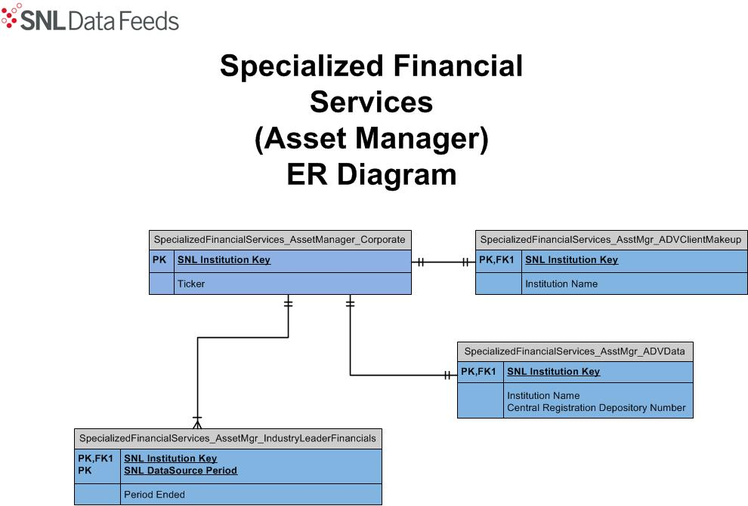

Broker Dealer ER Diagram
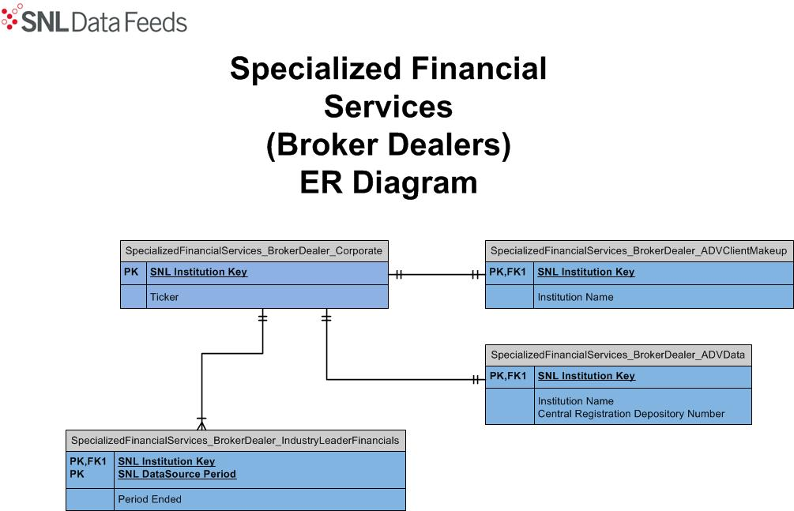

Private Equity ER Diragram
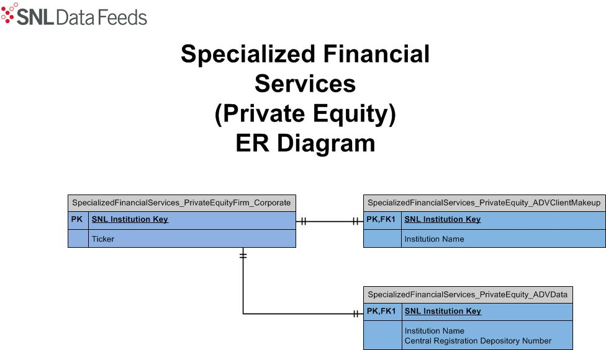

Specialty Lender ER Diagram
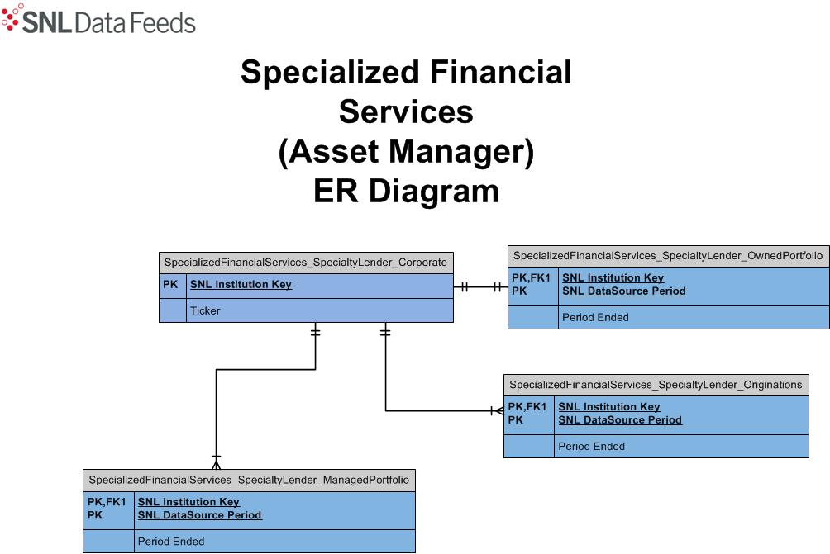

(Specialty Lender)

