Charts and Graphs
Product wise Sales
 | Total
Conditioner | 193,504
Face Cream | 91,636
Foundation | 139,468
Mascara | 81,207
Nail Polish | 131,600
Perfume | 213,968
Shampoo | 21,024
Product wise sales
 | Total
Conditioner | 193,504
Face Cream | 91,636
Foundation | 139,468
Mascara | 81,207
Nail Polish | 131,600
Perfume | 213,968
Shampoo | 21,024
Month wise sales chart
 | Total
Jan | 976,763
Feb | 753,834
Mar | 602,067
Apr | 659,368
May | 862,340
Jun | 872,407
Jul | 1,026,764
Aug | 962,213
Sep | 997,781
Oct | 469,245
Nov | 1,215,161
Dec | 1,022,334

Row Labels
North
South
West
Grand Total

Month wise chart
 | Total
Jan | 976,763
Feb | 753,834
Mar | 602,067
Apr | 659,368
May | 862,340
Jun | 872,407
Jul | 1,026,764
Aug | 962,213
Sep | 997,781
Oct | 469,245
Nov | 1,215,161
Dec | 1,022,334
Sales by Saleperson
 | Total
Alice | 13,116
Bob | 112,602
Charlie | 180,094
Diana | 105,386
Ethan | 193,185
Fiona | 268,024

Sales by Regions
 | Total
East | 217,227
North | 440,210
South | 186,536
West | 28,434

Sales by Regions
 | Total
East | 217,227
North | 440,210
South | 186,536
West | 28,434

DASHBOARD
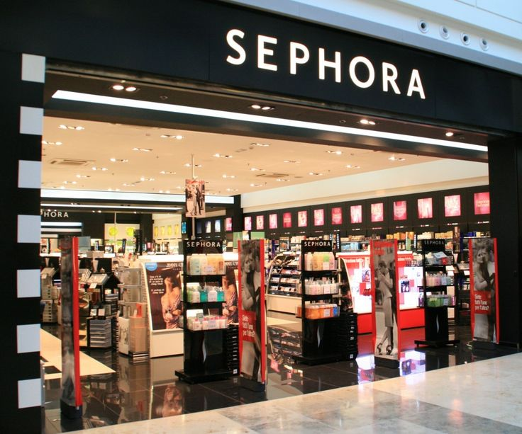
DashBoard of Cosmetics Sales of Year 2024
Month wise sales chart
 | Total
Jan | 976,763
Feb | 753,834
Mar | 602,067
Apr | 659,368
May | 862,340
Jun | 872,407
Jul | 1,026,764
Aug | 962,213
Sep | 997,781
Oct | 469,245
Nov | 1,215,161
Dec | 1,022,334

 | Total
East | 217,227
North | 440,210
South | 186,536
West | 28,434
 | Total
East | 217,227
North | 440,210
South | 186,536
West | 28,434

Product wise Sales
 | Total
Conditioner | 193,504
Face Cream | 91,636
Foundation | 139,468
Mascara | 81,207
Nail Polish | 131,600
Perfume | 213,968
Shampoo | 21,024

Sales by Saleperson
 | Total
Alice | 13,116
Bob | 112,602
Charlie | 180,094
Diana | 105,386
Ethan | 193,185
Fiona | 268,024
Month wise chart
 | Total
Jan | 976,763
Feb | 753,834
Mar | 602,067
Apr | 659,368
May | 862,340
Jun | 872,407
Jul | 1,026,764
Aug | 962,213
Sep | 997,781
Oct | 469,245
Nov | 1,215,161
Dec | 1,022,334

