Results_with_diagram
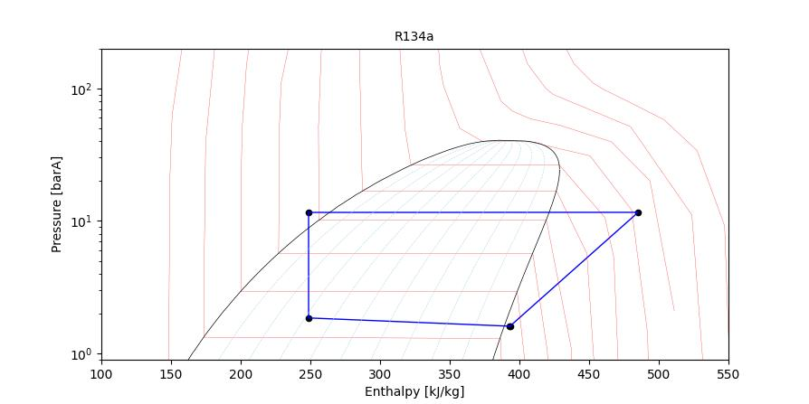
Refrigerant cycle | Enthalpy(kJ/kg) | Pressure(barA)
Compressor Inlet | 393.51 | 1.61
Condenser Inlet/Compressor Outlet | 485.41 | 11.61
EXV Inlet/Condenser Outlet | 248.91 | 11.60
Evaporator Inlet/EXV Outlet | 248.91 | 1.85
Evaporator Outlet | 392.90 | 1.61

Compressor
Mass flow rate (kg/h) | 75.64
Power consumption (W) | 1931.04

Evaporator
Heat Transfer rate-total (W) | 3057.05
Heat Transfer rate-sensible (W) | 2490.70
Air outlet temperature(°C) | 12.54
Air outlet RH(%) | 100.00

Condenser
Heat Transfer rate (W) | 4981.96
Air outlet temperature(°C) | 35.25

Orifice
Orifice opening area (mm2) | 1.10
Orifice opening dia (mm) | 1.19

